Indices

 | Iraq Stock Exchange
 | Bulletin No (162)
 | ISX Trading Indices of Tuesday 15/9/2026

 | Traded Volume and OTC |  | 2,028,864,657 |  | Traded Value and OTC |  | 845,718,176 |  | Traders | 830

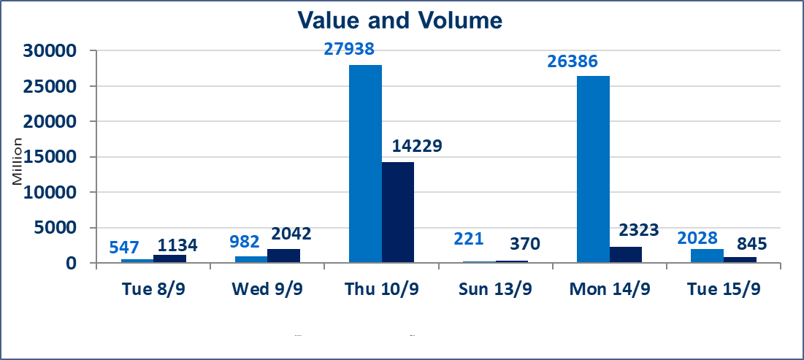
 | ISX Index 60 |  |  | 971.74 | ISX Index 15 |  |  | 1230.86
 | Previous ISX Index60 |  |  | 971.16 | Previous ISX Index15 |  |  | 1231.65
 | Change % |  |  | 0.06 | Change % |  |  | -0.06
 | Change |  |  | 0.58 | Change |  |  | -0.79

 | Listed Companies | 103 | OTC | 22 | Non Traded listed | 49 | OTC | 20
 | Traded Listed Companies | 41 | OTC | 1 | Higher Companies |  |  | 7
 | GAM Companies |  |  | 4 | Lower Companies |  |  | 17
 | Suspended Companies |  |  | 9 | GAM Companies |  |  | 1
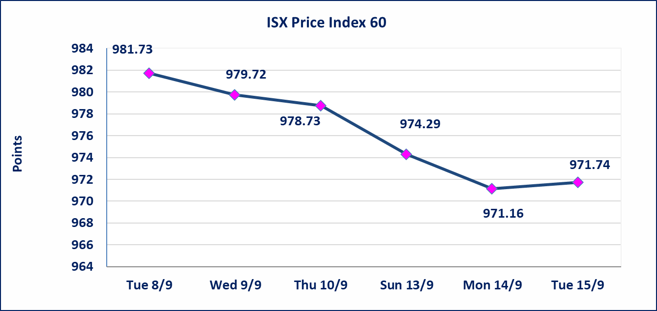
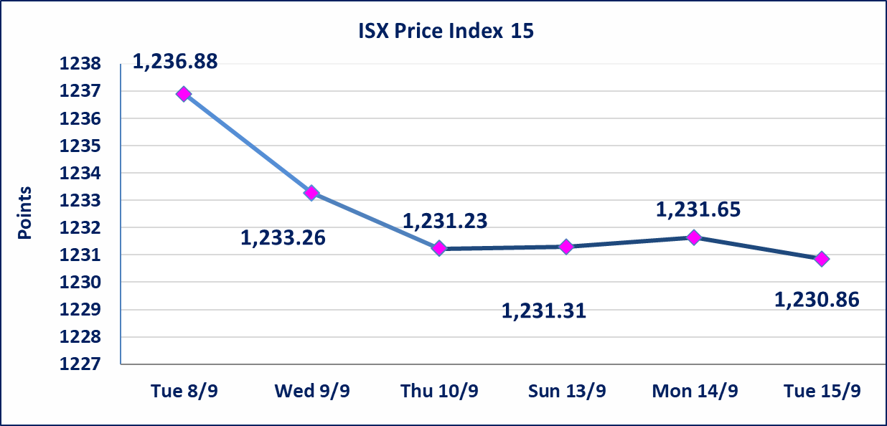

Al-Alwiya P.O . 3607 Mobile: 07711211522 - 07270094594 - 07834000034 E-mail: info-isx@isx-iq.net Web site:www.isx-iq.net

Top 5
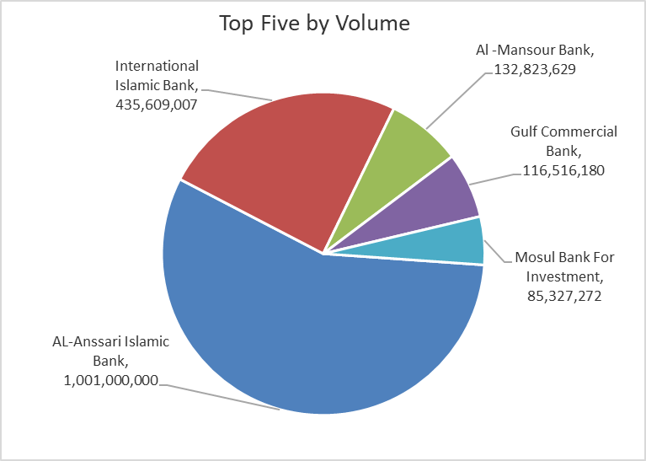
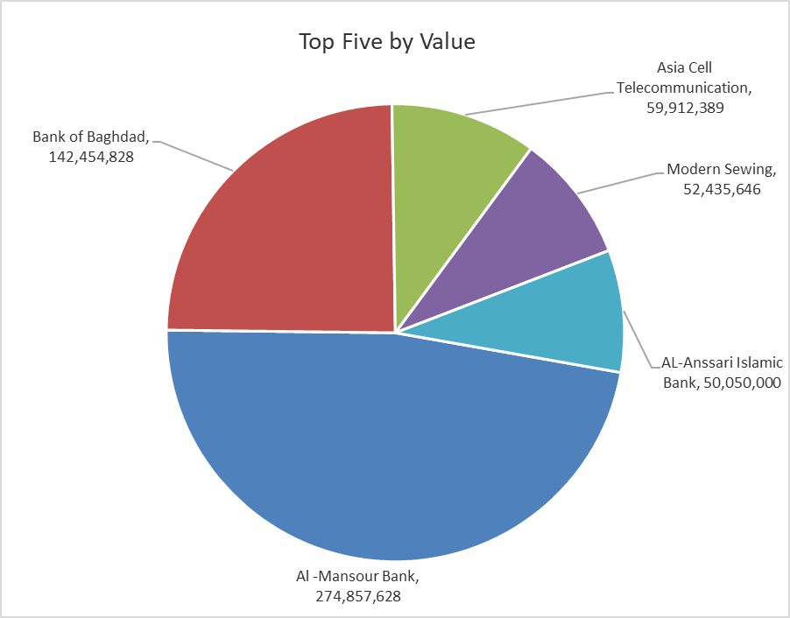
ISX top ganing and losing companies
Tuesday 15/9/2026
 | Gainers |  |  |  | Losers
 | Company Name | Closing Price | Change (%) | Traded Volume | Company Name | Closing Price | Change (%) | Traded Volume
 | Middle East Bank | 0.070 | 16.67 | 13,410,000 | Al-Ameen Estate Investment | 1.500 | -9.64 | 15,500
 | Mamoura Realestate | 2.300 | 3.14 | 885,307 | Modern for Animal Production | 0.310 | -8.82 | 150,721
 | Modern Sewing | 7.850 | 2.61 | 6,993,962 | Alahliya For Insurance | 0.750 | -8.54 | 790,783
 | Al-Mansour Pharmaceuticals Industries | 2.240 | 0.90 | 5,643,000 | International Islamic Bank | 0.110 | -8.33 | 435,609,007
 | Bank of Baghdad | 2.900 | 0.35 | 49,179,332 | Fallujah for construction Materials | 2.750 | -4.51 | 4,419,501
 | The most active companies in term of traded volume and value

 | Traded Volume |  |  |  | Traded Value
 | Company Name | Closing Price | Change (%) | Traded Volume | Company Name | Closing Price | Change (%) | Traded Value
 | AL-Anssari Islamic Bank | 0.050 | 0.00 | 1,001,000,000 | Al -Mansour Bank | 2.070 | 0.00 | 274,857,628
 | International Islamic Bank | 0.110 | -8.33 | 435,609,007 | Bank of Baghdad | 2.900 | 0.35 | 142,454,828
 | Al -Mansour Bank | 2.070 | 0.00 | 132,823,629 | Asia Cell Telecommunication | 15.700 | 0.26 | 59,912,389
 | Gulf Commercial Bank | 0.320 | -3.03 | 116,516,180 | Modern Sewing | 7.850 | 2.61 | 52,435,646
 | Mosul Bank For Investment | 0.120 | 0.00 | 85,327,272 | AL-Anssari Islamic Bank | 0.050 | 0.00 | 50,050,000

Non Iraqis

Iraq Stock Exchange
Non Iraqis' Bulletin Tuesday sept 15 2026
Regular Market

Non Iraqi Trading of Regular Market (Buy)
Company Names | Code | No.of trades | Traded Shares | Trading Volume
Banks Sector
Bank Of Baghdad | BBOB | 1 | 100,000 | 290,000
National Bank Of Iraq | BNOI | 1 | 100,000 | 375,000
Al-Mansour Bank | BMNS | 3 | 2,753,346 | 5,701,902
Total Bank sector |  | 5 | 2,953,346 | 6,366,902
Telecommunication Sector
Asia cell | TASC | 1 | 25,000 | 391,500
Total Telecommunication sector |  | 1 | 25,000 | 391,500
Grand Total |  | 6 | 2,978,346 | 6,758,402

