Indices

 | Iraq Stock Exchange
 | Bulletin No (190)
 | ISX Trading Indices of Tuesday 27/10/2026

 | Traded Volume and OTC |  | 4,130,050,868 |  | Traded Value and OTC |  | 1,423,095,320 |  | Traders | 1048

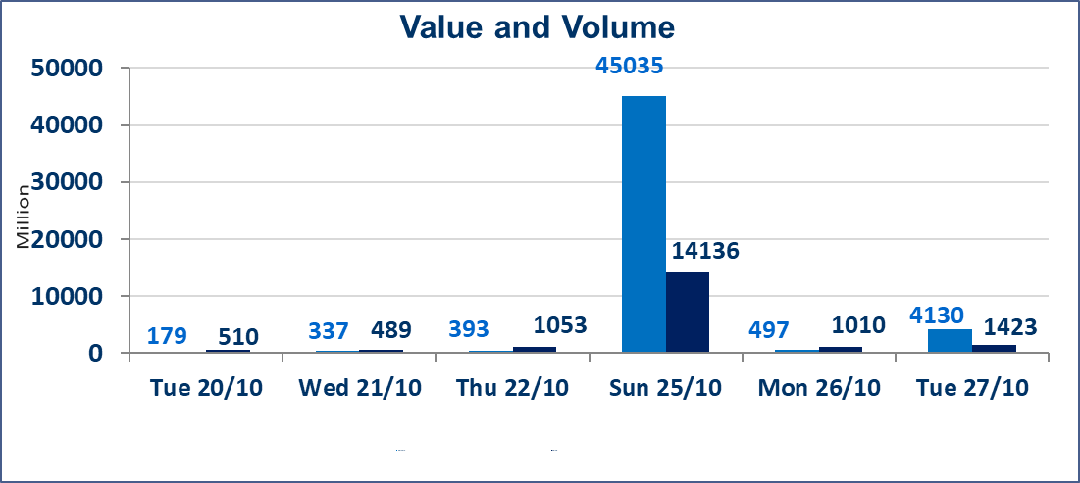
 | ISX Index 60 |  |  | 929.75 | ISX Index 15 |  |  | 1198.34
 | Previous ISX Index60 |  |  | 932.79 | Previous ISX Index15 |  |  | 1198.12
 | Change % |  |  | -0.33 | Change % |  |  | 0.02
 | Change |  |  | -3.04 | Change |  |  | 0.22

 | Listed Companies | 105 | OTC | 28 | Non Traded listed | 46 | OTC | 24
 | Traded Listed Companies | 45 | OTC | 4 | Higher Companies |  |  | 11
 | GAM Companies |  |  | 4 | Lower Companies |  |  | 15
 | Suspended Companies |  |  | 10
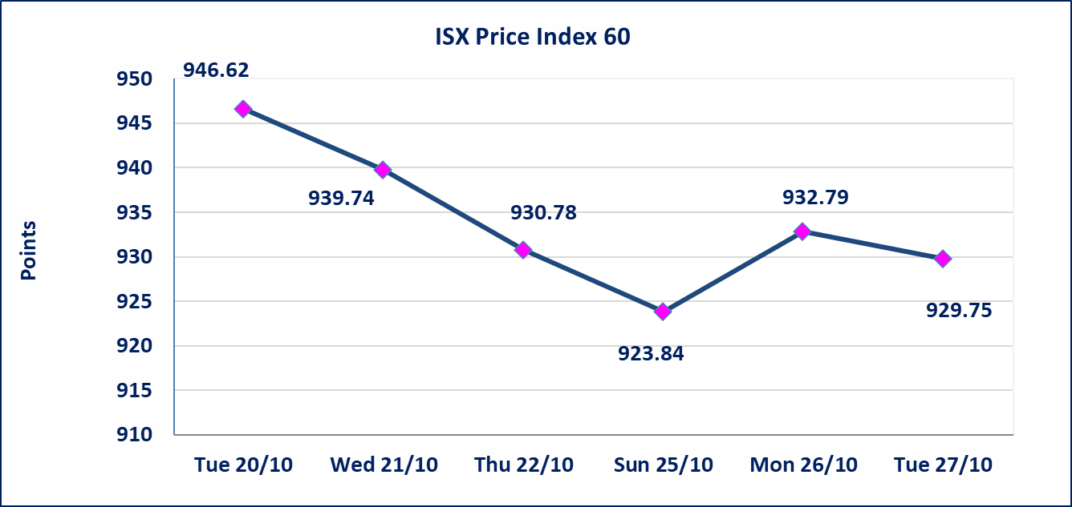
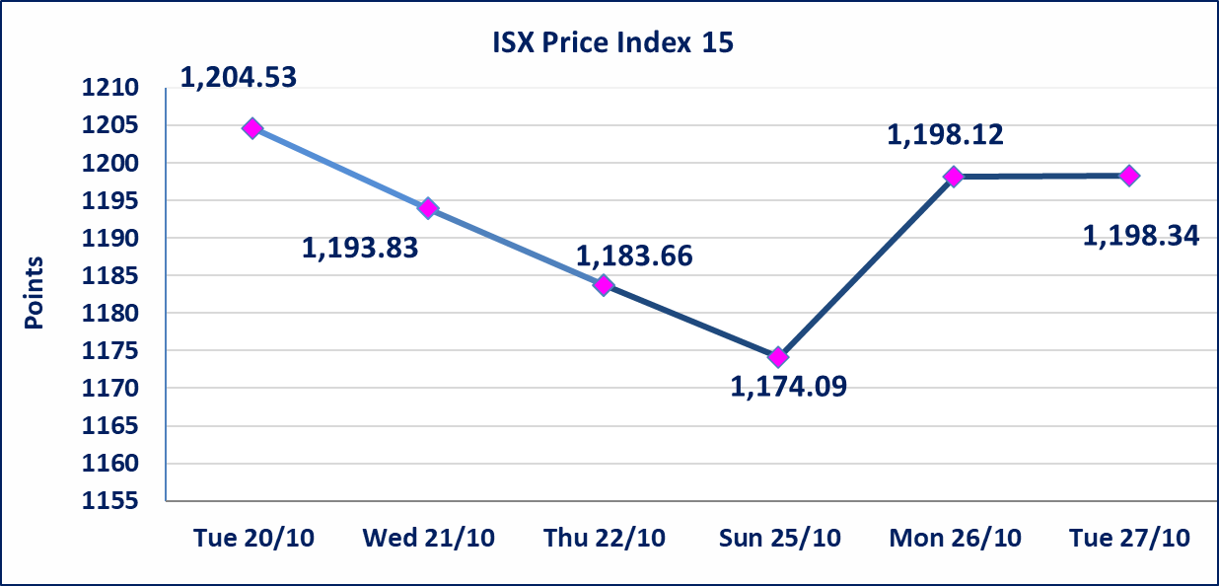

Al-Alwiya P.O . 3607 Mobile: 07711211522 - 07270094594 - 07834000034 E-mail: info-isx@isx-iq.net Web site:www.isx-iq.net

Top 5
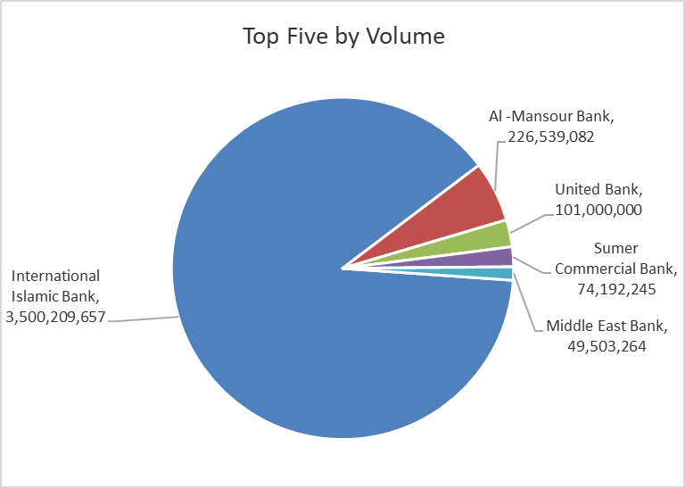
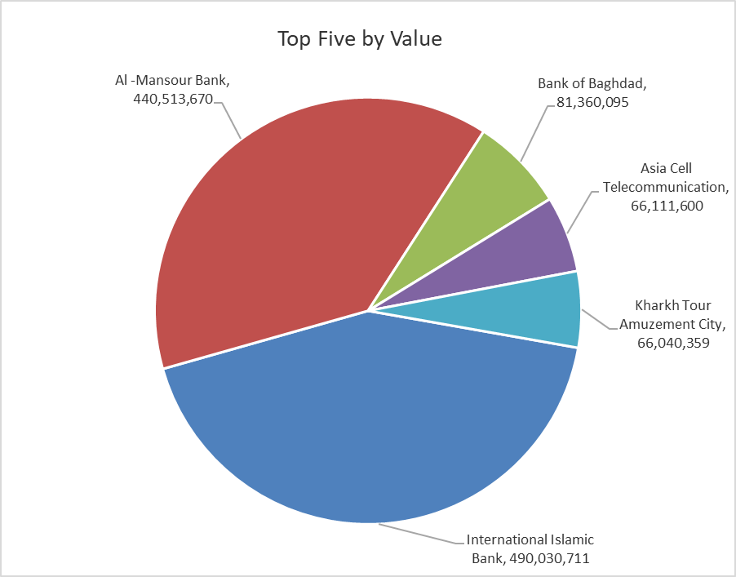
ISX top ganing and losing companies
Tuesday 27/10/2026
 | Gainers |  |  |  | Losers
 | Company Name | Closing Price | Change (%) | Traded Volume | Company Name | Closing Price | Change (%) | Traded Volume
 | Iraq Noor Islamic Bank for Investment | 0.250 | 13.64 | 7,815 | Middle East Bank | 0.070 | -12.50 | 49,503,264
 | Mamoura Realestate | 2.300 | 6.48 | 1,460,000 | International Islamic Bank | 0.140 | -6.67 | 3,500,209,657
 | Credit Bank Of Iraq | 0.480 | 4.35 | 6,200,000 | Modern Construction Materials | 1.150 | -4.96 | 25,000
 | Palestine Hotel | 19.100 | 3.52 | 1,478,635 | Al-Hamraa for Insurance | 3.150 | -4.55 | 21,000
 | Baghdad -Iraq Transportation | 19.250 | 3.00 | 334,286 | Al-Mosul for funfairs | 7.250 | -4.35 | 15,282
 | The most active companies in term of traded volume and value

 | Traded Volume |  |  |  | Traded Value
 | Company Name | Closing Price | Change (%) | Traded Volume | Company Name | Closing Price | Change (%) | Traded Value
 | International Islamic Bank | 0.140 | -6.67 | 3,500,209,657 | International Islamic Bank | 0.140 | -6.67 | 490,030,711
 | Al -Mansour Bank | 1.950 | -0.51 | 226,539,082 | Al -Mansour Bank | 1.950 | -0.51 | 440,513,670
 | United Bank | 0.050 | 0.00 | 101,000,000 | Bank of Baghdad | 2.640 | -0.75 | 81,360,095
 | Sumer Commercial Bank | 0.200 | 0.00 | 74,192,245 | Asia Cell Telecommunication | 15.300 | 0.07 | 66,111,600
 | Middle East Bank | 0.070 | -12.50 | 49,503,264 | Kharkh Tour Amuzement City | 4.500 | -2.17 | 66,040,359

Non Iraqi

Iraq Stock Exchange
Non Iraqis' Bulletin Tuesday Oct 27 2026
Regular Market

Non Iraqi Trading of Regular Market (Buy)
Company Names | Code | No.of trades | Traded Shares | Trading Volume
Banks Sector
Bank Of Baghdad | BBOB | 4 | 1,000,000 | 2,640,000
Iraqi Islamic Bank | BIIB | 1 | 500,000 | 440,000
Iraqi Middle East Investment Bank | BIME | 2 | 28,897,095 | 2,022,797
Total Bank sector |  | 7 | 30,397,095 | 5,102,797
Grand Total |  | 7 | 30,397,095 | 5,102,797

Non Iraqi Trading of Regular Market (Sell)
Company Names | Code | No.of trades | Traded Shares | Trading Volume
Banks Sector
Gulf Commercial Bank | BGUC | 3 | 2,091,567 | 627,470
Al-Mansour Bank | BMNS | 1 | 100,000,000 | 195,000,000
Total Bank sector |  | 4 | 102,091,567 | 195,627,470
Services Sector
Iraq Baghdad For General Transportation | SBPT | 1 | 577 | 10,386
Total Services sector |  | 1 | 577 | 10,386
Grand Total |  | 5 | 102,092,144 | 195,637,856

Non Iraqi Trading of Undisclosed Platform (Sell)
Company Names | Code | No.of trades | Traded Shares | Trading Volume
Banks Sector
Sumer Commerical Bank | BSUC | 120 | 74,192,245 | 14,838,449
Total Bank sector |  | 120 | 74,192,245 | 14,838,449
Grand Total |  | 120 | 74,192,245 | 14,838,449

