Indices

 | Iraq Stock Exchange
 | Bulletin No (174)
 | ISX Trading Indices of Monday 5/10/2026

 | Traded Volume and OTC |  | 498,257,403 |  | Traded Value and OTC |  | 5,235,015,770 |  | Traders | 774
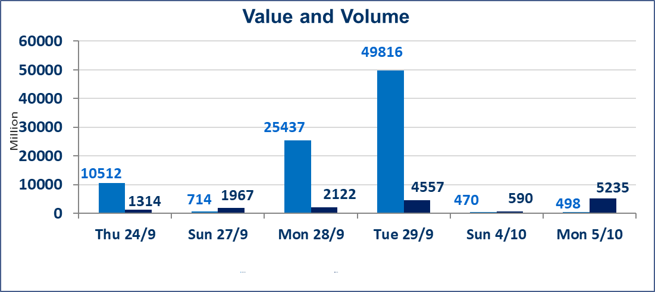
 | ISX Index 60 |  |  | 958.71 | ISX Index 15 |  |  | 1200.01
 | Previous ISX Index60 |  |  | 961.62 | Previous ISX Index15 |  |  | 1205.32
 | Change % |  |  | -0.30 | Change % |  |  | -0.44
 | Change |  |  | -2.91 | Change |  |  | -5.31

 | Listed Companies | 103 | OTC | 25 | Non Traded listed | 38 | OTC | 23
 | Traded Listed Companies | 44 | OTC | 2 | Higher Companies |  |  | 8
 | GAM Companies |  |  | 10 | Lower Companies |  |  | 18
 | Suspended Companies |  |  | 11
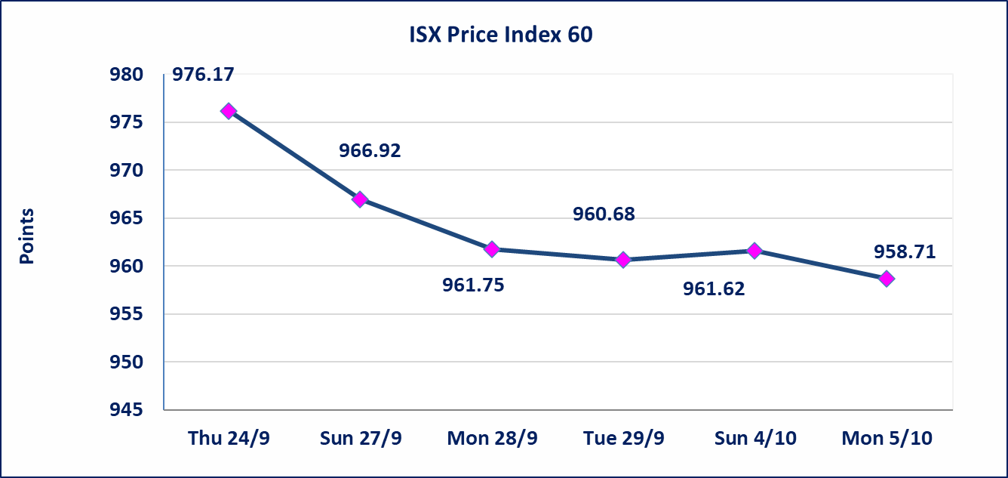
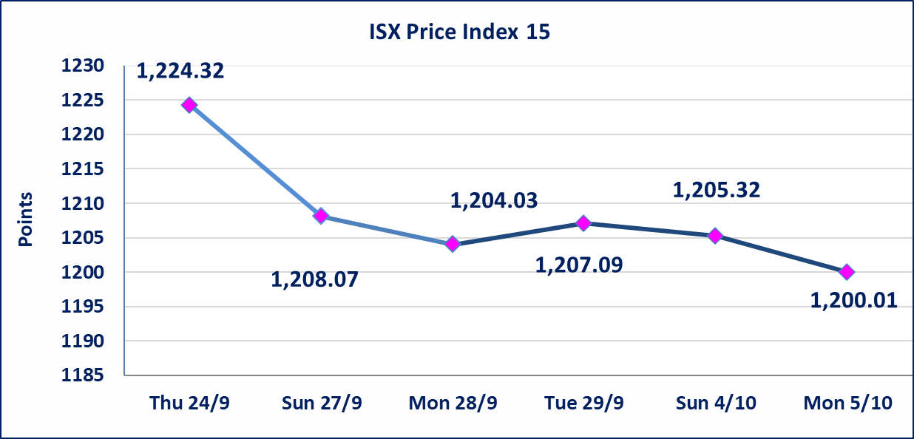

special orders |  | Al-Karmal Securities Brokerage Company executed an intentional cross order on the shares of Al-Mansour Hotels Company, involving 80,000,000 shares with a total value of IQD 4,800,000,000, during the additional trading session (after 1:00 p.m.), in accordance with the procedures for executing block trades.
Al-Alwiya P.O . 3607 Mobile: 07711211522 - 07270094594 - 07834000034 E-mail: info-isx@isx-iq.net Web site:www.isx-iq.net

Top 5
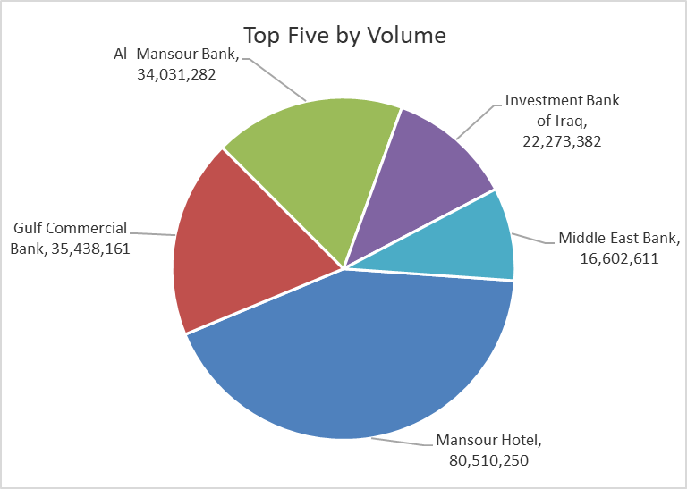
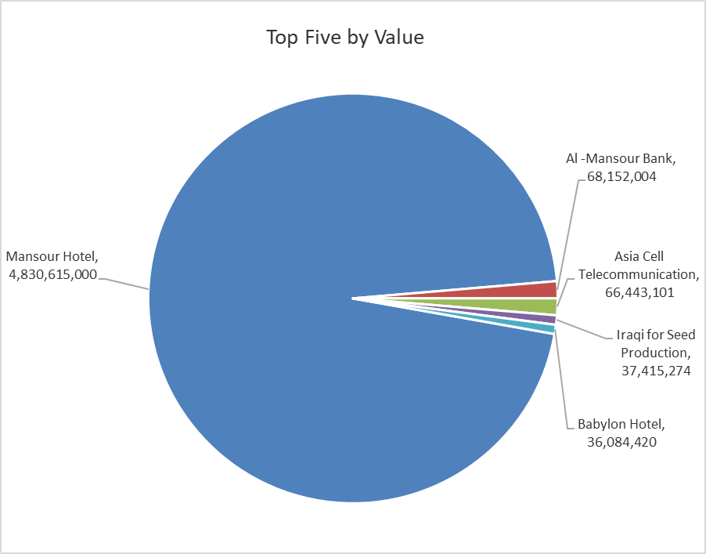
ISX top ganing and losing companies
Monday 5/10/2026
 | Gainers |  |  |  | Losers
 | Company Name | Closing Price | Change (%) | Traded Volume | Company Name | Closing Price | Change (%) | Traded Volume
 | National Furniture Industries | 1.210 | 24.74 | 10,000 | Middle East Bank | 0.060 | -14.29 | 16,602,611
 | Al-Mosul for funfairs | 9.350 | 24.67 | 3,139,054 | Elaf Islamic Bank | 0.300 | -9.09 | 55,000
 | Al-Kindi of Veterinary Vaccines | 2.900 | 11.54 | 59,900 | AL-Nukhba for Construction | 0.580 | -7.94 | 8,569
 | Mansour Hotel | 60.000 | 8.89 | 80,510,250 | Rehab Karbalaa | 0.420 | -6.67 | 144,179
 | Electronic Industry | 1.400 | 2.19 | 472,472 | Mamoura Realestate | 2.250 | -5.86 | 4,779,620
 | The most active companies in term of traded volume and value

 | Traded Volume |  |  |  | Traded Value
 | Company Name | Closing Price | Change (%) | Traded Volume | Company Name | Closing Price | Change (%) | Traded Value
 | Mansour Hotel | 60.000 | 8.89 | 80,510,250 | Mansour Hotel | 60.000 | 8.89 | 4,830,615,000
 | Gulf Commercial Bank | 0.310 | 0.00 | 35,438,161 | Al -Mansour Bank | 2.000 | -0.50 | 68,152,004
 | Al -Mansour Bank | 2.000 | -0.50 | 34,031,282 | Asia Cell Telecommunication | 14.950 | 0.00 | 66,443,101
 | Investment Bank of Iraq | 0.400 | 0.00 | 22,273,382 | Iraqi for Seed Production | 5.100 | 0.00 | 37,415,274
 | Middle East Bank | 0.060 | -14.29 | 16,602,611 | Babylon Hotel | 108.000 | 0.00 | 36,084,420

Non Iraqi

Iraq Stock Exchange
Non Iraqis' Bulletin Monday Oct 5 2026
Regular Market

Non Iraqi Trading of Regular Market (Buy)
Company Names | Code | No.of trades | Traded Shares | Trading Volume
Telecommunication Sector
Al-Khatem Telecoms | TZNI | 4 | 118,686 | 446,512
Total Telecommunication sector |  | 4 | 118,686 | 446,512
Grand Total |  | 4 | 118,686 | 446,512

Non Iraqi Trading of Regular Market (Sell)
Company Names | Code | No.of trades | Traded Shares | Trading Volume
Banks Sector
Commercial Bank of Iraq | BCOI | 1 | 1,210,996 | 641,828
Iraqi Middle East Investment Bank | BIME | 3 | 5,784,548 | 347,073
Gulf Commercial Bank | BGUC | 5 | 6,238,161 | 1,933,830
Total Bank sector |  | 9 | 13,233,705 | 2,922,731
Services Sector
AL-Nukhba for Construction | SNUC | 1 | 8,569 | 4,970
Karbala Hotels | HKAR | 1 | 100,000 | 42,000
Total Services sector |  | 2 | 108,569 | 46,970
Telecommunication Sector
Asia cell | TASC | 79 | 3,563,235 | 53,282,236
Al-Khatem Telecoms | TZNI | 3 | 118,686 | 433,204
Total Telecommunication sector |  | 82 | 3,681,921 | 53,715,439
Grand Total |  | 93 | 17,024,195 | 56,685,140

Non Iraqi Trading of Second Market (Sell)
Company Names | Code | No.of trades | Traded Shares | Trading Volume
Banks Sector
Credit Bank Of Iraq | BROI | 6 | 1,225,998 | 588,479
Total Bank sector |  | 6 | 1,225,998 | 588,479
Grand Total |  | 6 | 1,225,998 | 588,479

Non Iraqi Trading of Undisclosed Platform (Buy)
Company Names | Code | No.of trades | Traded Shares | Trading Volume
Agricultural Sector
Iraqi for Seed Production | AISP | 2 | 1,553,398 | 7,922,330
Total Agricultural Sector |  | 2 | 1,553,398 | 7,922,330

Non Iraqi Trading of Undisclosed Platform (Sell)
Company Names | Code | No.of trades | Traded Shares | Trading Volume
Banks Sector
Mousil Bank For Development& Investment | BMFI | 7 | 6,413,986 | 780,178
Total Bank sector |  | 7 | 6,413,986 | 780,178
Industry Sector
Iraqi Carton Manufacturies | IICM | 1 | 100,000 | 162,000
ELectronic Industries | IELI | 3 | 433,425 | 568,042
National Chemical &Plastic Industries | INCP | 4 | 670,000 | 1,206,000
Total Industry sector |  | 8 | 1,203,425 | 1,936,042
Hotel Sector
Ishtar Hotels | HISH | 4 | 233,334 | 2,111,006
Palestine Hotel | HPAL | 2 | 55,928 | 1,155,754
Total Hotel Sector |  | 6 | 289,262 | 3,266,760
Agricultural Sector
Modern for Animal Production | AMAP | 1 | 800 | 264
Total Agricultural Sector |  | 1 | 800 | 264
Grand Total |  | 22 | 7,907,473 | 5,983,244

