Indices

 | Iraq Stock Exchange
 | Bulletin No (173)
 | ISX Trading Indices of Sunday 4/10/2026

 | Traded Volume and OTC |  | 470,354,550 |  | Traded Value and OTC |  | 590,629,285 |  | Traders | 901

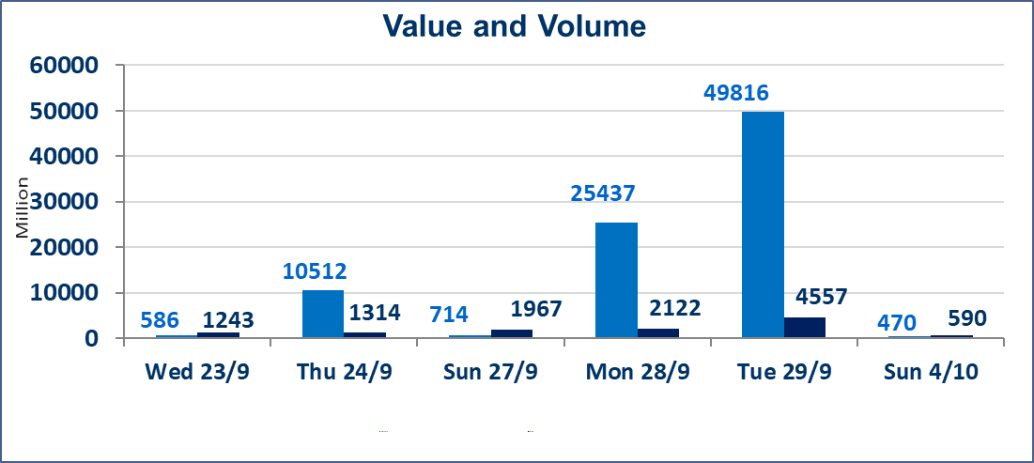
 | ISX Index 60 |  |  | 961.62 | ISX Index 15 |  |  | 1205.32
 | Previous ISX Index60 |  |  | 960.68 | Previous ISX Index15 |  |  | 1207.09
 | Change % |  |  | 0.10 | Change % |  |  | -0.15
 | Change |  |  | 0.94 | Change |  |  | -1.77

 | Listed Companies | 103 | OTC | 25 | Non Traded listed | 44 | OTC | 23
 | Traded Listed Companies | 38 | OTC | 2 | Higher Companies |  |  | 10
 | GAM Companies |  |  | 10 | Lower Companies |  |  | 13
 | Suspended Companies |  |  | 11
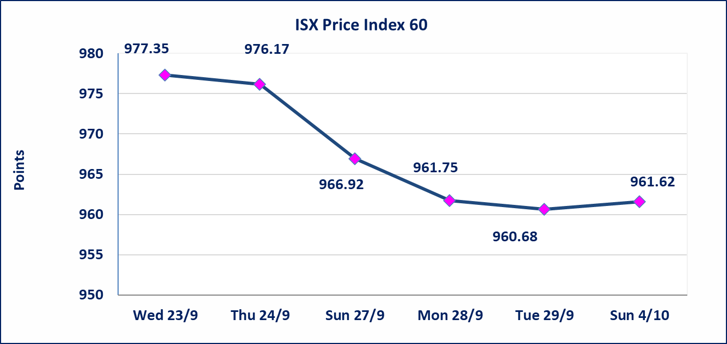
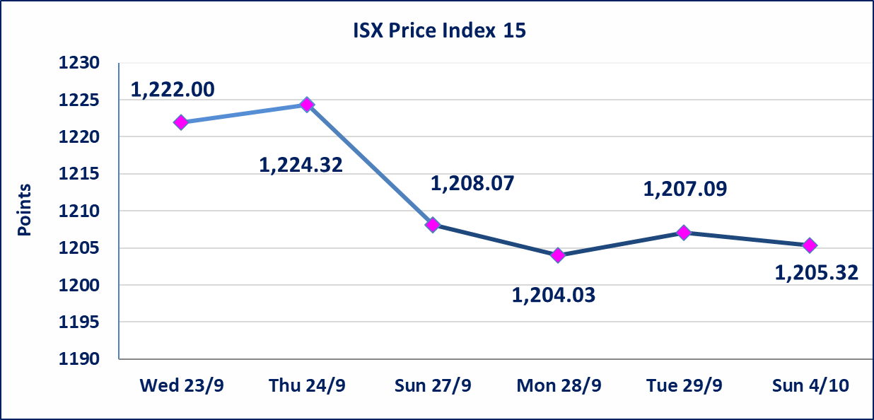

Al-Alwiya P.O . 3607 Mobile: 07711211522 - 07270094594 - 07834000034 E-mail: info-isx@isx-iq.net Web site:www.isx-iq.net

Top 5
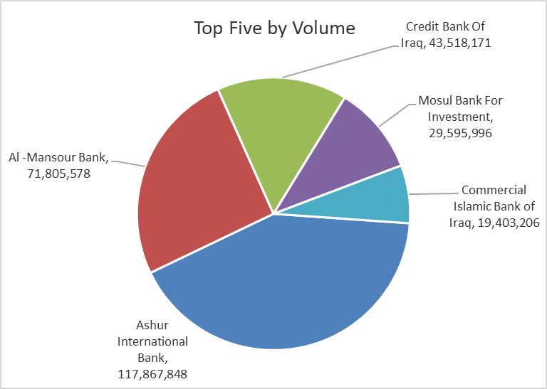
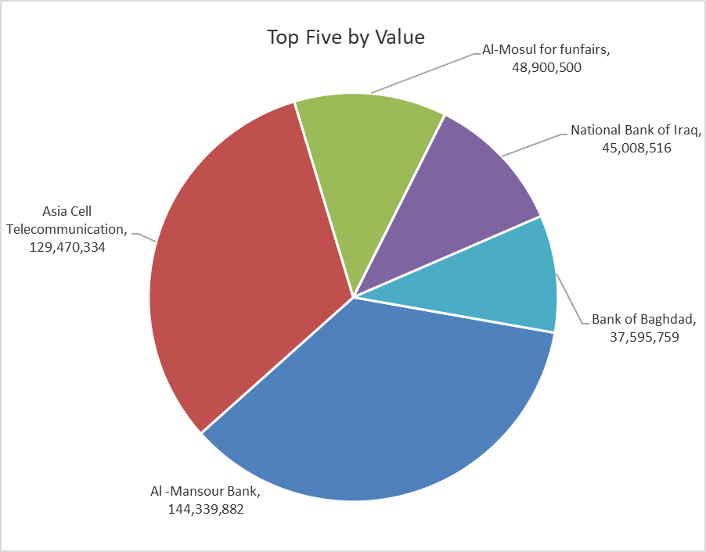
ISX top ganing and losing companies
Sunday 4/10/2026
 | Gainers |  |  |  | Losers
 | Company Name | Closing Price | Change (%) | Traded Volume | Company Name | Closing Price | Change (%) | Traded Volume
 | Middle East Bank | 0.070 | 16.67 | 1,112,180 | Al-Ataa Islamic Bank | 0.070 | -12.50 | 130,000
 | Mamoura Realestate | 2.390 | 5.75 | 361,913 | Ashour Hotel | 23.390 | -9.97 | 26,059
 | Modern for Animal Production | 0.340 | 3.03 | 14,884 | Kurdistan International Bank | 1.030 | -6.36 | 235,549
 | Investment Bank of Iraq | 0.400 | 2.56 | 1,191,160 | Credit Bank Of Iraq | 0.480 | -2.04 | 43,518,171
 | Fallujah for construction Materials | 2.800 | 2.19 | 300,000 | Al-Hamraa for Insurance | 3.800 | -1.30 | 30,000
 | The most active companies in term of traded volume and value

 | Traded Volume |  |  |  | Traded Value
 | Company Name | Closing Price | Change (%) | Traded Volume | Company Name | Closing Price | Change (%) | Traded Value
 | Ashur International Bank | 0.310 | 0.00 | 117,867,848 | Al -Mansour Bank | 2.010 | -0.50 | 144,339,882
 | Al -Mansour Bank | 2.010 | -0.50 | 71,805,578 | Asia Cell Telecommunication | 14.950 | -0.13 | 129,470,334
 | Credit Bank Of Iraq | 0.480 | -2.04 | 43,518,171 | Al-Mosul for funfairs | 7.500 | 0.00 | 48,900,500
 | Mosul Bank For Investment | 0.130 | 0.00 | 29,595,996 | National Bank of Iraq | 3.700 | -0.54 | 45,008,516
 | Commercial Islamic Bank of Iraq | 0.540 | 1.89 | 19,403,206 | Bank of Baghdad | 2.850 | -0.35 | 37,595,759

Non Iraqi

Iraq Stock Exchange
Non Iraqis' Bulletin Sunday Oct 4 2026
Regular Market

Non Iraqi Trading of Regular Market (Buy)
Company Names | Code | No.of trades | Traded Shares | Trading Volume
Banks Sector
Bank Of Baghdad | BBOB | 2 | 1,710,000 | 4,873,500
National Bank Of Iraq | BNOI | 1 | 10,000 | 37,000
Total Bank sector |  | 3 | 1,720,000 | 4,910,500
Telecommunication Sector
Asia cell | TASC | 1 | 20,000 | 300,000
Total Telecommunication sector |  | 1 | 20,000 | 300,000
Grand Total |  | 4 | 1740000 | 5210500

Non Iraqi Trading of Regular Market (Sell)
Company Names | Code | No.of trades | Traded Shares | Trading Volume
Banks Sector
National Bank Of Iraq | BNOI | 18 | 3,062,637 | 11,331,757
Total Bank sector |  | 18 | 3,062,637 | 11,331,757
Telecommunication Sector
Asia cell | TASC | 20 | 1,832,621 | 27,495,866
Total Telecommunication sector |  | 20 | 1,832,621 | 27,495,866
Grand Total |  | 38 | 4895258 | 38827622

Non Iraqi Disclosing Platform Market (Sell)
Company Names | Code | No.of trades | Traded Shares | Trading Volume
Hotel Sector
Ishtar Hotels | HISH | 9 | 116,284 | 1,081,441
Total Hotel Sector |  | 9 | 116,284 | 1,081,441

