Indices

 | Iraq Stock Exchange
 | Bulletin No (159)
 | ISX Trading Indices of Thursday 10/9/2026

 | Traded Volume and OTC |  | 27,938,763,345 |  | Traded Value and OTC |  | 14,229,471,243 |  | Traders | 1032

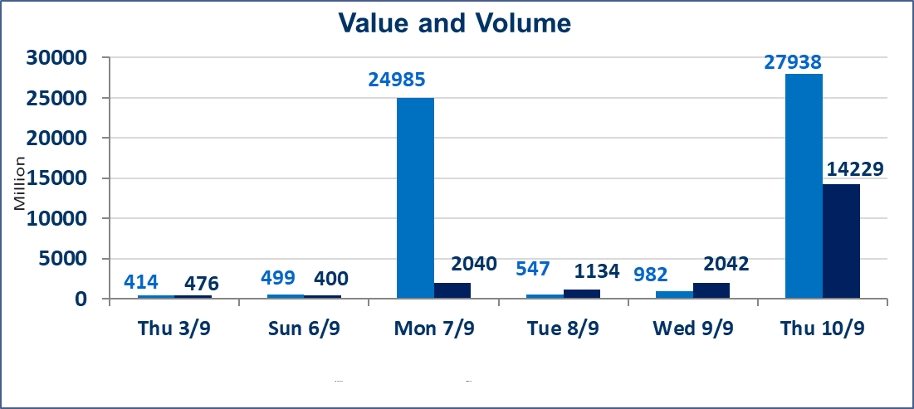
 | ISX Index 60 |  |  | 978.73 | ISX Index 15 |  |  | 1231.23
 | Previous ISX Index60 |  |  | 979.72 | Previous ISX Index15 |  |  | 1233.26
 | Change % |  |  | -0.10 | Change % |  |  | -0.16
 | Change |  |  | -0.99 | Change |  |  | -2.03

 | Listed Companies | 103 | OTC | 22 | Non Traded listed | 48 | OTC | 21
 | Traded Listed Companies | 45 | OTC | 1 | Higher Companies |  |  | 12
 | GAM Companies |  |  | 1 | Lower Companies |  |  | 12
 | Suspended Companies |  |  | 9
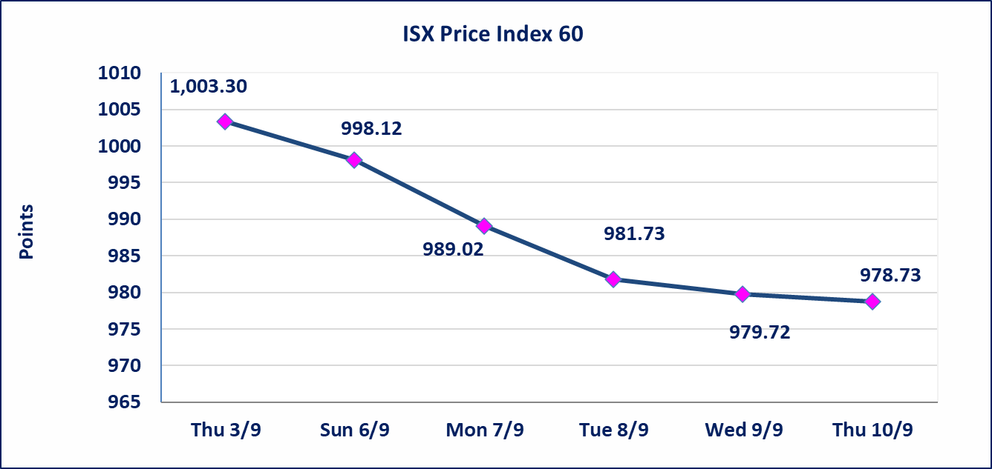
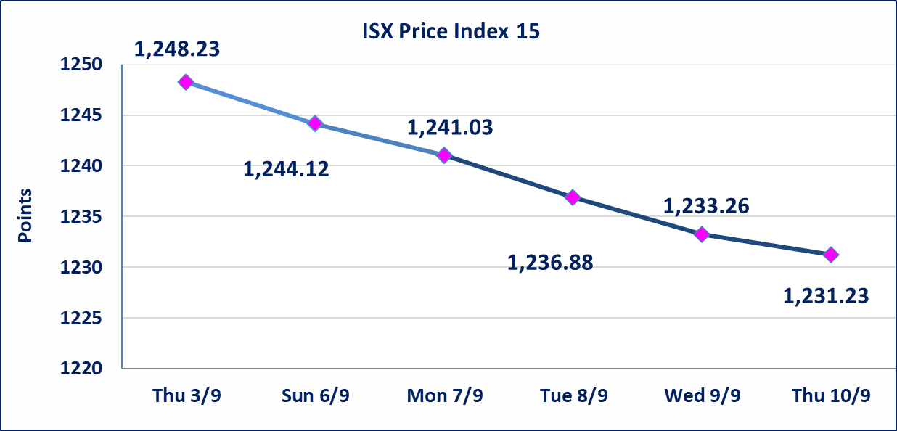

special orders |  | Baraem Al-Khair Brokerage Company executed an intentional cross order on the shares of Al-Ansari Bank, involving 24,000,000,000 shares with a total value of IQD 1,200,000,000, during the additional trading session (after 1:00 p.m.), in accordance with the procedures for executing block trades.
special orders |  | Al-Rafidain Brokerage Company (seller) and Noor Al-Wameedh Brokerage Company (buyer) executed a special order on the shares of National Bank of Iraq, involving 3,070,000,000 shares with a total value of IQD 11,727,400,000, during the additional trading session (after 1:00 p.m.), in accordance with the procedures for executing block trades.
Al-Alwiya P.O . 3607 Mobile: 07711211522 - 07270094594 - 07834000034 E-mail: info-isx@isx-iq.net Web site:www.isx-iq.net

Top 5
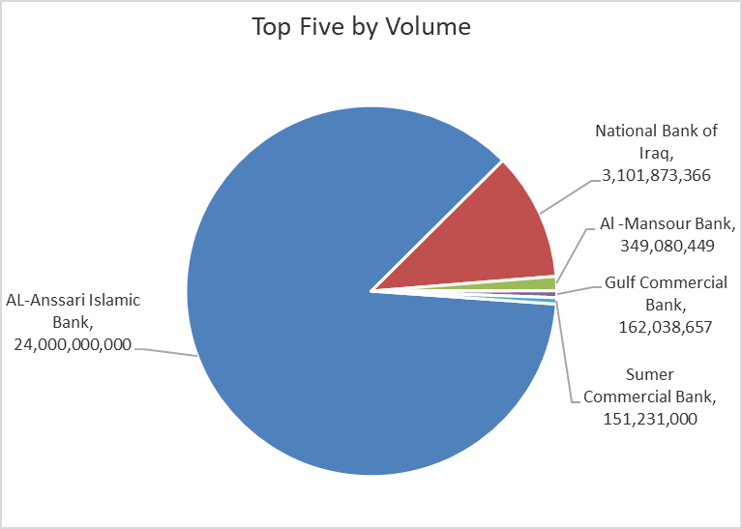
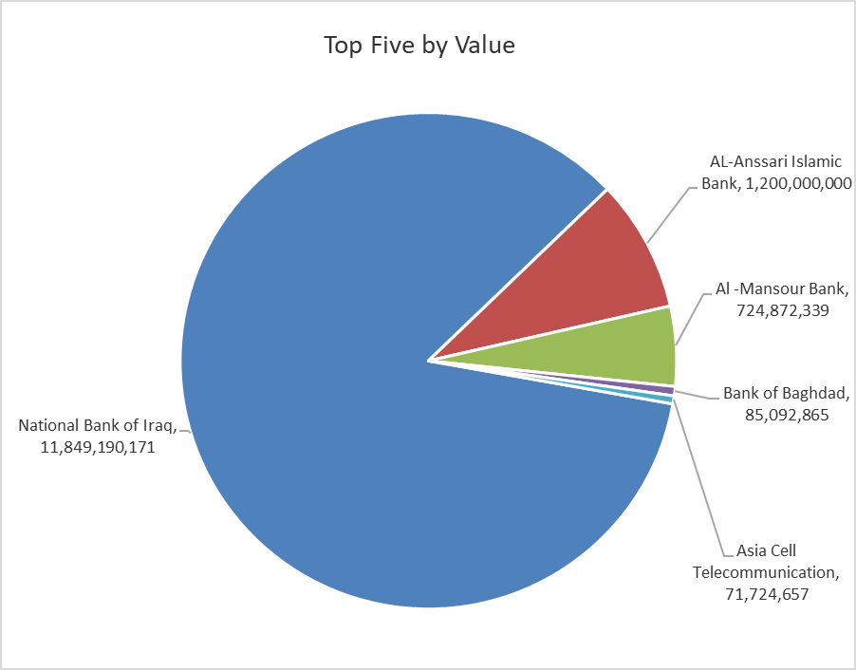
ISX top ganing and losing companies
Thursday 10/9/2026
 | Gainers |  |  |  | Losers
 | Company Name | Closing Price | Change (%) | Traded Volume | Company Name | Closing Price | Change (%) | Traded Volume
 | Economy Bank | 0.250 | 8.70 | 35,747,821 | Middle East Bank | 0.070 | -12.50 | 2,244,831
 | Kharkh Tour Amuzement City | 4.520 | 7.62 | 260,000 | Al-Hamraa for Insurance | 4.050 | -10.00 | 1,396,456
 | Al-Mosul for funfairs | 6.540 | 2.19 | 435,597 | Tourist Village of Mosul dam | 14.000 | -6.67 | 1,000,397
 | Credit Bank Of Iraq | 0.500 | 2.04 | 19,732,040 | International Islamic Bank | 0.140 | -6.67 | 50,000
 | Commercial Islamic Bank of Iraq | 0.560 | 1.82 | 4,363,290 | Ready Made Clothes | 2.190 | -2.67 | 460,000
 | The most active companies in term of traded volume and value

 | Traded Volume |  |  |  | Traded Value
 | Company Name | Closing Price | Change (%) | Traded Volume | Company Name | Closing Price | Change (%) | Traded Value
 | AL-Anssari Islamic Bank | 0.050 | 0.00 | 24,000,000,000 | National Bank of Iraq | 3.820 | 0.00 | 11,849,190,171
 | National Bank of Iraq | 3.820 | 0.00 | 3,101,873,366 | AL-Anssari Islamic Bank | 0.050 | 0.00 | 1,200,000,000
 | Al -Mansour Bank | 2.090 | 0.97 | 349,080,449 | Al -Mansour Bank | 2.090 | 0.97 | 724,872,339
 | Gulf Commercial Bank | 0.330 | 0.00 | 162,038,657 | Bank of Baghdad | 2.910 | -0.34 | 85,092,865
 | Sumer Commercial Bank | 0.220 | 0.00 | 151,231,000 | Asia Cell Telecommunication | 15.470 | -0.19 | 71,724,657

Non Iraqis
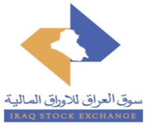
Iraq Stock Exchange
Non Iraqis' Bulletin Thursday sept 10 2026
Regular Market

Non Iraqi Trading of Regular Market (Buy)
Company Names | Code | No.of trades | Traded Shares | Trading Volume
Banks Sector
Bank Of Baghdad | BBOB | 1 | 100,000 | 290,000
Iraqi Middle East Investment Bank | BIME | 1 | 100,000 | 8,000
Gulf Commercial Bank | BGUC | 1 | 300,000 | 99,000
Al-Mansour Bank | BMNS | 9 | 47,500,000 | 98,325,000
Total Bank sector |  | 12 | 48,000,000 | 98,722,000
Grand Total |  | 12 | 48,000,000 | 98,722,000

Non Iraqi Trading of Regular Market (Sell)
Company Names | Code | No.of trades | Traded Shares | Trading Volume
Banks Sector
National Bank Of Iraq | BNOI | 1 | 3,070,000,000 | 11,727,400,000
Total Bank sector |  | 1 | 3,070,000,000 | 11,727,400,000
Grand Total |  | 1 | 3,070,000,000 | 11,727,400,000

