Indices

 | Iraq Stock Exchange
 | Bulletin No (161)
 | ISX Trading Indices of Monday 14/9/2026

 | Traded Volume and OTC |  | 25,386,369,313 |  | Traded Value and OTC |  | 2,323,138,609 |  | Traders | 775
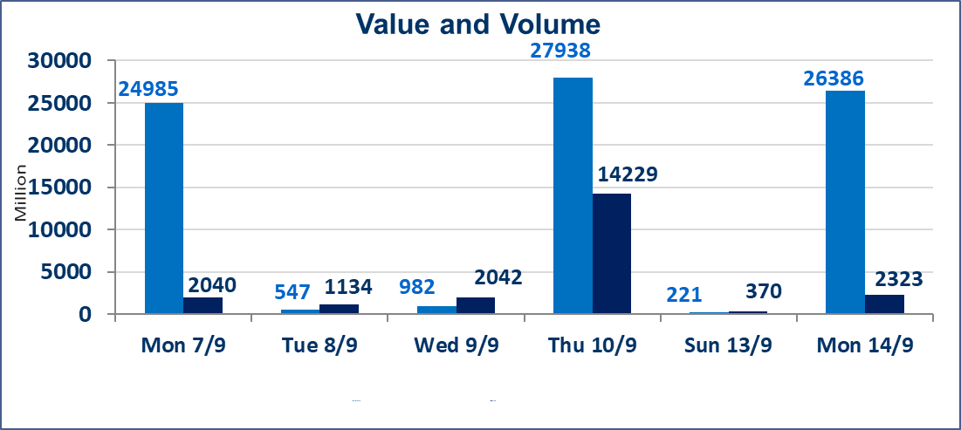
 | ISX Index 60 |  |  | 971.16 | ISX Index 15 |  |  | 1231.65
 | Previous ISX Index60 |  |  | 974.29 | Previous ISX Index15 |  |  | 1231.31
 | Change % |  |  | -0.32 | Change % |  |  | 0.03
 | Change |  |  | -3.13 | Change |  |  | 0.34

 | Listed Companies | 103 | OTC | 22 | Non Traded listed | 47 | OTC | 21
 | Traded Listed Companies | 44 | OTC | 1 | Higher Companies |  |  | 13
 | GAM Companies |  |  | 3 | Lower Companies |  |  | 18
 | Suspended Companies |  |  | 9
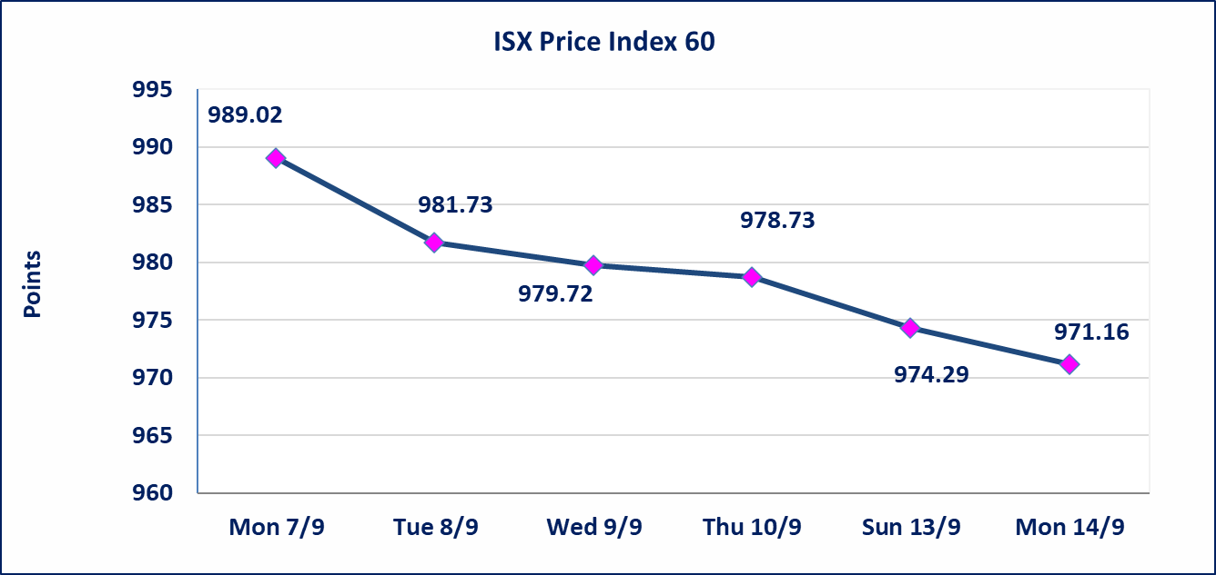
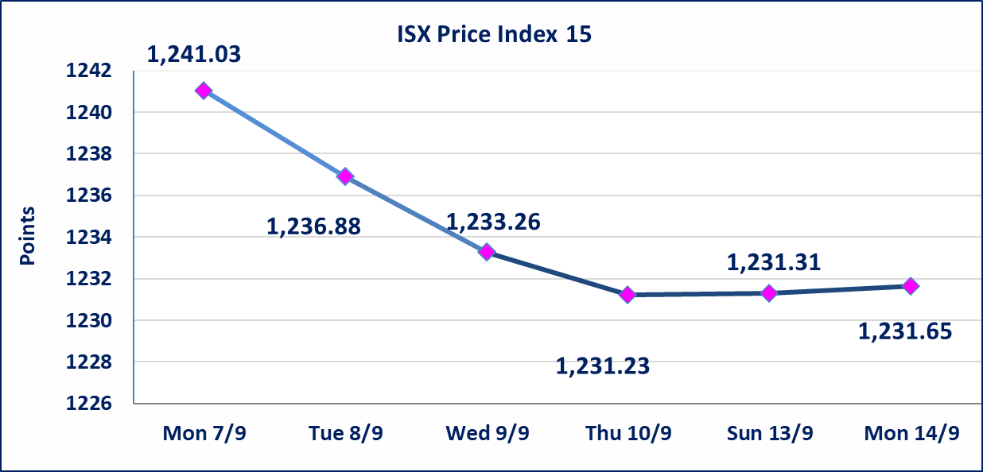

special orders |  | Baraem Al-Khair Brokerage Company executed an intentional cross order on the shares of Al-Ansari Bank, involving 24,950,000,000 shares with a total value of IQD 1,247,500,000, during the additional trading session (after 1:00 p.m.), in accordance with the procedures for executing block trades.
Al-Alwiya P.O . 3607 Mobile: 07711211522 - 07270094594 - 07834000034 E-mail: info-isx@isx-iq.net Web site:www.isx-iq.net

Top 5
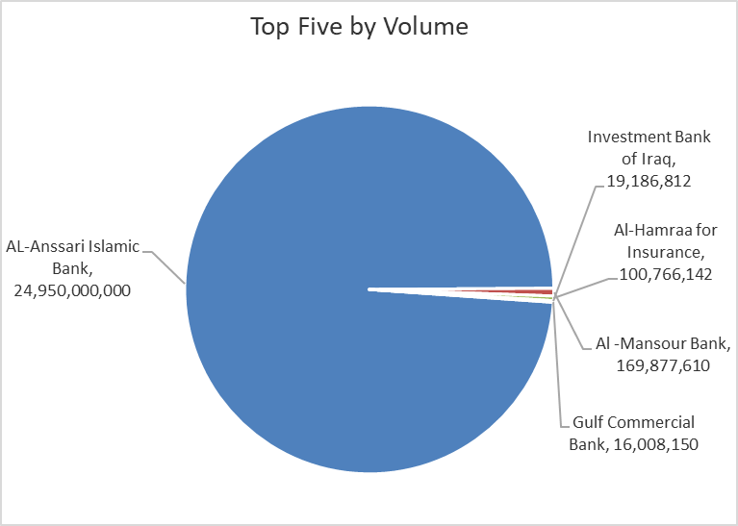
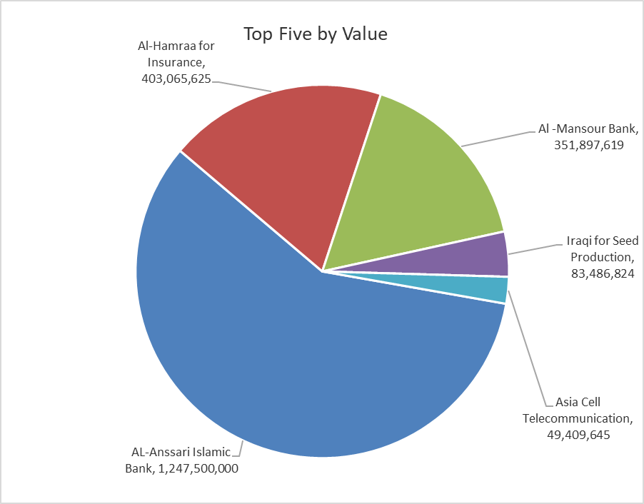
ISX top ganing and losing companies
Monday 14/9/2026
 | Gainers |  |  |  | Losers
 | Company Name | Closing Price | Change (%) | Traded Volume | Company Name | Closing Price | Change (%) | Traded Volume
 | National Chemical &Plastic | 1.800 | 9.09 | 82,170 | Middle East Bank | 0.060 | -14.29 | 6,000,000
 | Modern Sewing | 7.650 | 5.96 | 6,483,122 | International Islamic Bank | 0.120 | -7.69 | 1,095,500
 | National for Tourist Investment | 9.500 | 5.56 | 10,000 | Mosul Bank For Investment | 0.120 | -7.69 | 14,866,752
 | Al-Ameen for Insurance | 0.890 | 3.49 | 49,569 | Al -Khazer Construction Materials | 1.120 | -5.88 | 357,011
 | Ready Made Clothes | 2.250 | 2.74 | 103,100 | Economy Bank | 0.240 | -4.00 | 10,000,000
 | The most active companies in term of traded volume and value

 | Traded Volume |  |  |  | Traded Value
 | Company Name | Closing Price | Change (%) | Traded Volume | Company Name | Closing Price | Change (%) | Traded Value
 | AL-Anssari Islamic Bank | 0.050 | 0.00 | 24,950,000,000 | AL-Anssari Islamic Bank | 0.050 | 0.00 | 1,247,500,000
 | Al -Mansour Bank | 2.070 | 0.00 | 169,877,610 | Al-Hamraa for Insurance | 4.100 | 2.50 | 403,065,625
 | Al-Hamraa for Insurance | 4.100 | 2.50 | 100,766,142 | Al -Mansour Bank | 2.070 | 0.00 | 351,897,619
 | Investment Bank of Iraq | 0.390 | 0.00 | 19,186,812 | Iraqi for Seed Production | 5.310 | -0.56 | 83,486,824
 | Gulf Commercial Bank | 0.330 | 0.00 | 16,008,150 | Asia Cell Telecommunication | 15.660 | 0.58 | 49,409,645

Non Iraqis

Iraq Stock Exchange
Non Iraqis' Bulletin Monday sept 14 2026
Regular Market

Non Iraqi Trading of Regular Market (Buy)
Company Names | Code | No.of trades | Traded Shares | Trading Volume
Banks Sector
National Bank Of Iraq | BNOI | 1 | 66,474 | 251,936
Total Bank sector |  | 1 | 66,474 | 251,936
Grand Total |  | 1 | 66,474 | 251,936

