Indices
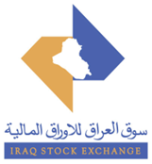
 | Iraq Stock Exchange
 | Bulletin No (158)
 | ISX Trading Indices of Wednesday 9/9/2026

 | Traded Volume and OTC |  | 982,597,778 |  | Traded Value and OTC |  | 2,042,622,079 |  | Traders | 1221
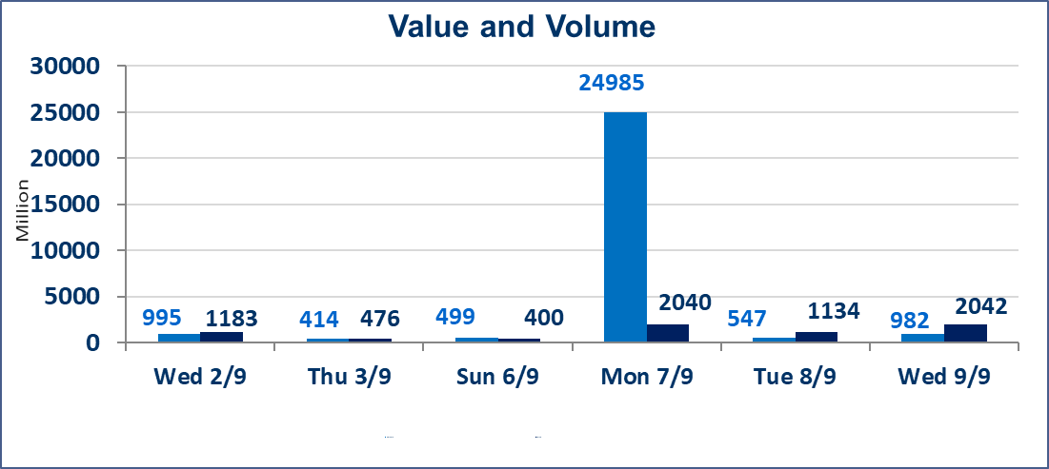
 | ISX Index 60 |  |  | 979.72 | ISX Index 15 |  |  | 1233.26
 | Previous ISX Index60 |  |  | 981.73 | Previous ISX Index15 |  |  | 1236.88
 | Change % |  |  | -0.20 | Change % |  |  | -0.29
 | Change |  |  | -2.01 | Change |  |  | -3.62

 | Listed Companies | 103 | OTC | 22 | Non Traded listed | 50 | OTC | 21
 | Traded Listed Companies | 43 | OTC | 1 | Higher Companies |  |  | 10
 | GAM Companies |  |  | 1 | Lower Companies |  |  | 20
 | Suspended Companies |  |  | 9
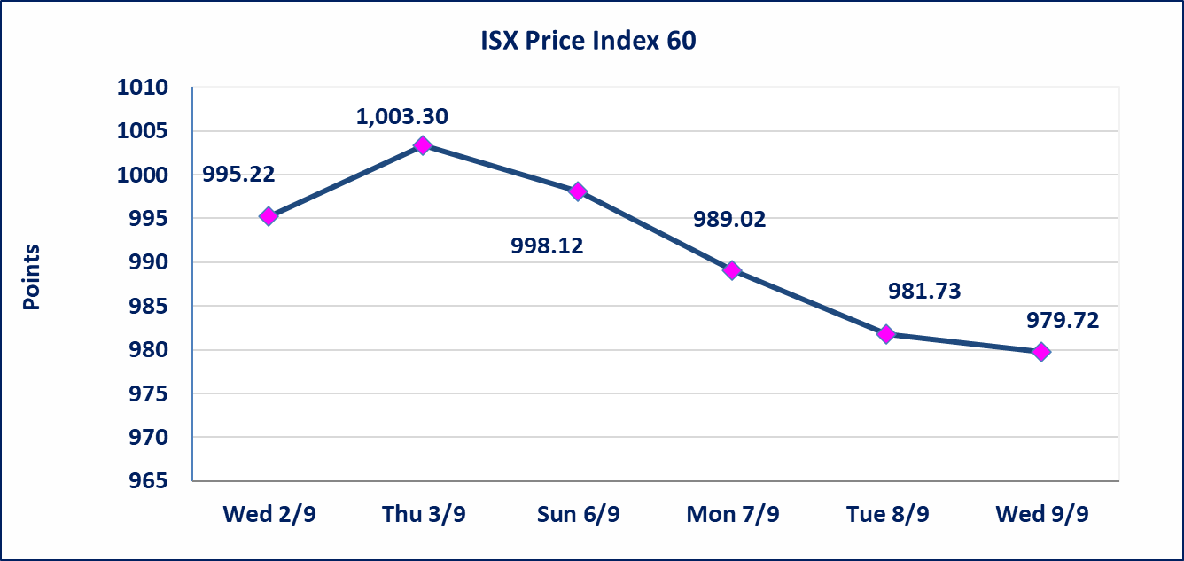
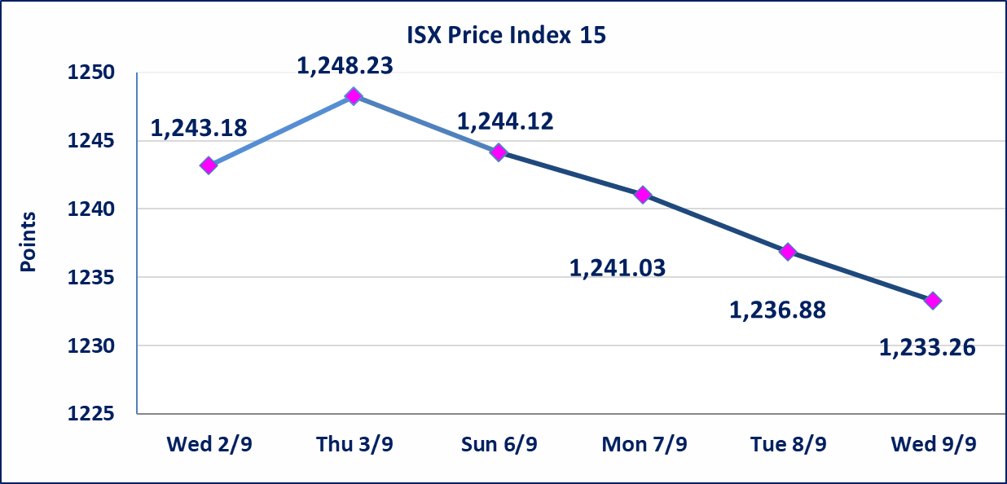

Al-Alwiya P.O . 3607 Mobile: 07711211522 - 07270094594 - 07834000034 E-mail: info-isx@isx-iq.net Web site:www.isx-iq.net

Top 5
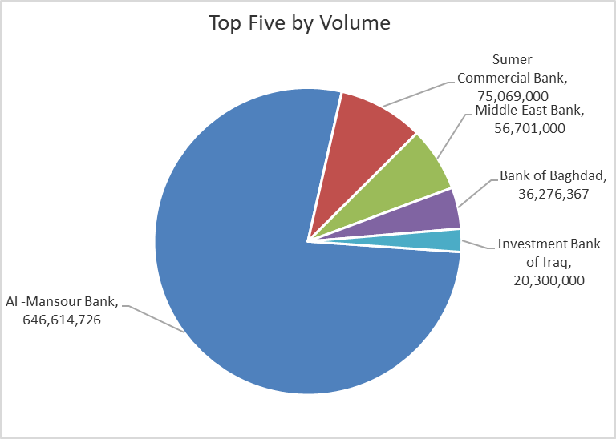
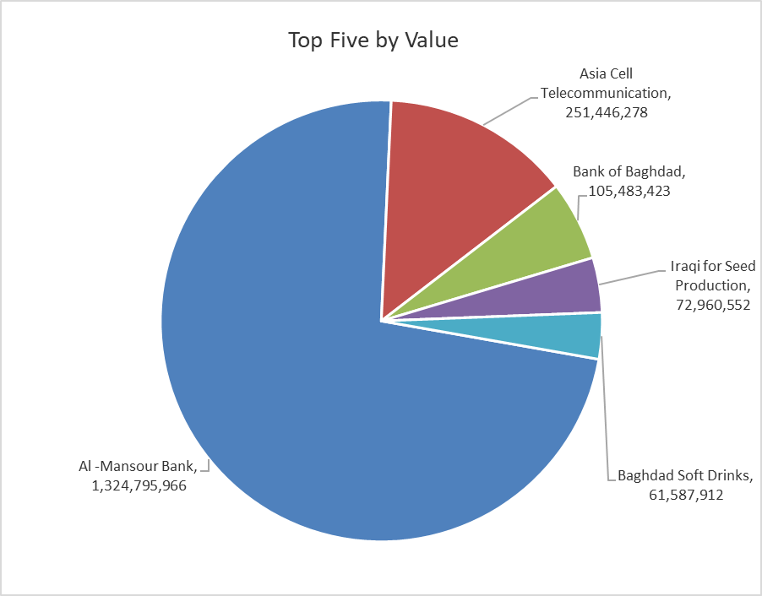
ISX top ganing and losing companies
Wednesday 9/9/2026
 | Gainers |  |  |  | Losers
 | Company Name | Closing Price | Change (%) | Traded Volume | Company Name | Closing Price | Change (%) | Traded Volume
 | International Islamic Bank | 0.150 | 25.00 | 2,369,230 | Kurdistan International Bank | 1.170 | -10.00 | 96,319
 | Middle East Bank | 0.080 | 14.29 | 56,701,000 | Al-Hamraa for Insurance | 4.500 | -10.00 | 1,784,830
 | Tourist Village of Mosul dam | 15.000 | 10.70 | 1,428 | National Chemical &Plastic | 1.650 | -9.84 | 150,546
 | Mosul Bank For Investment | 0.140 | 7.69 | 1,000 | Al-Mosul for funfairs | 6.400 | -8.57 | 2,960,000
 | Dar Al-Salam for Insurance | 0.750 | 7.14 | 1,000,000 | Kharkh Tour Amuzement City | 4.200 | -4.55 | 34,275
 | The most active companies in term of traded volume and value

 | Traded Volume |  |  |  | Traded Value
 | Company Name | Closing Price | Change (%) | Traded Volume | Company Name | Closing Price | Change (%) | Traded Value
 | Al -Mansour Bank | 2.070 | -0.48 | 646,614,726 | Al -Mansour Bank | 2.070 | -0.48 | 1,324,795,966
 | Sumer Commercial Bank | 0.220 | 0.00 | 75,069,000 | Asia Cell Telecommunication | 15.500 | -1.21 | 251,446,278
 | Middle East Bank | 0.080 | 14.29 | 56,701,000 | Bank of Baghdad | 2.920 | 0.00 | 105,483,423
 | Bank of Baghdad | 2.920 | 0.00 | 36,276,367 | Iraqi for Seed Production | 5.430 | 0.00 | 72,960,552
 | Investment Bank of Iraq | 0.390 | -2.50 | 20,300,000 | Baghdad Soft Drinks | 6.170 | -0.16 | 61,587,912

Non Iraqis

Iraq Stock Exchange
Non Iraqis' Bulletin Wednesday sept 9 2026
Regular Market

Non Iraqi Trading of Regular Market (Buy)
Company Names | Code | No.of trades | Traded Shares | Trading Volume
Banks Sector
Bank Of Baghdad | BBOB | 1 | 55,000 | 159,500
National Bank Of Iraq | BNOI | 2 | 50,000 | 190,500
Al-Mansour Bank | BMNS | 1 | 100,000 | 205,000
Total Bank sector |  | 4 | 205,000 | 555,000
Telecommunication Sector
Asia cell | TASC | 1 | 14,150 | 221,872
Total Telecommunication sector |  | 1 | 14,150 | 221,872
Grand Total |  | 5 | 219,150 | 776,872

Non Iraqi Trading of Regular Market (Sell)
Company Names | Code | No.of trades | Traded Shares | Trading Volume
Industry Sector
Iraqi For Tufted Carpets | IITC | 1 | 120 | 2,760
Total Industry sector |  | 1 | 120 | 2,760
Telecommunication Sector
Asia cell | TASC | 123 | 11,480,525 | 178,392,174
Total Telecommunication sector |  | 123 | 11,480,525 | 178,392,174
Grand Total |  | 124 | 11,480,645 | 178,394,934

Non Iraqi Trading of Second Market (BUY)
Company Names | Code | No. of trades | Traded Volume | Traded Value
Insurance Sector
Al-Hamraa for Insurance | NHAM | 4 | 315,914 | 1,579,570
Total Insurance sector |  | 4 | 315,914 | 1,579,570
Grand Total |  | 4 | 315,914 | 1,579,570

