Indices

 | Iraq Stock Exchange
 | Bulletin No (189)
 | ISX Trading Indices of Monday 26/10/2026

 | Traded Volume and OTC |  | 497,853,078 |  | Traded Value and OTC |  | 1,010,198,458 |  | Traders | 1229

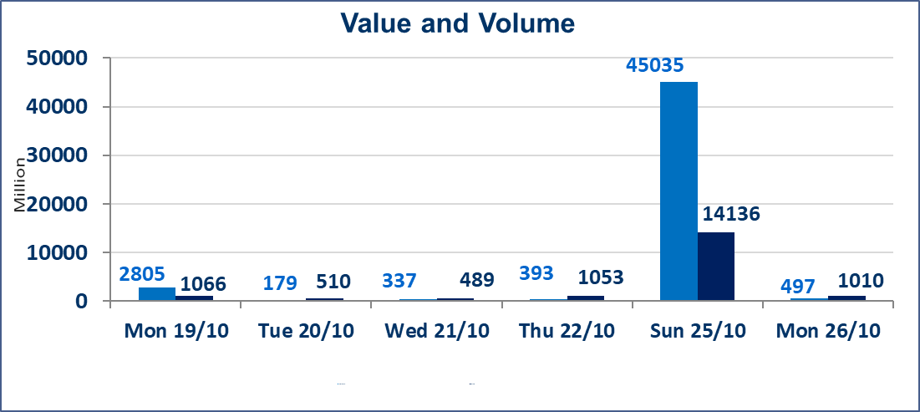
 | ISX Index 60 |  |  | 932.79 | ISX Index 15 |  |  | 1198.12
 | Previous ISX Index60 |  |  | 923.84 | Previous ISX Index15 |  |  | 1174.09
 | Change % |  |  | 0.97 | Change % |  |  | 2.05
 | Change |  |  | 8.95 | Change |  |  | 24.03

 | Listed Companies | 105 | OTC | 28 | Non Traded listed | 48 | OTC | 26
 | Traded Listed Companies | 44 | OTC | 2 | Higher Companies |  |  | 19
 | GAM Companies |  |  | 3 | Lower Companies |  |  | 9
 | Suspended Companies |  |  | 10
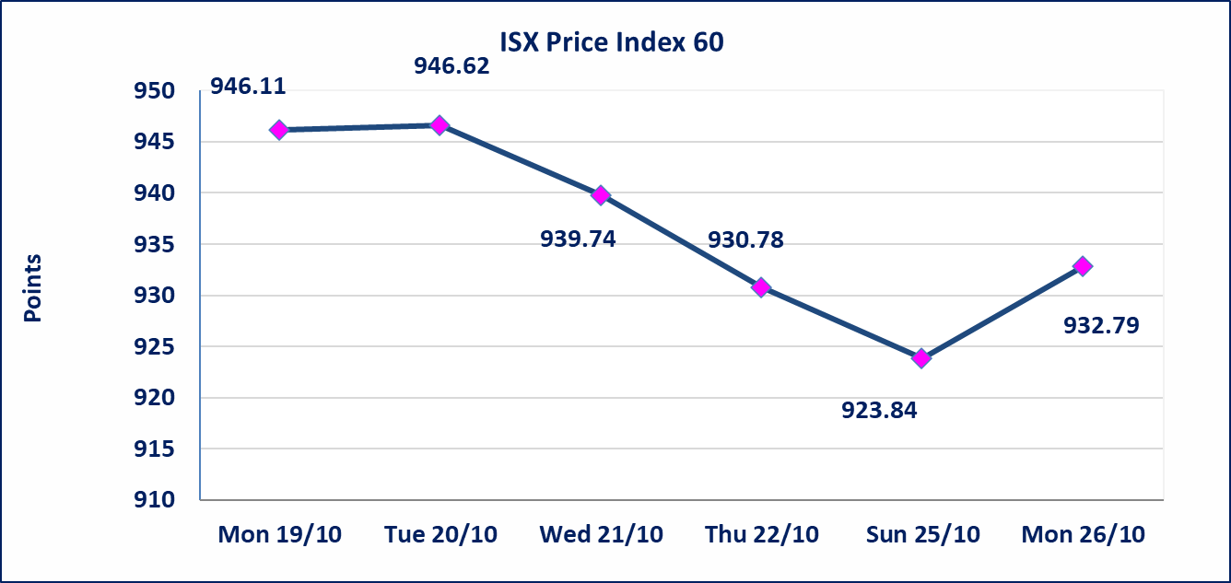
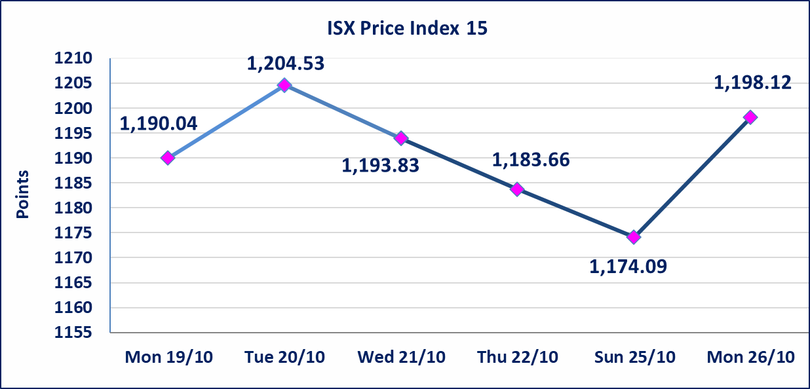

Al-Alwiya P.O . 3607 Mobile: 07711211522 - 07270094594 - 07834000034 E-mail: info-isx@isx-iq.net Web site:www.isx-iq.net

Top 5
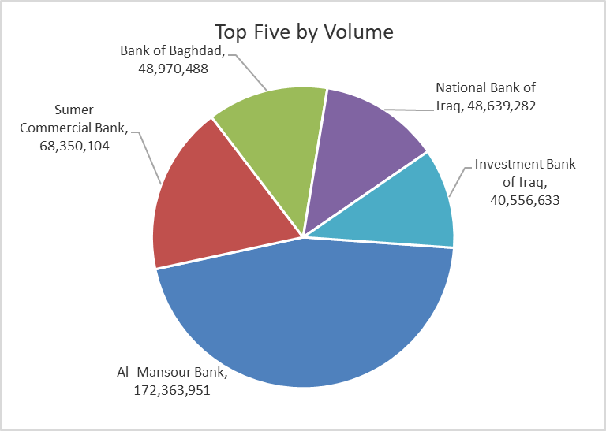
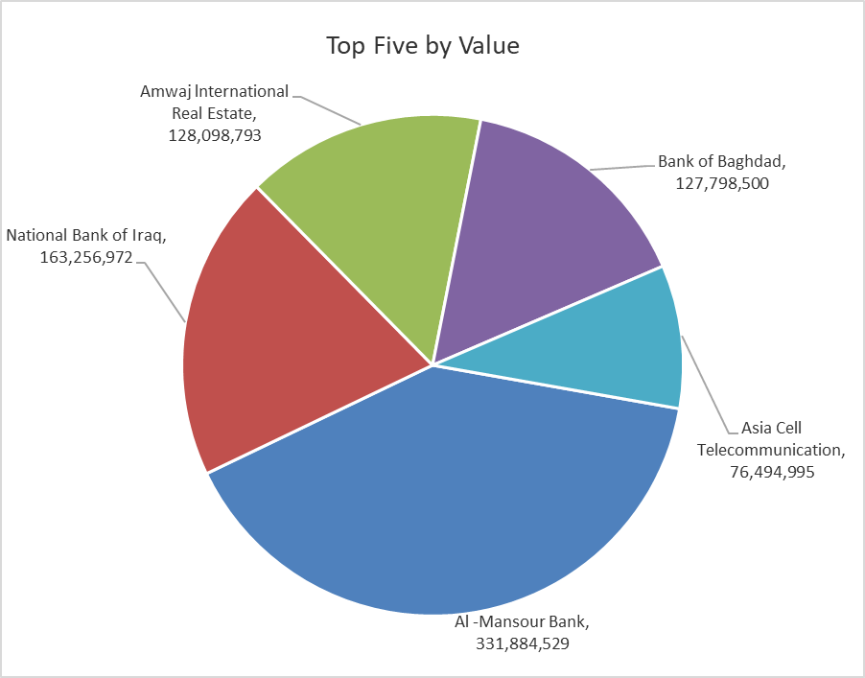
ISX top ganing and losing companies
Monday 26/10/2026
 | Gainers |  |  |  | Losers
 | Company Name | Closing Price | Change (%) | Traded Volume | Company Name | Closing Price | Change (%) | Traded Volume
 | Elaf Islamic Bank | 0.370 | 23.33 | 9,797 | Union Bank of Iraq | 0.120 | -7.69 | 181,250
 | Al-Hamraa for Insurance | 3.300 | 14.98 | 60,456 | International Islamic Bank | 0.150 | -6.25 | 1,111,000
 | Middle East Bank | 0.080 | 14.29 | 27,326,350 | Gulf Commercial Bank | 0.300 | -3.23 | 25,000,000
 | National Bank of Iraq | 3.550 | 7.58 | 48,639,282 | Rehab Karbalaa | 0.350 | -2.78 | 812
 | Kurdistan International Bank | 1.000 | 5.26 | 5,231 | Al-Khatam Telecom | 3.600 | -2.44 | 138,476
 | The most active companies in term of traded volume and value

 | Traded Volume |  |  |  | Traded Value
 | Company Name | Closing Price | Change (%) | Traded Volume | Company Name | Closing Price | Change (%) | Traded Value
 | Al -Mansour Bank | 1.960 | 0.51 | 172,363,951 | Al -Mansour Bank | 1.960 | 0.51
 | Sumer Commercial Bank | 0.200 | 0.00 | 68,350,104 | National Bank of Iraq | 3.550 | 7.58 | 163,256,972
 | Bank of Baghdad | 2.660 | 3.10 | 48,970,488 | Amwaj lnternational Real Estate | 109.000 | - | 128,098,793
 | National Bank of Iraq | 3.550 | 7.58 | 48,639,282 | Bank of Baghdad | 2.660 | 3.10 | 127,798,500
 | Investment Bank of Iraq | 0.360 | 0.00 | 40,556,633 | Asia Cell Telecommunication | 15.290 | 2.76 | 76,494,995

Non Iraqi

Iraq Stock Exchange
Non Iraqis' Bulletin Monday Oct 26 2026
Regular Market

Non Iraqi Trading of Regular Market (Buy)
Company Names | Code | No.of trades | Traded Shares | Trading Volume
Banks Sector
Bank Of Baghdad | BBOB | 5 | 2,000,000 | 5,268,745
Iraqi Middle East Investment Bank | BIME | 6 | 22,214,766 | 1,555,034
Total Bank sector |  | 11 | 24,214,766 | 6,823,779
Grand Total |  | 11 | 24,214,766 | 6,823,779

Non Iraqi Trading of Second Market (BUY)
Company Names | Code | No. of trades | Traded Volume | Traded Value
Banks Sector
Iraq Noor Islamic Bank | BINI | 4 | 1,191,902 | 262,218
Al Janoob Islamic Bank | BJAB | 6 | 30,000 | 28,800
Total Bank sector |  | 10 | 1,221,902 | 291,018
Grand Total |  | 10 | 1,221,902 | 291,018

Non Iraqi Trading of Undisclosed Platform (Sell)
Company Names | Code | No.of trades | Traded Shares | Trading Volume
Banks Sector
Sumer Commerical Bank | BSUC | 51 | 67,436,867 | 13,487,373
Total Bank sector |  | 51 | 67,436,867 | 13,487,373
Grand Total |  | 51 | 67,436,867 | 13,487,373

