Indices

 | Iraq Stock Exchange
 | Bulletin No (166)
 | ISX Trading Indices of Monday 21/9/2026

 | Traded Volume and OTC |  | 903,878,180 |  | Traded Value and OTC |  | 1,175,399,744 |  | Traders | 847

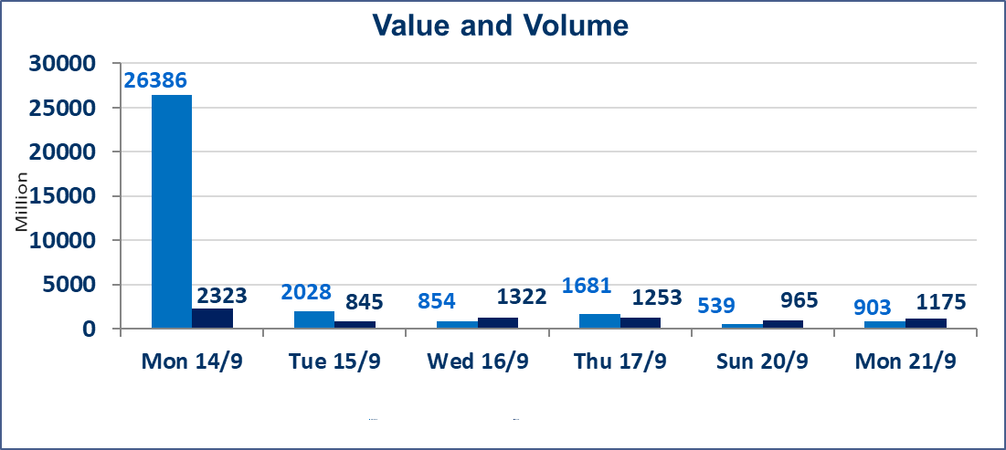
 | ISX Index 60 |  |  | 971.24 | ISX Index 15 |  |  | 1230.54
 | Previous ISX Index60 |  |  | 975.00 | Previous ISX Index15 |  |  | 1238.91
 | Change % |  |  | -0.39 | Change % |  |  | -0.68
 | Change |  |  | -3.76 | Change |  |  | -8.37

 | Listed Companies | 103 | OTC | 22 | Non Traded listed | 39 | OTC | 22
 | Traded Listed Companies | 48 | OTC | 1 | Higher Companies |  |  | 6
 | GAM Companies |  |  | 7 | Lower Companies |  |  | 23
 | Suspended Companies |  |  | 9
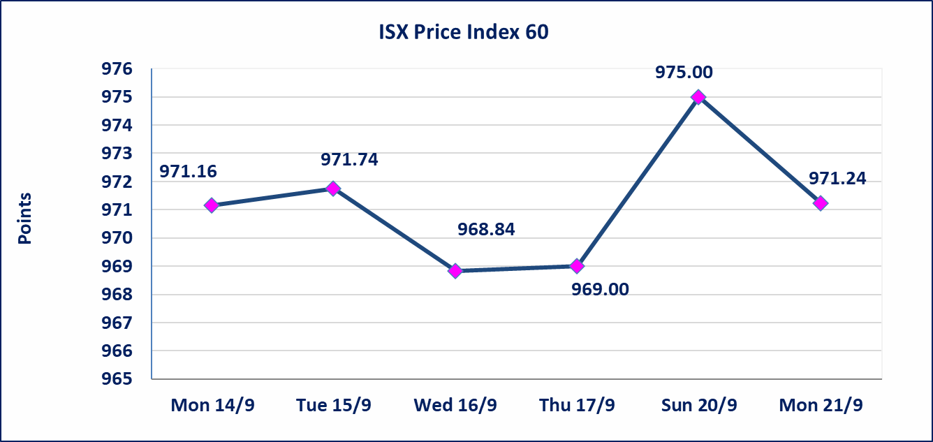
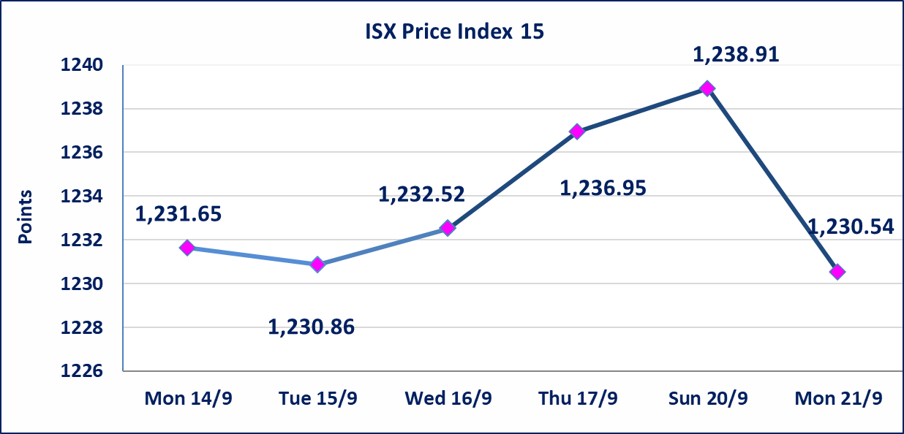

Al-Alwiya P.O . 3607 Mobile: 07711211522 - 07270094594 - 07834000034 E-mail: info-isx@isx-iq.net Web site:www.isx-iq.net

Top 5
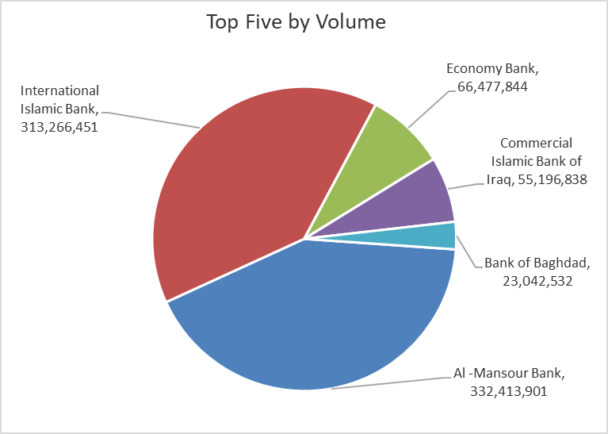
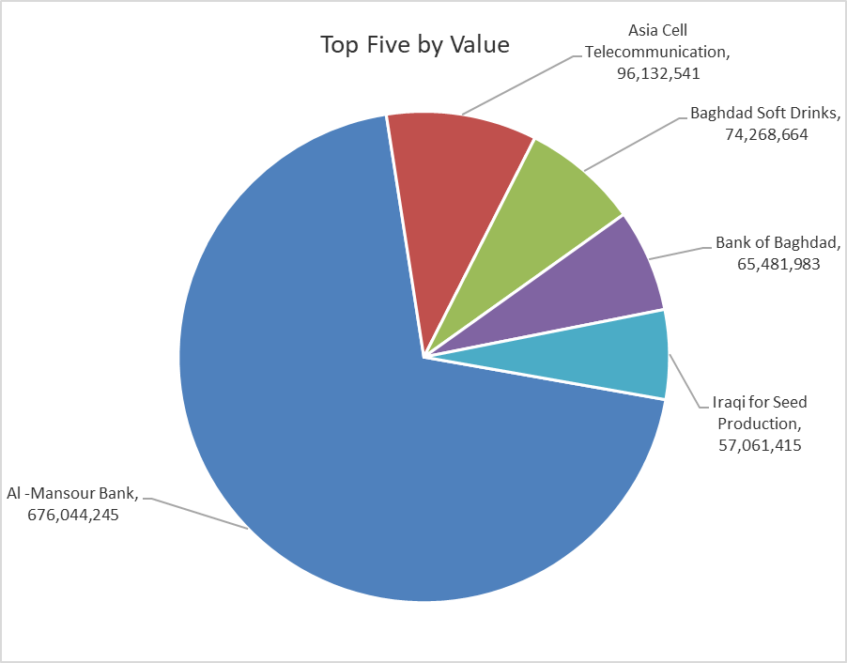
ISX top ganing and losing companies
Monday 21/9/2026
 | Gainers |  |  |  | Losers
 | Company Name | Closing Price | Change (%) | Traded Volume | Company Name | Closing Price | Change (%) | Traded Volume
 | Al-Mosul for funfairs | 8.000 | 23.84 | 3,148,000 | Mamoura Realestate | 2.300 | -9.80 | 4,124,259
 | Mansour Hotel | 60.000 | 8.11 | 116,594 | Iraqi Date Processing and Marketing | 1.950 | -9.72 | 171,520
 | Al-Kindi of Veterinary Vaccines | 2.840 | 5.19 | 238,981 | AL-Nukhba for Construction | 0.630 | -8.70 | 13,555
 | Dar Al-Salam for Insurance | 0.750 | 2.74 | 6,666 | Mosul Bank For Investment | 0.130 | -7.14 | 150,000
 | National for Tourist Investment | 9.900 | 1.02 | 1,010 | Economy Bank | 0.230 | -4.17 | 66,477,844
 | The most active companies in term of traded volume and value

 | Traded Volume |  |  |  | Traded Value
 | Company Name | Closing Price | Change (%) | Traded Volume | Company Name | Closing Price | Change (%) | Traded Value
 | Al -Mansour Bank | 2.030 | -0.98 | 332,413,901 | Al -Mansour Bank | 2.030 | -0.98 | 676,044,245
 | International Islamic Bank | 0.110 | 0.00 | 313,266,451 | Asia Cell Telecommunication | 15.650 | -0.89 | 96,132,541
 | Economy Bank | 0.230 | -4.17 | 66,477,844 | Baghdad Soft Drinks | 6.200 | -0.48 | 74,268,664
 | Commercial Islamic Bank of Iraq | 0.550 | -1.79 | 55,196,838 | Bank of Baghdad | 2.840 | -1.39 | 65,481,983
 | Bank of Baghdad | 2.840 | -1.39 | 23,042,532 | Iraqi for Seed Production | 5.140 | -1.72 | 57,061,415

