Indices

 | Iraq Stock Exchange
 | Bulletin No (157)
 | ISX Trading Indices of Tuesday 8/9/2026

 | Traded Volume and OTC |  | 574,075,556 |  | Traded Value and OTC |  | 1,134,299,423 |  | Traders | 1114
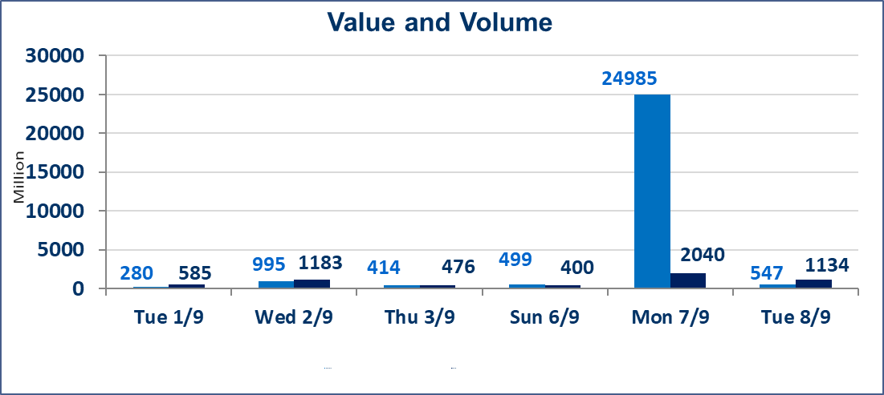
 | ISX Index 60 |  |  | 981.73 | ISX Index 15 |  |  | 1236.88
 | Previous ISX Index60 |  |  | 989.02 | Previous ISX Index15 |  |  | 1241.03
 | Change % |  |  | -0.74 | Change % |  |  | -0.33
 | Change |  |  | -7.29 | Change |  |  | -4.15

 | Listed Companies | 103 | OTC | 22 | Non Traded listed | 47 | OTC | 19
 | Traded Listed Companies | 46 | OTC | 2 | Higher Companies |  |  | 9
 | GAM Companies |  |  | 1 | Lower Companies |  |  | 18
 | Suspended Companies |  |  | 9 | GAM Companies |  |  | 1
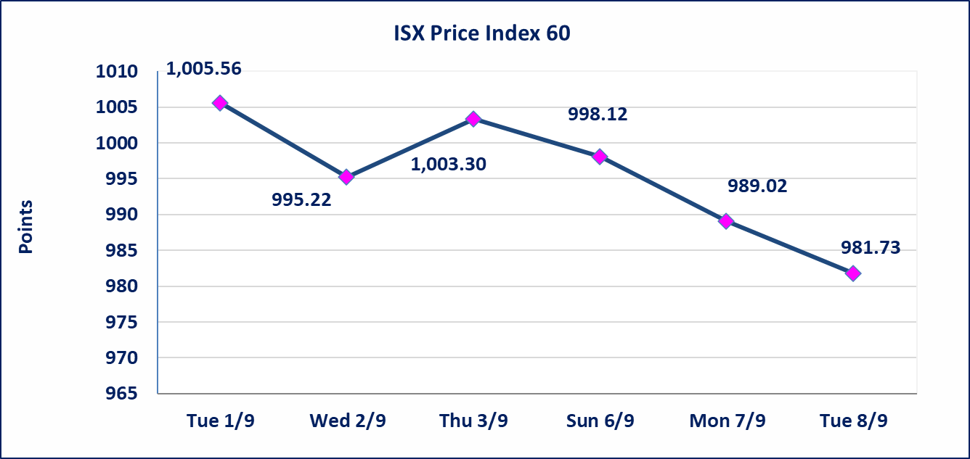
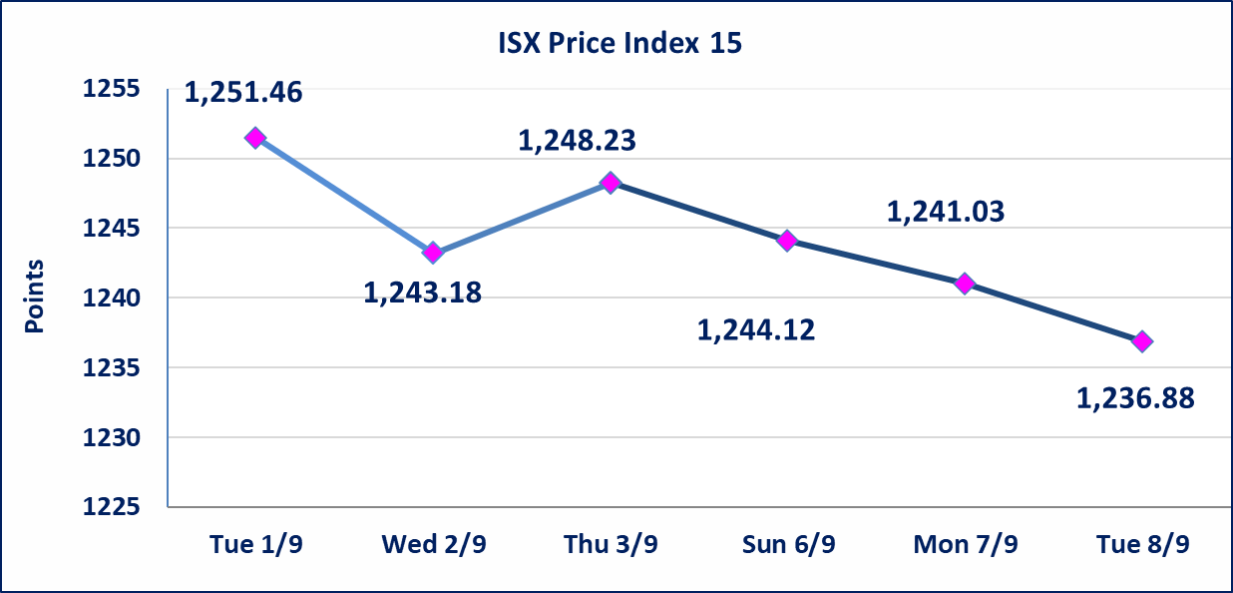

Al-Alwiya P.O . 3607 Mobile: 07711211522 - 07270094594 - 07834000034 E-mail: info-isx@isx-iq.net Web site:www.isx-iq.net

Top 5
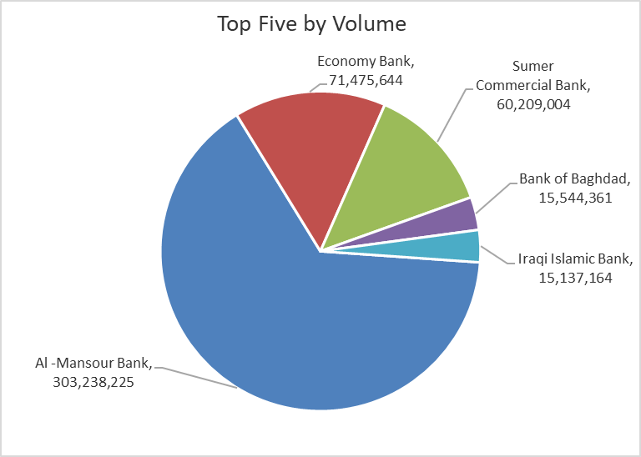
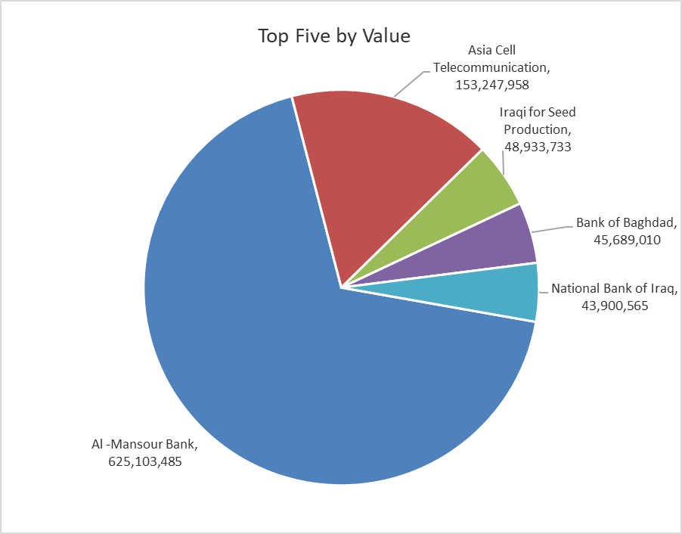
ISX top ganing and losing companies
Tuesday 8/9/2026
 | Gainers |  |  |  | Losers
 | Company Name | Closing Price | Change (%) | Traded Volume | Company Name | Closing Price | Change (%) | Traded Volume
 | Sumer Commercial Bank | 0.220 | 4.76 | 60,209,004 | Middle East Bank | 0.070 | -12.50 | 902,837
 | Al-Sadeer Hotel | 24.000 | 4.35 | 108,000 | International Islamic Bank | 0.120 | -7.69 | 1,225,000
 | Tourist Village of Mosul dam | 13.550 | 4.23 | 11,938 | Mamoura Realestate | 2.350 | -6.00 | 3,587,024
 | Investment Bank of Iraq | 0.400 | 2.56 | 13,058,790 | Middle East for Production- Fish | 5.690 | -5.01 | 8,397
 | Al-Khatam Telecom | 3.800 | 2.15 | 927,264 | Palestine Hotel | 21.000 | -3.89 | 867,011
 | The most active companies in term of traded volume and value

 | Traded Volume |  |  |  | Traded Value
 | Company Name | Closing Price | Change (%) | Traded Volume | Company Name | Closing Price | Change (%) | Traded Value
 | Al -Mansour Bank | 2.080 | -0.95 | 303,238,225 | Al -Mansour Bank | 2.080 | -0.95 | 625,103,485
 | Economy Bank | 0.230 | 0.00 | 71,475,644 | Asia Cell Telecommunication | 15.690 | -0.38 | 153,247,958
 | Sumer Commercial Bank | 0.220 | 4.76 | 60,209,004 | Iraqi for Seed Production | 5.430 | -0.37 | 48,933,733
 | Bank of Baghdad | 2.920 | -1.68 | 15,544,361 | Bank of Baghdad | 2.920 | -1.68 | 45,689,010
 | Iraqi Islamic Bank | 0.960 | -1.03 | 15,137,164 | National Bank of Iraq | 3.820 | 0.00 | 43,900,565

Non Iraqis


