Indices
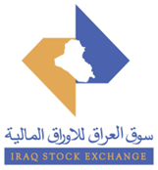
 | Iraq Stock Exchange
 | Bulletin No (178)
 | ISX Trading Indices of Sunday 11/10/2026

 | Traded Volume and OTC |  | 465,474,684 |  | Traded Value and OTC |  | 738,233,267 |  | Traders | 974

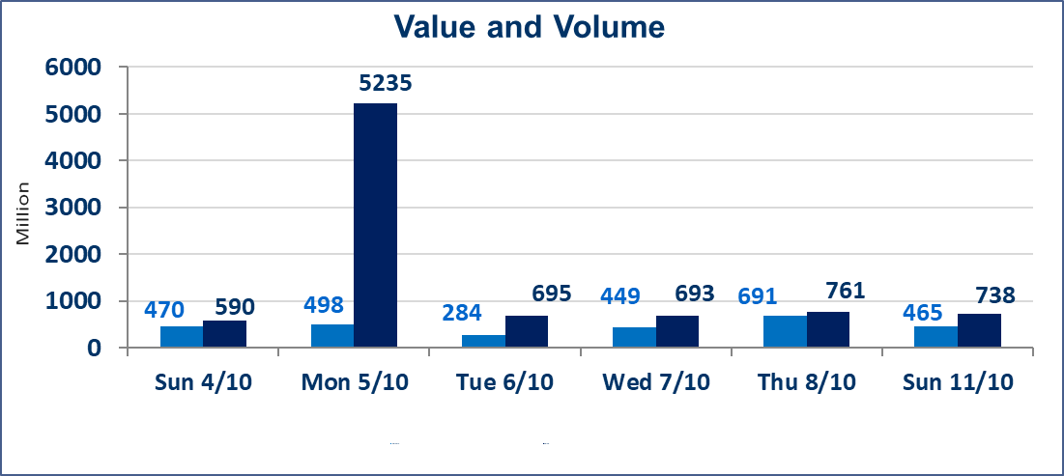
 | ISX Index 60 |  |  | 959.87 | ISX Index 15 |  |  | 1207.33
 | Previous ISX Index60 |  |  | 958.32 | Previous ISX Index15 |  |  | 1200.14
 | Change % |  |  | 0.16 | Change % |  |  | 0.60
 | Change |  |  | 1.55 | Change |  |  | 7.19

 | Listed Companies | 103 | OTC | 25 | Non Traded listed | 44 | OTC | 23
 | Traded Listed Companies | 37 | OTC | 2 | Higher Companies |  |  | 14
 | GAM Companies |  |  | 11 | Lower Companies |  |  | 8
 | Suspended Companies |  |  | 11
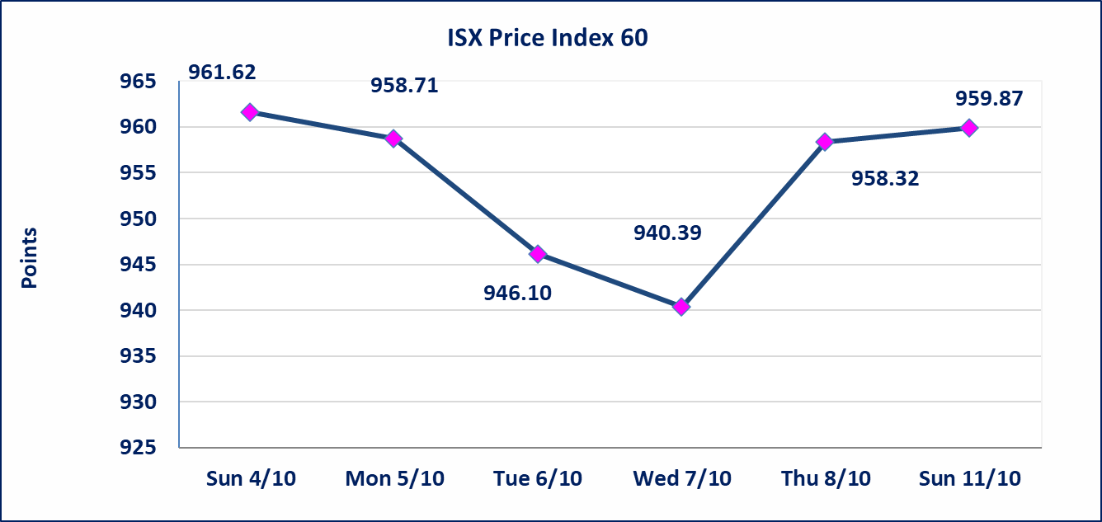
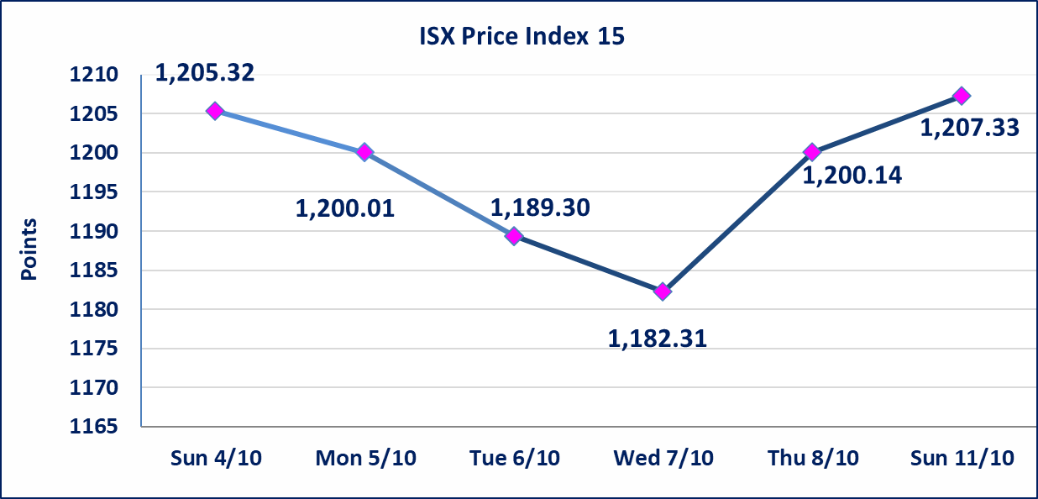

Al-Alwiya P.O . 3607 Mobile: 07711211522 - 07270094594 - 07834000034 E-mail: info-isx@isx-iq.net Web site:www.isx-iq.net

Top 5
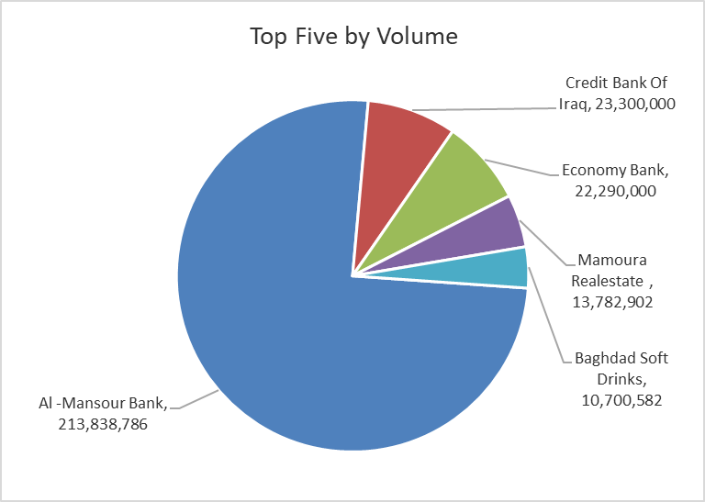
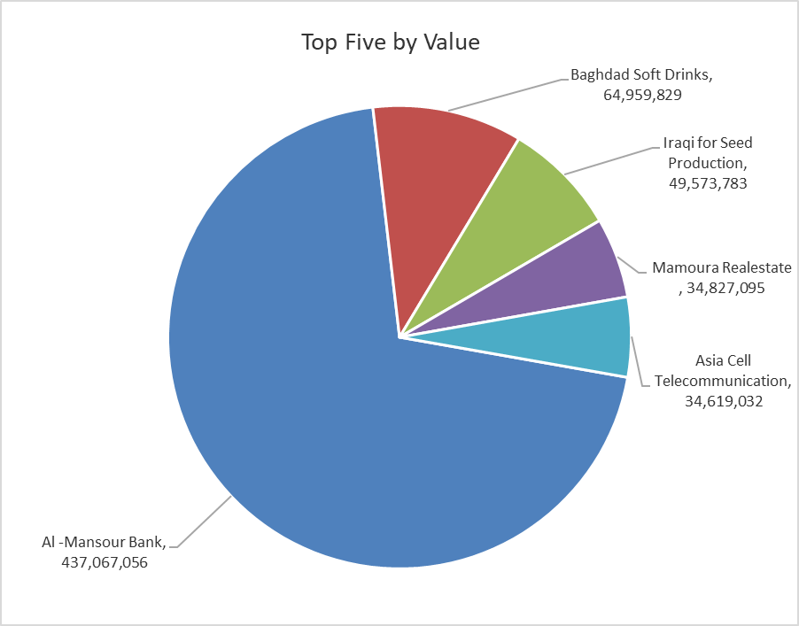
ISX top ganing and losing companies
Sunday 11/10/2026
 | Gainers |  |  |  | Losers
 | Company Name | Closing Price | Change (%) | Traded Volume | Company Name | Closing Price | Change (%) | Traded Volume
 | Economy Bank | 0.220 | 4.76 | 22,290,000 | General Transportation | 1.310 | -2.24 | 600,150
 | Elaf Islamic Bank | 0.300 | 3.45 | 1,003,313 | Al -Khazer Construction Materials | 1.130 | -1.74 | 505,864
 | Ashur International Bank | 0.310 | 3.33 | 667,624 | Al-Kindi of Veterinary Vaccines | 2.850 | -1.72 | 423,091
 | Mamoura Realestate | 2.530 | 3.27 | 13,782,902 | Iraqi Islamic Bank | 0.950 | -1.04 | 6,240,064
 | Iraqi for Seed Production | 5.280 | 2.52 | 9,384,000 | Baghdad Soft Drinks | 6.060 | -0.66 | 10,700,582
 | The most active companies in term of traded volume and value

 | Traded Volume |  |  |  | Traded Value
 | Company Name | Closing Price | Change (%) | Traded Volume | Company Name | Closing Price | Change (%) | Traded Value
 | Al -Mansour Bank | 2.050 | 0.49 | 213,838,786 | Al -Mansour Bank | 2.050 | 0.49 | 437,067,056
 | Credit Bank Of Iraq | 0.480 | 0.00 | 23,300,000 | Baghdad Soft Drinks | 6.060 | -0.66 | 64,959,829
 | Economy Bank | 0.220 | 4.76 | 22,290,000 | Iraqi for Seed Production | 5.280 | 2.52 | 49,573,783
 | Mamoura Realestate | 2.530 | 3.27 | 13,782,902 | Mamoura Realestate | 2.530 | 3.27 | 34,827,095
 | Baghdad Soft Drinks | 6.060 | -0.66 | 10,700,582 | Asia Cell Telecommunication | 15.250 | 2.01 | 34,619,032

Non Iraqi

Iraq Stock Exchange
Non Iraqis' Bulletin Sunday Oct 11 2026
Regular Market

Non Iraqi Trading of Regular Market (Buy)
Company Names | Code | No.of trades | Traded Shares | Trading Volume
Banks Sector
Al-Mansour Bank | BMNS | 39 | 155,000,000 | 317,374,425
Total Bank sector |  | 39 | 155,000,000 | 317,374,425
Telecommunication Sector
Asia cell | TASC | 2 | 73,950 | 1,115,906
Total Telecommunication sector |  | 2 | 73,950 | 1,115,906
Grand Total |  | 41 | 155,073,950 | 318,490,331

Non Iraqi Trading of Regular Market (Sell)
Company Names | Code | No.of trades | Traded Shares | Trading Volume
Banks Sector
Bank Of Baghdad | BBOB | 11 | 1,451,492 | 4,127,722
Gulf Commercial Bank | BGUC | 2 | 1,873,913 | 562,216
Total Bank sector |  | 13 | 3,325,405 | 4,689,938
Grand Total |  | 13 | 3,325,405 | 4,689,938

