Indices

 | Iraq Stock Exchange
 | Bulletin No (175)
 | ISX Trading Indices of Tuesday 6/10/2026

 | Traded Volume and OTC |  | 284,091,433 |  | Traded Value and OTC |  | 695,783,574 |  | Traders | 944

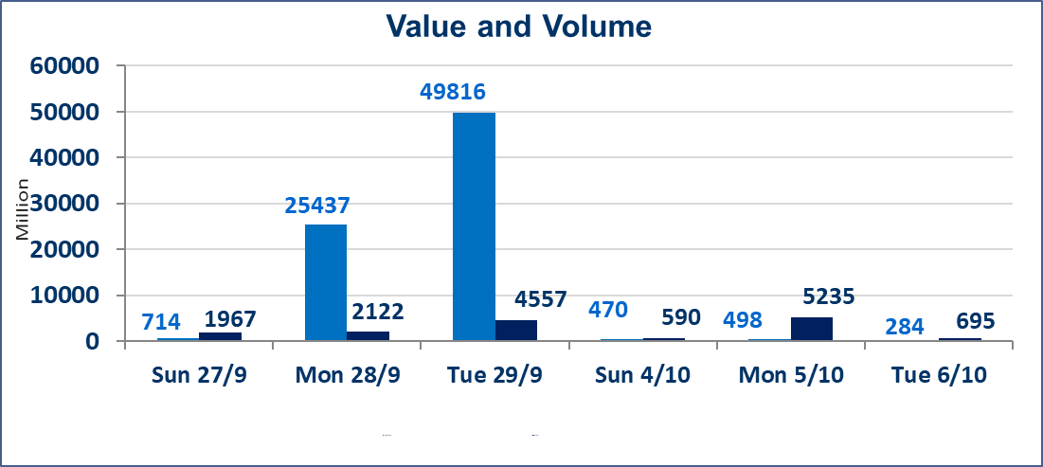
 | ISX Index 60 |  |  | 946.10 | ISX Index 15 |  |  | 1189.30
 | Previous ISX Index60 |  |  | 958.71 | Previous ISX Index15 |  |  | 1200.01
 | Change % |  |  | -1.32 | Change % |  |  | -0.89
 | Change |  |  | -12.61 | Change |  |  | -10.71

 | Listed Companies | 103 | OTC | 25 | Non Traded listed | 39 | OTC | 21
 | Traded Listed Companies | 42 | OTC | 3 | Higher Companies |  |  | 3
 | GAM Companies |  |  | 11 | Lower Companies |  |  | 26
 | Suspended Companies |  |  | 11 | GAM Companies |  |  | 1
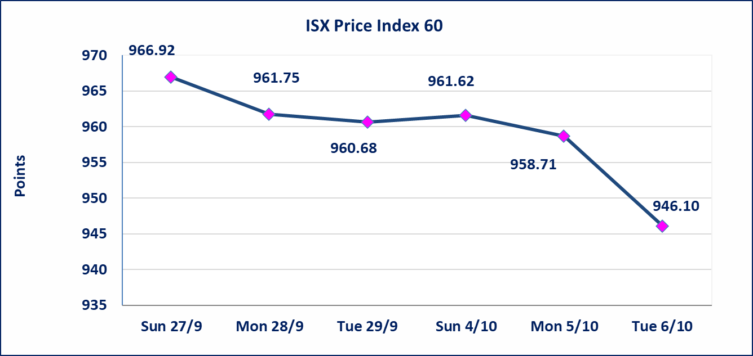
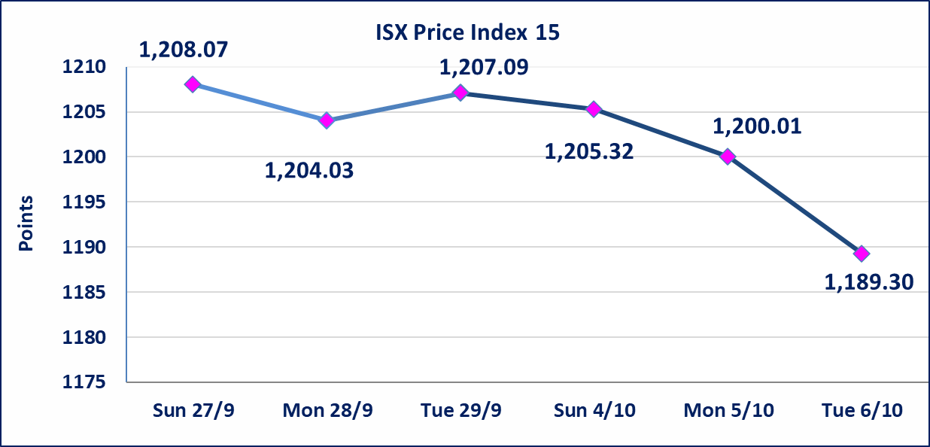

Al-Alwiya P.O . 3607 Mobile: 07711211522 - 07270094594 - 07834000034 E-mail: info-isx@isx-iq.net Web site:www.isx-iq.net

Top 5
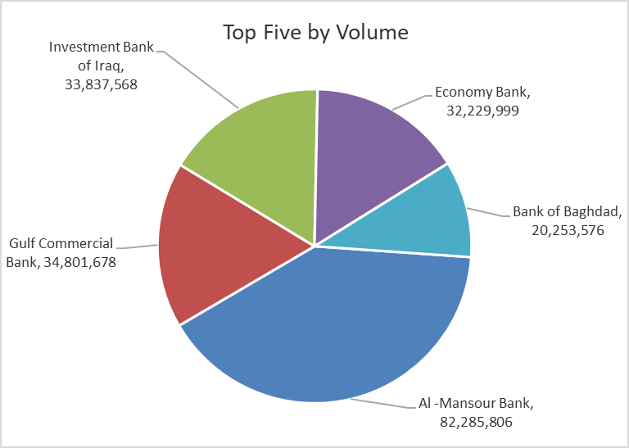
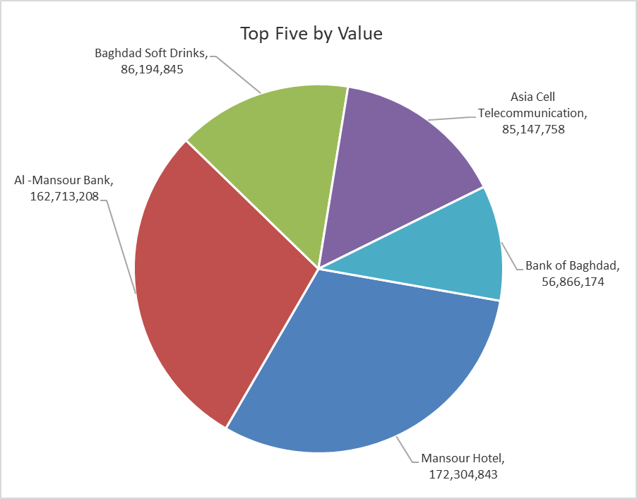
ISX top ganing and losing companies
Tuesday 6/10/2026
 | Gainers |  |  |  | Losers
 | Company Name | Closing Price | Change (%) | Traded Volume | Company Name | Closing Price | Change (%) | Traded Volume
 | Al-Hilal Industries | 1.450 | 3.57 | 4,801,000 | Elaf Islamic Bank | 0.270 | -10.00 | 300,000
 | National Chemical &Plastic | 1.850 | 2.78 | 1,349,038 | Union Bank of Iraq | 0.150 | -6.25 | 305,000
 | Ishtar Hotels | 9.150 | 0.44 | 273,858 | Iraqi For Tufted Carpets | 19.000 | -5.00 | 2,936
 |  |  |  |  | Electronic Industry | 1.330 | -5.00 | 623,838
 |  |  |  |  | Al-Ameen for Insurance | 0.800 | -4.76 | 1,000,819
 | The most active companies in term of traded volume and value

 | Traded Volume |  |  |  | Traded Value
 | Company Name | Closing Price | Change (%) | Traded Volume | Company Name | Closing Price | Change (%) | Traded Value
 | Al -Mansour Bank | 1.980 | -1.00 | 82,285,806 | Mansour Hotel | 58.000 | -3.33 | 172,304,843
 | Gulf Commercial Bank | 0.300 | -3.23 | 34,801,678 | Al -Mansour Bank | 1.980 | -1.00 | 162,713,208
 | Investment Bank of Iraq | 0.400 | 0.00 | 33,837,568 | Baghdad Soft Drinks | 6.000 | -1.64 | 86,194,845
 | Economy Bank | 0.220 | 0.00 | 32,229,999 | Asia Cell Telecommunication | 14.850 | -0.67 | 85,147,758
 | Bank of Baghdad | 2.800 | -0.71 | 20,253,576 | Bank of Baghdad | 2.800 | -0.71 | 56,866,174

Non Iraqi

Iraq Stock Exchange
Non Iraqis' Bulletin Tuesday Oct 6 2026
Regular Market

Non Iraqi Trading of Regular Market (Buy)
Company Names | Code | No.of trades | Traded Shares | Trading Volume
Banks Sector
Al-Mansour Bank | BMNS | 2 | 9,590,000 | 18,988,200
Total Bank sector |  | 2 | 9,590,000 | 18,988,200
Industry Sector
Al -HiLal Industries | IHLI | 4 | 4,801,000 | 6,952,128
Total Industry sector |  | 4 | 4,801,000 | 6,952,128
Telecommunication Sector
Asia cell | TASC | 1 | 58,000 | 864,200
Total Telecommunication sector |  | 1 | 58,000 | 864,200
Grand Total |  | 7 | 14,449,000 | 26,804,528

Non Iraqi Trading of Regular Market (Sell)
Company Names | Code | No.of trades | Traded Shares | Trading Volume
Banks Sector
National Bank Of Iraq | BNOI | 8 | 500,000 | 1,825,000
Al-Mansour Bank | BMNS | 2 | 39,479 | 78,958
Economy Bank | BEFI | 1 | 233,983 | 51,476
Total Bank sector |  | 11 | 773,462 | 1,955,434
Services Sector
AL-Nukhba for Construction | SNUC | 1 | 4,000 | 2,280
Karbala Hotels | HKAR | 3 | 175,000 | 70,000
Total Services sector |  | 4 | 179,000 | 72,280
Telecommunication Sector
Asia cell | TASC | 70 | 4,771,683 | 70,863,071
Total Telecommunication sector |  | 70 | 4,771,683 | 70,863,071
Grand Total |  | 85 | 5,724,145 | 72,890,785

