Indices

 | Iraq Stock Exchange
 | Bulletin No (182)
 | ISX Trading Indices of Thursday 15/10/2026

 | Traded Volume and OTC |  | 309,239,089 |  | Traded Value and OTC |  | 364,897,439 |  | Traders | 646
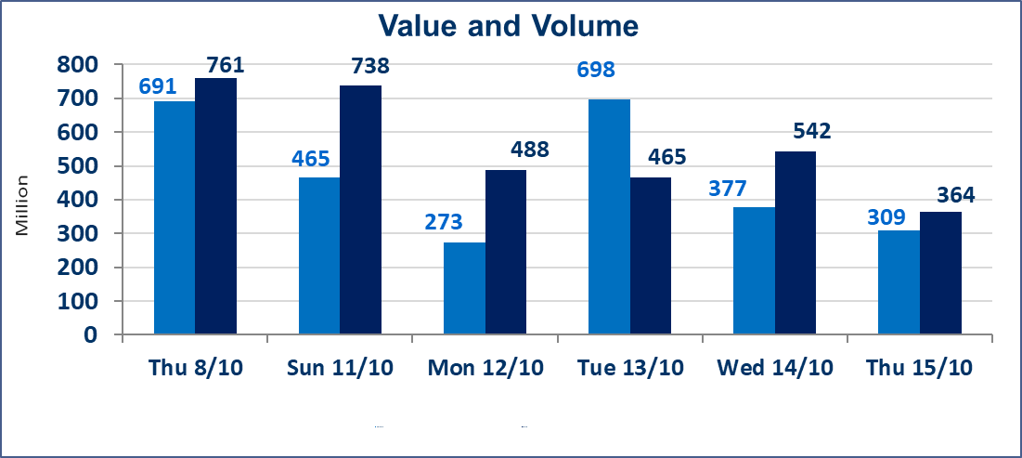
 | ISX Index 60 |  |  | 943.54 | ISX Index 15 |  |  | 1178.21
 | Previous ISX Index60 |  |  | 945.37 | Previous ISX Index15 |  |  | 1180.32
 | Change % |  |  | -0.19 | Change % |  |  | -0.18
 | Change |  |  | -1.83 | Change |  |  | -2.11

 | Listed Companies | 104 | OTC | 27 | Non Traded listed | 41 | OTC | 24
 | Traded Listed Companies | 43 | OTC | 3 | Higher Companies |  |  | 9
 | GAM Companies |  |  | 9 | Lower Companies |  |  | 16
 | Suspended Companies |  |  | 11
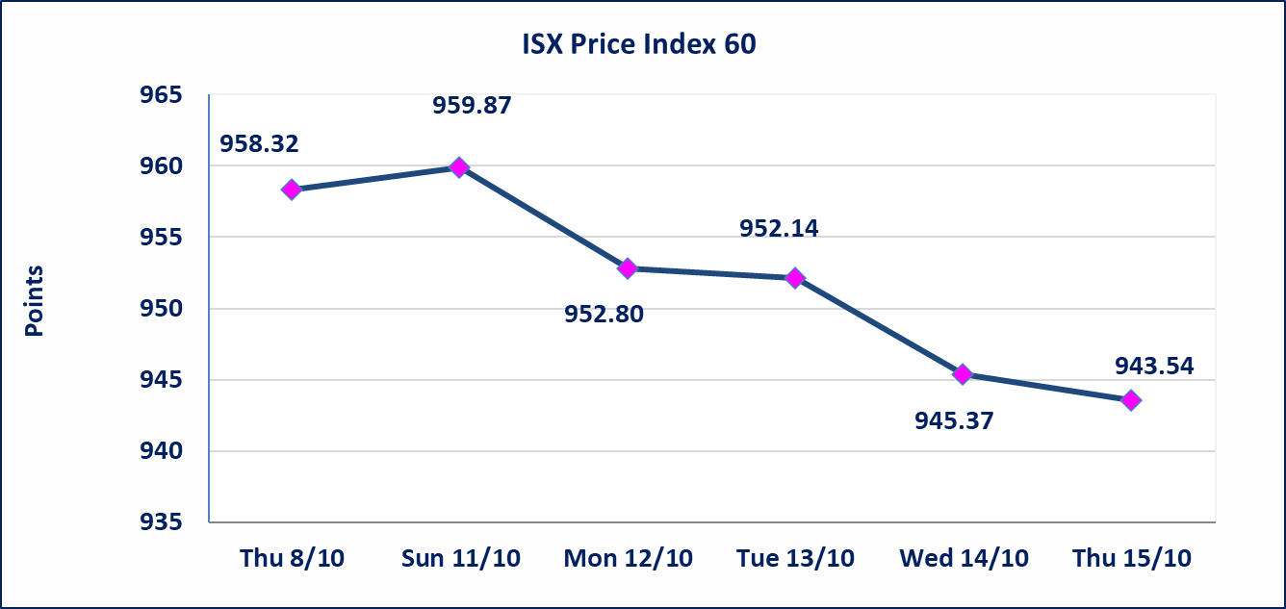
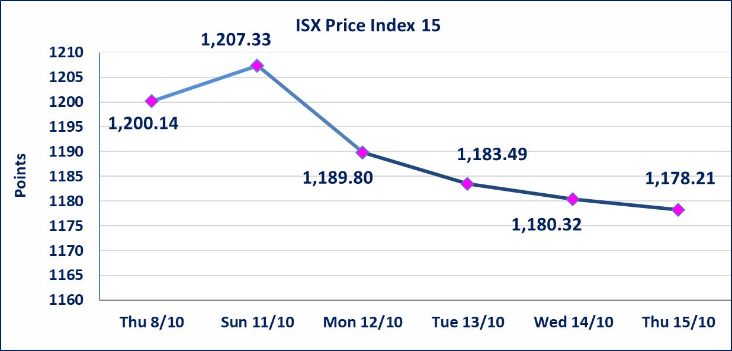

Al-Alwiya P.O . 3607 Mobile: 07711211522 - 07270094594 - 07834000034 E-mail: info-isx@isx-iq.net Web site:www.isx-iq.net

Top 5
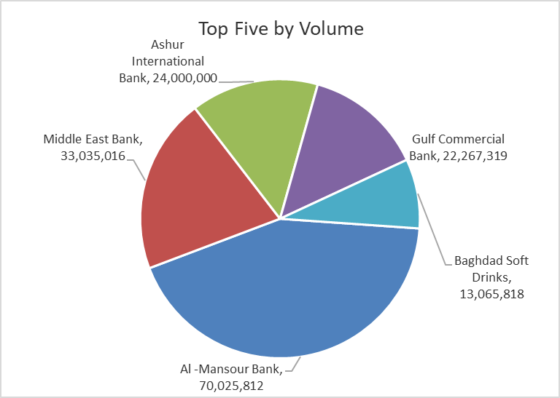
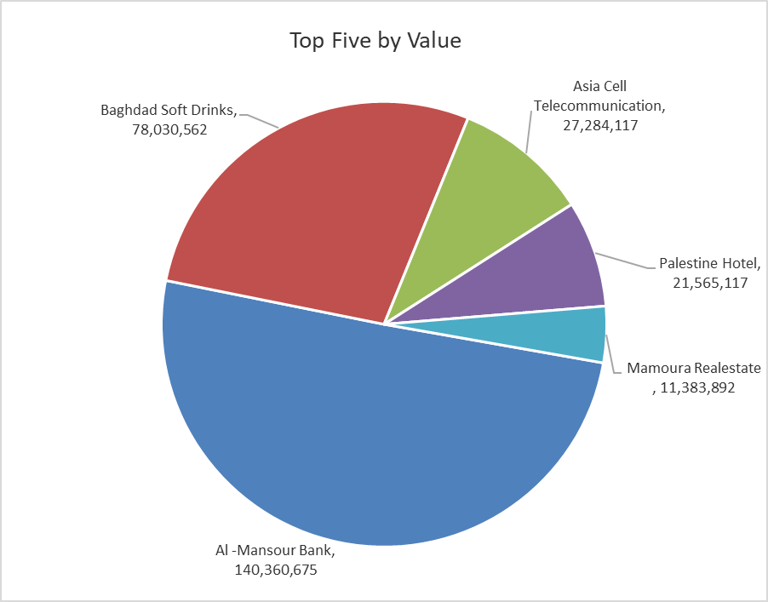
ISX top ganing and losing companies
Thursday 15/10/2026
 | Gainers |  |  |  | Losers
 | Company Name | Closing Price | Change (%) | Traded Volume | Company Name | Closing Price | Change (%) | Traded Volume
 | Gulf Insurance | 0.650 | 8.33 | 5,000 | Al-Ataa Islamic Bank | 0.060 | -14.29 | 300,000
 | Mamoura Realestate | 2.360 | 3.51 | 4,949,242 | Modern Sewing | 6.060 | -8.18 | 382,212
 | Modern for Animal Production | 0.350 | 2.94 | 3,411 | Alahliya For Insurance | 0.700 | -6.67 | 1,022,436
 | Al-Khatam Telecom | 3.700 | 2.49 | 320,778 | General Transportation | 1.250 | -4.58 | 2,201
 | Commercial Islamic Bank of Iraq | 0.530 | 1.92 | 1,979,162 | Palestine Hotel | 19.000 | -2.56 | 1,128,158
 | The most active companies in term of traded volume and value

 | Traded Volume |  |  |  | Traded Value
 | Company Name | Closing Price | Change (%) | Traded Volume | Company Name | Closing Price | Change (%) | Traded Value
 | Al -Mansour Bank | 2.020 | 0.50 | 70,025,812 | Al -Mansour Bank | 2.020 | 0.50 | 140,360,675
 | Middle East Bank | 0.060 | 0.00 | 33,035,016 | Baghdad Soft Drinks | 5.980 | -0.99 | 78,030,562
 | Ashur International Bank | 0.300 | 0.00 | 24,000,000 | Asia Cell Telecommunication | 15.170 | 0.07 | 27,284,117
 | Gulf Commercial Bank | 0.300 | 0.00 | 22,267,319 | Palestine Hotel | 19.000 | -2.56 | 21,565,117
 | Baghdad Soft Drinks | 5.980 | -0.99 | 13,065,818 | Mamoura Realestate | 2.360 | 3.51 | 11,383,892

Non Iraqi
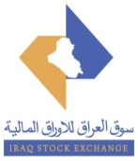
Iraq Stock Exchange
Non Iraqis' Bulletin Thursday Oct 15 2026
Regular Market

Non Iraqi Trading of Regular Market (Buy)
Company Names | Code | No.of trades | Traded Shares | Trading Volume
Banks Sector
Investment Bank of Iraq | BIBI | 1 | 794,958 | 310,034
Total Bank sector |  | 1 | 794,958 | 310,034
Grand Total |  | 1 | 794,958 | 310,034

