Indices

 | Iraq Stock Exchange
 | Bulletin No (179)
 | ISX Trading Indices of Monday 12/10/2026

 | Traded Volume and OTC |  | 273,751,380 |  | Traded Value and OTC |  | 488,568,660 |  | Traders | 758

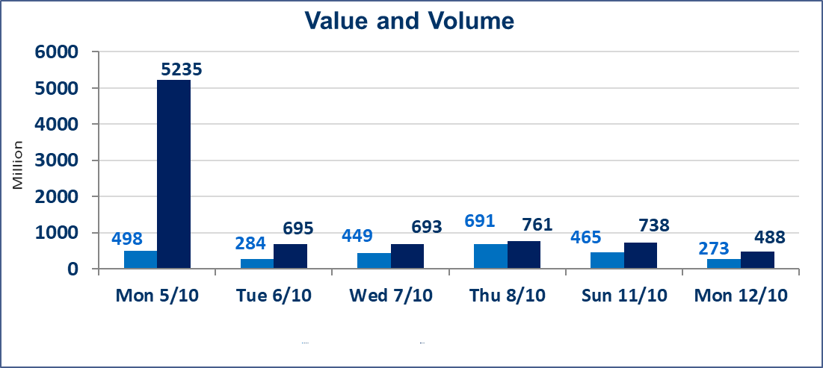
 | ISX Index 60 |  |  | 952.80 | ISX Index 15 |  |  | 1189.80
 | Previous ISX Index60 |  |  | 959.87 | Previous ISX Index15 |  |  | 1207.33
 | Change % |  |  | -0.74 | Change % |  |  | -1.45
 | Change |  |  | -7.07 | Change |  |  | -17.53

 | Listed Companies | 103 | OTC | 25 | Non Traded listed | 41 | OTC | 23
 | Traded Listed Companies | 39 | OTC | 2 | Higher Companies |  |  | 9
 | GAM Companies |  |  | 12 | Lower Companies |  |  | 15
 | Suspended Companies |  |  | 11
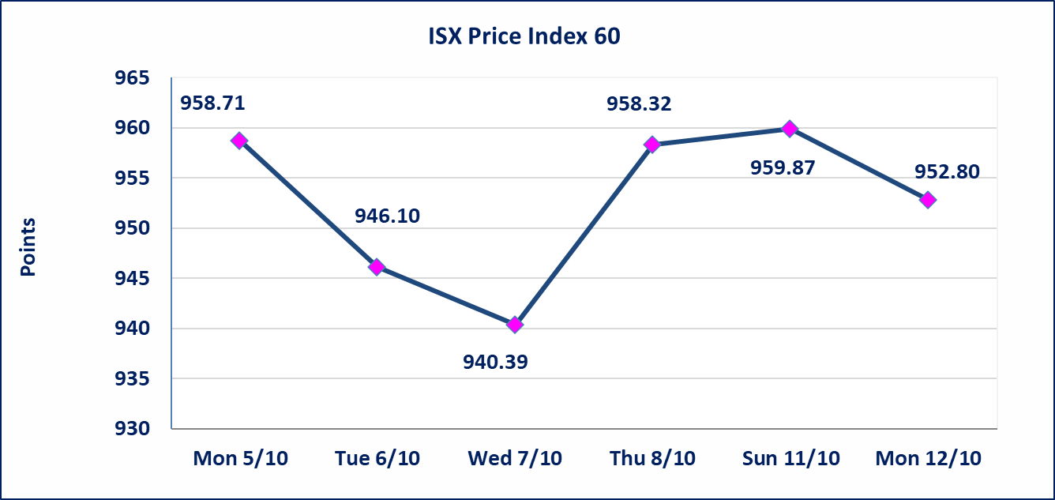
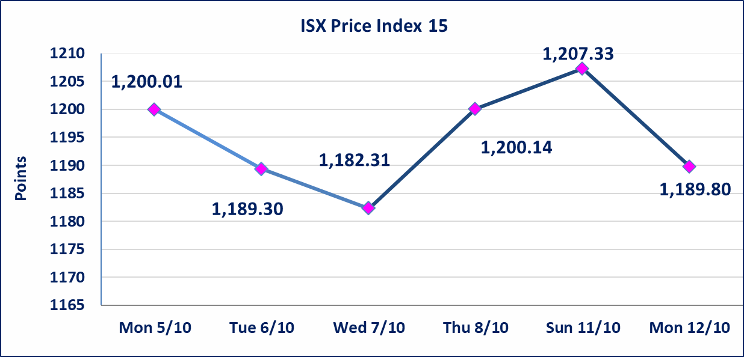

Al-Alwiya P.O . 3607 Mobile: 07711211522 - 07270094594 - 07834000034 E-mail: info-isx@isx-iq.net Web site:www.isx-iq.net

Top 5
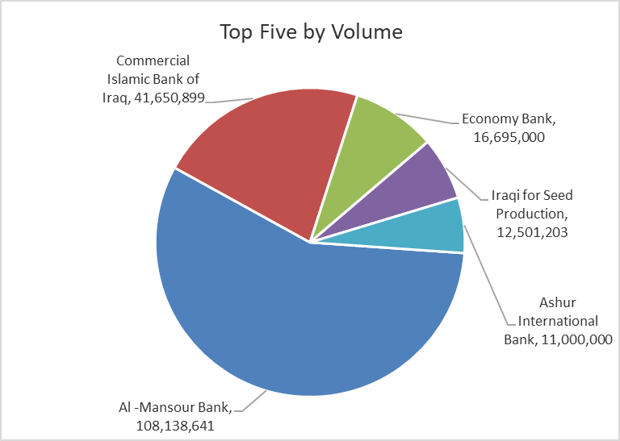
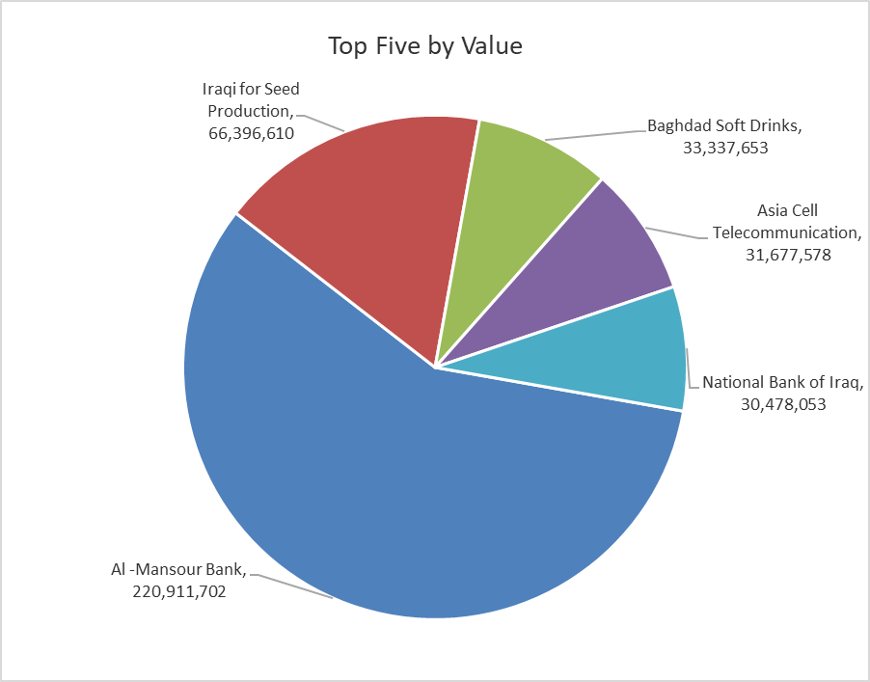
ISX top ganing and losing companies
Monday 12/10/2026
 | Gainers |  |  |  | Losers
 | Company Name | Closing Price | Change (%) | Traded Volume | Company Name | Closing Price | Change (%) | Traded Volume
 | AL-Nukhba for Construction | 0.570 | 7.55 | 100,000 | Gulf Insurance | 0.600 | -9.09 | 54,000
 | Iraqi Carton Manufactories | 1.580 | 4.64 | 859,940 | National Furniture Industries | 1.000 | -8.26 | 341,000
 | Babil Animal & Vegetable Production | 7.850 | 3.29 | 8,000 | Babylon Hotel | 100.000 | -7.41 | 10,370
 | Credit Bank Of Iraq | 0.490 | 2.08 | 3,308,747 | Mamoura Realestate | 2.400 | -5.14 | 4,571,727
 | Iraqi for Seed Production | 5.390 | 2.08 | 12,501,203 | Investment Bank of Iraq | 0.370 | -5.13 | 4,800
 | The most active companies in term of traded volume and value

 | Traded Volume |  |  |  | Traded Value
 | Company Name | Closing Price | Change (%) | Traded Volume | Company Name | Closing Price | Change (%) | Traded Value
 | Al -Mansour Bank | 2.050 | 0.00 | 108,138,641 | Al -Mansour Bank | 2.050 | 0.00 | 220,911,702
 | Commercial Islamic Bank of Iraq | 0.520 | -1.89 | 41,650,899 | Iraqi for Seed Production | 5.390 | 2.08 | 66,396,610
 | Economy Bank | 0.220 | 0.00 | 16,695,000 | Baghdad Soft Drinks | 6.060 | 0.00 | 33,337,653
 | Iraqi for Seed Production | 5.390 | 2.08 | 12,501,203 | Asia Cell Telecommunication | 15.350 | 0.66 | 31,677,578
 | Ashur International Bank | 0.300 | -3.23 | 11,000,000 | National Bank of Iraq | 3.650 | -0.82 | 30,478,053

Non Iraqi

Iraq Stock Exchange
Non Iraqis' Bulletin Monday Oct 12 2026
Regular Market

Non Iraqi Trading of Regular Market (Buy)
Company Names | Code | No.of trades | Traded Shares | Trading Volume
Banks Sector
National Bank Of Iraq | BNOI | 6 | 1,280,390 | 4,737,443
Total Bank sector |  | 6 | 1,280,390 | 4,737,443
Grand Total |  | 6 | 1,280,390 | 4,737,443

Non Iraqi Trading of Regular Market (Sell)
Company Names | Code | No.of trades | Traded Shares | Trading Volume
Banks Sector
Investment Bank of Iraq | BIBI | 1 | 4,800 | 1,776
Gulf Commercial Bank | BGUC | 1 | 171,599 | 51,480
Total Bank sector |  | 2 | 176,399 | 53,256
Industry Sector
Iraqi Engineering Works | IIEW | 1 | 20,000 | 96,000
Total Industry sector |  | 1 | 20,000 | 96,000
Hotel Sector
Babylon Hotel | HBAY | 6 | 10,370 | 1,037,000
Total Hotel Sector |  | 6 | 10,370 | 1,037,000
Telecommunication Sector
Al-Khatem Telecoms | TZNI | 2 | 30,767 | 112,915
Total Telecommunication sector |  | 2 | 30,767 | 112,915
Grand Total |  | 11 | 237,536 | 1,299,171

Non Iraqi Trading of Second Market (Sell)
Company Names | Code | No.of trades | Traded Shares | Trading Volume
Banks Sector
Credit Bank Of Iraq | BROI | 6 | 1,162,486 | 546,368
Total Bank sector |  | 6 | 1,162,486 | 546,368
Grand Total |  | 6 | 1,162,486 | 546,368

Non Iraqi Trading of Undisclosed Platform (Sell)
Company Names | Code | No.of trades | Traded Shares | Trading Volume
Industry Sector
Iraqi Carton Manufacturies | IICM | 2 | 509,940 | 764,910
Total Industry sector |  | 2 | 509,940 | 764,910
Grand Total |  | 2 | 509,940 | 764,910

