Indices

 | Iraq Stock Exchange
 | Bulletin No (177)
 | ISX Trading Indices of Thursday 8/10/2026

 | Traded Volume and OTC |  | 691,526,831 |  | Traded Value and OTC |  | 761,657,404 |  | Traders | 786
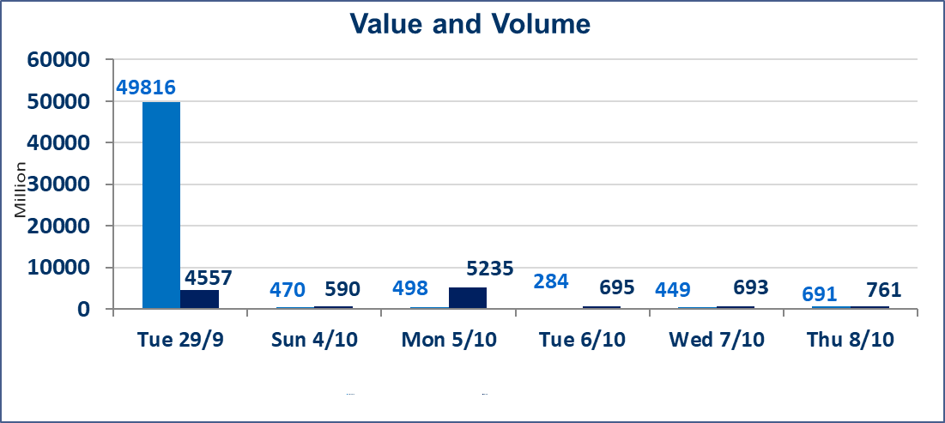
 | ISX Index 60 |  |  | 958.32 | ISX Index 15 |  |  | 1200.14
 | Previous ISX Index60 |  |  | 940.39 | Previous ISX Index15 |  |  | 1182.31
 | Change % |  |  | 1.91 | Change % |  |  | 1.51
 | Change |  |  | 17.93 | Change |  |  | 17.83

 | Listed Companies | 103 | OTC | 25 | Non Traded listed | 38 | OTC | 22
 | Traded Listed Companies | 42 | OTC | 3 | Higher Companies |  |  | 19
 | GAM Companies |  |  | 12 | Lower Companies |  |  | 9
 | Suspended Companies |  |  | 11
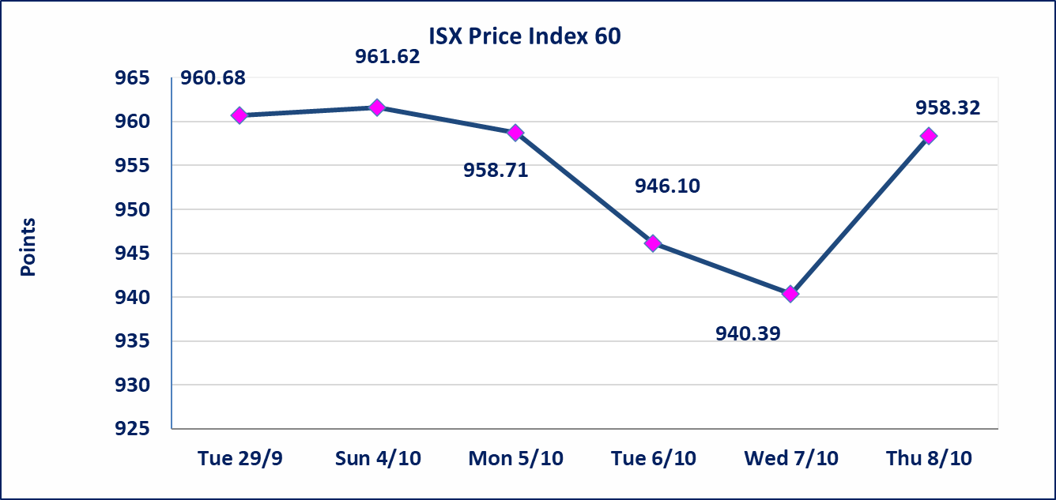
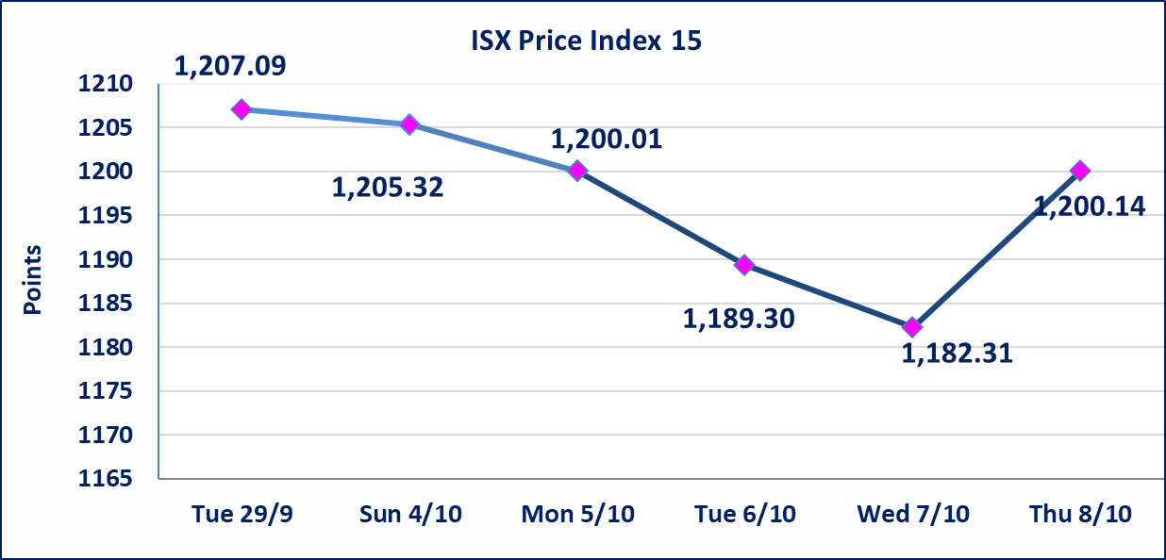

Al-Alwiya P.O . 3607 Mobile: 07711211522 - 07270094594 - 07834000034 E-mail: info-isx@isx-iq.net Web site:www.isx-iq.net

Top 5
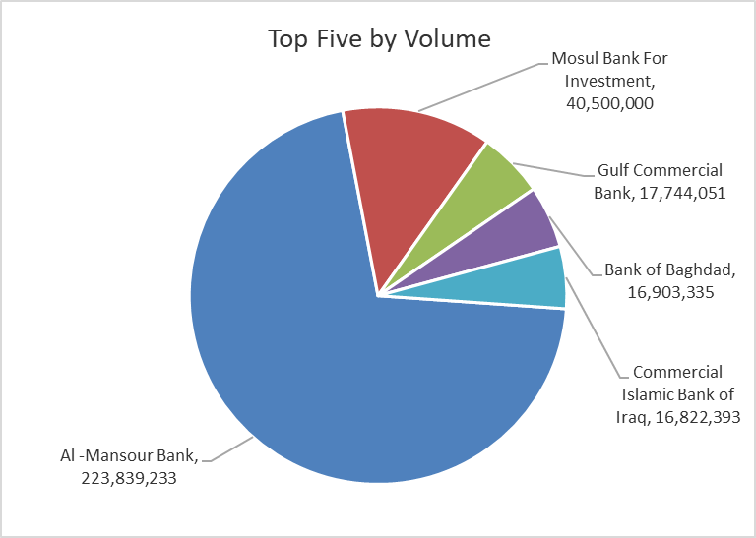
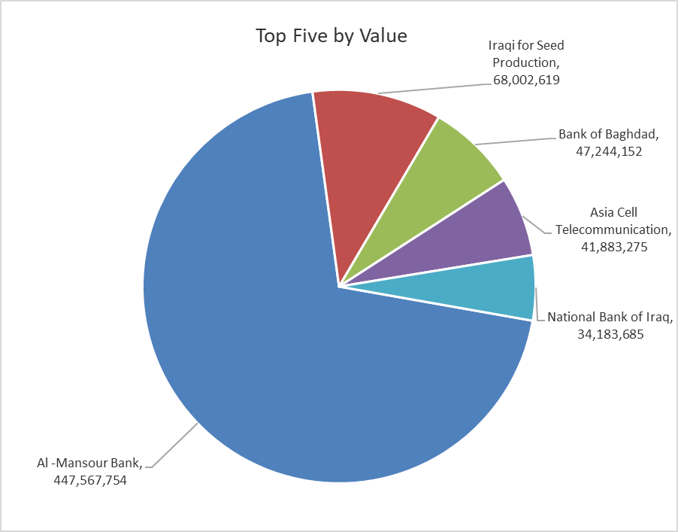
ISX top ganing and losing companies
Thursday 8/10/2026
 | Gainers |  |  |  | Losers
 | Company Name | Closing Price | Change (%) | Traded Volume | Company Name | Closing Price | Change (%) | Traded Volume
 | Mamoura Realestate | 2.450 | 10.36 | 5,755,342 | Al-Mosul for funfairs | 8.420 | -9.95 | 120
 | Mosul Bank For Investment | 0.130 | 8.33 | 40,500,000 | National Furniture Industries | 1.090 | -9.92 | 998,000
 | Elaf Islamic Bank | 0.290 | 7.41 | 251,000 | AL-Nukhba for Construction | 0.520 | -8.77 | 187,327
 | Iraqi for Seed Production | 5.150 | 4.89 | 13,317,787 | Dar Al-Salam for Insurance | 0.650 | -7.14 | 1,000,000
 | Al -Khazer Construction Materials | 1.150 | 4.55 | 450,397 | Iraqi Carton Manufactories | 1.520 | -5.00 | 111,352
 | The most active companies in term of traded volume and value

 | Traded Volume |  |  |  | Traded Value
 | Company Name | Closing Price | Change (%) | Traded Volume | Company Name | Closing Price | Change (%) | Traded Value
 | Al -Mansour Bank | 2.040 | 4.08 | 223,839,233 | Al -Mansour Bank | 2.040 | 4.08 | 447,567,754
 | Mosul Bank For Investment | 0.130 | 8.33 | 40,500,000 | Iraqi for Seed Production | 5.150 | 4.89 | 68,002,619
 | Gulf Commercial Bank | 0.310 | 3.33 | 17,744,051 | Bank of Baghdad | 2.800 | 1.08 | 47,244,152
 | Bank of Baghdad | 2.800 | 1.08 | 16,903,335 | Asia Cell Telecommunication | 14.950 | 1.36 | 41,883,275
 | Commercial Islamic Bank of Iraq | 0.520 | -1.89 | 16,822,393 | National Bank of Iraq | 3.700 | 2.78 | 34,183,685

Non Iraqi

Iraq Stock Exchange
Non Iraqis' Bulletin Thursday Oct 8 2026
Regular Market

Non Iraqi Trading of Regular Market (Buy)
Company Names | Code | No.of trades | Traded Shares | Trading Volume
Banks Sector
Bank Of Baghdad | BBOB | 2 | 26,914 | 74,552
National Bank Of Iraq | BNOI | 4 | 25,358 | 91,289
Al-Mansour Bank | BMNS | 28 | 75,000,000 | 151,770,625
Total Bank sector |  | 34 | 75,052,272 | 151,936,466
Industry Sector
AL- Kindi of Veterinary Vaccines | IKLV | 5 | 218,472 | 630,945
Total Industry sector |  | 5 | 218,472 | 630,945
Telecommunication Sector
Asia cell | TASC | 5 | 662,991 | 9,871,936
Total Telecommunication sector |  | 5 | 662,991 | 9,871,936
Grand Total |  | 44 | 75,933,735 | 162,439,347

Non Iraqi Trading of Regular Market (Sell)
Company Names | Code | No.of trades | Traded Shares | Trading Volume
Banks Sector
Al-Mansour Bank | BMNS | 1 | 70,000,000 | 137,900,000
Total Bank sector |  | 1 | 70,000,000 | 137,900,000
Services Sector
AL-Nukhba for Construction | SNUC | 2 | 187,327 | 97,410
Total Services sector |  | 2 | 187,327 | 97,410
Grand Total |  | 3 | 70,187,327 | 137,997,410

Non Iraqi Trading of Undisclosed Platform (Sell)
Company Names | Code | No.of trades | Traded Shares | Trading Volume
Industry Sector
National Chemical &Plastic Industries | INCP | 1 | 326,065 | 593,438
Iraqi Carton Manufacturies | IICM | 2 | 100,101 | 152,154
Total Industry sector |  | 3 | 426,166 | 745,592
Grand Total |  | 3 | 426,166 | 745,592

