Indices

 | Iraq Stock Exchange
 | Bulletin No (186)
 | ISX Trading Indices of Wednesday 21/10/2026

 | Traded Volume and OTC |  | 337,696,016 |  | Traded Value and OTC |  | 489,921,237 |  | Traders | 1054
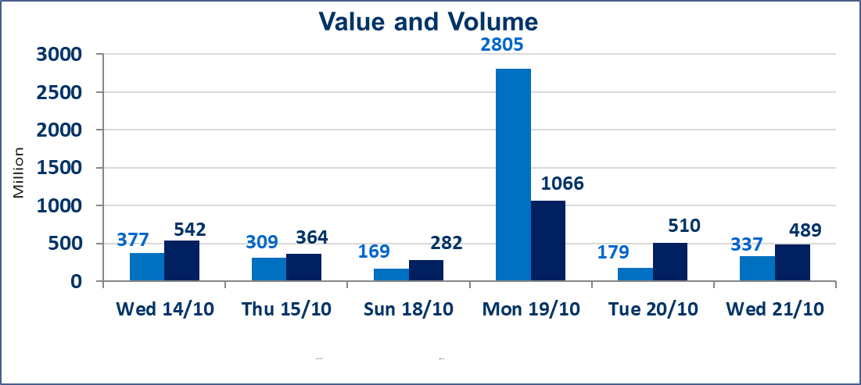
 | ISX Index 60 |  |  | 939.74 | ISX Index 15 |  |  | 1193.83
 | Previous ISX Index60 |  |  | 946.62 | Previous ISX Index15 |  |  | 1204.53
 | Change % |  |  | -0.73 | Change % |  |  | -0.89
 | Change |  |  | -6.88 | Change |  |  | -10.70

 | Listed Companies | 104 | OTC | 28 | Non Traded listed | 41 | OTC | 25
 | Traded Listed Companies | 48 | OTC | 3 | Higher Companies |  |  | 7
 | GAM Companies |  |  | 5 | Lower Companies |  |  | 22
 | Suspended Companies |  |  | 10
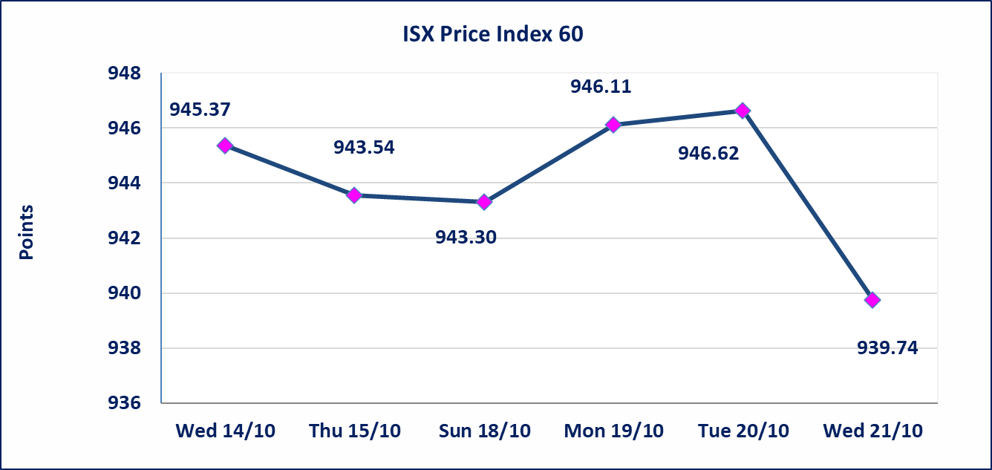
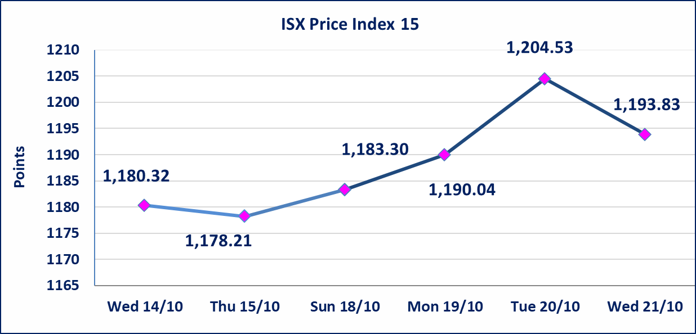

Al-Alwiya P.O . 3607 Mobile: 07711211522 - 07270094594 - 07834000034 E-mail: info-isx@isx-iq.net Web site:www.isx-iq.net

Top 5
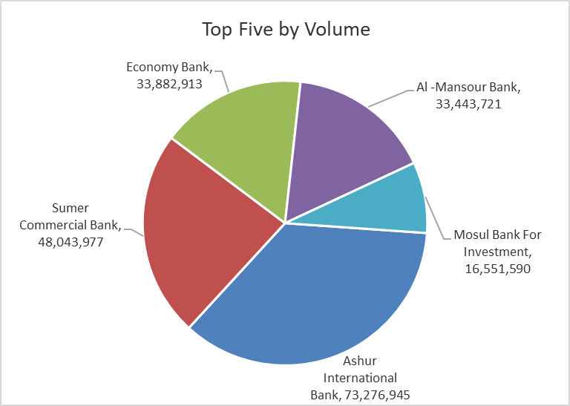
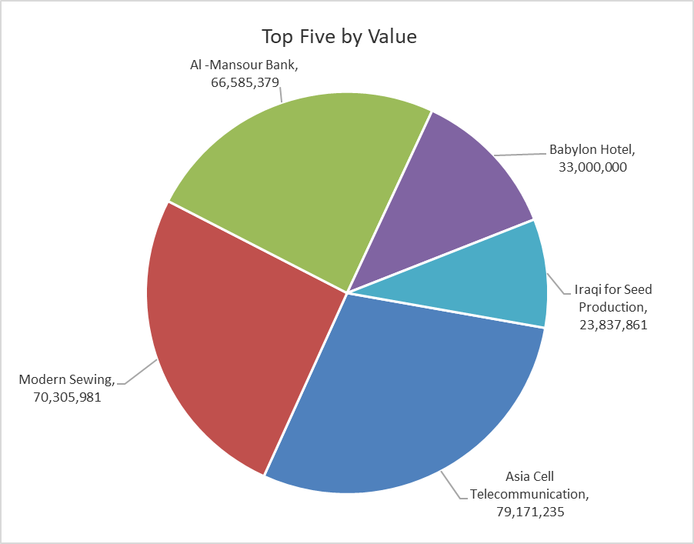
ISX top ganing and losing companies
Wednesday 21/10/2026
 | Gainers |  |  |  | Losers
 | Company Name | Closing Price | Change (%) | Traded Volume | Company Name | Closing Price | Change (%) | Traded Volume
 | International Islamic Bank | 0.140 | 7.69 | 1,101,086 | Al-Mosul for funfairs | 7.580 | -9.98 | 1,000
 | Babil Animal & Vegetable Production | 8.400 | 5.00 | 67,422 | Agricultural Products Meat | 4.250 | -5.56 | 4,520
 | AL-Badia for General Trans | 1.360 | 4.62 | 172,000 | Iraqi Carton Manufactories | 1.520 | -5.00 | 2,522,085
 | Electronic Industry | 1.300 | 3.17 | 2,198 | Al-Hamraa for Insurance | 2.880 | -4.00 | 132,767
 | National Chemical &Plastic | 1.860 | 0.54 | 400,000 | Ashur International Bank | 0.290 | -3.33 | 73,276,945
 | The most active companies in term of traded volume and value

 | Traded Volume |  |  |  | Traded Value
 | Company Name | Closing Price | Change (%) | Traded Volume | Company Name | Closing Price | Change (%) | Traded Value
 | Ashur International Bank | 0.290 | -3.33 | 73,276,945 | Asia Cell Telecommunication | 15.150 | -1.62 | 79,171,235
 | Sumer Commercial Bank | 0.210 | 0.00 | 48,043,977 | Modern Sewing | 6.000 | -3.23 | 70,305,981
 | Economy Bank | 0.220 | 0.00 | 33,882,913 | Al -Mansour Bank | 1.990 | -0.50 | 66,585,379
 | Al -Mansour Bank | 1.990 | -0.50 | 33,443,721 | Babylon Hotel | 110.000 | 0.00 | 33,000,000
 | Mosul Bank For Investment | 0.120 | 0.00 | 16,551,590 | Iraqi for Seed Production | 5.200 | -0.76 | 23,837,861

Non Iraqi

Iraq Stock Exchange
Non Iraqis' Bulletin Wednesday Oct 21 2026
Regular Market

Non Iraqi Trading of Regular Market (Buy)
Company Names | Code | No.of trades | Traded Shares | Trading Volume
Banks Sector
Bank Of Baghdad | BBOB | 8 | 200,000 | 542,000
Iraqi Islamic Bank | BIIB | 5 | 3,000,000 | 2,760,000
Economy Bank | BEFI | 1 | 2,500,000 | 525,000
Total Bank sector |  | 14 | 5,700,000 | 3,827,000
Grand Total |  | 14 | 5,700,000 | 3,827,000

Non Iraqi Trading of Second Market (BUY)
Company Names | Code | No. of trades | Traded Volume | Traded Value
Banks Sector
Credit Bank Of Iraq | BROI | 2 | 2,432,986 | 1,119,174
Total Bank sector |  | 2 | 2,432,986 | 1,119,174
Grand Total |  | 2 | 2,432,986 | 1,119,174

