Indices
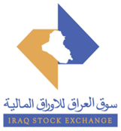
 | Iraq Stock Exchange
 | Bulletin No (184)
 | ISX Trading Indices of Monday 19/10/2026

 | Traded Volume and OTC |  | 2,805,256,334 |  | Traded Value and OTC |  | 1,066,695,024 |  | Traders | 930
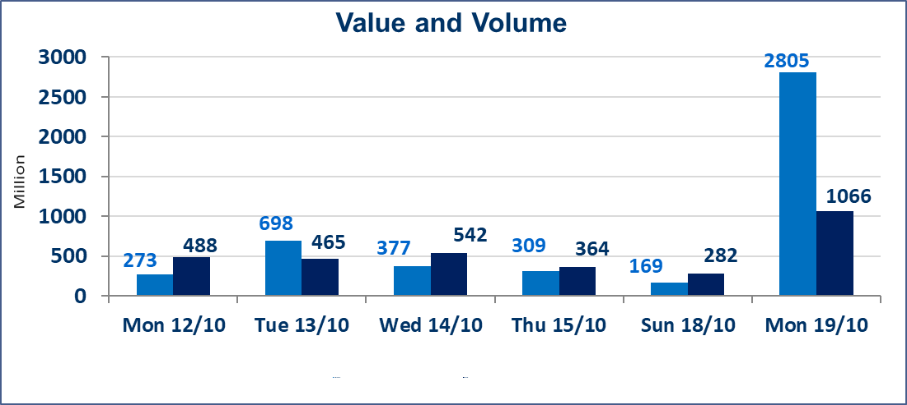
 | ISX Index 60 |  |  | 946.11 | ISX Index 15 |  |  | 1190.04
 | Previous ISX Index60 |  |  | 943.30 | Previous ISX Index15 |  |  | 1183.30
 | Change % |  |  | 0.30 | Change % |  |  | 0.57
 | Change |  |  | 2.81 | Change |  |  | 6.74

 | Listed Companies | 104 | OTC | 28 | Non Traded listed | 44 | OTC | 23
 | Traded Listed Companies | 43 | OTC | 5 | Higher Companies |  |  | 10
 | GAM Companies |  |  | 7 | Lower Companies |  |  | 14
 | Suspended Companies |  |  | 10

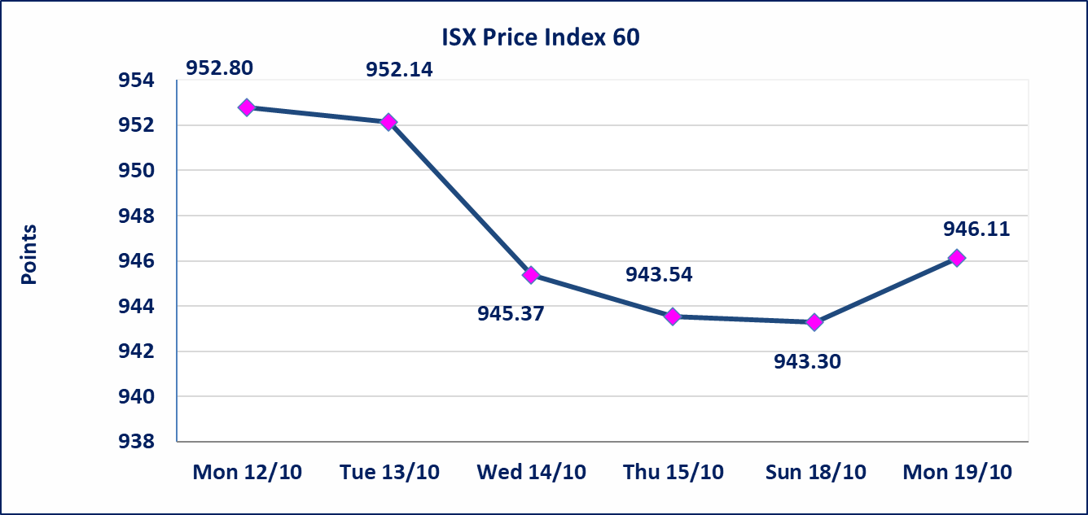
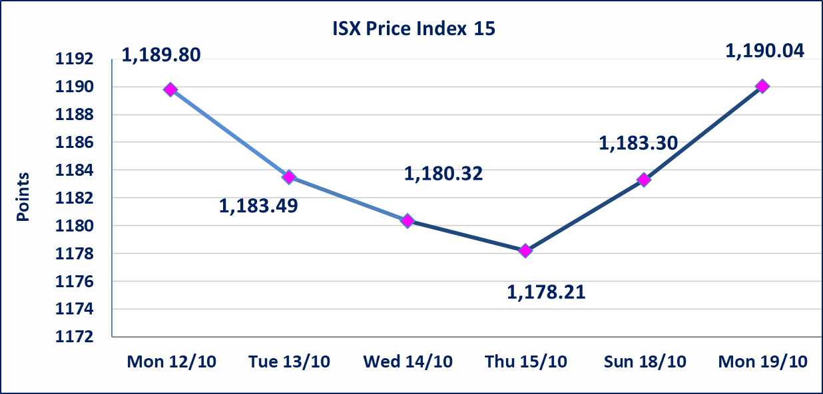

Al-Alwiya P.O . 3607 Mobile: 07711211522 - 07270094594 - 07834000034 E-mail: info-isx@isx-iq.net Web site:www.isx-iq.net

Top 5
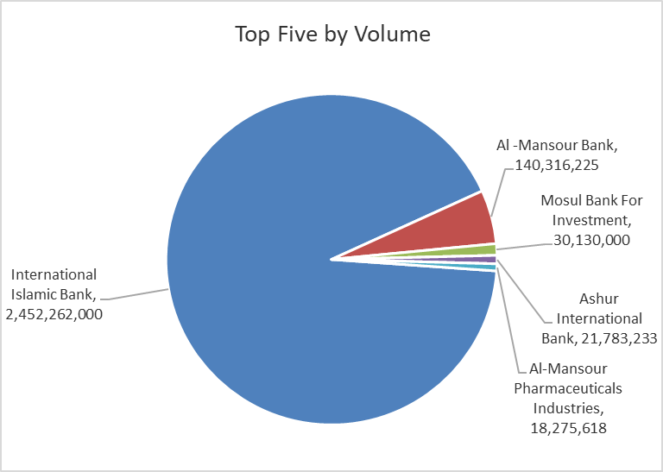
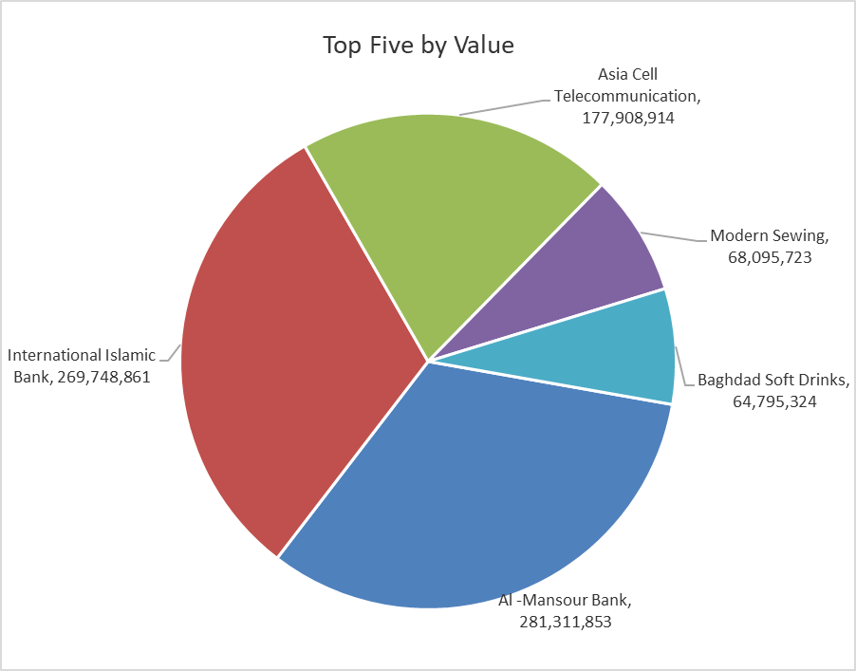
ISX top ganing and losing companies
Monday 19/10/2026
 | Gainers |  |  |  | Losers
 | Company Name | Closing Price | Change (%) | Traded Volume | Company Name | Closing Price | Change (%) | Traded Volume
 | Gulf Commercial Bank | 0.300 | 3.45 | 10,372,934 | Al-Hamraa for Insurance | 3.150 | -10.00 | 1,877,362
 | Iraqi For Tufted Carpets | 19.000 | 2.70 | 139,864 | International Islamic Bank | 0.110 | -8.33 | 2,452,262,000
 | Credit Bank Of Iraq | 0.470 | 2.17 | 7,959,131 | Alahliya For Insurance | 0.650 | -7.14 | 2,070,500
 | Baghdad Soft Drinks | 6.150 | 1.99 | 10,597,197 | Dar Al-Salam for Insurance | 0.660 | -4.35 | 1,000,000
 | Baghdad -Iraq Transportation | 18.500 | 1.65 | 102,036 | Al-Kindi of Veterinary Vaccines | 2.750 | -3.51 | 541,869
 | The most active companies in term of traded volume and value

 | Traded Volume |  |  |  | Traded Value
 | Company Name | Closing Price | Change (%) | Traded Volume | Company Name | Closing Price | Change (%) | Traded Value
 | International Islamic Bank | 0.110 | -8.33 | 2,452,262,000 | Al -Mansour Bank | 2.000 | 0.00 | 281,311,853
 | Al -Mansour Bank | 2.000 | 0.00 | 140,316,225 | International Islamic Bank | 0.110 | -8.33 | 269,748,861
 | Mosul Bank For Investment | 0.120 | 0.00 | 30,130,000 | Asia Cell Telecommunication | 15.540 | 0.91 | 177,908,914
 | Ashur International Bank | 0.290 | -3.33 | 21,783,233 | Modern Sewing | 6.060 | 0.00 | 68,095,723
 | Al-Mansour Pharmaceuticals Industries | 2.250 | -0.44 | 18,275,618 | Baghdad Soft Drinks | 6.150 | 1.99 | 64,795,324

Non Iraqi

Iraq Stock Exchange
Non Iraqis' Bulletin Monday Oct 19 2026
Regular Market

Non Iraqi Trading of Regular Market (Buy)
Company Names | Code | No.of trades | Traded Shares | Trading Volume

Bank Of Baghdad | BBOB | 1 | 100,000 | 280,000
National Bank Of Iraq | BNOI | 1 | 100,000 | 354,000
Al-Mansour Bank | BMNS | 2 | 202,527 | 407,079
Total Bank sector |  | 4 | 402,527 | 1,041,079
Industry Sector
Al-Mansour Pharmaceuticals Industries | IMAP | 2 | 200,000 | 450,000
Total Industry sector |  | 2 | 200,000 | 450,000
Telecommunication Sector
Asia cell | TASC | 8 | 781,676 | 12,192,496
Total Telecommunication sector |  | 8 | 781,676 | 12,192,496
Grand Total |  | 14 | 1,384,203 | 13,683,576

Non Iraqi Trading of Regular Market (Sell)
Company Names | Code | No.of trades | Traded Shares | Trading Volume
Telecommunication Sector
Asia cell | TASC | 11 | 2,733,308 | 42,646,611
Total Telecommunication sector |  | 11 | 2,733,308 | 42,646,611
Grand Total |  | 11 | 2,733,308 | 42,646,611

Non Iraqi Trading of Second Market (Sell)
Company Names | Code | No.of trades | Traded Shares | Trading Volume
Banks Sector
Credit Bank Of Iraq | BROI | 1 | 64,251 | 29,555
Total Bank sector |  | 1 | 64,251 | 29,555
Grand Total |  | 1 | 64,251 | 29,555

