Indices

 | Iraq Stock Exchange
 | Bulletin No (176)
 | ISX Trading Indices of Wednesday 7/10/2026

 | Traded Volume and OTC |  | 449,238,721 |  | Traded Value and OTC |  | 693,712,248 |  | Traders | 961

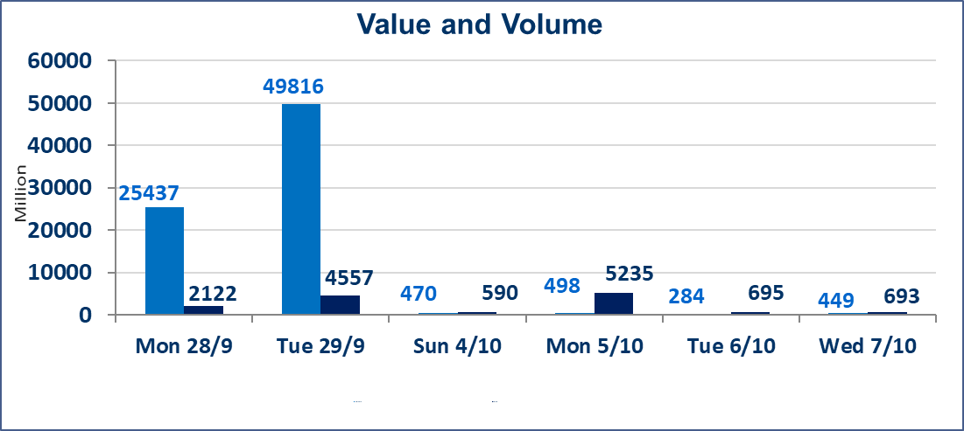
 | ISX Index 60 |  |  | 940.39 | ISX Index 15 |  |  | 1182.31
 | Previous ISX Index60 |  |  | 946.10 | Previous ISX Index15 |  |  | 1189.30
 | Change % |  |  | -0.60 | Change % |  |  | -0.59
 | Change |  |  | -5.71 | Change |  |  | -6.99

 | Listed Companies | 103 | OTC | 25 | Non Traded listed | 43 | OTC | 23
 | Traded Listed Companies | 37 | OTC | 2 | Higher Companies |  |  | 3
 | GAM Companies |  |  | 12 | Lower Companies |  |  | 18
 | Suspended Companies |  |  | 11
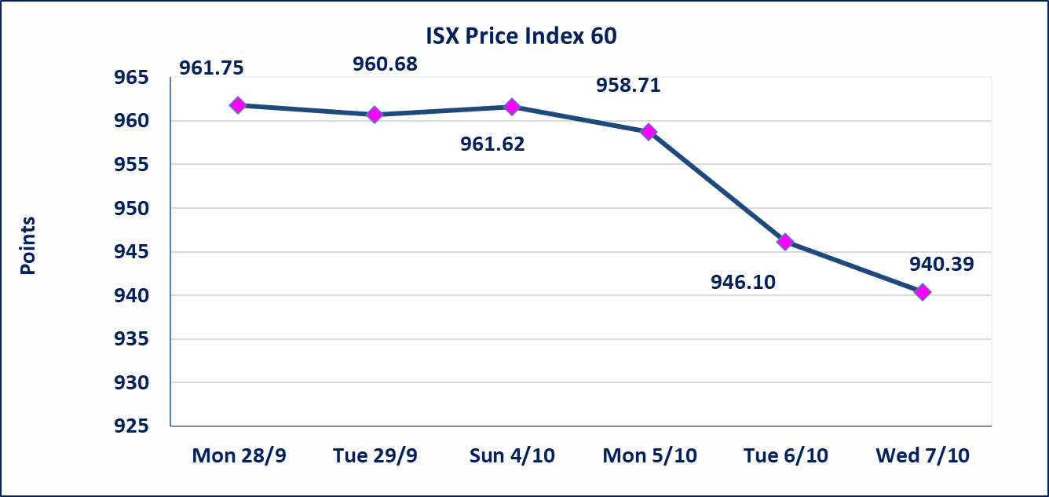
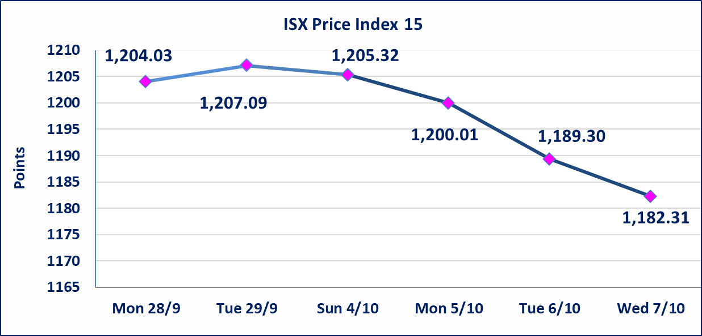

Al-Alwiya P.O . 3607 Mobile: 07711211522 - 07270094594 - 07834000034 E-mail: info-isx@isx-iq.net Web site:www.isx-iq.net

Top 5
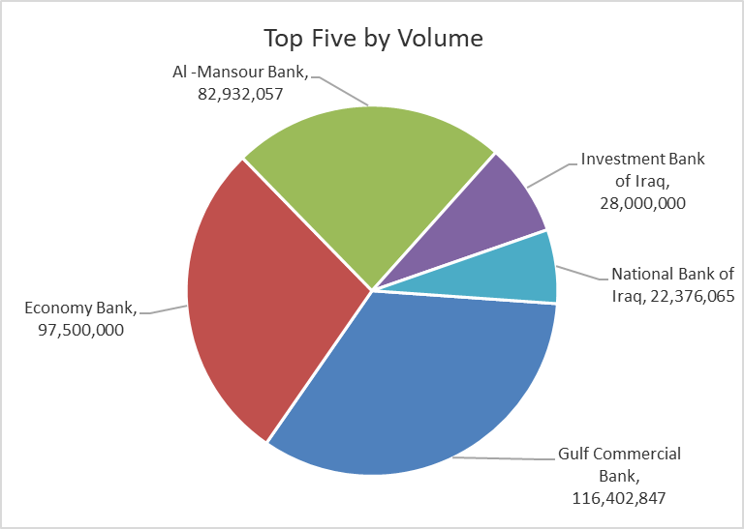
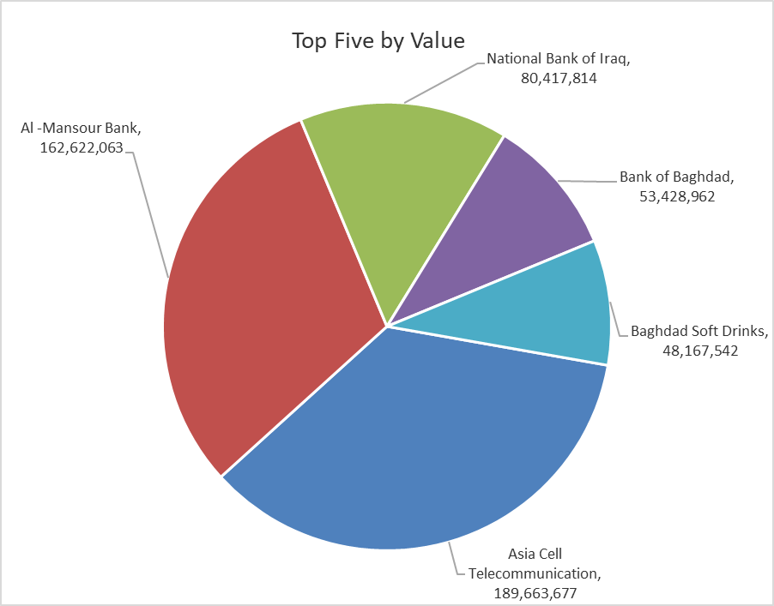
ISX top ganing and losing companies
Wednesday 7/10/2026
 | Gainers |  |  |  | Losers
 | Company Name | Closing Price | Change (%) | Traded Volume | Company Name | Closing Price | Change (%) | Traded Volume
 | Middle East Bank | 0.070 | 16.67 | 497,014 | Mosul Bank For Investment | 0.120 | -7.69 | 5,920,198
 | Mamoura Realestate | 2.220 | 2.78 | 4,655,173 | Cihan Bank for Islamic Investment&Finance | 1.550 | -6.06 | 343,137
 | Baghdad Hotel | 12.200 | 0.83 | 615,043 | Iraqi Engineering Works | 4.800 | -4.76 | 200,000
 |  |  |  |  | Economy Bank | 0.210 | -4.55 | 97,500,000
 |  |  |  |  | Modern Sewing | 6.000 | -4.00 | 129,280
 | The most active companies in term of traded volume and value

 | Traded Volume |  |  |  | Traded Value
 | Company Name | Closing Price | Change (%) | Traded Volume | Company Name | Closing Price | Change (%) | Traded Value
 | Gulf Commercial Bank | 0.300 | 0.00 | 116,402,847 | Asia Cell Telecommunication | 14.750 | -0.67 | 189,663,677
 | Economy Bank | 0.210 | -4.55 | 97,500,000 | Al -Mansour Bank | 1.960 | -1.01 | 162,622,063
 | Al -Mansour Bank | 1.960 | -1.01 | 82,932,057 | National Bank of Iraq | 3.600 | -1.37 | 80,417,814
 | Investment Bank of Iraq | 0.390 | -2.50 | 28,000,000 | Bank of Baghdad | 2.770 | -1.07 | 53,428,962
 | National Bank of Iraq | 3.600 | -1.37 | 22,376,065 | Baghdad Soft Drinks | 5.950 | -0.83 | 48,167,542

Non Iraqi

Iraq Stock Exchange
Non Iraqis' Bulletin Wednesday Oct 8 2026
Regular Market

Non Iraqi Trading of Regular Market (Buy)
Company Names | Code | No.of trades | Traded Shares | Trading Volume
Banks Sector
Commercial Bank of Iraq | BCOI | 2 | 3,000,000 | 1,590,000
Bank Of Baghdad | BBOB | 1 | 500,000 | 1,395,000
Total Bank sector |  | 3 | 3,500,000 | 2,985,000
Industry Sector
Modern Sewing | IMOS | 1 | 100,000 | 600,000
Total Industry sector |  | 1 | 100,000 | 600,000
Telecommunication Sector
Asia cell | TASC | 9 | 1,531,000 | 22,710,205
Total Telecommunication sector |  | 9 | 1,531,000 | 22,710,205
Grand Total |  | 13 | 5,131,000 | 26,295,205

Non Iraqi Trading of Regular Market (Sell)
Company Names | Code | No.of trades | Traded Shares | Trading Volume
Banks Sector
Bank Of Baghdad | BBOB | 8 | 2,200,000 | 6,138,000
National Bank Of Iraq | BNOI | 13 | 6,500,000 | 23,174,333
Total Bank sector |  | 21 | 8,700,000 | 29,312,333
Services Sector
AL-Nukhba for Construction | SNUC | 1 | 104 | 59
Karbala Hotels | HKAR | 4 | 225,000 | 82,568
Total Services sector |  | 5 | 225,104 | 82,627
Industry Sector
Iraqi Engineering Works | IIEW | 3 | 200,000 | 962,250
Total Industry sector |  | 3 | 200,000 | 962,250
Hotel Sector
Mansour Hotel | HMAN | 2 | 50,000 | 2,900,000
Total Hotel Sector |  | 2 | 50,000 | 2,900,000
Telecommunication Sector
Asia cell | TASC | 34 | 3,997,614 | 58,975,588
Total Telecommunication sector |  | 34 | 3,997,614 | 58,975,588
Grand Total |  | 65 | 13,172,718 | 92,232,798

Non Iraqi Trading of Second Market (BUY)
Company Names | Code | No. of trades | Traded Volume | Traded Value
Banks Sector
Credit Bank Of Iraq | BROI | 2 | 1,000,000 | 480,000
Total Bank sector |  | 2 | 1,000,000 | 480,000
Grand Total |  | 2 | 1,000,000 | 480,000

Non Iraqi Trading of Undisclosed Platform (Sell)
Company Names | Code | No.of trades | Traded Shares | Trading Volume
Agricultural Sector
Modern for Animal Production | AMAP | 2 | 9,999,200 | 3,199,744
Total Agricultural Sector |  | 2 | 9,999,200 | 3,199,744
Industry Sector
National Chemical &Plastic Industries | INCP | 3 | 678,935 | 1,256,030
Total Industry sector |  | 3 | 678,935 | 1,256,030
Grand Total |  | 5 | 10,678,135 | 4,455,774

