Indices

 | Iraq Stock Exchange
 | Bulletin No (164)
 | ISX Trading Indices of Thursday 17/9/2026

 | Traded Volume and OTC |  | 1,681,093,460 |  | Traded Value and OTC |  | 1,253,279,659 |  | Traders | 732

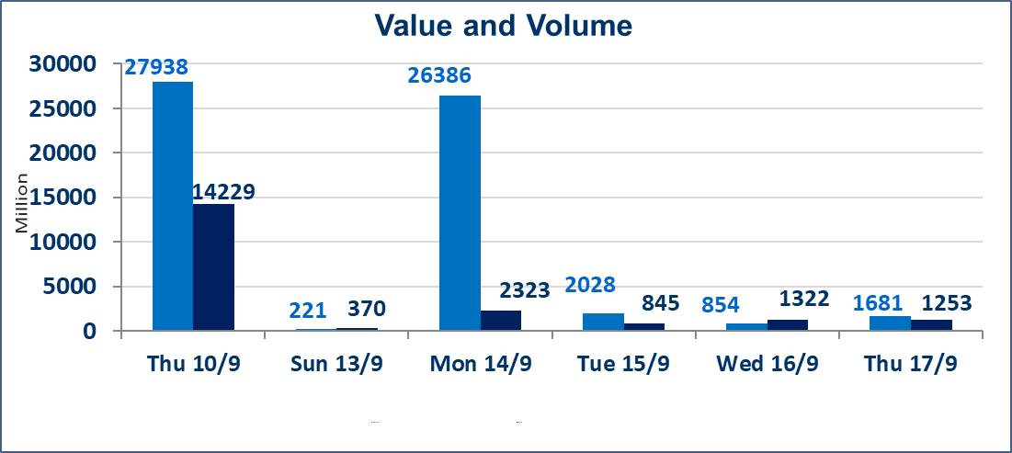
 | ISX Index 60 |  |  | 969.00 | ISX Index 15 |  |  | 1236.95
 | Previous ISX Index60 |  |  | 968.84 | Previous ISX Index15 |  |  | 1232.52
 | Change % |  |  | 0.02 | Change % |  |  | 0.36
 | Change |  |  | 0.16 | Change |  |  | 4.43

 | Listed Companies | 103 | OTC | 22 | Non Traded listed | 48 | OTC | 22
 | Traded Listed Companies | 40 | OTC | 1 | Higher Companies |  |  | 15
 | GAM Companies |  |  | 6 | Lower Companies |  |  | 8
 | Suspended Companies |  |  | 9
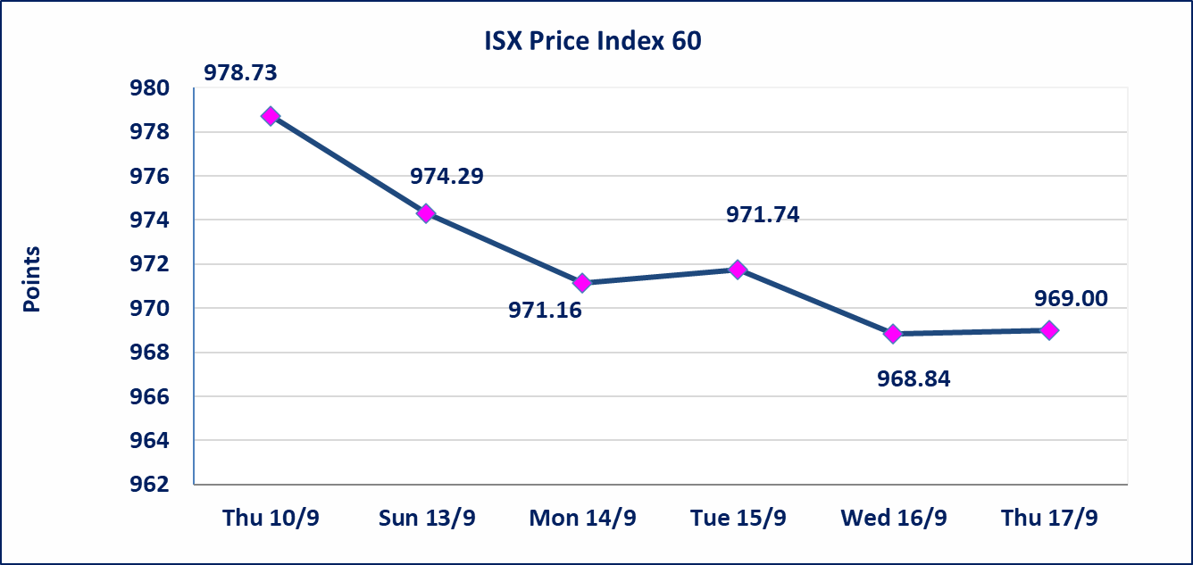
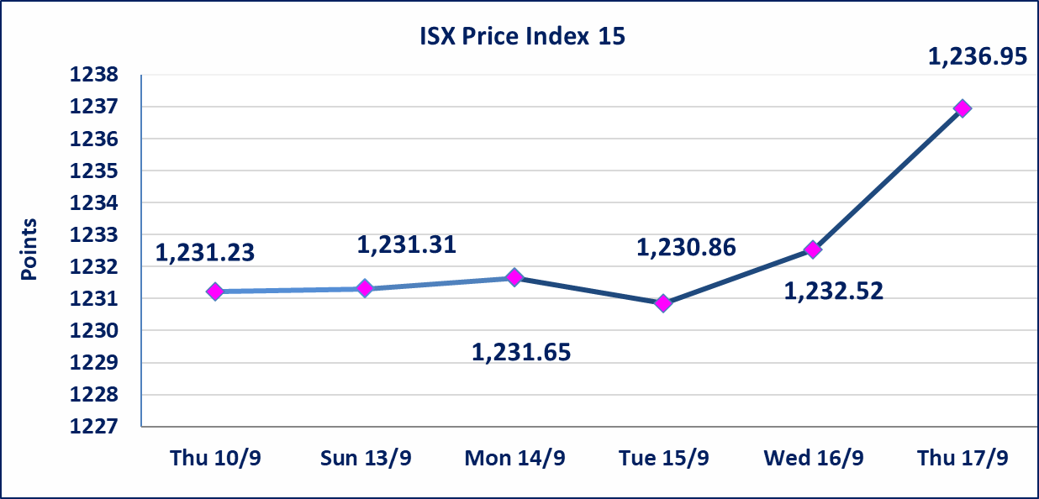

Al-Alwiya P.O . 3607 Mobile: 07711211522 - 07270094594 - 07834000034 E-mail: info-isx@isx-iq.net Web site:www.isx-iq.net

Top 5
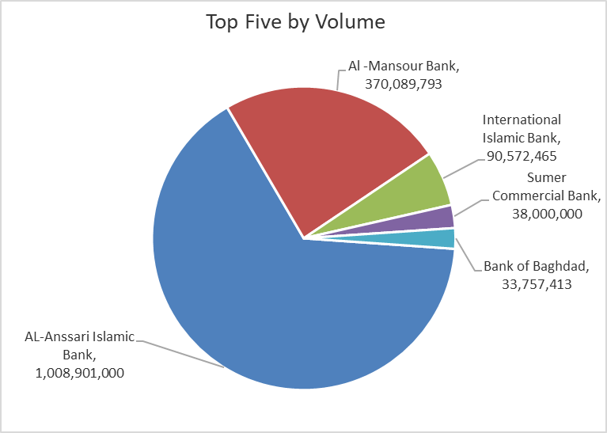
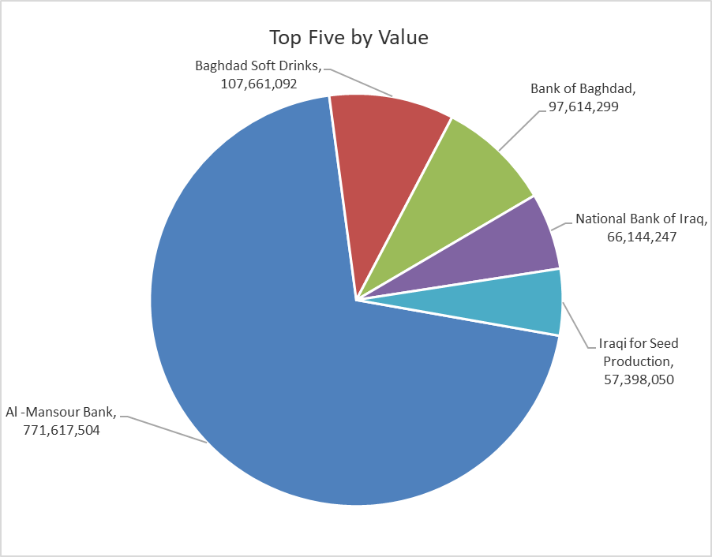
ISX top ganing and losing companies
Thursday 17/9/2026
 | Gainers |  |  |  | Losers
 | Company Name | Closing Price | Change (%) | Traded Volume | Company Name | Closing Price | Change (%) | Traded Volume
 | Iraqi Date Processing and Marketing | 2.390 | 17.16 | 442,602 | Al-Ataa Islamic Bank | 0.080 | -11.11 | 12,070
 | Mamoura Realestate | 2.520 | 8.62 | 4,930,000 | National Furniture Industries | 1.040 | -9.57 | 53,322
 | Sumer Commercial Bank | 0.220 | 4.76 | 38,000,000 | International Islamic Bank | 0.100 | -9.09 | 90,572,465
 | Iraqi Islamic Bank | 0.970 | 3.19 | 8,949,219 | Iraqi Carton Manufactories | 1.650 | -5.71 | 24,097
 | Elaf Islamic Bank | 0.330 | 3.13 | 1,111,188 | Al-Ameen Estate Investment | 1.420 | -5.33 | 4,941,919
 | The most active companies in term of traded volume and value

 | Traded Volume |  |  |  | Traded Value
 | Company Name | Closing Price | Change (%) | Traded Volume | Company Name | Closing Price | Change (%) | Traded Value
 | AL-Anssari Islamic Bank | 0.050 | 0.00 | 1,008,901,000 | Al -Mansour Bank | 2.070 | 0.49 | 771,617,504
 | Al -Mansour Bank | 2.070 | 0.49 | 370,089,793 | Baghdad Soft Drinks | 6.130 | 0.16 | 107,661,092
 | International Islamic Bank | 0.100 | -9.09 | 90,572,465 | Bank of Baghdad | 2.870 | -1.03 | 97,614,299
 | Sumer Commercial Bank | 0.220 | 4.76 | 38,000,000 | National Bank of Iraq | 3.800 | 1.33 | 66,144,247
 | Bank of Baghdad | 2.870 | -1.03 | 33,757,413 | Iraqi for Seed Production | 5.260 | 2.14 | 57,398,050

Non Iraqis

Iraq Stock Exchange
Non Iraqis' Bulletin Thursday Sep 17 2026
Regular Market

Non Iraqi Trading of Regular Market (Buy)
Company Names | Code | No.of trades | Traded Shares | Trading Volume
Banks Sector
National Bank Of Iraq | BNOI | 1 | 247,646 | 941,055
Total Bank sector |  | 1 | 247,646 | 941,055
Grand Total |  | 1 | 247,646 | 941,055

Non Iraqi Trading of Regular Market (Sell)
Company Names | Code | No.of trades | Traded Shares | Trading Volume
Telecommunication Sector
Asia cell | TASC | 1 | 242,800 | 3,824,100
Total Telecommunication sector |  | 1 | 242,800 | 3,824,100
Grand Total |  | 1 | 242,800 | 3,824,100

