Indices

 | Iraq Stock Exchange
 | Bulletin No (171)
 | ISX Trading Indices of Monday 28/9/2026

 | Traded Volume and OTC |  | 25,437,831,917 |  | Traded Value and OTC |  | 2,122,681,725 |  | Traders | 879

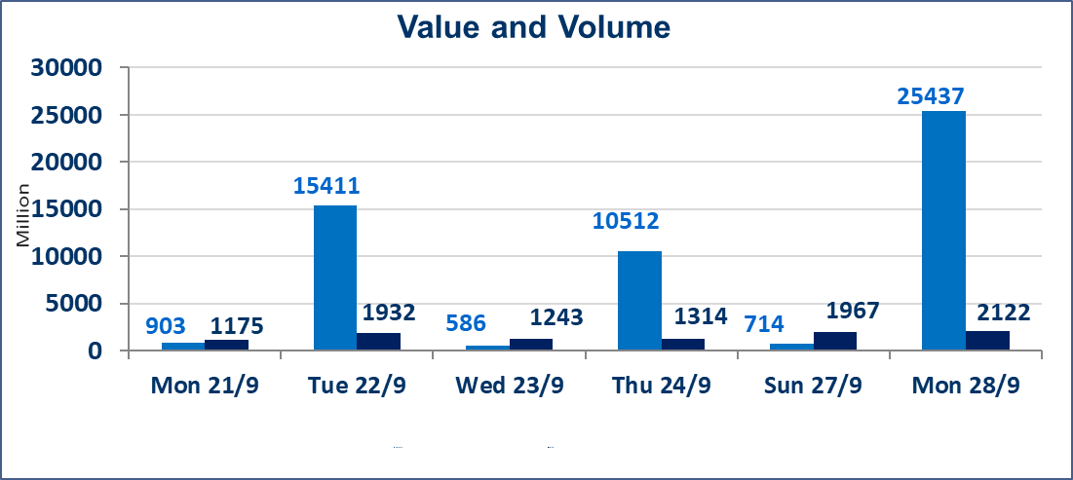
 | ISX Index 60 |  |  | 961.75 | ISX Index 15 |  |  | 1204.03
 | Previous ISX Index60 |  |  | 966.92 | Previous ISX Index15 |  |  | 1208.07
 | Change % |  |  | -0.53 | Change % |  |  | -0.33
 | Change |  |  | -5.17 | Change |  |  | -4.04

 | Listed Companies | 103 | OTC | 24 | Non Traded listed | 39 | OTC | 23
 | Traded Listed Companies | 45 | OTC | 1 | Higher Companies |  |  | 6
 | GAM Companies |  |  | 9 | Lower Companies |  |  | 15
 | Suspended Companies |  |  | 10
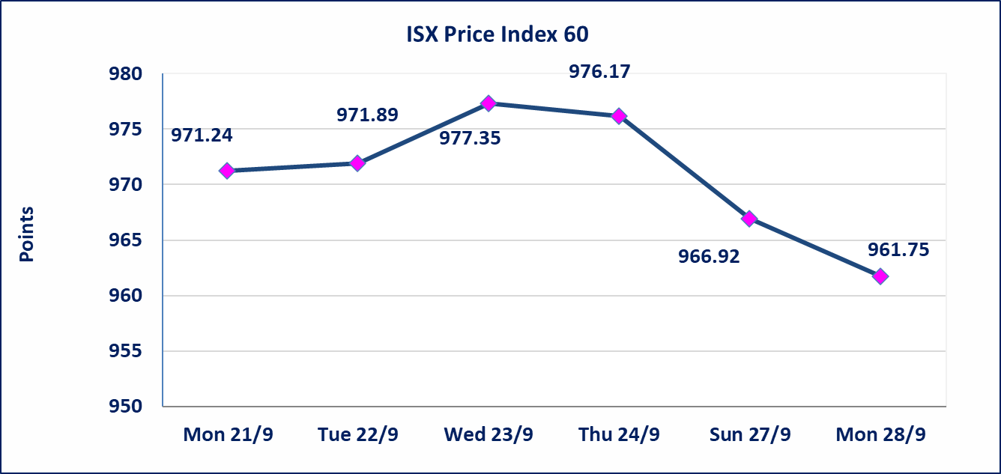
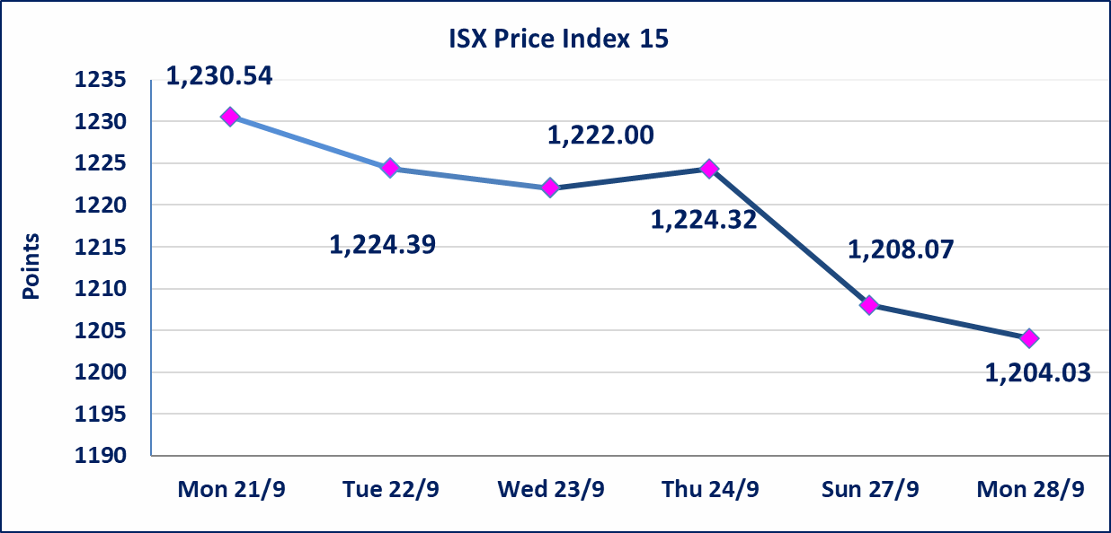

special orders |  | Baraem Al-Khair Brokerage Company executed an intentional cross order on the shares of Al-Ansari Bank, involving 24,950,000,000 shares with a total value of IQD 1,247,500,000, during the additional trading session (after 1:00 p.m.), in accordance with the procedures for executing block trades.
Al-Alwiya P.O . 3607 Mobile: 07711211522 - 07270094594 - 07834000034 E-mail: info-isx@isx-iq.net Web site:www.isx-iq.net

Top 5
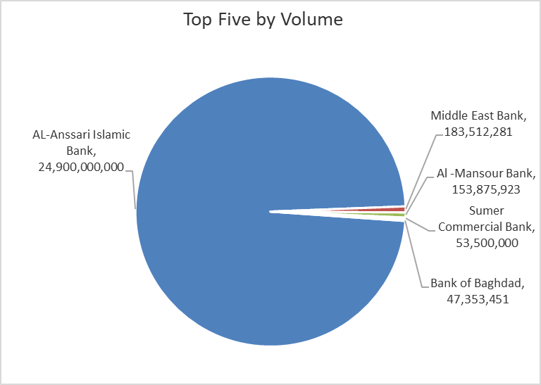
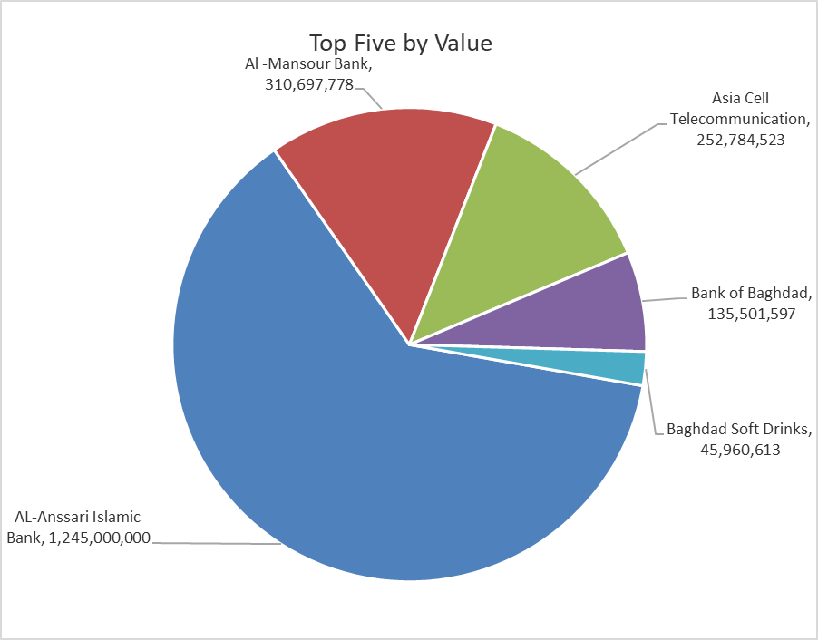
ISX top ganing and losing companies
Monday 28/9/2026
 | Gainers |  |  |  | Losers
 | Company Name | Closing Price | Change (%) | Traded Volume | Company Name | Closing Price | Change (%) | Traded Volume
 | Al-Ameen for Insurance | 0.840 | 5.00 | 635,000 | Middle East Bank | 0.060 | -14.29 | 183,512,281
 | National Chemical &Plastic | 1.850 | 4.52 | 1,000 | Mansour Hotel | 55.000 | -7.56 | 22,265
 | General Transportation | 1.350 | 3.85 | 1,555 | Iraqi For Tufted Carpets | 19.000 | -4.04 | 905,012
 | Al-Mosul for funfairs | 7.500 | 3.59 | 560,880 | Mamoura Realestate | 2.290 | -3.78 | 1,650,262
 | Iraqi Islamic Bank | 0.940 | 1.08 | 5,750,000 | Modern for Animal Production | 0.320 | -3.03 | 90,954
 | The most active companies in term of traded volume and value

 | Traded Volume |  |  |  | Traded Value
 | Company Name | Closing Price | Change (%) | Traded Volume | Company Name | Closing Price | Change (%) | Traded Value
 | AL-Anssari Islamic Bank | 0.050 | 0.00 | 24,900,000,000 | AL-Anssari Islamic Bank | 0.050 | 0.00 | 1,245,000,000
 | Middle East Bank | 0.060 | -14.29 | 183,512,281 | Al -Mansour Bank | 2.010 | 0.00 | 310,697,778
 | Al -Mansour Bank | 2.010 | 0.00 | 153,875,923 | Asia Cell Telecommunication | 14.900 | -0.33 | 252,784,523
 | Sumer Commercial Bank | 0.210 | 0.00 | 53,500,000 | Bank of Baghdad | 2.860 | -0.69 | 135,501,597
 | Bank of Baghdad | 2.860 | -0.69 | 47,353,451 | Baghdad Soft Drinks | 6.200 | 0.65 | 45,960,613

Non Iraqis

Iraq Stock Exchange
Non Iraqis' Bulletin Monday sept 28 2026
Regular Market

Non Iraqi Trading of Regular Market (Buy)
Company Names | Code | No.of trades | Traded Shares | Trading Volume
Industry Sector
Al-Mansour Pharmaceuticals Industries | IMAP | 1 | 93,268 | 208,920
Total Industry sector |  | 1 | 93,268 | 208,920
Telecommunication Sector
Asia cell | TASC | 1 | 15,000 | 223,500
Total Telecommunication sector |  | 1 | 15,000 | 223,500
Grand Total |  | 2 | 108,268 | 432,420

Non Iraqi Trading of Regular Market (Sell)
Company Names | Code | No.of trades | Traded Shares | Trading Volume
Banks Sector
Ashur International Bank | BASH | 1 | 779,657 | 241,694
Total Bank sector |  | 1 | 779,657 | 241,694
Grand Total |  | 1 | 779,657 | 241,694

