Indices

 | Iraq Stock Exchange
 | Bulletin No (170)
 | ISX Trading Indices of Sunday 27/9/2026

 | Traded Volume and OTC |  | 714,818,520 |  | Traded Value and OTC |  | 1,967,680,038 |  | Traders | 1062

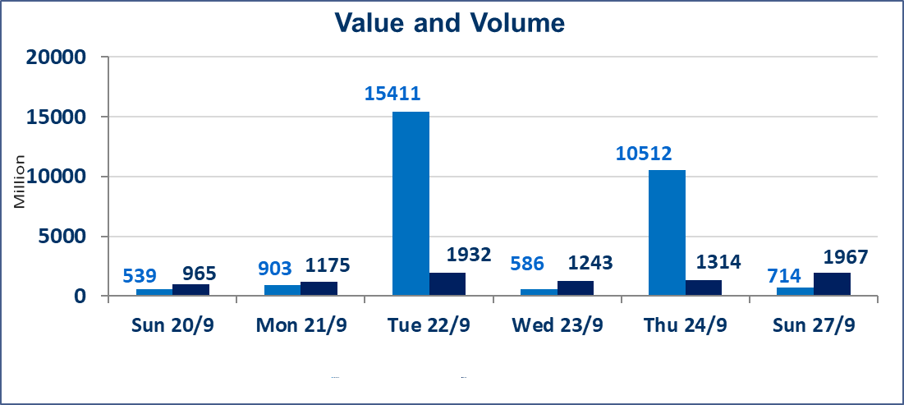
 | ISX Index 60 |  |  | 966.92 | ISX Index 15 |  |  | 1208.07
 | Previous ISX Index60 |  |  | 976.17 | Previous ISX Index15 |  |  | 1224.32
 | Change % |  |  | -0.95 | Change % |  |  | -1.33
 | Change |  |  | -9.25 | Change |  |  | -16.25

 | Listed Companies | 103 | OTC | 24 | Non Traded listed | 43 | OTC | 23
 | Traded Listed Companies | 44 | OTC | 1 | Higher Companies |  |  | 7
 | GAM Companies |  |  | 6 | Lower Companies |  |  | 19
 | Suspended Companies |  |  | 10
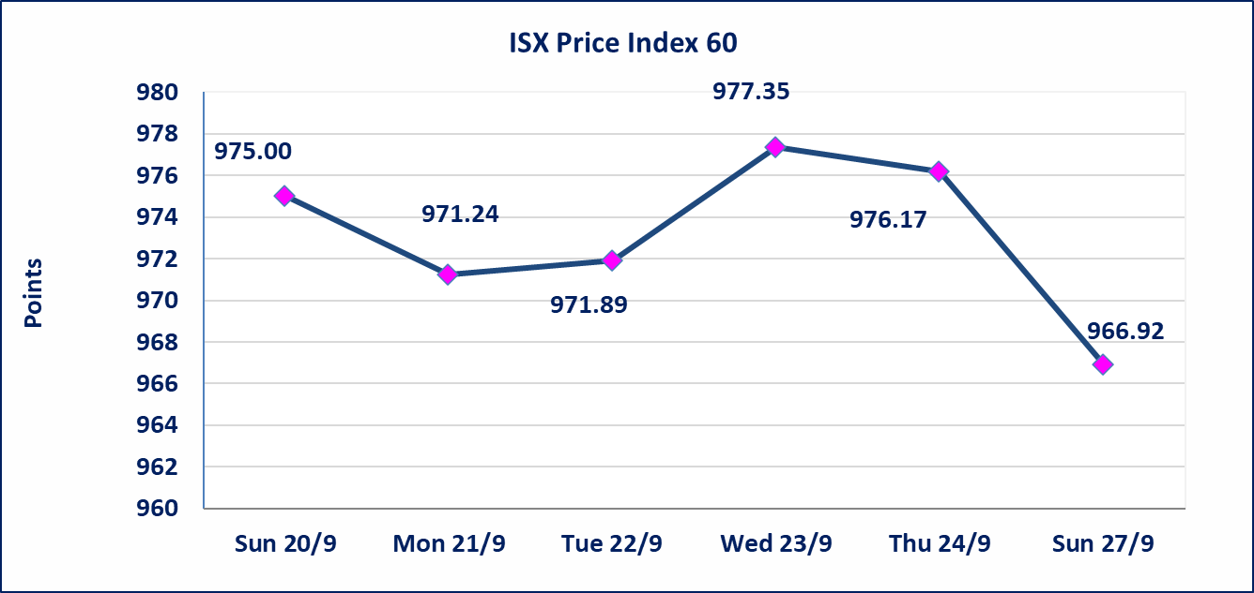
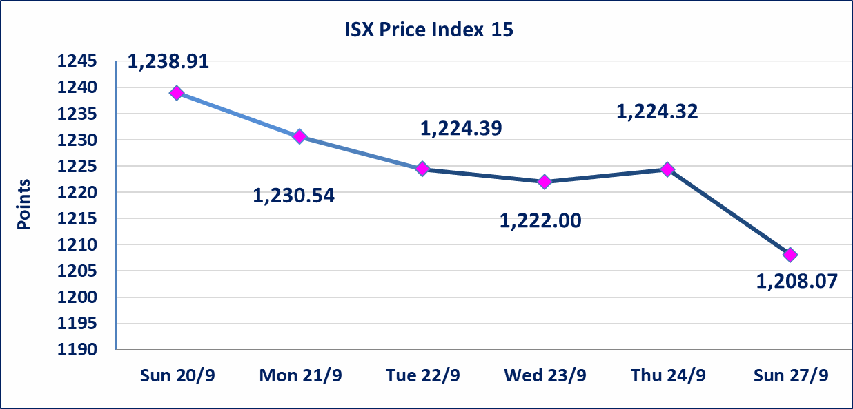

Al-Alwiya P.O . 3607 Mobile: 07711211522 - 07270094594 - 07834000034 E-mail: info-isx@isx-iq.net Web site:www.isx-iq.net

Top 5
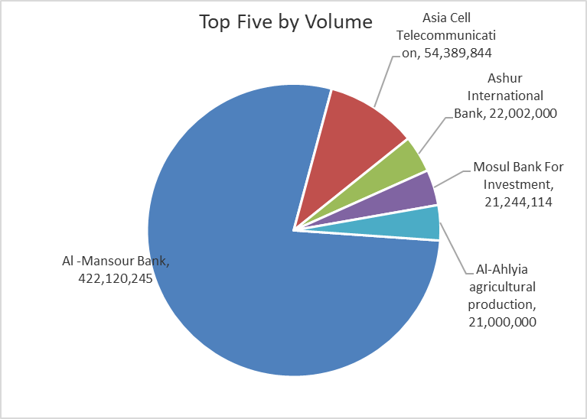
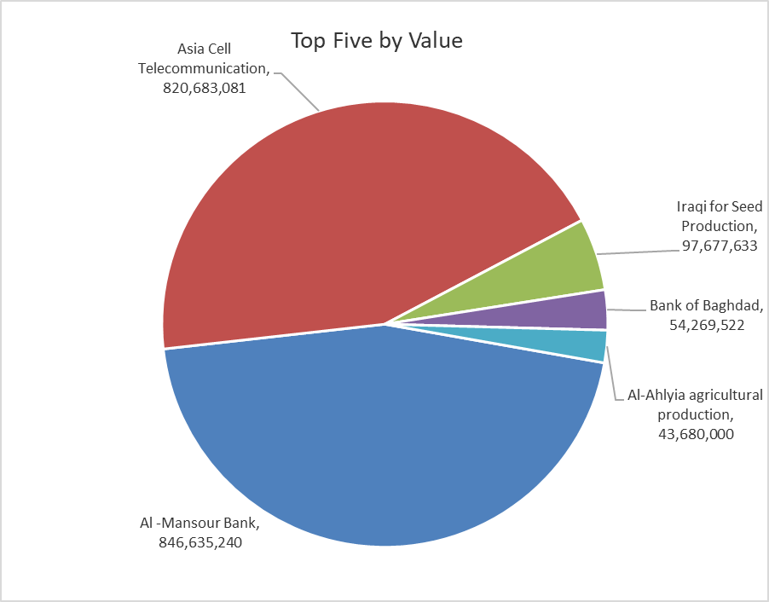
ISX top ganing and losing companies
Sunday 27/9/2026
 | Gainers |  |  |  | Losers
 | Company Name | Closing Price | Change (%) | Traded Volume | Company Name | Closing Price | Change (%) | Traded Volume
 | Middle East Bank | 0.070 | 16.67 | 229,403 | Tourist Village of Mosul dam | 12.050 | -9.94 | 687
 | AL-Nukhba for Construction | 0.690 | 11.29 | 103,000 | Modern Sewing | 6.080 | -9.93 | 137,752
 | Ready Made Clothes | 2.250 | 2.27 | 100,000 | Modern for Animal Production | 0.330 | -5.71 | 31,522
 | Al-Mansour Pharmaceuticals Industries | 2.250 | 1.35 | 267,065 | Iraqi for Seed Production | 5.150 | -3.20 | 18,713,767
 | Al -Khazer Construction Materials | 1.100 | 0.92 | 214,119 | Baghdad -Iraq Transportation | 19.300 | -2.53 | 167,714
 | The most active companies in term of traded volume and value

 | Traded Volume |  |  |  | Traded Value
 | Company Name | Closing Price | Change (%) | Traded Volume | Company Name | Closing Price | Change (%) | Traded Value
 | Al -Mansour Bank | 2.010 | -0.99 | 422,120,245 | Al -Mansour Bank | 2.010 | -0.99 | 846,635,240
 | Asia Cell Telecommunication | 14.950 | -1.64 | 54,389,844 | Asia Cell Telecommunication | 14.950 | -1.64 | 820,683,081
 | Ashur International Bank | 0.310 | 0.00 | 22,002,000 | Iraqi for Seed Production | 5.150 | -3.20 | 97,677,633
 | Mosul Bank For Investment | 0.130 | 0.00 | 21,244,114 | Bank of Baghdad | 2.880 | -1.71 | 54,269,522
 | Al-Ahlyia agricultural production | 2.080 | 0.00 | 21,000,000 | Al-Ahlyia agricultural production | 2.080 | 0.00 | 43,680,000

Non Iraqis

Iraq Stock Exchange
Non Iraqis' Bulletin Sunday sept 27 2026
Regular Market

Non Iraqi Trading of Regular Market (Buy)
Company Names | Code | No.of trades | Traded Shares | Trading Volume
Banks Sector
Al-Mansour Bank | BMNS | 16 | 98,500,000 | 198,466,279
Total Bank sector |  | 16 | 98,500,000 | 198,466,279
Grand Total |  | 16 | 98,500,000 | 198,466,279

Non Iraqi Trading of Regular Market (Sell)
Company Names | Code | No.of trades | Traded Shares | Trading Volume
Agricultural Sector
Iraqi Agricultural Products Marketing Meat | AIPM | 1 | 100,000 | 465,000
Total Agricultural Sector |  | 1 | 100,000 | 465,000
Telecommunication Sector
Asia cell | TASC | 92 | 36,838,644 | 555,132,536
Total Telecommunication sector |  | 92 | 36,838,644 | 555,132,536
Grand Total |  | 93 | 36,938,644 | 555,597,536 | 3

