Indices
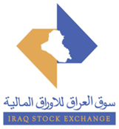
 | Iraq Stock Exchange
 | Bulletin No (187)
 | ISX Trading Indices of Thursday 22/10/2026

 | Traded Volume and OTC |  | 393,722,903 |  | Traded Value and OTC |  | 1,053,128,076 |  | Traders | 984

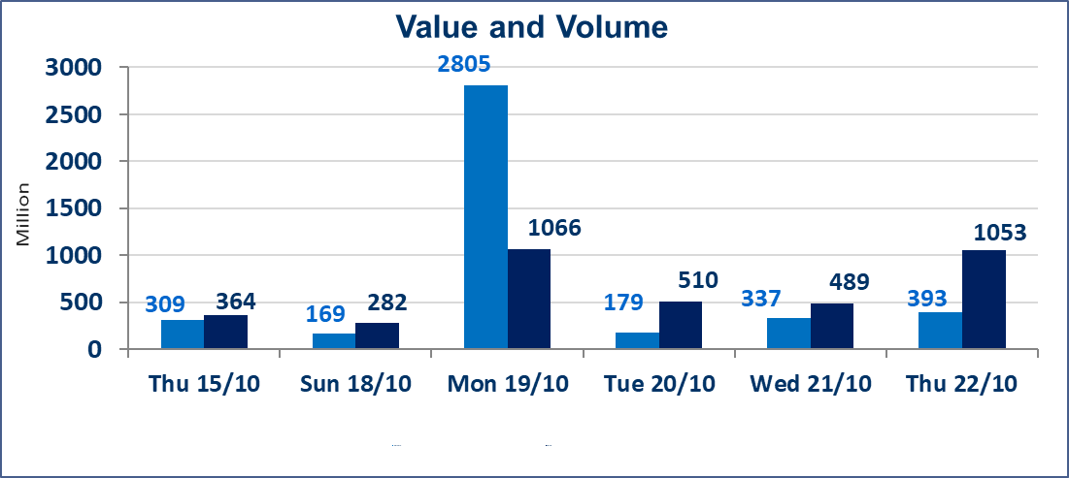
 | ISX Index 60 |  |  | 930.78 | ISX Index 15 |  |  | 1183.66
 | Previous ISX Index60 |  |  | 939.74 | Previous ISX Index15 |  |  | 1193.83
 | Change % |  |  | -0.95 | Change % |  |  | -0.85
 | Change |  |  | -8.96 | Change |  |  | -10.17

 | Listed Companies | 104 | OTC | 28 | Non Traded listed | 43 | OTC | 25
 | Traded Listed Companies | 46 | OTC | 3 | Higher Companies |  |  | 7
 | GAM Companies |  |  | 5 | Lower Companies |  |  | 21
 | Suspended Companies |  |  | 10
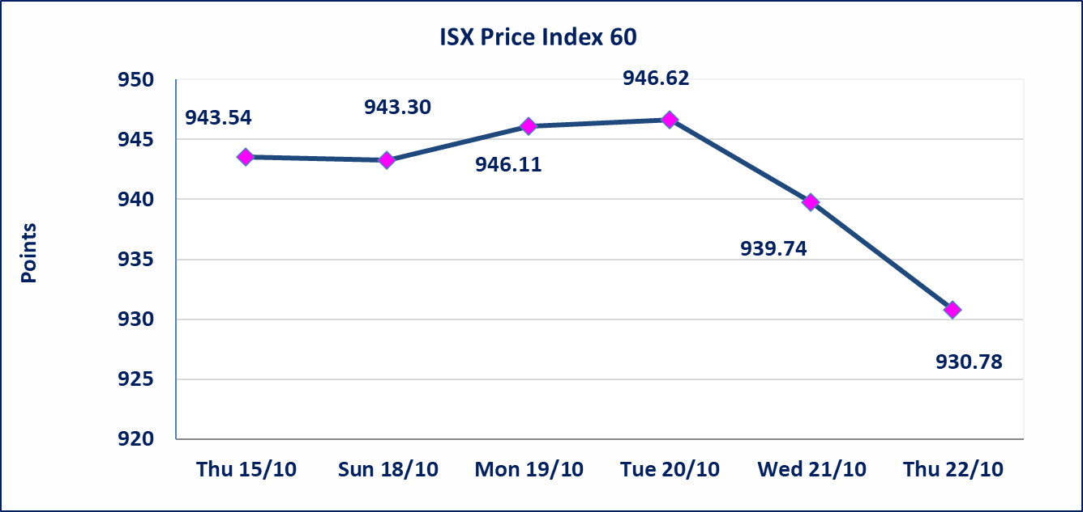
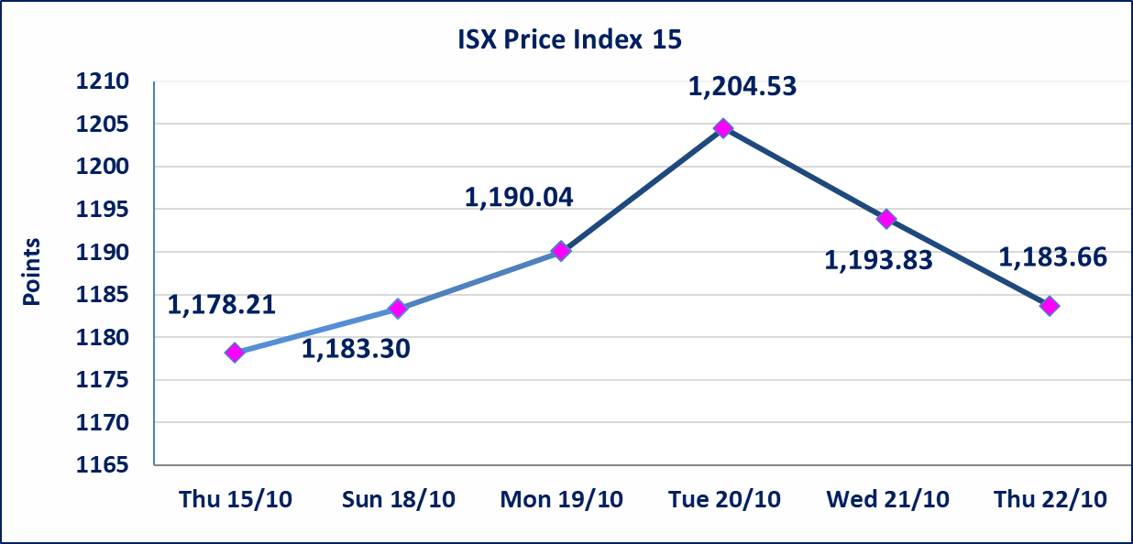

Al-Alwiya P.O . 3607 Mobile: 07711211522 - 07270094594 - 07834000034 E-mail: info-isx@isx-iq.net Web site:www.isx-iq.net

Top 5
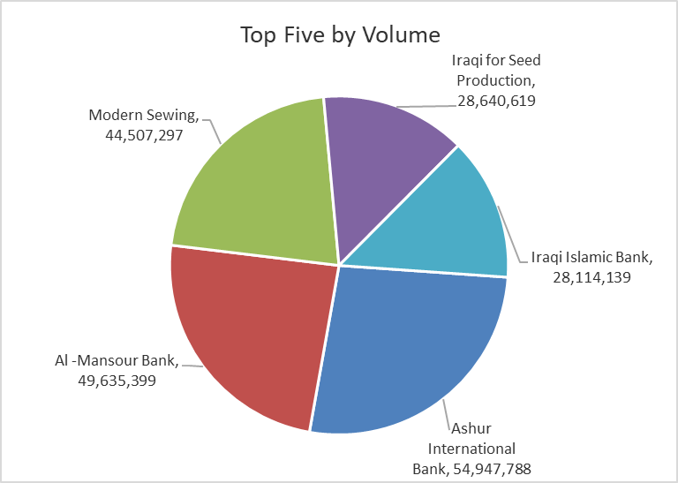
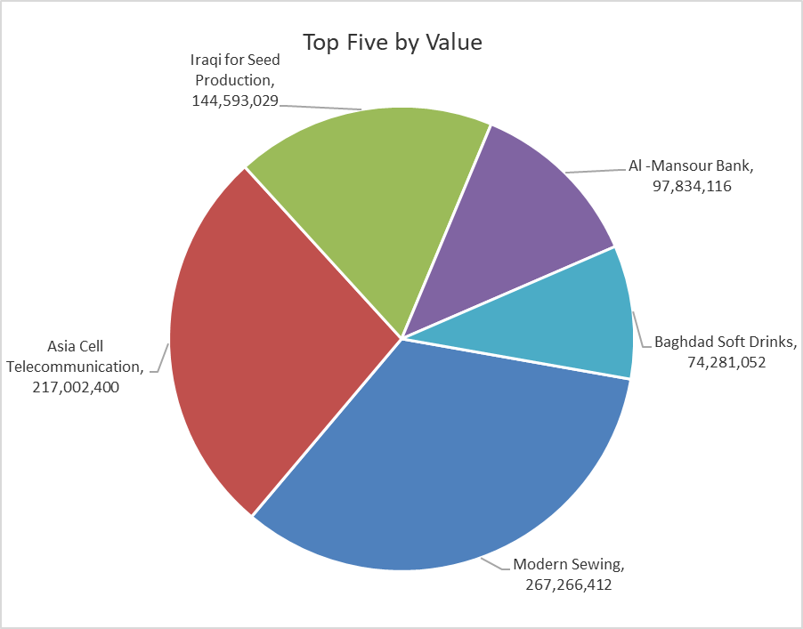
ISX top ganing and losing companies
Thursday 22/10/2026
 | Gainers |  |  |  | Losers
 | Company Name | Closing Price | Change (%) | Traded Volume | Company Name | Closing Price | Change (%) | Traded Volume
 | International Islamic Bank | 0.170 | 21.43 | 4,122,000 | Cihan Bank for Islamic Investment&Finance | 1.410 | -9.03 | 500,000
 | Al-Ahlyia agricultural production | 2.080 | 4.00 | 302,617 | Tourist Village of Mosul dam | 11.000 | -8.71 | 26,705
 | Ashur International Bank | 0.300 | 3.45 | 54,947,788 | Kurdistan International Bank | 0.950 | -7.77 | 61,940
 | Babil Animal & Vegetable Production | 8.600 | 2.38 | 7,078 | Investment Bank of Iraq | 0.360 | -7.69 | 8,105,042
 | Al -Khazer Construction Materials | 1.150 | 1.77 | 4,095 | Union Bank of Iraq | 0.130 | -7.14 | 1,161,795
 | The most active companies in term of traded volume and value

 | Traded Volume |  |  |  | Traded Value
 | Company Name | Closing Price | Change (%) | Traded Volume | Company Name | Closing Price | Change (%) | Traded Value
 | Ashur International Bank | 0.300 | 3.45 | 54,947,788 | Modern Sewing | 6.010 | 0.17 | 267,266,412
 | Al -Mansour Bank | 1.980 | -0.50 | 49,635,399 | Asia Cell Telecommunication | 15.000 | -0.99 | 217,002,400
 | Modern Sewing | 6.010 | 0.17 | 44,507,297 | Iraqi for Seed Production | 5.010 | -3.65 | 144,593,029
 | Iraqi for Seed Production | 5.010 | -3.65 | 28,640,619 | Al -Mansour Bank | 1.980 | -0.50 | 97,834,116
 | Iraqi Islamic Bank | 0.920 | 0.00 | 28,114,139 | Baghdad Soft Drinks | 6.050 | -0.49 | 74,281,052

Non Iraqi

Iraq Stock Exchange
Non Iraqis' Bulletin Thursday Oct 22 2026
Regular Market

Non Iraqi Trading of Regular Market (Buy)
Company Names | Code | No.of trades | Traded Shares | Trading Volume
Banks Sector
Iraqi Islamic Bank | BIIB | 2 | 3,000,000 | 2,700,000
National Bank Of Iraq | BNOI | 1 | 18,750 | 65,813
Economy Bank | BEFI | 1 | 3,000,000 | 660,000
Total Bank sector |  | 4 | 6,018,750 | 3,425,813
Grand Total |  | 4 | 6,018,750 | 3,425,813

Non Iraqi Trading of Regular Market (Sell)
Company Names | Code | No.of trades | Traded Shares | Trading Volume
Telecommunication Sector
Asia cell | TASC | 72 | 10,000,000 | 150,072,640
Total Telecommunication sector |  | 72 | 10,000,000 | 150,072,640
Grand Total |  | 72 | 10,000,000 | 150,072,640

Non Iraqi Trading of Second Market (BUY)
Company Names | Code | No. of trades | Traded Volume | Traded Value
Banks Sector
Iraq Noor Islamic Bank | BINI | 3 | 308,098 | 61,620
International Islamic Bank | BINT | 8 | 4,000,000 | 580,000
Total Bank sector |  | 11 | 4,308,098 | 641,620
Grand Total |  | 11 | 4,308,098 | 641,620

Non Iraqi Trading of Undisclosed Platform (Sell)
Company Names | Code | No.of trades | Traded Shares | Trading Volume
Industry Sector
The Light Industries | ITLI | 4 | 3,000,000 | 3,540,006
Total Industry sector |  | 4 | 3,000,000 | 3,540,006
Grand Total |  | 4 | 3,000,000 | 3,540,006

