Indices

 | Iraq Stock Exchange
 | Bulletin No (167)
 | ISX Trading Indices of Tuesday 22/9/2026

 | Traded Volume and OTC |  | 15,411,846,842 |  | Traded Value and OTC |  | 1,932,557,919 |  | Traders | 1058
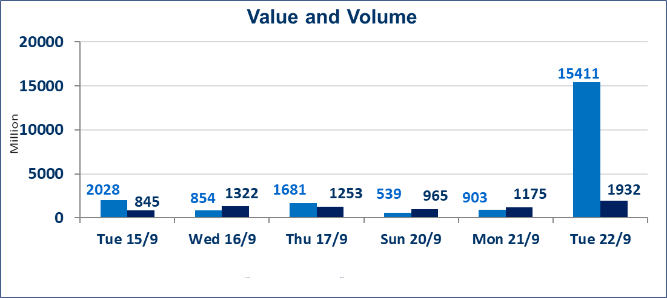
 | ISX Index 60 |  |  | 971.89 | ISX Index 15 |  |  | 1224.39
 | Previous ISX Index60 |  |  | 971.24 | Previous ISX Index15 |  |  | 1230.54
 | Change % |  |  | 0.07 | Change % |  |  | -0.50
 | Change |  |  | 0.65 | Change |  |  | -6.15

 | Listed Companies | 103 | OTC | 24 | Non Traded listed | 44 | OTC | 22
 | Traded Listed Companies | 42 | OTC | 2 | Higher Companies |  |  | 10
 | GAM Companies |  |  | 8 | Lower Companies |  |  | 10
 | Suspended Companies |  |  | 9
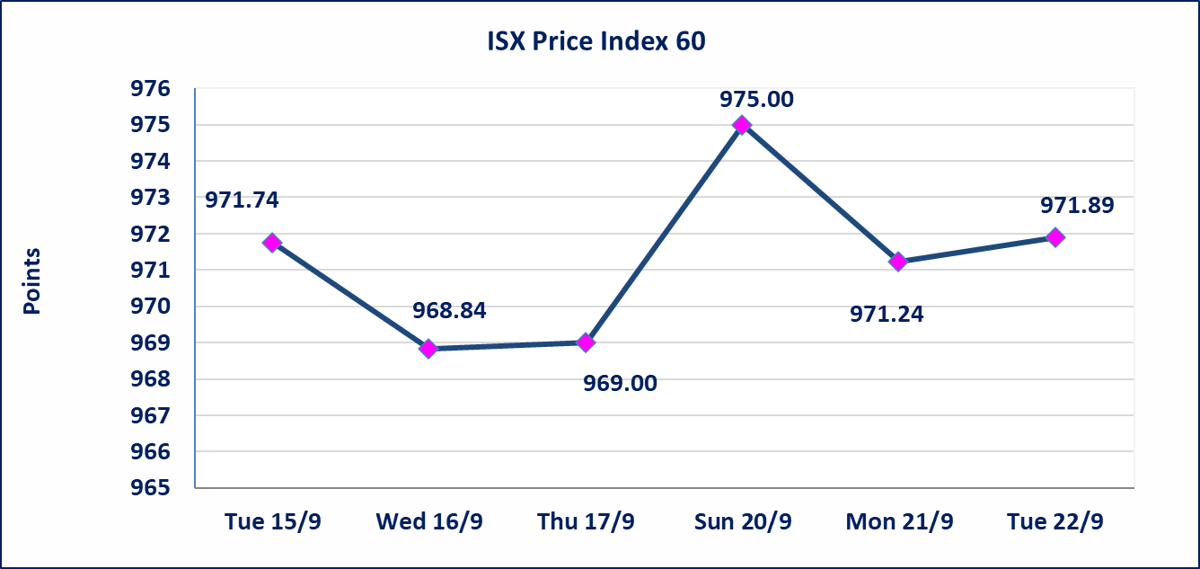
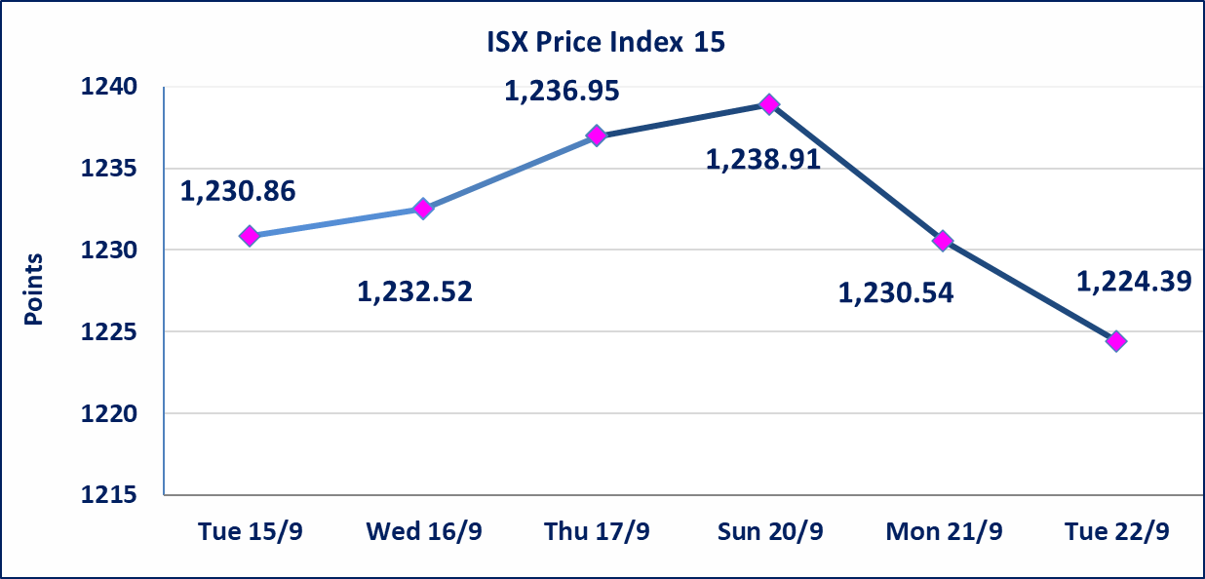

special orders |  | Baraem Al-Khair Brokerage Company executed an intentional cross order on the shares of Al-Ansari Bank, involving 24,950,000,000 shares with a total value of IQD 1,247,500,000, during the additional trading session (after 1:00 p.m.), in accordance with the procedures for executing block trades.
Al-Alwiya P.O . 3607 Mobile: 07711211522 - 07270094594 - 07834000034 E-mail: info-isx@isx-iq.net Web site:www.isx-iq.net

Top 5
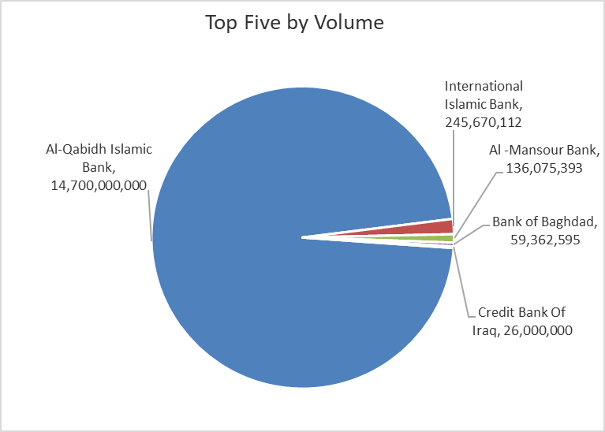
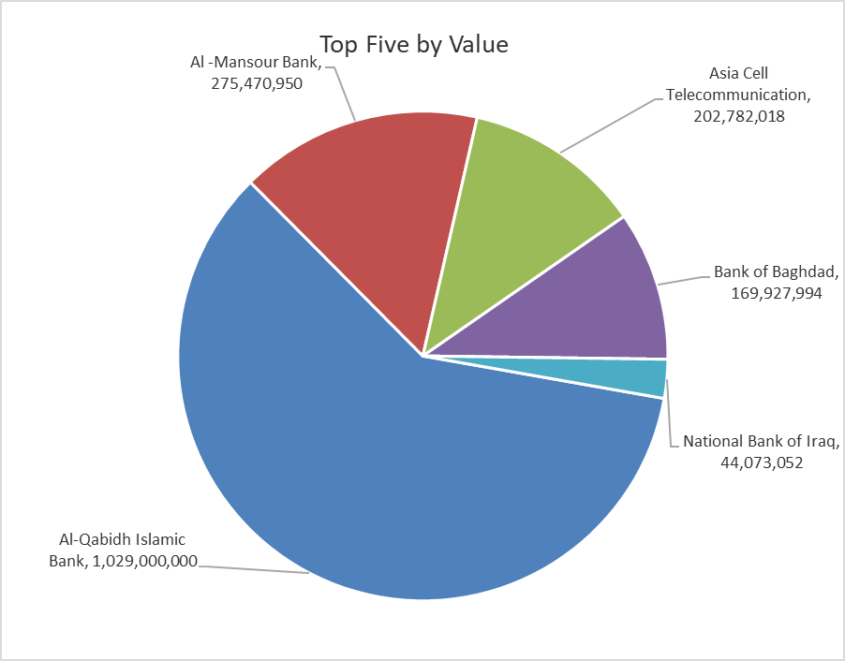
ISX top ganing and losing companies
Tuesday 22/9/2026
 | Gainers |  |  |  | Losers
 | Company Name | Closing Price | Change (%) | Traded Volume | Company Name | Closing Price | Change (%) | Traded Volume
 | Sumer Commercial Bank | 0.220 | 4.76 | 22,275,293 | Rehab Karbalaa | 0.450 | -10.00 | 110,000
 | Al-Hilal Industries | 1.450 | 3.57 | 6,896 | Al-Mosul for funfairs | 7.250 | -9.37 | 26,538
 | Al-Khatam Telecom | 3.850 | 2.67 | 227,765 | Dar Al-Salam for Insurance | 0.680 | -9.33 | 2,000,000
 | AL-Nukhba for Construction | 0.640 | 1.59 | 17,492 | International Islamic Bank | 0.100 | -9.09 | 245,670,112
 | Al-Ameen for Insurance | 0.850 | 1.19 | 115,882 | Al-Mansour Pharmaceuticals Industries | 2.180 | -3.11 | 382,896
 | The most active companies in term of traded volume and value

 | Traded Volume |  |  |  | Traded Value
 | Company Name | Closing Price | Change (%) | Traded Volume | Company Name | Closing Price | Change (%) | Traded Value
 | Al-Qabidh Islamic Bank | 0.070 | 0.00 | 14,700,000,000 | Al-Qabidh Islamic Bank | 0.070 | 0.00 | 1,029,000,000
 | International Islamic Bank | 0.100 | -9.09 | 245,670,112 | Al -Mansour Bank | 2.030 | 0.00 | 275,470,950
 | Al -Mansour Bank | 2.030 | 0.00 | 136,075,393 | Asia Cell Telecommunication | 15.400 | -1.60 | 202,782,018
 | Bank of Baghdad | 2.870 | 1.06 | 59,362,595 | Bank of Baghdad | 2.870 | 1.06 | 169,927,994
 | Credit Bank Of Iraq | 0.500 | 0.00 | 26,000,000 | National Bank of Iraq | 3.770 | 0.27 | 44,073,052

Non Iraqis

Iraq Stock Exchange
Non Iraqis' Bulletin Tuesday sept 22 2026
Regular Market

Non Iraqi Trading of Regular Market (Buy)
Company Names | Code | No.of trades | Traded Shares | Trading Volume
Banks Sector
Bank Of Baghdad | BBOB | 1 | 32,019 | 91,895
National Bank Of Iraq | BNOI | 6 | 1,675,000 | 6,313,369
Al-Mansour Bank | BMNS | 2 | 85,189 | 172,934
Total Bank sector |  | 9 | 1,792,208 | 6,578,197
Industry Sector
Baghdad Soft Drinks | IBSD | 1 | 15,000 | 93,000
Total Industry sector |  | 1 | 15,000 | 93,000
Telecommunication Sector
Asia cell | TASC | 3 | 183,388 | 2,859,753
Total Telecommunication sector |  | 3 | 183,388 | 2,859,753
Grand Total |  | 13 | 1,990,596 | 9,530,950

Non Iraqi Trading of Regular Market (Sell)
Company Names | Code | No.of trades | Traded Shares | Trading Volume
Banks Sector
Commercial Bank of Iraq | BCOI | 4 | 2,500,000 | 1,350,135
Bank Of Baghdad | BBOB | 1 | 1,000,000 | 2,840,000
National Bank Of Iraq | BNOI | 9 | 2,900,001 | 10,875,506
Al-Mansour Bank | BMNS | 4 | 1,000,000 | 2,020,000
Total Bank sector |  | 18 | 7,400,001 | 17,085,641
Industry Sector
Al-Mansour Pharmaceuticals Industries | IMAP | 11 | 250,000 | 545,907
Baghdad Soft Drinks | IBSD | 1 | 15,000 | 93,000
Total Industry sector |  | 12 | 265,000 | 638,907
Grand Total |  | 30 | 7,665,001 | 17,724,548

