Indices

 | Iraq Stock Exchange
 | Bulletin No (163)
 | ISX Trading Indices of Wednesday 16/9/2026

 | Traded Volume and OTC |  | 854,656,764 |  | Traded Value and OTC |  | 1,322,219,799 |  | Traders | 863
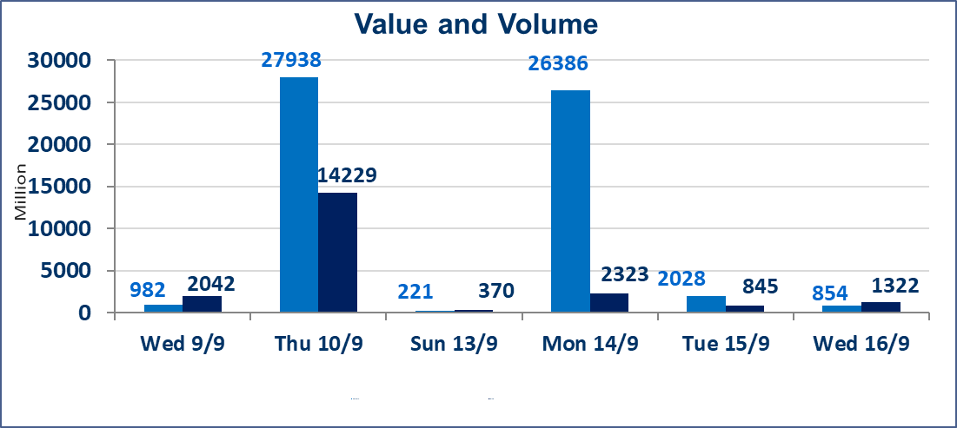
 | ISX Index 60 |  |  | 968.84 | ISX Index 15 |  |  | 1232.52
 | Previous ISX Index60 |  |  | 971.74 | Previous ISX Index15 |  |  | 1230.86
 | Change % |  |  | -0.30 | Change % |  |  | 0.13
 | Change |  |  | -2.90 | Change |  |  | 1.66

 | Listed Companies | 103 | OTC | 22 | Non Traded listed | 48 | OTC | 22
 | Traded Listed Companies | 41 | OTC | 0 | Higher Companies |  |  | 8
 | GAM Companies |  |  | 5 | Lower Companies |  |  | 10
 | Suspended Companies |  |  | 9
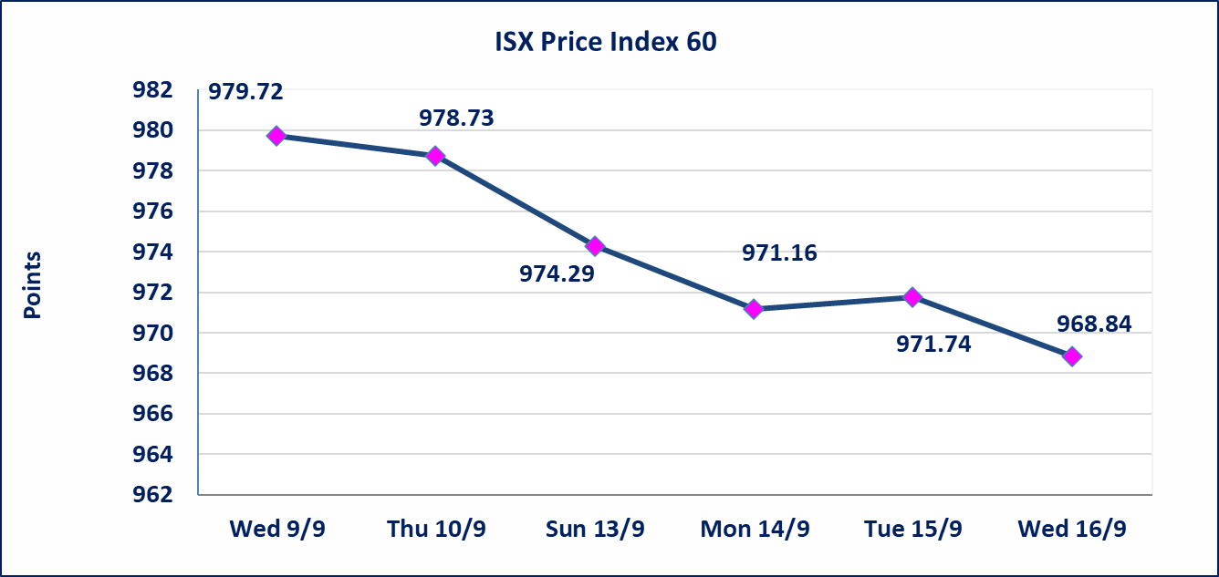
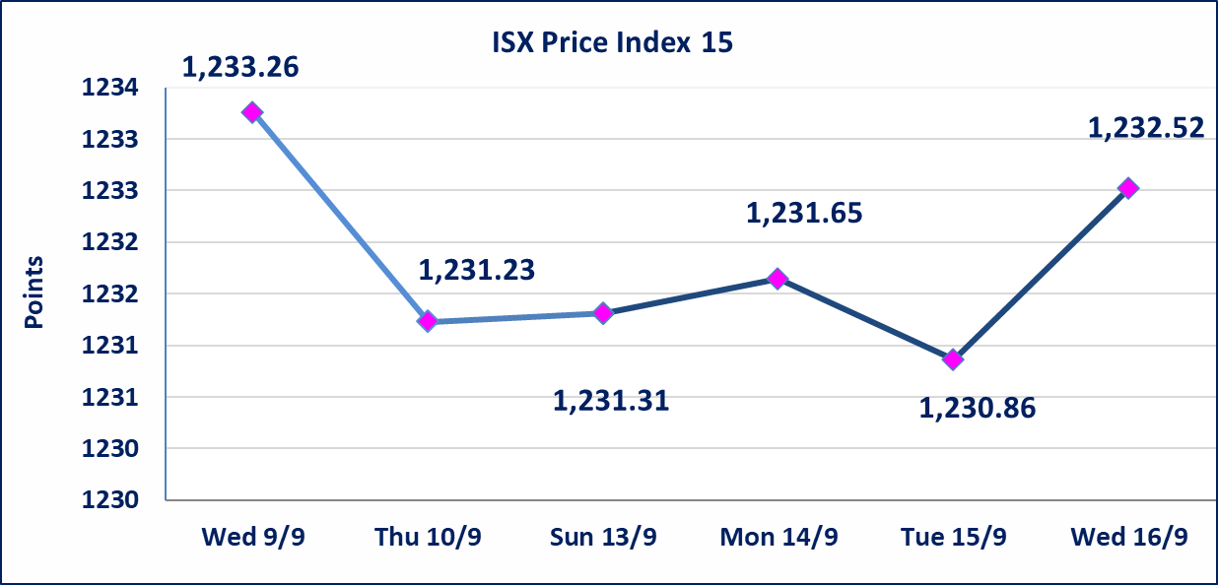

Al-Alwiya P.O . 3607 Mobile: 07711211522 - 07270094594 - 07834000034 E-mail: info-isx@isx-iq.net Web site:www.isx-iq.net

Top 5
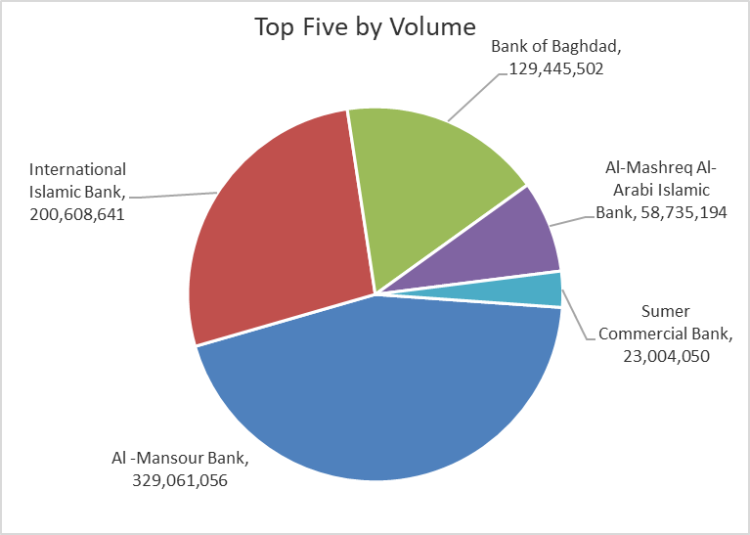
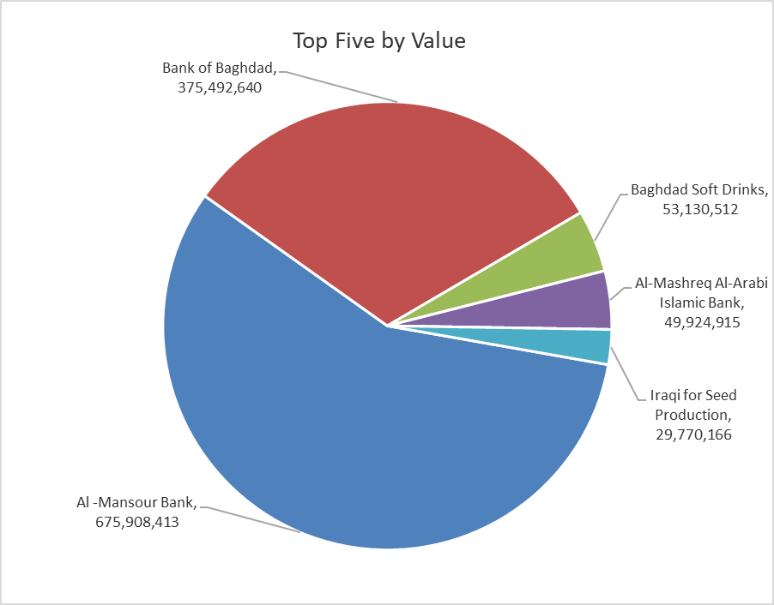
ISX top ganing and losing companies
Wednesday 16/9/2026
 | Gainers |  |  |  | Losers
 | Company Name | Closing Price | Change (%) | Traded Volume | Company Name | Closing Price | Change (%) | Traded Volume
 | Tourist Village of Mosul dam | 13.300 | 9.02 | 105 | Mansour Hotel | 56.310 | -6.15 | 77,769
 | National for Tourist Investment | 10.000 | 5.26 | 42,579 | Middle East for Production- Fish | 5.500 | -3.34 | 1,907
 | Mamoura Realestate | 2.320 | 0.87 | 110,106 | Iraqi for Seed Production | 5.150 | -2.65 | 5,720,139
 | Baghdad Soft Drinks | 6.120 | 0.66 | 8,676,404 | Iraqi Date Processing and Marketing | 2.040 | -2.39 | 1,129,074
 | National Bank of Iraq | 3.750 | 0.54 | 3,771,339 | Al-Hamraa for Insurance | 4.010 | -2.20 | 37,183
 | The most active companies in term of traded volume and value

 | Traded Volume |  |  |  | Traded Value
 | Company Name | Closing Price | Change (%) | Traded Volume | Company Name | Closing Price | Change (%) | Traded Value
 | Al -Mansour Bank | 2.060 | -0.48 | 329,061,056 | Al -Mansour Bank | 2.060 | -0.48 | 675,908,413
 | International Islamic Bank | 0.110 | 0.00 | 200,608,641 | Bank of Baghdad | 2.900 | 0.00 | 375,492,640
 | Bank of Baghdad | 2.900 | 0.00 | 129,445,502 | Baghdad Soft Drinks | 6.120 | 0.66 | 53,130,512
 | Al-Mashreq Al-Arabi Islamic Bank | 0.850 | 0.00 | 58,735,194 | Al-Mashreq Al-Arabi Islamic Bank | 0.850 | 0.00 | 49,924,915
 | Sumer Commercial Bank | 0.210 | 0.00 | 23,004,050 | Iraqi for Seed Production | 5.150 | -2.65 | 29,770,166

Non Iraqis

Iraq Stock Exchange
Non Iraqis' Bulletin Wednesday Sep 16 2026
Regular Market

Non Iraqi Trading of Regular Market (Buy)
Company Names | Code | No.of trades | Traded Shares | Trading Volume
Banks Sector
Bank Of Baghdad | BBOB | 1 | 34,137 | 98,997
National Bank Of Iraq | BNOI | 5 | 684,236 | 2,570,885
Total Bank sector |  | 6 | 718,373 | 2,669,882
Grand Total |  | 6 | 718,373 | 2,669,882

Non Iraqi Trading of Regular Market (Sell)
Company Names | Code | No.of trades | Traded Shares | Trading Volume
Agricultural Sector
Middle East Producing & Marketing - Fish | AMEF | 2 | 1,907 | 10,489
Total Agricultural Sector |  | 2 | 1,907 | 10,489
Grand Total |  | 2 | 1,907 | 10,489

