Indices

 | Iraq Stock Exchange
 | Bulletin No (169)
 | ISX Trading Indices of Thursday 24/9/2026

 | Traded Volume and OTC |  | 10,512,428,630 |  | Traded Value and OTC |  | 1,314,025,596 |  | Traders | 632

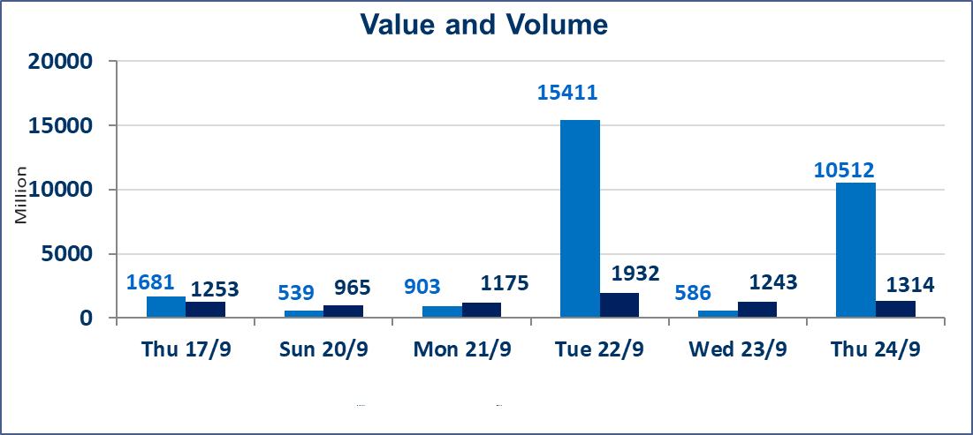
 | ISX Index 60 |  |  | 976.17 | ISX Index 15 |  |  | 1224.32
 | Previous ISX Index60 |  |  | 977.35 | Previous ISX Index15 |  |  | 1222.00
 | Change % |  |  | -0.12 | Change % |  |  | 0.19
 | Change |  |  | -1.18 | Change |  |  | 2.32

 | Listed Companies | 103 | OTC | 24 | Non Traded listed | 36 | OTC | 23
 | Traded Listed Companies | 51 | OTC | 1 | Higher Companies |  |  | 10
 | GAM Companies |  |  | 6 | Lower Companies |  |  | 19
 | Suspended Companies |  |  | 10
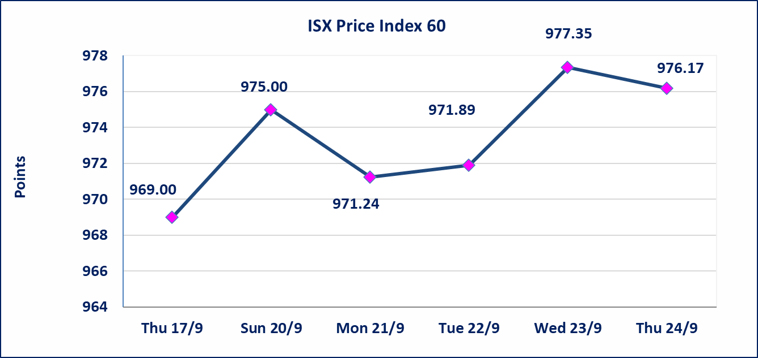
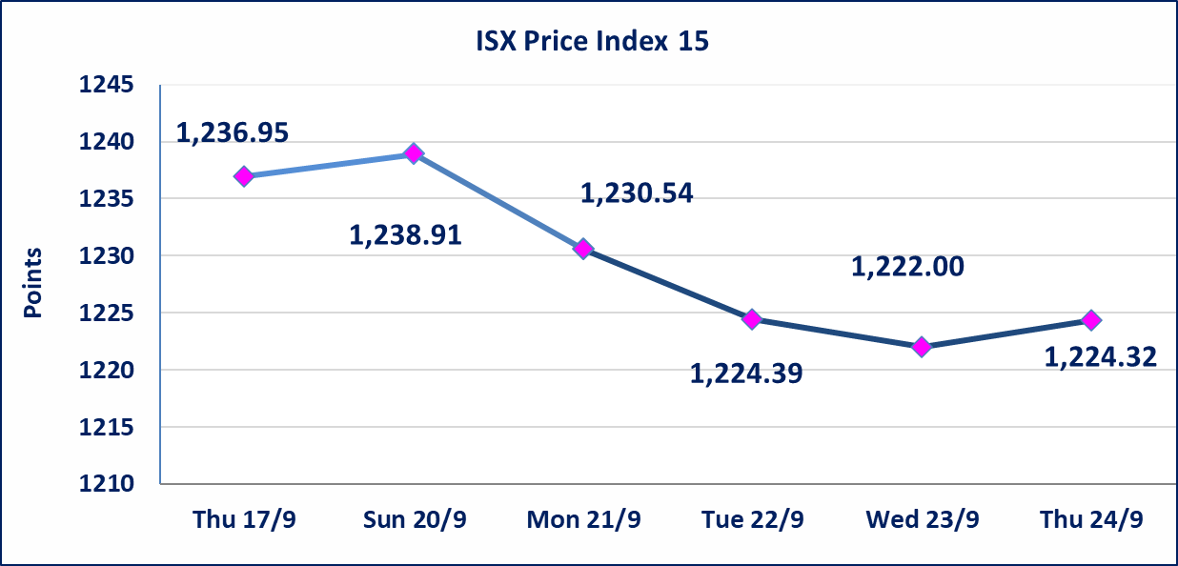

special orders |  | Baraem Al-Khair Brokerage Company executed an intentional cross order on the shares of Al-Qabidh Bank, involving 10,000,000,000 shares with a total value of IQD 700,000,000, during the additional trading session (after 1:00 p.m.), in accordance with the procedures for executing block trades.
Al-Alwiya P.O . 3607 Mobile: 07711211522 - 07270094594 - 07834000034 E-mail: info-isx@isx-iq.net Web site:www.isx-iq.net

Top 5
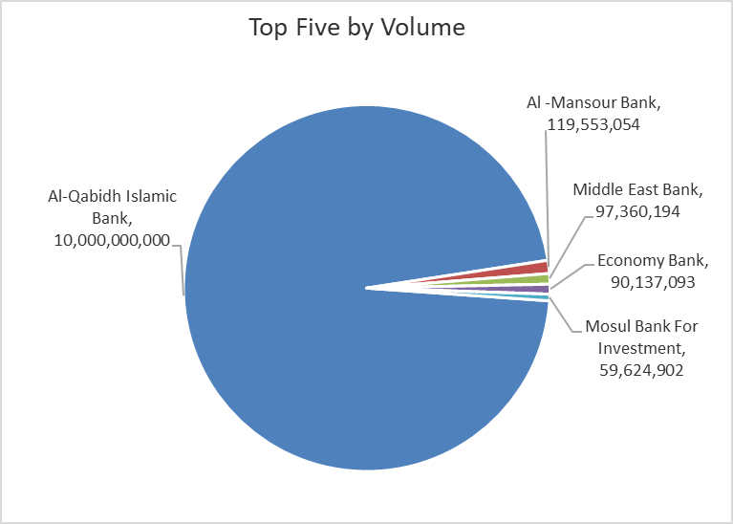
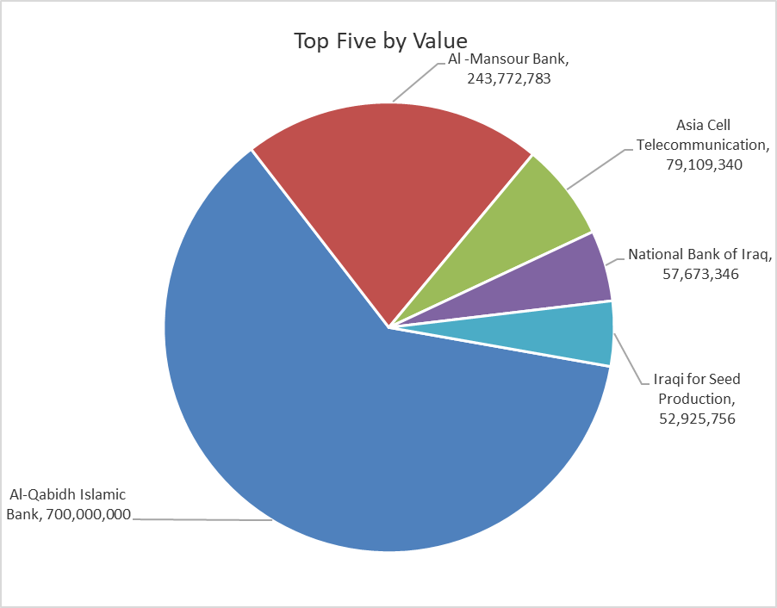
ISX top ganing and losing companies
Thursday 24/9/2026
 | Gainers |  |  |  | Losers
 | Company Name | Closing Price | Change (%) | Traded Volume | Company Name | Closing Price | Change (%) | Traded Volume
 | Al-Ataa Islamic Bank | 0.080 | 14.29 | 291,530 | Babil Animal & Vegetable Production | 7.600 | -9.52 | 57,651
 | Mansour Hotel | 59.500 | 3.39 | 89,385 | Modern for Animal Production | 0.350 | -7.89 | 74,268
 | Dar Al-Salam for Insurance | 0.700 | 2.94 | 2,000,000 | National for Tourist Investment | 9.250 | -6.57 | 45,000
 | Baghdad -Iraq Transportation | 19.800 | 2.06 | 281,458 | Al-Ameen for Insurance | 0.800 | -5.88 | 500,000
 | Al-Ameen Estate Investment | 1.480 | 1.37 | 439,079 | Economy Bank | 0.220 | -4.35 | 90,137,093
 | The most active companies in term of traded volume and value

 | Traded Volume |  |  |  | Traded Value
 | Company Name | Closing Price | Change (%) | Traded Volume | Company Name | Closing Price | Change (%) | Traded Value
 | Al-Qabidh Islamic Bank | 0.070 | 0.00 | 10,000,000,000 | Al-Qabidh Islamic Bank | 0.070 | 0.00 | 700,000,000
 | Al -Mansour Bank | 2.030 | -0.98 | 119,553,054 | Al -Mansour Bank | 2.030 | -0.98 | 243,772,783
 | Middle East Bank | 0.060 | 0.00 | 97,360,194 | Asia Cell Telecommunication | 15.200 | 0.53 | 79,109,340
 | Economy Bank | 0.220 | -4.35 | 90,137,093 | National Bank of Iraq | 3.770 | 0.00 | 57,673,346
 | Mosul Bank For Investment | 0.130 | 0.00 | 59,624,902 | Iraqi for Seed Production | 5.320 | -0.37 | 52,925,756

Non Iraqis

Iraq Stock Exchange
Non Iraqis' Bulletin Thursday sept 24 2026
Regular Market

Non Iraqi Trading of Regular Market (Buy)
Company Names | Code | No.of trades | Traded Shares | Trading Volume
Telecommunication Sector
Asia cell | TASC | 1 | 4,255 | 64,591
Total Telecommunication sector |  | 1 | 4,255 | 64,591
Grand Total |  | 1 | 4,255 | 64,591

