Indices

 | Iraq Stock Exchange
 | Bulletin No (188)
 | ISX Trading Indices of Sunday 25/10/2026

 | Traded Volume and OTC |  | 45,035,094,363 |  | Traded Value and OTC |  | 14,316,031,721 |  | Traders | 1055

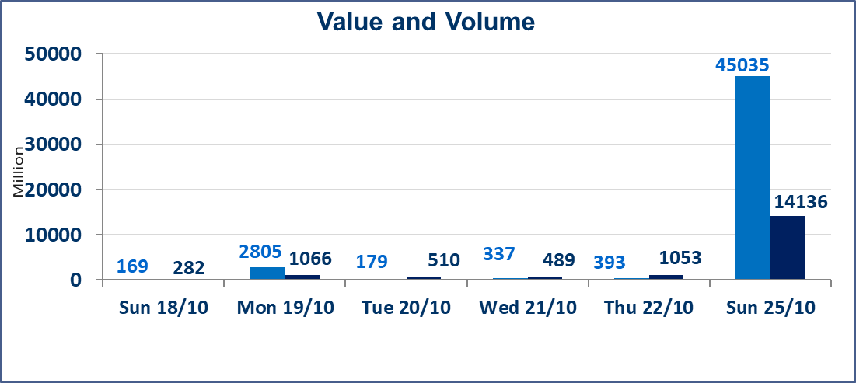
 | ISX Index 60 |  |  | 923.84 | ISX Index 15 |  |  | 1174.09
 | Previous ISX Index60 |  |  | 930.78 | Previous ISX Index15 |  |  | 1183.66
 | Change % |  |  | -0.75 | Change % |  |  | -0.81
 | Change |  |  | -6.94 | Change |  |  | -9.57

 | Listed Companies | 104 | OTC | 28 | Non Traded listed | 49 | OTC | 24
 | Traded Listed Companies | 42 | OTC | 3 | Higher Companies |  |  | 7
 | GAM Companies |  |  | 3 | Lower Companies |  |  | 19
 | Suspended Companies |  |  | 10 | GAM Companies |  |  | 1
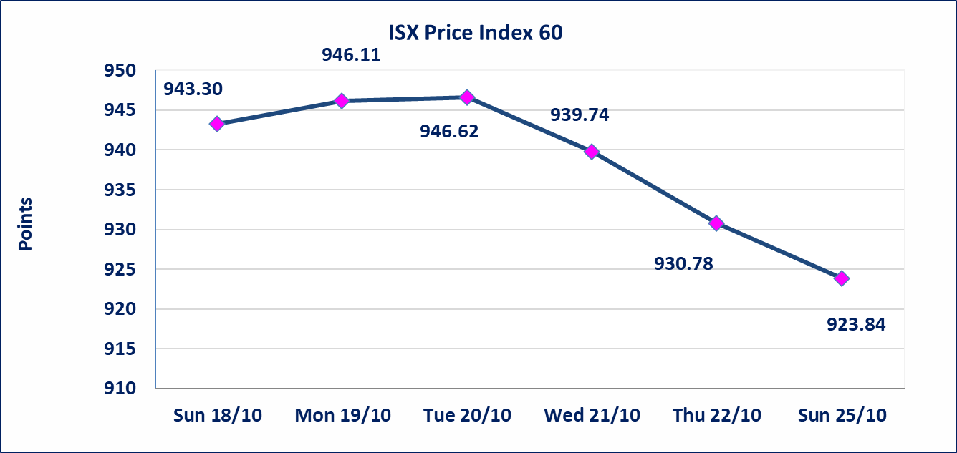
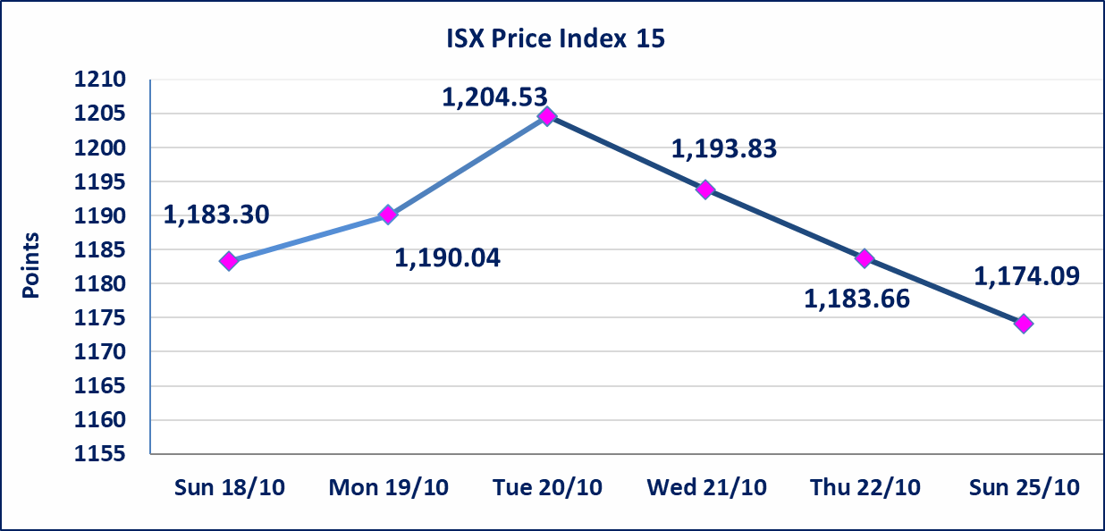

special orders |  | Al-Furat Brokerage Company (seller) and Elaf Brokerage Company (buyer) executed a special order on the shares of Elaf Bank, involving 6,849,552,401 shares, with a total value of IQD 2,054,865,720, during the additional trading session (after 1:00 p.m.), in accordance with the procedures for executing block trades.
special orders |  | Elaf Brokerage Company executed an intentional cross order on the shares of Elaf Bank, involving 37,565,937,664 shares, with a total value of IQD 11,269,781,299, during the additional trading session (after 1:00 p.m.), in accordance with the procedures for executing block trades.
Al-Alwiya P.O . 3607 Mobile: 07711211522 - 07270094594 - 07834000034 E-mail: info-isx@isx-iq.net Web site:www.isx-iq.net

Top 5
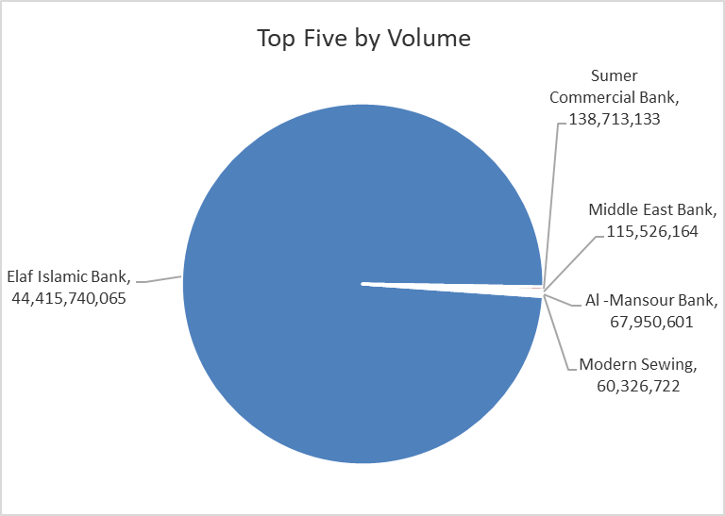
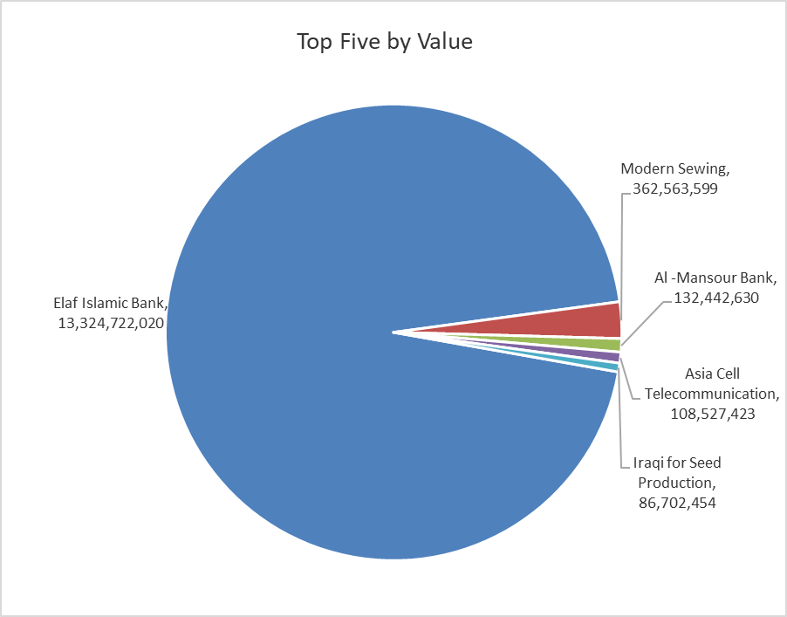
ISX top ganing and losing companies
Sunday 25/10/2026
 | Gainers |  |  |  | Losers
 | Company Name | Closing Price | Change (%) | Traded Volume | Company Name | Closing Price | Change (%) | Traded Volume
 | Elaf Islamic Bank | 0.300 | 20.00 | 44,415,740,065 | Mosul Bank For Investment | 0.110 | -8.33 | 13,000,000
 | Middle East Bank | 0.070 | 16.67 | 115,526,164 | International Islamic Bank | 0.160 | -5.88 | 2,381,112
 | Iraq Noor Islamic Bank for Investment | 0.220 | 10.00 | 204,036 | Iraqi Islamic Bank | 0.870 | -5.43 | 1,765,227
 | Mansour Hotel | 59.000 | 3.51 | 319 | General Transportation | 1.190 | -4.80 | 88,104
 | Gulf Commercial Bank | 0.310 | 3.33 | 52,020,275 | Sumer Commercial Bank | 0.200 | -4.76 | 138,713,133
 | The most active companies in term of traded volume and value

 | Traded Volume |  |  |  | Traded Value
 | Company Name | Closing Price | Change (%) | Traded Volume | Company Name | Closing Price | Change (%) | Traded Value
 | Elaf Islamic Bank | 0.300 | 20.00 | 44,415,740,065 | Elaf Islamic Bank | 0.300 | 20.00 | 13,324,722,020
 | Sumer Commercial Bank | 0.200 | -4.76 | 138,713,133 | Modern Sewing | 6.010 | 0.00 | 362,563,599
 | Middle East Bank | 0.070 | 16.67 | 115,526,164 | Al -Mansour Bank | 1.950 | -1.52 | 132,442,630
 | Al -Mansour Bank | 1.950 | -1.52 | 67,950,601 | Asia Cell Telecommunication | 14.880 | -0.80 | 108,527,423
 | Modern Sewing | 6.010 | 0.00 | 60,326,722 | Iraqi for Seed Production | 4.920 | -1.80 | 86,702,454

Non Iraqi

Iraq Stock Exchange
Non Iraqis' Bulletin Sunday Oct 25 2026
Regular Market

Non Iraqi Trading of Regular Market (Buy)
Company Names | Code | No.of trades | Traded Shares | Trading Volume
Banks Sector
Iraqi Middle East Investment Bank | BIME | 23 | 115,000,000 | 7,824,474
Total Bank sector |  | 23 | 115,000,000 | 7,824,474
Grand Total |  | 23 | 115000000 | 7824474

Non Iraqi Trading of Undisclosed Platform (Sell)
Company Names | Code | No.of trades | Traded Shares | Trading Volume
Banks Sector
Sumer Commerical Bank | BSUC | 58 | 137,563,133 | 27,512,627
Total Bank sector |  | 58 | 137,563,133 | 27,512,627
Grand Total |  | 58 | 137,563,133 | 27,512,627

