Sheet1
 | <9 yrs | 10 -19 yrs | 20-29 yrs | 30-39 yrs | 40-49 yrs | 50-59 yrs | 60-69 yrs | 70-79 yrs | 80-89 yrs | >90 yrs | Totals
At-Home Cases | 2235 | 3705 | 6656 | 6807 | 5357 | 4564 | 2231 | 861 | 386 | 230 | 33,029
Hospitalized Cases | 23 | 15 | 38 | 38 | 38 | 105 | 761 | 501 | 412 | 137 | 2,066
Deaths | 0 | 0 | 0 | 1 | 8 | 19 | 52 | 69 | 118 | 89 | 356
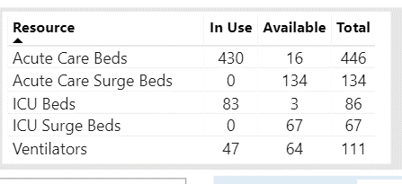
Cases | 2257 | 3720 | 6693 | 6845 | 5402 | 4688 | 3044 | 1431 | 916 | 455 | 32,673
San Mateo County COVID-19 Cases By Age Population: 750K Total Cumlative Cases: 33,029 Total Deaths: 356

Overall Hospital Utilization
Acute Beds ...........96%
Acute with Surge...74%
ICU Beds................97%
ICU with Surge.......54%
Ventilators ............42%

1 Death

3 D

13 D
44 D
 |  |  |  |  |  |  |  |  |  |  |  | Acute Beds | 96%
 |  |  |  |  |  |  |  |  |  |  |  | Acute with Surge | 74%
 |  |  |  |  |  |  |  |  |  |  |  | ICU Beds | 97%
27 D
 |  |  |  |  |  |  |  |  |  |  |  | ICE with Surge | 54%
 |  |  |  |  |  |  |  |  |  |  |  | Ventilators | 42%

28 D

55 D

Creator: Thomas Cottrell Updated 12/2/20

