Class B
Class B Subnetting
Default Network 172.16.0.0/16
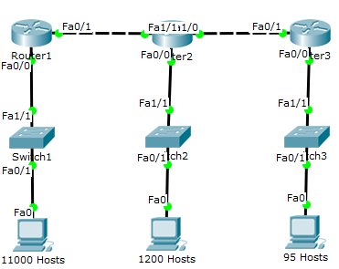
 |  |  | 3rd Octet |  |  |  |  |  |  |  | 4th Octet
/17 | /18 | /19 | /20 | /21 | /22 | /23 | /24 | /25 | /26 | /27 | /28 | /29 | /30 |  |  | CIDR
128 | 64 | 32 | 16 | 8 | 4 | 2 | 1 | 128 | 64 | 32 | 16 | 8 | 4 | 2 | 1
32768 | 16384 | 8192 | 4096 | 2048 | 1024 | 512 | 256 | 128 | 64 | 32 | 16 | 8 | 4 | 2 | 1 | HOST

 | Network |  | Range |  |  |  |  | Broadcast |  | Subnet Mask
11000
1200
95
2
2

Class C
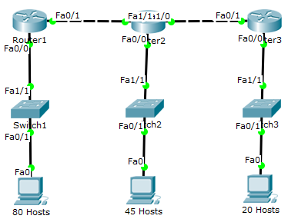
Class C Subnetting
Default Network 192.168.1.0/24

 |  |  |  |  | 4th Octet
 |  | CIDR | /25 | /26 | /27 | /28 | /29 | /30
 |  |  | 128 | 64 | 32 | 16 | 8 | 4 | 2 | 1
 |  | Host | 128 | 64 | 32 | 16 | 8 | 4 | 2 | 1

 | Network |  | Range |  |  |  |  | Broadcast |  | Subnet Mask
80
45
20
2
2

