website speed metrics
 | Website Speed Metrics
 | Domain | Onlinestss.com
 | Date |  |  | / | /product-category | /compare | /wishlist | /shop | /product | /my-account
Measures | Metric | Explanation | Target
Perceived load speed. When the main content has loaded | Largest Contentful Paint (LCP) | Measures how long it takes for the largest visible element (image, text block, etc.) to load. | Under 2.5s (Good), 2.5-4s (Needs Improvement), Over 4s (Poor)
connection setup time and web server responsiveness in both the lab and the field. It helps identify when a web server is too slow to respond to requests. | Time to First Byte (TTFB) | Time between the user request and the first byte received from the server. Not a CWV | Under 800ms is ideal.
Perceived load speed. Includes TTFB, which is server dependent | First Contentful Paint (FCP) | Time when the first visible content appears on the screen. | Under 1.8s (Good)
It is a relative index of load speed | Speed Index | Measures how quickly content is visually displayed during load. | Under 3.4s (Good)
Measures largest burst of layout shift scores | Cumulative Layout Shift (CLS) | Measures unexpected layout shifts during loading. | Below 0.1 (Good)
 | Total Blocking Time (TBT) | Measures the total time the page is unresponsive due to JavaScript execution. | Under 200ms.
measures responsiveness to interaction | Interaction to Next Paint (INP) (New Core Web Vital replacing FID in 2024) | Measures overall responsiveness by tracking the longest delay between user interaction and visual response. | Under 200ms (Good)
 | Redirect Duration | Time spent following HTTP redirects before loading the final page. | 0ms (Avoid redirects when possible)
 | Connection Duration | Time taken to establish a connection with the server (DNS lookup, TLS handshake). | Under 100ms.
 | Backend Duration | Time spent on the server processing the request before sending a response. | Under 500ms.
 | Fully Loaded Time | Time when all resources (images, scripts, etc.) have loaded completely. | Under 3 seconds for best performance.
User-Initiated Actions
1 | Load checkout page
2 | Make an order
3 | Change 'sort by' consumables
4 | Login fail
5 | Login 2 home page fully loaded

Tests
4G | Samsung Galaxy, chrome
Cable | Chrome desktop

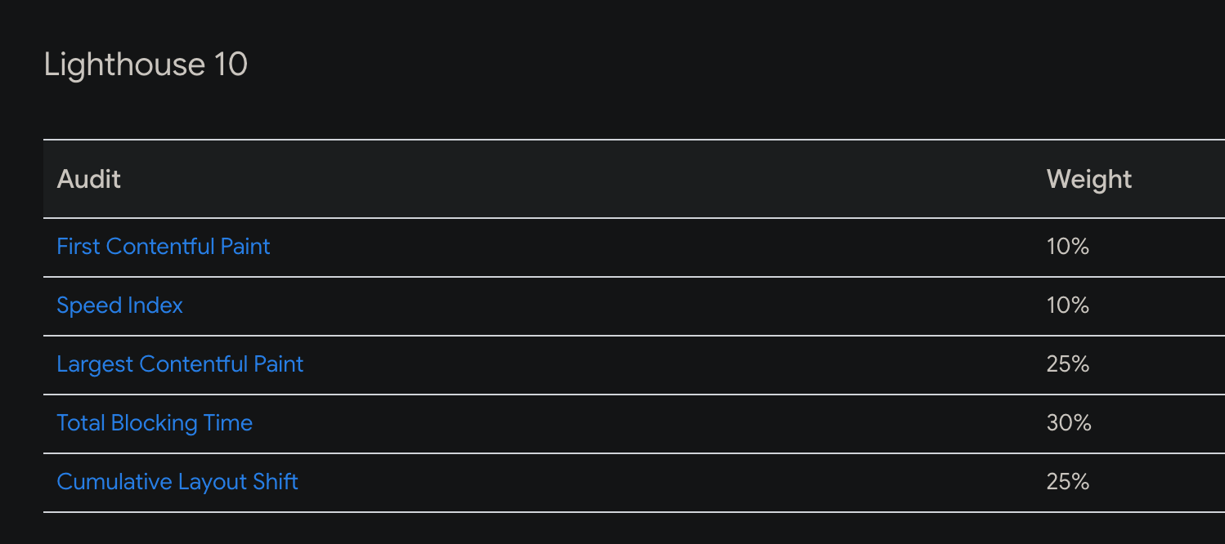

https://developer.chrome.com/docs/lighthouse/performance/performance-scoring

