Meta_Stats
FCDMC Official Precipitation Record |  |  |  | Click the Image Below to Locate the Gage in Google Maps® |  | Updated: | 2024-12-19

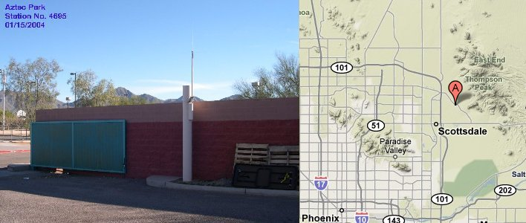
Station Name: | Aztec Park |  |  |  | Water Year | Water-Year Precip. (in) | Monsoon Precip. (in)
Gage ID # History: | 59700; 4695 prior to 2/20/2018 |  |  |  | 1998 |  | 1.50
 |  |  |  |  | 1999 | 7.60 | 4.17
Station Type: | Rain |  |  |  | 2000 | 3.86 | 1.10
Years Since Installation: | 26.64 | as of | 2024-10-01 |  | 2001 | 9.45 | 1.18
Data Begins: | 1998-02-09 |  |  |  | 2002 | 2.56 | 1.18
In or Nearest City/Town: | Scottsdale |  |  |  | 2003 | 8.03 | 1.46
County: | Maricopa |  |  |  | 2004 | 8.27 | 1.54
Latitude: | 33° 36’ 36.2” | 33.61006 |  |  | 2005 | 13.94 | 3.54
Longitude: | 111° 51’ 55.6” | -111.86545 |  |  | 2006 | 5.75 | 3.94
Elevation: | 1,465 ft. |  |  |  | 2007 | 3.27 | 0.51
Location: | Near Thunderbird & Frank Lloyd Wright |  |  |  | 2008 | 11.54 | 3.82
Average Annual Precipitation for 26 Complete Years (in): |  |  | 7.48 |  | 2009 | 5.83 | 0.98
Water-Year & Monsoon Precipitation Totals
1998 |  | 1.50
1999 | 7.60 | 4.17
2000 | 3.86 | 1.10
2001 | 9.45 | 1.18
2002 | 2.56 | 1.18
2003 | 8.03 | 1.46
2004 | 8.27 | 1.54
2005 | 13.94 | 3.54
2006 | 5.75 | 3.94
2007 | 3.27 | 0.51
2008 | 11.54 | 3.82
2009 | 5.83 | 0.98
2010 | 6.97 | 0.94
2011 | 5.43 | 1.14
2012 | 4.92 | 1.89
2013 | 8.70 | 2.72
2014 | 10.28 | 6.42
2015 | 8.35 | 2.09
2016 | 6.65 | 2.99
2017 | 7.48 | 1.97
2018 | 3.74 | 2.80
2019 | 11.50 | 2.28
2020 | 8.78 | 0.12
2021 | 10.91 | 9.06
2022 | 6.93 | 3.54
2023 | 6.81 | 0.47
2024 | 6.97 | 1.54
Data - Incomplete Months: | None |  |  |  | 2010 | 6.97 | 0.94
Data - Missing Months: | None |  |  |  | 2011 | 5.43 | 1.14
Remarks: | Records Good |  |  |  | 2012 | 4.92 | 1.89
 |  |  |  |  | 2013 | 8.70 | 2.72
Point Precipitation Frequency Estimates |  |  |  |  | 2014 | 10.28 | 6.42
Click for Annual Maximum Series Statistics at this Gage in Tabular |  |  |  |  | 2015 | 8.35 | 2.09
and Graphical Formats from NOAA Atlas 14, Volume 1, Version 5 |  |  |  |  | 2016 | 6.65 | 2.99
 |  |  |  |  | 2017 | 7.48 | 1.97
Number of storms greater than: |  |  |  |  | 2018 | 3.74 | 2.80
 | 1 inch in 24 hours: | 35 |  |  | 2019 | 11.50 | 2.28
 | 2 inches in 24 hours: | 4 |  |  | 2020 | 8.78 | 0.12
 | 3 inches in 24 hours: | 0 |  |  | 2021 | 10.91 | 9.06
 |  |  |  |  | 2022 | 6.93 | 3.54
 |  |  | Return Period |  | 2023 | 6.81 | 0.47
Frequency Statistics | Inches | Date | (years) |  | 2024 | 6.97 | 1.54
Greatest 15-min. total: | 0.91 | 08/02/2005 | 20 |  | 2025
Greatest 1 hour total: | 1.30 | 08/12/2022 | 10 |  | 2026
Greatest 3 hour total: | 1.50 | 09/27/2014 | 9 |  | 2027
Greatest 6 hour total: | 1.57 | 09/08/2014 | 6 |  | 2028
Greatest 24 hour total: | 2.64 | 10/02/2018 | 14 |  | Red: One or more months in the year/period contain partial or missing data.
Greatest 72 hour total: | 3.35 | 08/13/2021 | 15

Flood Control District of Maricopa County, 2801 W. Durango St., Phoenix, AZ 85009 (602) 506-1501

FREQ_Plot
Depth - Duration Plots
Duration (hrs) | Max Recorded (in) | Return Period (yrs) | Log Return Period | N14 P100 (in)
0.25 | 0.91 | 20 | 1.30 | 1.23
1 | 1.30 | 10 | 1.00 | 2.05
3 | 1.50 | 9 | 0.95 | 2.48
6 | 1.57 | 6 | 0.78 | 2.74
24 | 2.64 | 14 | 1.15 | 3.80
72 | 3.35 | 15 | 1.18 | 4.83
 |  |  | 11.46

Aztec Park - 1,465 ft.

WY-DD
Aztec Park: Days with Rain by Water-Year
2025
2024 | Days w/ Rain
2023 | 1998 | 25
2022 | 1999 | 31
2021 | 2000 | 11
2020 | 2001 | 41
2019 | 2002 | 17
2018 | 2003 | 30
2017 | 2004 | 22
2016 | 2005 | 45
2015 | 2006 | 19
2014 | 2007 | 26
2013 | 2008 | 31
2012 | 2009 | 29
2011 | 2010 | 29
2010 | 2011 | 25
2009 | 2012 | 30
2008 | 2013 | 26
2007 | 2014 | 25
2006 | 2015 | 32
2005 | 2016 | 29
2004 | 2017 | 30
2003 | 2018 | 18
2002 | 2019 | 33
2001 | 2020 | 27
2000 | 2021 | 27
1999 | 2022 | 27
1998 | 2023 | 31
 | 2024 | 28

