Sheet2
Point No. | Time | Temperature | Shear Stress | Viscosity | Torque | Status

 | [min] | [°C] | [Pa] | [mPa·s] | [mN·m]
1 | 0.5 | 49.95 | 27124 | 2.49E+07 | 125 | WMa,Dy_auto
2 | 1 | 52.74 | 27124 | 2.63E+07 | 125 | WMa,Dy_auto
3 | 1.5 | 55.71 | 27124 | 2.35E+07 | 125 | WMa,Dy_auto
4 | 2 | 58.55 | 27124 | 1.81E+07 | 125 | WMa,Dy_auto
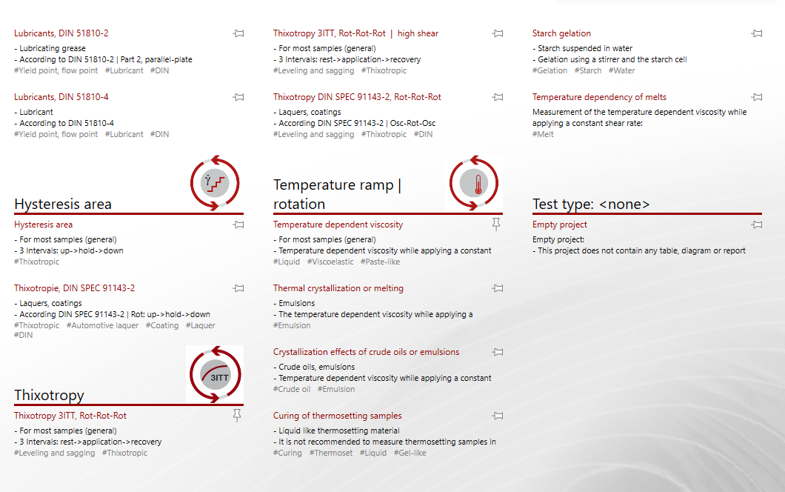
5 | 2.5 | 61.33 | 27124 | 1.16E+07 | 125 | WMa,Dy_auto
6 | 3 | 64.09 | 27124 | 8.42E+06 | 125 | WMa,Dy_auto
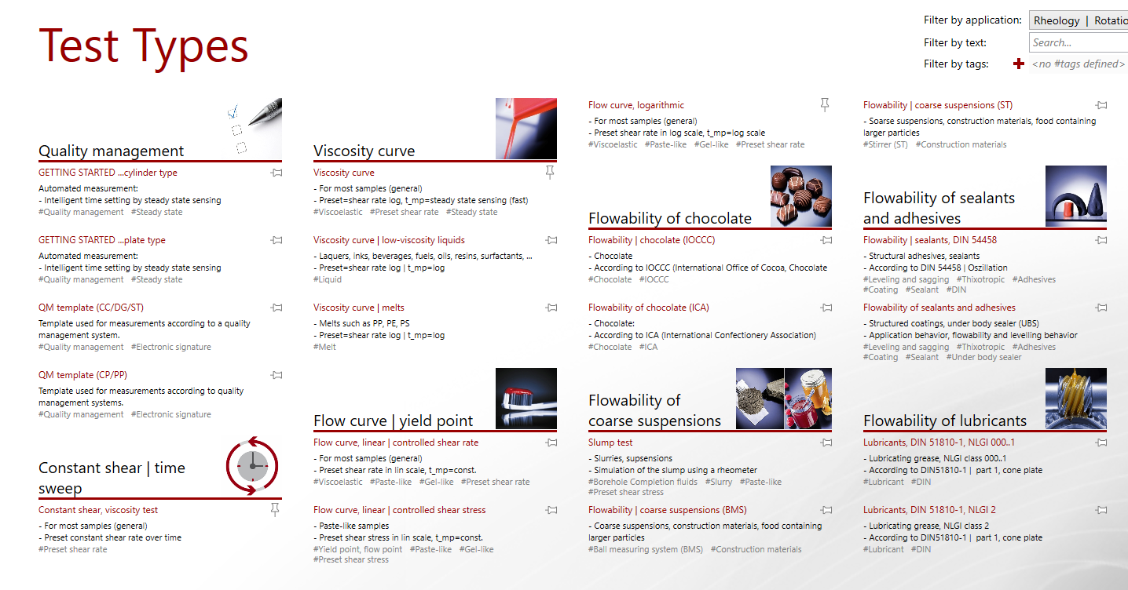
7 | 3.5 | 66.83 | 27124 | 6.38E+06 | 125 | WMa,Dy_auto
8 | 4 | 69.56 | 27124 | 5.01E+06 | 125 | WMa,Dy_auto
9 | 4.5 | 72.29 | 27124 | 2.90E+06 | 125 | WMa,Dy_auto
10 | 5 | 75.03 | 27124 | 1.22E+06 | 125 | WMa,Dy_auto
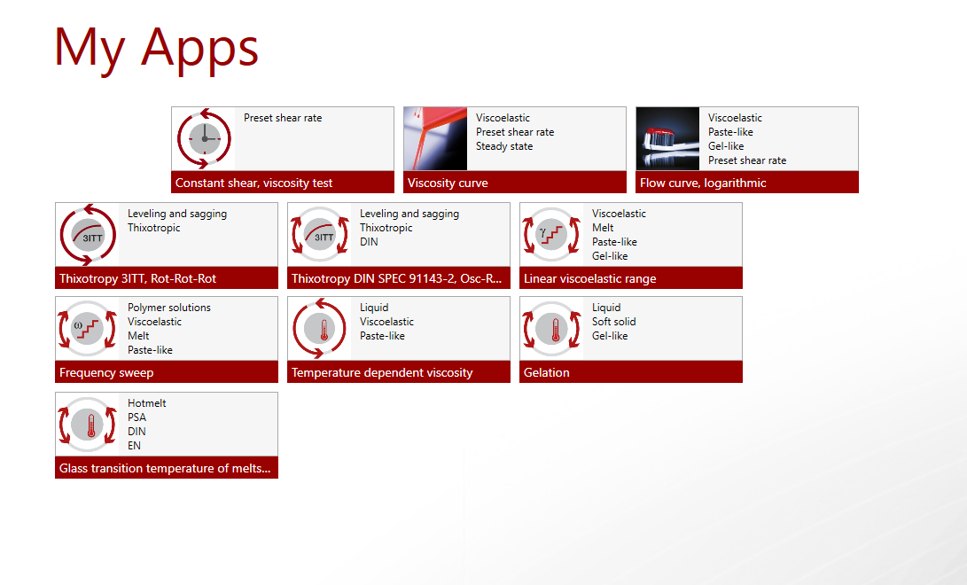
11 | 5.5 | 77.77 | 26555 | 7.44E+05 | 122.38 | Dy_auto
12 | 6 | 80.49 | 15679 | 3.14E+05 | 72.255 | Dy_auto

