nofan
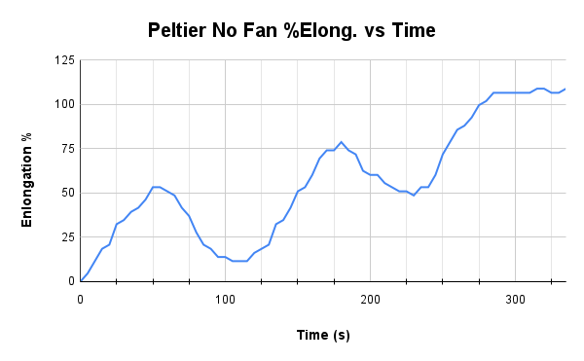
Time | Length | temp | cube mm | base length | sample height | total height | enlongation % | Velocity of elongation in meters | V in mm | Power using velocity in meters for watts | Peltier ran at 2A, 7V cap (13W~)
0 | 0.43 | 26.2 | 57.3 | 0.43 | 5.75 | 5.75 | 0 | m/s | mm/s | watts | 0-50s Hot
5 | 0.432 | 32.5 | 57.3 | 0.43 | 5.75 | 6.0165116279 | 4.6349848332 | 0.0004 | 0.4 | 3.73576E-05 | 50-60s No current
10 | 0.435 | 42.6 | 57.3 | 0.43 | 5.75 | 6.4162790698 | 11.587462083 | 0.0006 | 0.6 | 5.60364E-05 | 60-110s Cold
15 | 0.438 | 50.5 | 57.3 | 0.43 | 5.75 | 6.8160465116 | 18.539939333 | 0.0006 | 0.6 | 5.60364E-05 | 110-120s No Current
20 | 0.439 | 57.1 | 57.3 | 0.43 | 5.75 | 6.9493023256 | 20.857431749 | 0.0002 | 0.2 | 1.86788E-05 | 120-165s Hot
25 | 0.444 | 62.6 | 57.3 | 0.43 | 5.75 | 7.6155813953 | 32.444893832 | 0.001 | 1 | 0.000093394 | 165-175s No Current
30 | 0.445 | 66.2 | 57.3 | 0.43 | 5.75 | 7.7488372093 | 34.762386249 | 0.0002 | 0.2 | 1.86788E-05 | 175-225s Cold
35 | 0.447 | 69.5 | 57.3 | 0.43 | 5.75 | 8.0153488372 | 39.397371082 | 0.0004 | 0.4 | 3.73576E-05 | 225-235s No Current
40 | 0.448 | 71.6 | 57.3 | 0.43 | 5.75 | 8.1486046512 | 41.714863498 | 0.0002 | 0.2 | 1.86788E-05 | 235-285s Hot
45 | 0.45 | 73.1 | 57.3 | 0.43 | 5.75 | 8.4151162791 | 46.349848332 | 0.0004 | 0.4 | 3.73576E-05 | 285-295s No Current
50 | 0.453 | 75.3 | 57.3 | 0.43 | 5.75 | 8.8148837209 | 53.302325581 | 0.0006 | 0.6 | 5.60364E-05 | 295-335s Cold
55 | 0.453 | 71.4 | 57.3 | 0.43 | 5.75 | 8.8148837209 | 53.302325581 | 0 | 0 | 0
60 | 0.452 | 63.2 | 57.3 | 0.43 | 5.75 | 8.681627907 | 50.984833165 | -0.0002 | -0.2 | -1.86788E-05 | mass for the weight is 9.53 grams
65 | 0.451 | 48.7 | 57.3 | 0.43 | 5.75 | 8.548372093 | 48.667340748 | -0.0002 | -0.2 | -1.86788E-05 | or .00953 kilograms
70 | 0.448 | 36.8 | 57.3 | 0.43 | 5.75 | 8.1486046512 | 41.714863498 | -0.0006 | -0.6 | -5.60364E-05
75 | 0.446 | 29.5 | 57.3 | 0.43 | 5.75 | 7.8820930233 | 37.079878665 | -0.0004 | -0.4 | -3.73576E-05
80 | 0.442 | 24.8 | 57.3 | 0.43 | 5.75 | 7.3490697674 | 27.809908999 | -0.0008 | -0.8 | -7.47152E-05
85 | 0.439 | 21.6 | 57.3 | 0.43 | 5.75 | 6.9493023256 | 20.857431749 | -0.0006 | -0.6 | -5.60364E-05
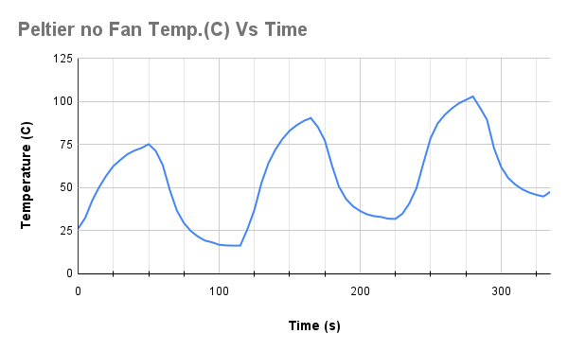
90 | 0.438 | 19.3 | 57.3 | 0.43 | 5.75 | 6.8160465116 | 18.539939333 | -0.0002 | -0.2 | -1.86788E-05
95 | 0.436 | 18.3 | 57.3 | 0.43 | 5.75 | 6.5495348837 | 13.904954499 | -0.0004 | -0.4 | -3.73576E-05
100 | 0.436 | 16.9 | 57.3 | 0.43 | 5.75 | 6.5495348837 | 13.904954499 | 0 | 0 | 0
105 | 0.435 | 16.5 | 57.3 | 0.43 | 5.75 | 6.4162790698 | 11.587462083 | -0.0002 | -0.2 | -1.86788E-05
110 | 0.435 | 16.4 | 57.3 | 0.43 | 5.75 | 6.4162790698 | 11.587462083 | 0 | 0 | 0
115 | 0.435 | 16.4 | 57.3 | 0.43 | 5.75 | 6.4162790698 | 11.587462083 | 0 | 0 | 0
120 | 0.437 | 25.8 | 57.3 | 0.43 | 5.75 | 6.6827906977 | 16.222446916 | 0.0004 | 0.4 | 3.73576E-05
125 | 0.438 | 37.1 | 57.3 | 0.43 | 5.75 | 6.8160465116 | 18.539939333 | 0.0002 | 0.2 | 1.86788E-05
130 | 0.439 | 52.7 | 57.3 | 0.43 | 5.75 | 6.9493023256 | 20.857431749 | 0.0002 | 0.2 | 1.86788E-05
135 | 0.444 | 64.3 | 57.3 | 0.43 | 5.75 | 7.6155813953 | 32.444893832 | 0.001 | 1 | 0.000093394
140 | 0.445 | 72.3 | 57.3 | 0.43 | 5.75 | 7.7488372093 | 34.762386249 | 0.0002 | 0.2 | 1.86788E-05
145 | 0.448 | 78.4 | 57.3 | 0.43 | 5.75 | 8.1486046512 | 41.714863498 | 0.0006 | 0.6 | 5.60364E-05
150 | 0.452 | 83.1 | 57.3 | 0.43 | 5.75 | 8.681627907 | 50.984833165 | 0.0008 | 0.8 | 7.47152E-05
155 | 0.453 | 86.3 | 57.3 | 0.43 | 5.75 | 8.8148837209 | 53.302325581 | 0.0002 | 0.2 | 1.86788E-05
160 | 0.456 | 88.8 | 57.3 | 0.43 | 5.75 | 9.2146511628 | 60.254802831 | 0.0006 | 0.6 | 5.60364E-05
165 | 0.46 | 90.5 | 57.3 | 0.43 | 5.75 | 9.7476744186 | 69.524772497 | 0.0008 | 0.8 | 7.47152E-05
170 | 0.462 | 85.3 | 57.3 | 0.43 | 5.75 | 10.014186047 | 74.159757331 | 0.0004 | 0.4 | 3.73576E-05
175 | 0.462 | 77.4 | 57.3 | 0.43 | 5.75 | 10.014186047 | 74.159757331 | 0 | 0 | 0
180 | 0.464 | 63 | 57.3 | 0.43 | 5.75 | 10.280697674 | 78.794742164 | 0.0004 | 0.4 | 3.73576E-05
185 | 0.462 | 50.6 | 57.3 | 0.43 | 5.75 | 10.014186047 | 74.159757331 | -0.0004 | -0.4 | -3.73576E-05
190 | 0.461 | 43.5 | 57.3 | 0.43 | 5.75 | 9.8809302326 | 71.842264914 | -0.0002 | -0.2 | -1.86788E-05
195 | 0.457 | 39.2 | 57.3 | 0.43 | 5.75 | 9.3479069767 | 62.572295248 | -0.0008 | -0.8 | -7.47152E-05
200 | 0.456 | 36.5 | 57.3 | 0.43 | 5.75 | 9.2146511628 | 60.254802831 | -0.0002 | -0.2 | -1.86788E-05
205 | 0.456 | 34.5 | 57.3 | 0.43 | 5.75 | 9.2146511628 | 60.254802831 | 0 | 0 | 0
210 | 0.454 | 33.5 | 57.3 | 0.43 | 5.75 | 8.9481395349 | 55.619817998 | -0.0004 | -0.4 | -3.73576E-05
215 | 0.453 | 33 | 57.3 | 0.43 | 5.75 | 8.8148837209 | 53.302325581 | -0.0002 | -0.2 | -1.86788E-05
220 | 0.452 | 32 | 57.3 | 0.43 | 5.75 | 8.681627907 | 50.984833165 | -0.0002 | -0.2 | -1.86788E-05
225 | 0.452 | 31.9 | 57.3 | 0.43 | 5.75 | 8.681627907 | 50.984833165 | 0 | 0 | 0
230 | 0.451 | 34.9 | 57.3 | 0.43 | 5.75 | 8.548372093 | 48.667340748 | -0.0002 | -0.2 | -1.86788E-05
235 | 0.453 | 41 | 57.3 | 0.43 | 5.75 | 8.8148837209 | 53.302325581 | 0.0004 | 0.4 | 3.73576E-05
240 | 0.453 | 49.8 | 57.3 | 0.43 | 5.75 | 8.8148837209 | 53.302325581 | 0 | 0 | 0
245 | 0.456 | 64.6 | 57.3 | 0.43 | 5.75 | 9.2146511628 | 60.254802831 | 0.0006 | 0.6 | 5.60364E-05
250 | 0.461 | 78.8 | 57.3 | 0.43 | 5.75 | 9.8809302326 | 71.842264914 | 0.001 | 1 | 0.000093394
255 | 0.464 | 87.3 | 57.3 | 0.43 | 5.75 | 10.280697674 | 78.794742164 | 0.0006 | 0.6 | 5.60364E-05
260 | 0.467 | 92.3 | 57.3 | 0.43 | 5.75 | 10.680465116 | 85.747219414 | 0.0006 | 0.6 | 5.60364E-05
265 | 0.468 | 96 | 57.3 | 0.43 | 5.75 | 10.81372093 | 88.06471183 | 0.0002 | 0.2 | 1.86788E-05
270 | 0.47 | 99 | 57.3 | 0.43 | 5.75 | 11.080232558 | 92.699696663 | 0.0004 | 0.4 | 3.73576E-05
275 | 0.473 | 101 | 57.3 | 0.43 | 5.75 | 11.48 | 99.652173913 | 0.0006 | 0.6 | 5.60364E-05
280 | 0.474 | 103 | 57.3 | 0.43 | 5.75 | 11.613255814 | 101.96966633 | 0.0002 | 0.2 | 1.86788E-05
285 | 0.476 | 96.5 | 57.3 | 0.43 | 5.75 | 11.879767442 | 106.60465116 | 0.0004 | 0.4 | 3.73576E-05
290 | 0.476 | 89.5 | 57.3 | 0.43 | 5.75 | 11.879767442 | 106.60465116 | 0 | 0 | 0
295 | 0.476 | 72.9 | 57.3 | 0.43 | 5.75 | 11.879767442 | 106.60465116 | 0 | 0 | 0
300 | 0.476 | 62.1 | 57.3 | 0.43 | 5.75 | 11.879767442 | 106.60465116 | 0 | 0 | 0
305 | 0.476 | 55.7 | 57.3 | 0.43 | 5.75 | 11.879767442 | 106.60465116 | 0 | 0 | 0
310 | 0.476 | 51.9 | 57.3 | 0.43 | 5.75 | 11.879767442 | 106.60465116 | 0 | 0 | 0
315 | 0.477 | 49.1 | 57.3 | 0.43 | 5.75 | 12.013023256 | 108.92214358 | 0.0002 | 0.2 | 1.86788E-05
320 | 0.477 | 47.2 | 57.3 | 0.43 | 5.75 | 12.013023256 | 108.92214358 | 0 | 0 | 0
325 | 0.476 | 45.9 | 57.3 | 0.43 | 5.75 | 11.879767442 | 106.60465116 | -0.0002 | -0.2 | -1.86788E-05
330 | 0.476 | 44.9 | 57.3 | 0.43 | 5.75 | 11.879767442 | 106.60465116 | 0 | 0 | 0
335 | 0.477 | 47.7 | 57.3 | 0.43 | 5.75 | 12.013023256 | 108.92214358 | 0.0002 | 0.2 | 1.86788E-05

fan
Time | Length | zeroed | enlongation | temp | Enlongation % | Velocity of elongation in emters | V in mm | Power using velocity in meters for watts
0 | 7.108 | 7.108 | 0 | 25 | 0 |  |  | watts
5 | 7.124 | 7.108 | 0.016 | 32.9 | 0.32 | 0.0032 | 3.2 | 0.0002988608
10 | 7.302 | 7.108 | 0.194 | 40.3 | 3.88 | 0.0356 | 35.6 | 0.0033248264
15 | 7.408 | 7.108 | 0.3 | 47 | 6 | 0.0212 | 21.2 | 0.0019799528
20 | 7.502 | 7.108 | 0.394 | 51.8 | 7.88 | 0.0188 | 18.8 | 0.0017558072
25 | 7.713 | 7.108 | 0.605 | 54.8 | 12.1 | 0.0422 | 42.2 | 0.0039412268
30 | 7.913 | 7.108 | 0.805 | 57.1 | 16.1 | 0.04 | 40 | 0.00373576
35 | 8.112 | 7.108 | 1.004 | 59.5 | 20.08 | 0.0398 | 39.8 | 0.0037170812
40 | 8.313 | 7.108 | 1.205 | 60.8 | 24.1 | 0.0402 | 40.2 | 0.0037544388
45 | 8.515 | 7.108 | 1.407 | 62.6 | 28.14 | 0.0404 | 40.4 | 0.0037731176
50 | 8.813 | 7.108 | 1.705 | 63.5 | 34.1 | 0.0596 | 59.6 | 0.0055662824
55 | 8.916 | 7.108 | 1.808 | 58.7 | 36.16 | 0.0206 | 20.6 | 0.0019239164
60 | 8.907 | 7.108 | 1.799 | 51.3 | 35.98 | -0.0018 | -1.8 | -0.0001681092
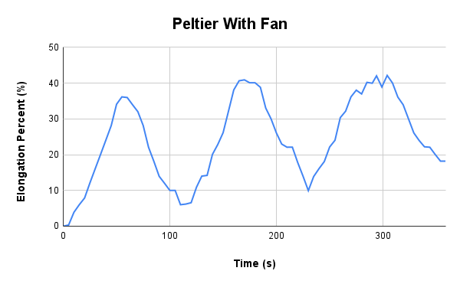
65 | 8.806 | 7.108 | 1.698 | 38 | 33.96 | -0.0202 | -20.2 | -0.0018865588
70 | 8.709 | 7.108 | 1.601 | 35.2 | 32.02 | -0.0194 | -19.4 | -0.0018118436
75 | 8.515 | 7.108 | 1.407 | 32.5 | 28.14 | -0.0388 | -38.8 | -0.0036236872
80 | 8.212 | 7.108 | 1.104 | 30.6 | 22.08 | -0.0606 | -60.6 | -0.0056596764
85 | 8.015 | 7.108 | 0.907 | 19.9 | 18.14 | -0.0394 | -39.4 | -0.0036797236
90 | 7.805 | 7.108 | 0.697 | 17.8 | 13.94 | -0.042 | -42 | -0.003922548
95 | 7.708 | 7.108 | 0.6 | 16.4 | 12 | -0.0194 | -19.4 | -0.0018118436
100 | 7.608 | 7.108 | 0.5 | 15.6 | 10 | -0.02 | -20 | -0.00186788
105 | 7.608 | 7.108 | 0.5 | 13.7 | 10 | 0 | 0 | 0
110 | 7.408 | 7.108 | 0.3 | 13.2 | 6 | -0.04 | -40 | -0.00373576
115 | 7.417 | 7.108 | 0.309 | 16.7 | 6.18 | 0.0018 | 1.8 | 0.0001681092
120 | 7.436 | 7.108 | 0.328 | 27.4 | 6.56 | 0.0038 | 3.8 | 0.0003548972
125 | 7.652 | 7.108 | 0.544 | 39.9 | 10.88 | 0.0432 | 43.2 | 0.0040346208
130 | 7.808 | 7.108 | 0.7 | 48.8 | 14 | 0.0312 | 31.2 | 0.0029138928
135 | 7.818 | 7.108 | 0.71 | 55.7 | 14.2 | 0.002 | 2 | 0.000186788
140 | 8.112 | 7.108 | 1.004 | 60.3 | 20.08 | 0.0588 | 58.8 | 0.0054915672
145 | 8.25 | 7.108 | 1.142 | 63.3 | 22.84 | 0.0276 | 27.6 | 0.0025776744
150 | 8.415 | 7.108 | 1.307 | 65.3 | 26.14 | 0.033 | 33 | 0.003082002
155 | 8.713 | 7.108 | 1.605 | 67.2 | 32.1 | 0.0596 | 59.6 | 0.0055662824
160 | 9.013 | 7.108 | 1.905 | 68.6 | 38.1 | 0.06 | 60 | 0.00560364
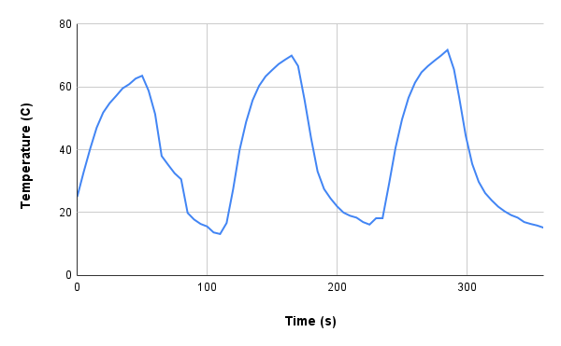
165 | 9.141 | 7.108 | 2.033 | 69.9 | 40.66 | 0.0256 | 25.6 | 0.0023908864
170 | 9.154 | 7.108 | 2.046 | 66.6 | 40.92 | 0.0026 | 2.6 | 0.0002428244
175 | 9.113 | 7.108 | 2.005 | 55.8 | 40.1 | -0.0082 | -8.2 | -0.0007658308
180 | 9.113 | 7.108 | 2.005 | 43.7 | 40.1 | 0 | 0 | 0
185 | 9.05 | 7.108 | 1.942 | 33.1 | 38.84 | -0.0126 | -12.6 | -0.0011767644
190 | 8.76 | 7.108 | 1.652 | 27.5 | 33.04 | -0.058 | -58 | -0.005416852
195 | 8.609 | 7.108 | 1.501 | 24.5 | 30.02 | -0.0302 | -30.2 | -0.0028204988
200 | 8.412 | 7.108 | 1.304 | 22 | 26.08 | -0.0394 | -39.4 | -0.0036797236
205 | 8.256 | 7.108 | 1.148 | 20 | 22.96 | -0.0312 | -31.2 | -0.0029138928
210 | 8.212 | 7.108 | 1.104 | 19 | 22.08 | -0.0088 | -8.8 | -0.0008218672
215 | 8.213 | 7.108 | 1.105 | 18.4 | 22.1 | 0.0002 | 0.2 | 1.86788E-05
220 | 7.999 | 7.108 | 0.891 | 17 | 17.82 | -0.0428 | -42.8 | -0.0039972632
225 | 7.808 | 7.108 | 0.7 | 16.2 | 14 | -0.0382 | -38.2 | -0.0035676508
230 | 7.605 | 7.108 | 0.497 | 18.2 | 9.94 | -0.0406 | -40.6 | -0.0037917964
235 | 7.802 | 7.108 | 0.694 | 18.2 | 13.88 | 0.0394 | 39.4 | 0.0036797236
240 | 7.912 | 7.108 | 0.804 | 29.1 | 16.08 | 0.022 | 22 | 0.002054668
245 | 8.012 | 7.108 | 0.904 | 40.6 | 18.08 | 0.02 | 20 | 0.00186788
250 | 8.215 | 7.108 | 1.107 | 49.6 | 22.14 | 0.0406 | 40.6 | 0.0037917964
255 | 8.309 | 7.108 | 1.201 | 56.5 | 24.02 | 0.0188 | 18.8 | 0.0017558072
260 | 8.626 | 7.108 | 1.518 | 61.3 | 30.36 | 0.0634 | 63.4 | 0.0059211796
265 | 8.716 | 7.108 | 1.608 | 64.6 | 32.16 | 0.018 | 18 | 0.001681092
270 | 8.916 | 7.108 | 1.808 | 66.6 | 36.16 | 0.04 | 40 | 0.00373576
275 | 9.01 | 7.108 | 1.902 | 68.3 | 38.04 | 0.0188 | 18.8 | 0.0017558072
280 | 8.957 | 7.108 | 1.849 | 69.9 | 36.98 | -0.0106 | -10.6 | -0.0009899764
285 | 9.119 | 7.108 | 2.011 | 71.7 | 40.22 | 0.0324 | 32.4 | 0.0030259656
290 | 9.107 | 7.108 | 1.999 | 65.5 | 39.98 | -0.0024 | -2.4 | -0.0002241456
294 | 9.21 | 7.108 | 2.102 | 56.6 | 42.04 | 0.02575 | 25.75 | 0.0024048955
299 | 9.054 | 7.108 | 1.946 | 44.5 | 38.92 | -0.0312 | -31.2 | -0.0029138928
304 | 9.216 | 7.108 | 2.108 | 35.5 | 42.16 | 0.0324 | 32.4 | 0.0030259656
309 | 9.11 | 7.108 | 2.002 | 29.8 | 40.04 | -0.0212 | -21.2 | -0.0019799528
314 | 8.913 | 7.108 | 1.805 | 26.2 | 36.1 | -0.0394 | -39.4 | -0.0036797236
319 | 8.806 | 7.108 | 1.698 | 23.9 | 33.96 | -0.0214 | -21.4 | -0.0019986316
324 | 8.609 | 7.108 | 1.501 | 21.9 | 30.02 | -0.0394 | -39.4 | -0.0036797236
329 | 8.412 | 7.108 | 1.304 | 20.4 | 26.08 | -0.0394 | -39.4 | -0.0036797236
334 | 8.306 | 7.108 | 1.198 | 19.2 | 23.96 | -0.0212 | -21.2 | -0.0019799528
339 | 8.218 | 7.108 | 1.11 | 18.4 | 22.2 | -0.0176 | -17.6 | -0.0016437344
344 | 8.212 | 7.108 | 1.104 | 17 | 22.08 | -0.0012 | -1.2 | -0.0001120728
349 | 8.112 | 7.108 | 1.004 | 16.4 | 20.08 | -0.02 | -20 | -0.00186788
354 | 8.018 | 7.108 | 0.91 | 15.9 | 18.2 | -0.0188 | -18.8 | -0.0017558072
359 | 8.018 | 7.108 | 0.91 | 15.2 | 18.2 | 0 | 0 | 0

