Theater Outcomes by Launch Date
Parent Category | theater
Years | (All)

Theater Outcomes Based on Launch Date
 | successful | failed | canceled
Jan | 56 | 33 | 7
Feb | 71 | 39 | 3
Mar | 56 | 33 | 3
Apr | 71 | 40 | 2
May | 111 | 52 | 3
Jun | 100 | 49 | 4
Jul | 87 | 50 | 1
Aug | 72 | 47 | 4
Sep | 59 | 34 | 4
Oct | 65 | 50
Nov | 54 | 31 | 3
Dec | 37 | 35 | 3
Count of outcomes | Column Labels
Row Labels | successful | failed | canceled | Grand Total
Jan | 56 | 33 | 7 | 96
Feb | 71 | 39 | 3 | 113
Mar | 56 | 33 | 3 | 92
Apr | 71 | 40 | 2 | 113
May | 111 | 52 | 3 | 166
Jun | 100 | 49 | 4 | 153
Jul | 87 | 50 | 1 | 138
Aug | 72 | 47 | 4 | 123
Sep | 59 | 34 | 4 | 97
Oct | 65 | 50 |  | 115
Nov | 54 | 31 | 3 | 88
Dec | 37 | 35 | 3 | 75
Grand Total | 839 | 493 | 37 | 1369

Outcomes Based on Goals
Outcome Based on Goal
Goal | Number Successsful | Number Failed | Number Canceled | Total Projects | Percentage Successful | Percentage Failed | Percentage Canceled
Less than 1000 | 141 | 45 | 0 | 186 | 76% | 24% | 0%
1000 to 4999 | 388 | 146 | 0 | 534 | 73% | 27% | 0%
5000 to 9999 | 93 | 76 | 0 | 169 | 55% | 45% | 0%
10000 to 14999 | 39 | 33 | 0 | 72 | 54% | 46% | 0%
15000 to 19999 | 12 | 12 | 0 | 24 | 50% | 50% | 0%
20000 to 24999 | 9 | 11 | 0 | 20 | 45% | 55% | 0%
25000 to 29999 | 1 | 4 | 0 | 5 | 20% | 80% | 0%
30000 to 34999 | 3 | 8 | 0 | 11 | 27% | 73% | 0%
35000 to 39999 | 4 | 2 | 0 | 6 | 67% | 33% | 0%
40000 to 44999 | 2 | 1 | 0 | 3 | 67% | 33% | 0%
45000 to 49999 | 0 | 1 | 0 | 1 | 0% | 100% | 0%
50000 or More | 2 | 14 | 0 | 16 | 13% | 88% | 0%

Descriptive Statistics
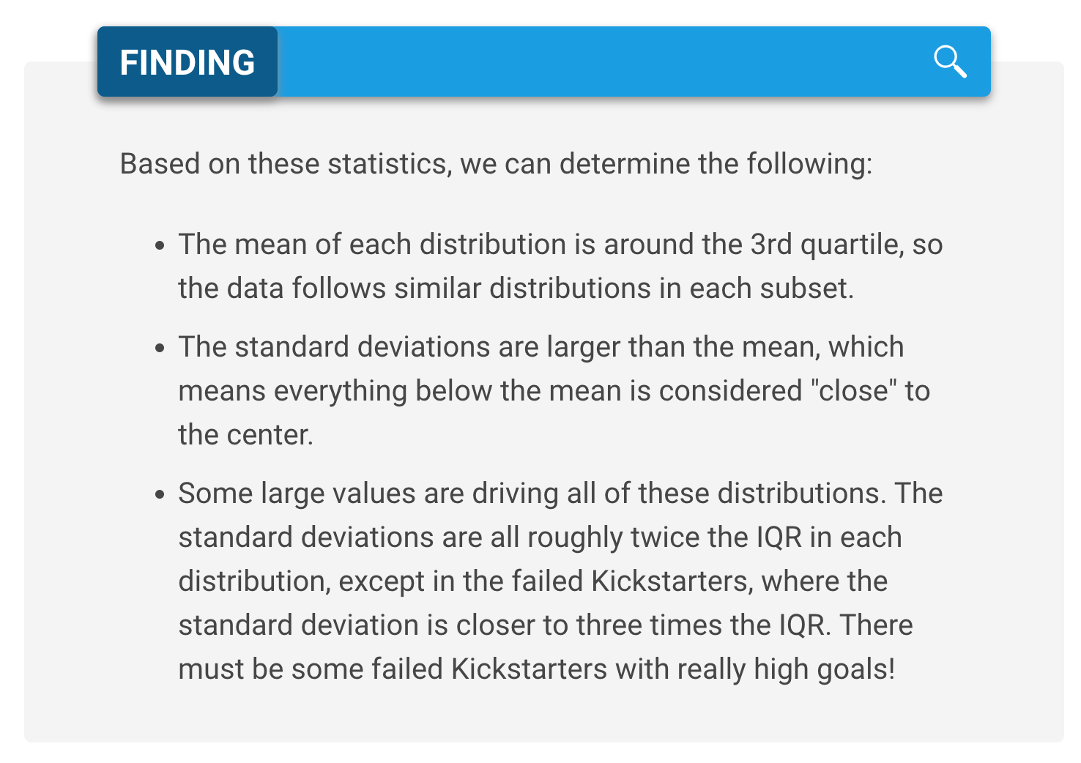
 | Successful | Failed
Mean Goal | $5,049 | $10,554 | 2051.3077643
Median Goal | $3,000 | $5,000 | 5674.6364502
Standard Deviation of Goal | $7,749 | $21,968 | 3000
Upper Quartile of Goal | $5,000 | $10,000 | 2674.6364502
Lower Quartile of Goal | $1,500 | $2,000
IQR of Goal | $3,500 | $8,000

Mean Pledged | $5,602 | $559
Median Pledged | $3,168 | $103
Standard Deviation of Pledged | $8,335 | $1,331
Upper Quartile of Pledged | $5,699 | $501
Successful and Failed Goals
Lower Quartile of Pledged | $1,717 | $9
IQR of Pledged | $3,982 | $492

 | Successful | Failed
Mean Goal | $5,049 | $10,554
Median Goal | $3,000 | $5,000
Upper Quartile of Goal | $5,000 | $10,000
Lower Quartile of Goal | $1,500 | $2,000

Category Statistics
country | US |  |  |  |  |  | deadline | (All)
 |  |  |  |  |  |  | pledged | (Multiple Items)
Count of outcomes | Column Labels
Row Labels | canceled | failed | live | successful | Grand Total |  | Count of outcomes | Column Labels
film & video | 31 | 130 |  | 261 | 422 | 62% |  | canceled |  | canceled Total | failed |  |  |  | failed Total | live | live Total | Grand Total
food | 15 | 115 | 4 | 34 | 168 | 20% | Row Labels | 1 | 2 |  | 1 | 2 | 3 | 5 |  | 1
games |  | 96 |  | 52 | 148 | 35% | film & video |  |  |  | 3 | 1 | 2 |  | 6 |  |  | 6
journalism | 23 |  |  |  | 23 |  | food |  |  |  | 4 |  |  | 2 | 6 |  |  | 6
music | 19 | 110 | 17 | 490 | 636 | 77% | games |  |  |  | 4 | 1 |  |  | 5 |  |  | 5
photography |  | 72 |  | 62 | 134 | 58% | journalism |  | 1 | 1 |  |  |  |  |  |  |  | 1
publishing | 22 | 87 |  | 69 | 178 |  | music | 1 |  | 1 |  |  |  |  |  | 1 | 1 | 2
technology | 121 | 138 |  | 158 | 417 |  | photography |  |  |  | 1 | 1 | 1 |  | 3 |  |  | 3
theater | 26 | 349 | 12 | 525 | 912 | 58% | publishing |  |  |  | 4 |  | 1 |  | 5 |  |  | 5
Grand Total | 257 | 1097 | 33 | 1651 | 3038 |  | technology | 1 | 1 | 2 |  | 2 | 1 |  | 3 |  |  | 5
 |  |  |  |  |  |  | theater |  |  |  | 11 | 4 | 2 |  | 17 |  |  | 17
 |  |  |  |  |  |  | Grand Total | 2 | 2 | 4 | 27 | 9 | 7 | 2 | 45 | 1 | 1 | 50

Parent Category Outcomes
 | canceled | failed | live | successful
film & video | 31 | 130 |  | 261
food | 15 | 115 | 4 | 34
games |  | 96 |  | 52
journalism | 23
music | 19 | 110 | 17 | 490
photography |  | 72 |  | 62
publishing | 22 | 87 |  | 69
technology | 121 | 138 |  | 158
theater | 26 | 349 | 12 | 525

Subcategory Statistics
country | GB
Parent Category | (All)

Count of outcomes | Column Labels
Row Labels | failed | live | successful | Grand Total
plays | 70 | 6 | 238 | 314
Grand Total | 70 | 6 | 238 | 314

Outcomes Based on Launch Date
Parent Category | theater
Outcomes Based on Launch Dates
 | canceled | failed | live | successful
Jan | 7 | 33 | 2 | 56
Feb | 3 | 39 | 8 | 71
Mar | 3 | 33 | 14 | 56
Apr | 2 | 40 |  | 71
May | 3 | 52 |  | 111
Jun | 4 | 49 |  | 100
Jul | 1 | 50 |  | 87
Aug | 4 | 47 |  | 72
Sep | 4 | 34 |  | 59
Oct |  | 50 |  | 65
Nov | 3 | 31 |  | 54
Dec | 3 | 35 |  | 37
Count of outcomes | Column Labels
Row Labels | canceled | failed | live | successful | Grand Total
Jan | 7 | 33 | 2 | 56 | 98
Feb | 3 | 39 | 8 | 71 | 121
Mar | 3 | 33 | 14 | 56 | 106
Apr | 2 | 40 |  | 71 | 113
May | 3 | 52 |  | 111 | 166
Jun | 4 | 49 |  | 100 | 153
Jul | 1 | 50 |  | 87 | 138
Aug | 4 | 47 |  | 72 | 123
Sep | 4 | 34 |  | 59 | 97
Oct |  | 50 |  | 65 | 115
Nov | 3 | 31 |  | 54 | 88
Dec | 3 | 35 |  | 37 | 75
Grand Total | 37 | 493 | 24 | 839 | 1393

