Sheet1
Joystick Assignments | FRC Control Name | Assigned Function
Saitek X25
X-Joystick | Axis 0
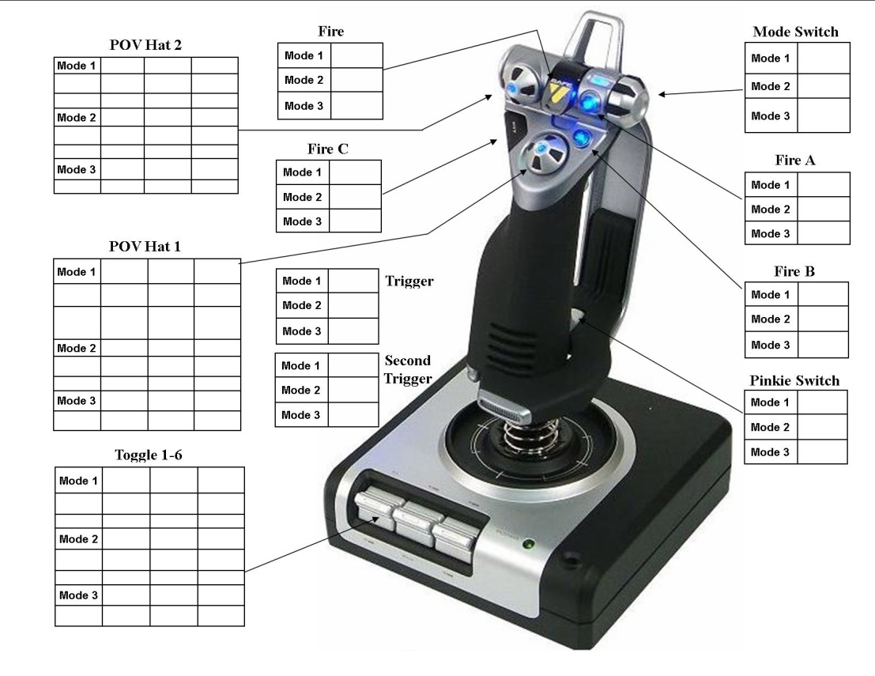
Y-Joystick | Axis 1
Rotate | Axis 5
Trigger (Half Press) | Button 1
Fire (Missile) | Buttion 2
Fire A | Button 3
Fire B | Button 4
Fire C | Button 5
Second Trigger (Pinky) | Button 6

T1 (up) | Button 9
T2 (down) | Button 10
T3 (up) | Button 11
T4 (down) | Button 12
T5 (up) | Button 13
T6 (down) | Button 14
Trigger (full press) | Button 1 & 15
POV Hat 1 | POV
POV Hat 2 (up) | Button 16
POV Hat 2 (Right)) | Button 17
POV Hat 2 (down) | Button 18
POV Hat 2 (left) | Button 19
Mode Switch 1 (always on) | Button 24
Mode Switch 2 (always on) | Button 25
Mode Switch 3 (always on) | Button 26
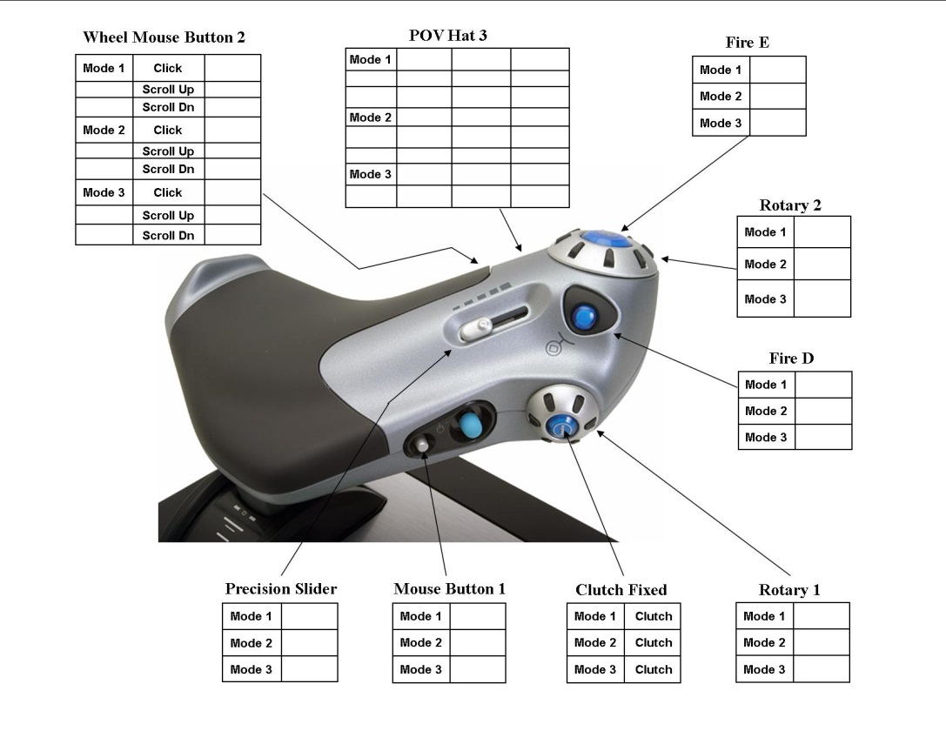
Throttle
Throttle | Axis 2
Rotory 1 | Axis 3
Rotory 2 | Axis 4
Precision Slider | Axis 6
Fire D | Button 7
Fire E | Button 8
POV Hat 3 (up) | Button 20
POV Hat 3 (right) | Button 21
POV Hat 3 (down) | Button 22
POV Hat 3 (left) | Button 23
Function | Button 27
Start/Stop | Button 28
Reset | Button 29
Clutch Fixed | Button 30
Mouse Button 1 | Button 31
Wheel Mouse Button 2 | Button 32

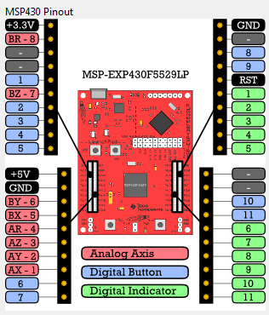
MSP-430 Launchpad | FRC Control Name | Assigned Function
Digital Indicator 1 | JS Output 1
Digital Indicator 2 | JS Output 2
Digital Indicator 3 | JS Output 3
Digital Indicator 4 | JS Output 4
Digital Indicator 5 | JS Output 5
Digital Indicator 6 | JS Output 6
Digital Indicator 7 | JS Output 7

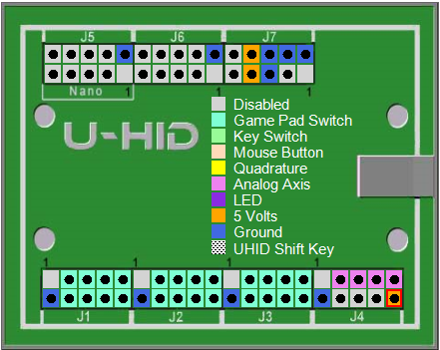
UHID | FRC Control Name | Assigned Function
J1-3 | Button 1
J1-4 | Button 2
J1-5 | Button 3
J1-6 | Button 4
J1-7 | Button 5
J1-8 | Button 6
J1-9 | Button 7
J1-10 | Button 8
J2-3 | Button 9
J2-4 | Button 10
J2-5 | Button 11
J2-6 | Button 12
J2-7 | Button 13
J2-8 | Button 14
J2-9 | Button 15
J2-10 | Button 16
J3-3 | Button 17
J3-4 | Button 18
J3-5 | Button 19
J3-6 | Button 20
J3-7 | Button 21
J3-8 | Button 22
J3-9 | Button 23
J3-10 | Button 24
J4-3 | Axis 0
J4-5 | Axis 1
J4-7 | Axis 2
J4-9 | Axis 3

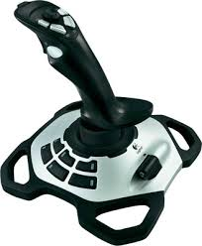
Logitech Extreme Pro 3D | FRC Control Name | Assigned Function
X-Axis | Axis 0
Y-Axis | Axis 1
Rotate Stick | Axis 2
Throttle Slider | Axis 3
Trigger | Button 1
Thumb | Button 2
Thumb 3 | Button 3
Thumb 4 | Button 4
Thumb 5 | Button 5
Thumb 6 | Button 6
Base 7 | Button 7
Base 8 | Button 8
Base 9 | Button 9
Base 10 | Button 10
Base 11 | Button 11
Base 12 | Button 12

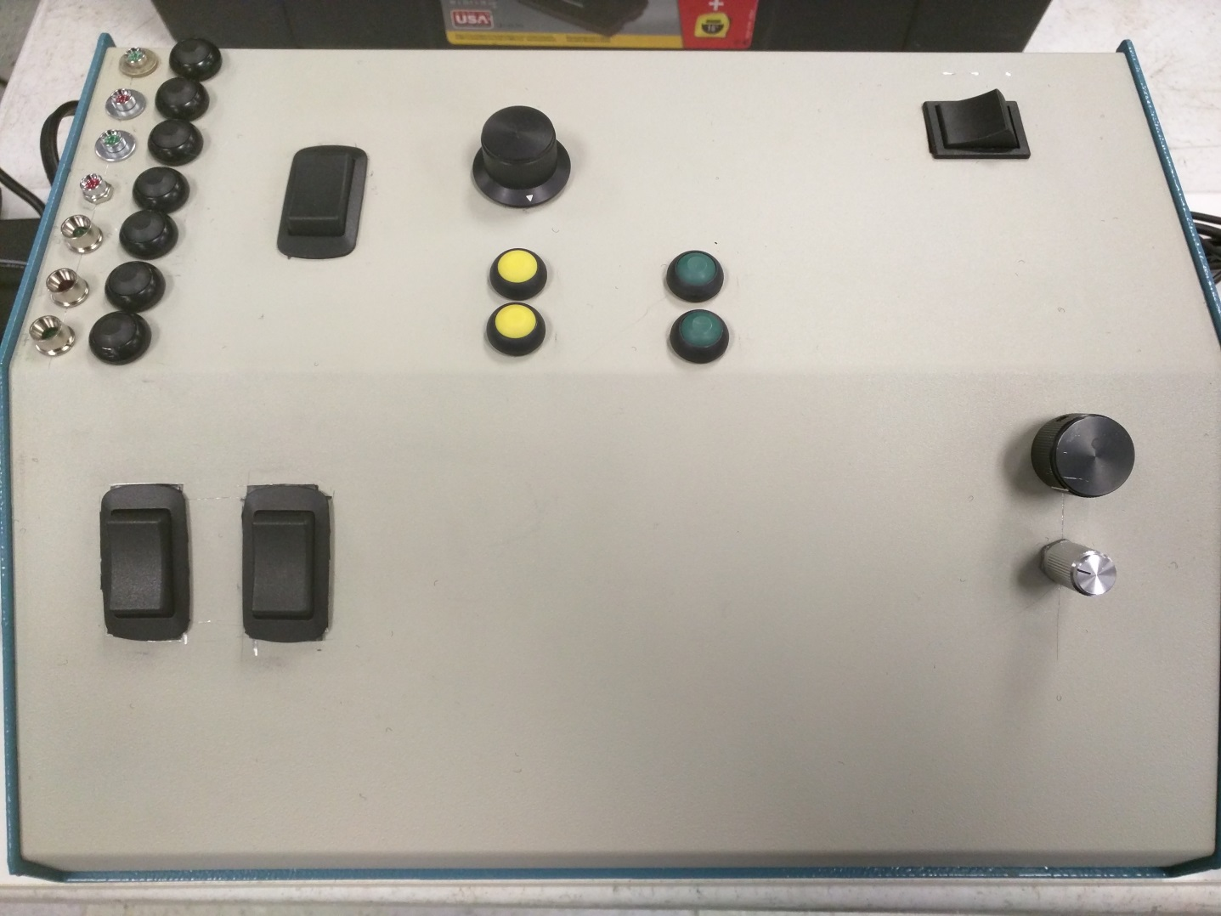
1
2
3
4
5
6
7
8
9
10
11
12
13
14
15
16
17
18
Off
Axis 0
Axis 1
Axis 2
Controls Box | FRC Control Name | Assigned Function
Button 1 | Button 1
Button 2 | Button 2
Button 3 | Button 3
Button 4 | Button 4
Button 5 | Button 5
Button 6 | Button 6
Button 7 | Button 7
Button 8 | Button 8
Button 9 | Button 9
Button 10 | Button 10
Button 11 | Button 11
Rocker 1 (always on) | Button 12
Rocker 2 (down) momentary | Button 13
Rocker 2 (Up) momentary | Button 14
Rocker 3 (down) momentary | Button 15
Rocker 3 (Up) momentary | Button 16
Rocker 4 (down) always on | Button 17
Rocker 4 (up) always on | Button 18
Rocker 4 center | N/A
Rotary 1 (5-pos) | Axis 0
Rotary 2 (5-pos) | Axis 1
Rotary 3 (12-pos/5 work) | Axis 2

