Contents

Education & Child Health Insights
from Linked Data
Data Catalogue version 3.1
(December 2025)
This data catalogue provides an overview of the Tables and Variables contained within the ECHILD Database.
ECHILD Data Catalogue version 3.1 | Type | Table Description | Sheet Names | Years Available
 | HES | Accident & Emergency | hes_AandE | Financial years from April 2007 to March 2020
 |  | Emergency Care Dataset | hes_ECDS | Financial years from April 2017 to March 2023
 |  | Admitted Patient Care | hes_APC | Financial years from April 1997 to March 2023
 |  | Critical Care | hes_CC | Financial years from April 2008 to March 2023
 |  | Outpatients | hes_OP | Financial years from April 2003 to March 2023
 |  | Birth Notification Dataset | hes_BirthNotification | Financial years from April 2003 to December 2022
 |  | Civil Registration Births | hes_CivilRegistrationBirths | Financial years from April 1996 to March 2023
 |  | Maternity Services Dataset | hes_MSDS | Financial years from April 2015 to March 2019 (v1.5): April 2019 to March 2022 (v2.0)
 |  | Mortality | hes_Mort | Financial years from April 1997 to March 2024
 |  | Community Services Dataset | hes_CSDS | Financial years from April 2015 to March 2023
 |  | Mental Health Services Dataset | hes_MHSDS | Financial years from April 2016 to December 2022
 |  | Mental Health & Learning Disabilities Dataset | hes_MHLDDS | Financial years from April 2014 to March 2016
 |  | Mental Health Minimum Dataset | hes_MHMDS | Financial years from April 2006 to March 2014
 | NPD | Alternative Provision Census | npd_AP_Census | Academic years from 2007/2008 to 2021/2022
 |  | Alternative Provision Placement | npd_AP_Placement | Academic years from 2017/2018 to 2021/2022
 |  | Absences 2 Term | npd_Absence_2Term | Academic years from 2021/2022 (only)
 |  | Absences 3 Term | npd_Absence_3Term | Academic years from 2005/2006 to 2018/2019, and 2021/2022 (Missing: 2019/2020 to 2020/2021)
 |  | Pupil Level Annual School Census | npd_PLASC | Academic years from 2001/2002 to 2004/2005
 |  | Census - Autumn Pupil | npd_Autumn_Census_Pupil | Academic years from 2006/2007 to 2021/2022
 |  | Census - Autumn School | npd_Autumn_Census_Schools | Academic years from 2008/2009 to 2021/2022
 |  | Census - Spring Pupil | npd_Spring_Census_Pupil | Academic years from 2005/2006 to 2021/2022
Important: Years available
HES data are collected by Financial Year starting
e.g., HES_APC 2019: 1st Apr 2019 to 31st Mar 2020
NPD data are collected by Academic Year ending
e.g., PLASC_2005: 1st Sep 2004 to 31st Aug 2005
 |  | Census - Spring Disability | npd_Spring_Census_Disability | Academic years from 2010/2011 to 2011/2012
 |  | Census - Spring Schools | npd_Spring_Census_Schools | Academic years from 2006/2007 to 2021/2022
 |  | Census - Summer Pupil | npd_Summer_Census_Pupil | Academic years from 2005/2006 to 2018/2019, and 2020/2021 to 2021/2022 (Missing: 2019/2020)
 |  | Census - Summer School | npd_Summer_Census_Schools | Academic years from 2009/2010 to 2018/2019, and 2020/2021 to 2021/2022 (Missing: 2019/2020)
 |  | Early Years Census | npd_EYC | Academic years from 2007/2008 to 2021/2022
 |  | Early Years Foundation Stage Profile | npd_EYFSP | Academic years from 2002/2003 to 2018/2019, and 2021/2022 (Missing: 2019/2020)
 |  | Exclusions | npd_Exclusions | Academic years from 2001/2002 to 2021/2022
 |  | Key Stage 1 | npd_KS1 | Academic years from 1997/1998 to 2018/2019, and 2021/2022 (Missing: 2019/2020 to 2020/2021)
 |  | Key Stage 2 Exam | npd_KS2Exam | Academic years from 2006/2007 to 2018/2019, and 2021/2022 (Missing: 2019/2020 to 2020/2021)
User Guide
 |  | Key Stage 2 Pupil | npd_KS2Pupil | Academic years from 1995/1996 to 2018/2019, and 2021/2022 (Missing: 2019/2020 to 2020/2021)
 |  | Key Stage 3 | npd_KS3 | Academic years from 1998/1999 to 2005/2006
 |  | Key Stage 3 Pupil | npd_KS3Pupil | Academic years from 2006/2007 to 2007/2008
 |  | Key Stage 3 Teacher Assessment | npd_KS3TA | Academic years from 2008/2009 to 2012/2013
 |  | Key Stage 4 Exam | npd_KS4Exam | Academic years from 2001/2002 to 2020/2021
SQL Table Names
 |  | Key Stage 4 Pupil | npd_KS4Pupil | Academic years from 2001/2002 to 2020/2021
 |  | Key Stage 5 Exam | npd_KS5Exam | Academic years from 2002/2003 to 2020/2021
 |  | Key Stage 5 Student | npd_KS5Student | Academic years from 2002/2003 to 2020/2021
 |  | National Client Caseload Information | npd_NCCIS | Academic years from 2012/2013 to 2021/2022
Chart: Data coverage
 |  | Pupil Referral Unit Census | npd_PRU_Census | Academic years from 2009/2010 to 2012/2013
 |  | Children in Need Census | npd_CIN | Academic years from 2008/2009 to 2021/2022
 |  | Children in Need Census Assessment Factors | npd_CIN_AssessmentFactors | Academic years from 2008/2009 to 2021/2022
 |  | Children in Need Census Assesments | npd_CIN_Assessments | Academic years from 2014/2015 to 2021/2022
 |  | Children in Need Census Disabilities | npd_CIN_Disabilities | Academic years from 2008/2009 to 2021/2022
 |  | Children Looked After Return | npd_CLA | Academic years from 2005/2006 to 2021/2022
 |  | Get Information About Schools (GIAS) | --- | Pending
 |  | URN Links | --- | Pending
 |  | Mapping codes | --- | Pending
 |  | Qual codes | --- | Pending
 |  | Individualised Learner Record Learner | npd_ILR_Learner | Academic years from 2000/2001 to 2021/2022
 |  | Individualised Learner Record Aims | npd_ILR_Aims | Academic years from 2000/2001 to 2021/2022
 | Bridging Files | ECHILD Bridging file (NPD - HES links) | Bridging_File | Academic years from 1983/1984 to 2019/2020
 |  | Mother-Baby Link | Mother-Baby_Link | Data from 01 Apr 1997 to 31 Jan 2022

DataCoverageGantt
[Contents] | ECHILD Data Coverage (Gantt Chart)
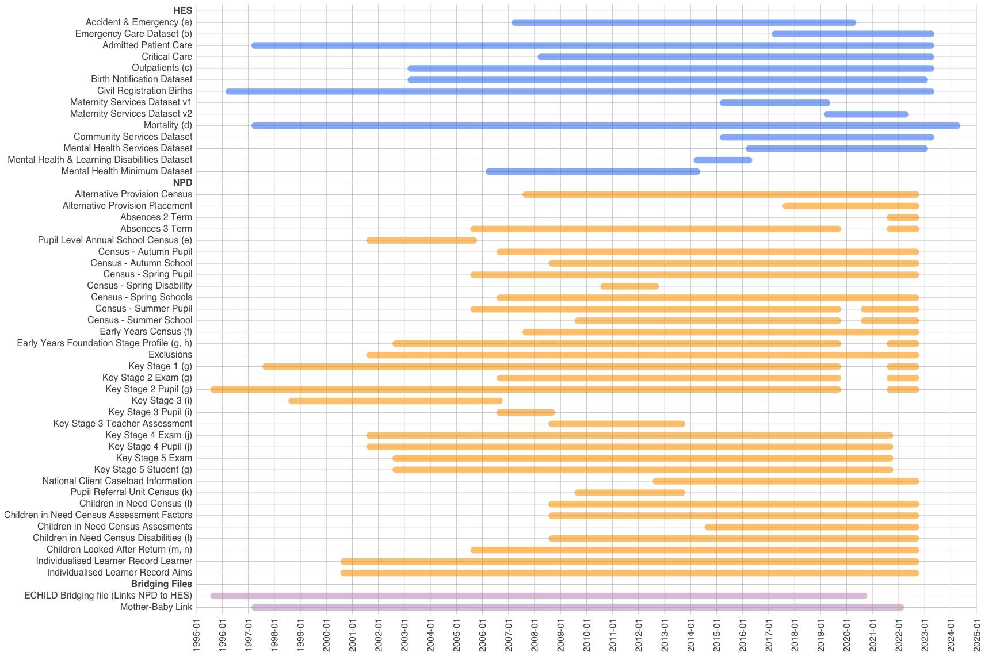

 | Key | Detail
 | a | Data from 2007/08 to 2011/12 were classified as “experimental” by NHS England.
 | b | ECDS data from October 2017 to 2019/20 are considered pilot data, with ECDS formally replacing HES A&E in 2020/21.
 | c | Data from 2003/04 to 2007/08 were classified as “experimental” by NHS England.
 | d | ONS Mortality data were first linked to HES in January 1998.
 | e | From 2001/02 to 2004/05 annual census exists, from 2005/06 onwards census data are termly.
 | f | The Early Years Census included 3- to 4-year-olds between 2007/08 and 2012/13. From 2013/14 it also includes 2- to 4-year-olds.
 | g | Not collected in 2019/20 and 2020/21 academic years due to COVID.
 | h | Partial coverage as between the 2002/03 and 2005/06 academic years, data only on a 10% sample of children.
 | i | Key Stage 3 assessments ceased after 2012/13.
 | j | Institutional identifiers not included in 2019/20 and 2020/21 academic years due to restrictions on comparing institutional performance during the pandemic years.
 | k | PRU Census data were subsumed into the School Census Pupil Level table from 2013/14.
 | l | CIN: Linkage to NPD is incomplete prior to September 2012.
 | m | Partial coverage of population as between 01/04/1992 & 31/03/2003, CLA data were only collected for a one-third sample (i.e., children with a day of birth divisible by 3).
 | n | CLA: Linkage to NPD from 1 April 2005 onwards.

