Term definitions
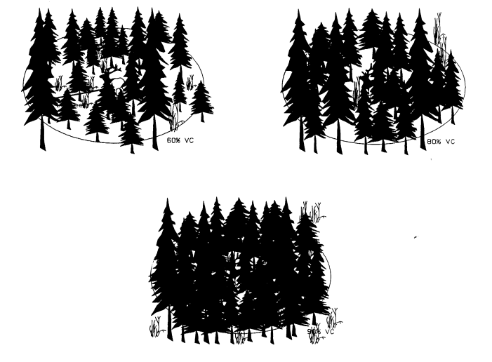
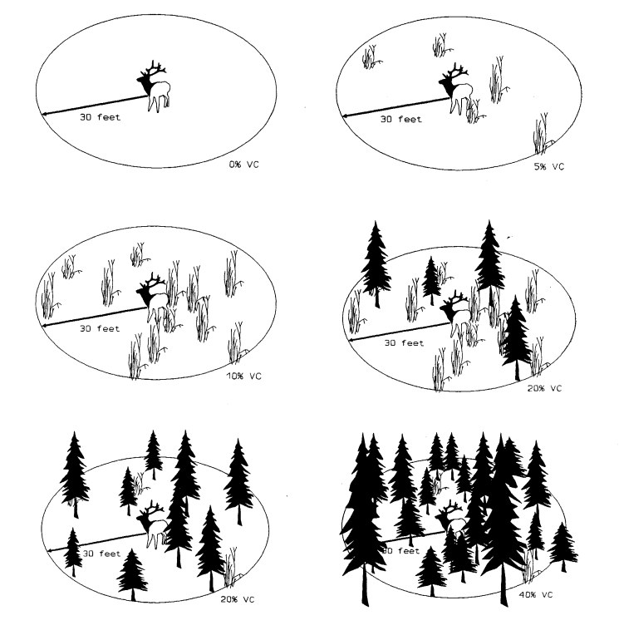
Term Definitions
survey.type | Inventory | Observation occurred while following RISC standard survey practice without the aid of telemetry.
 | Telemetry | Observation recorded after using telemetry to locate the individual/group.
 | Capture | Observation recorded during capture/collaring mission. Currently these are treated the same as inventory observations. If you don’t want to include these observations in the dataset, change survey type to "incidental".
 | Incidental | Observation recorded outside of an inventory survey (e.g. en route to another area). These observations will not be included in the operational dataset.
voc | Visual obstruction coefficient (i.e., vegetation cover), in 10m radius of first sighted individual. Entered as decimal between 0 (no obstruction) and 1 (completely obstructed). The is the only variable used to predict sightability currently. Visual exampled of voc estimation to the right taken from Unsworth, 1991. Click image to view report.
collars | Count of TRACKABLE collars in group. If a collar is observed that is not working or is no longer in service (i.e., you would not be able to track the collar using telemetry), do not include it in this count. If the observation coincides with a capture event, do not include the newly deployed collar in this count. It will be included on the next survey.
collar.ID | Serial number, frequency, or other identifying code for the collars observed. Pick one type of ID and stick to it.
habitat | Optional placeholder for habitat notes. Initial testing showed that this field did not substantially affect sightability, so it is not currently included in the model.
activity | Optional placeholder for notes on activity of first elk spotted (e.g. standing and bedded). Initial testing showed that this field did not substantially affect sightability, so it is not currently included in the model.
notes | Other notes for personal use
min_count | The minimum number of elk in the EPU based on this year's observations. This is helpful for checking model performance and evaluating sightability.
estimate | Estimated population size using standard methodology. This will be displayed in plots and tables for easy comparison between this estimate and the model's estimate.
target | Target population size as determined in the current management plan. This can be displayed in plots to visualize progress toward management goals. The script automatically takes the value from the most recent year.

