Sheet1
 | Albertson's | Vons | Stater Bros. | Ralph's
Eggs | $1.10 | $1.00 | $1.12 | $1.05
Ham | $4.00 | $3.11 | $4.00 | $3.00
Cooking Oil | $0.45 | $0.50 | $0.42 | $0.53
Green Food Coloring | $0.23 | $0.31 | $0.35 | $0.40
Total | $5.78 | $4.92 | $5.89 | $4.98

 | Albertson's | Vons | Stater Bros. | Ralph's
 | $5.78 | $4.92 | $5.89 | $4.98

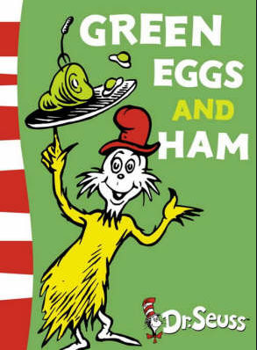

Questions:
1.) which store sells eggs for the best price?
Answer: Vons
2.) Where could you buy the least expensive oil?
Answer: Stater Brothers
3.)At which store will you spend the least amount of money?
Answer: Vons
4.) How many change will you have at Ralph's if you bring $10.00?
Answer: $5.02
5.) How much change will you have at Stater Brothers if you bring $20.00?
Answer:$14.11

 |  |  |  |  | $10.00 | $20.00
 |  |  |  |  | $4.98 | $5.89
 |  |  |  |  | $5.02 | $14.11

