DATABASE
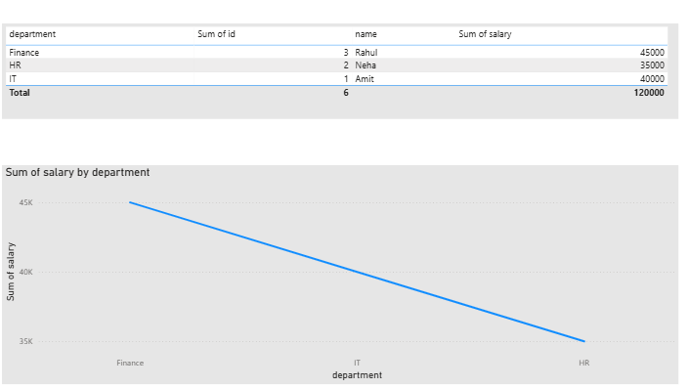
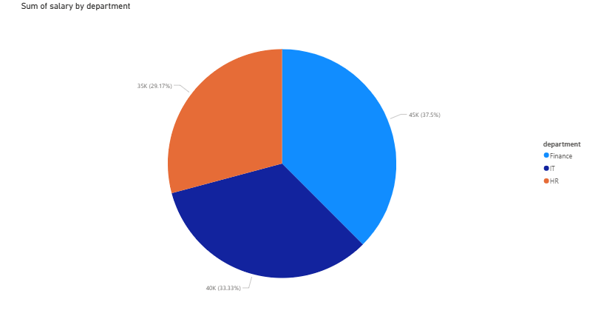

Analysis: Data is successfully integrated from the database into Power BI. Finance has the highest salary total. IT is second. HR has the lowest salary. Result: The visualization clearly compares department-wise salary distribution using live database data. |  | Analysis: The chart shows department-wise salary contribution from the database. Finance contributes the largest share (~37.5%). IT contributes about 33.3%. HR contributes the smallest share (~29.2%). Result: The pie chart highlights how total salary is distributed across departments, with Finance having the highest share, followed by IT and HR.

 | DATABASE CONNECTIVITY

Maps
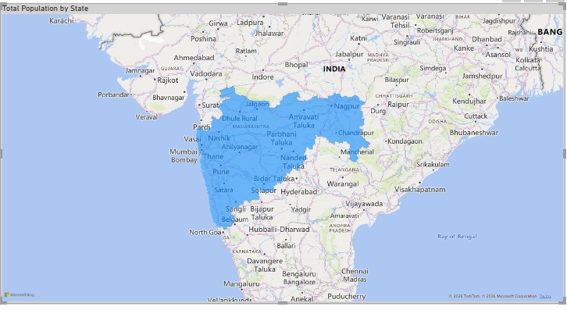
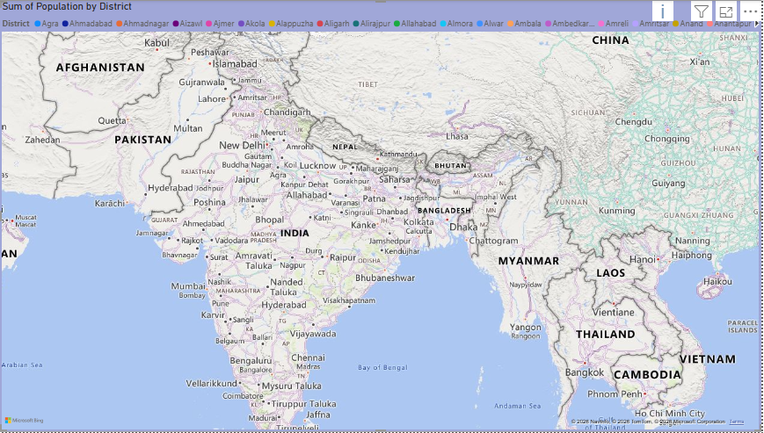

Storyline This map shows the district-wise population distribution of India. Analysis Population is unevenly distributed Urban and fertile regions have higher population Hilly, desert, and remote areas have lower population Result Population in India is mainly concentrated in urban centers and economic regions, helping identify areas for better planning and development. |  | Storyline This map highlights the total population of Maharashtra at the state level. Analysis Maharashtra is shown as a single aggregated unit Population is combined from all its districts Strong concentration around Mumbai–Pune–Nagpur belt Result Maharashtra has a very high total population, reflecting strong urbanization and economic activity within the state.

 | MAP VISUALIZATION

API
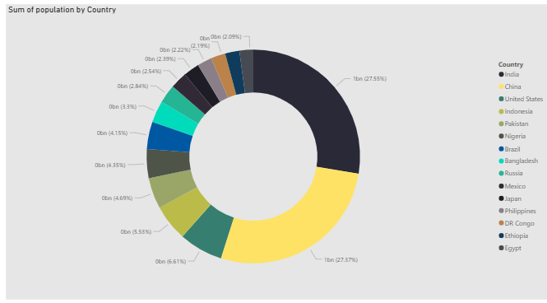
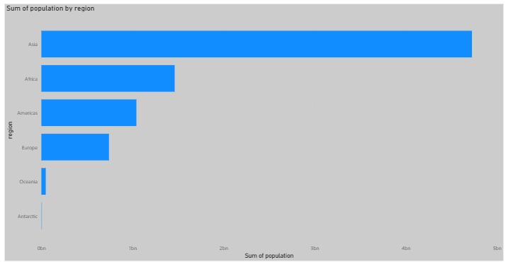

Storyline: China and India together account for over half of the world’s population. The United States is a distant third. Countries like Indonesia, Pakistan, Nigeria, and Brazil form the next tier. All remaining countries contribute much smaller individual shares. Result: Global population is highly concentrated, with China and India dominating, while other countries contribute comparatively smaller portions. |  | Storyline: Asia has the largest population by a huge margin. Africa is the second most populated and shows strong growth potential. The Americas and Europe have moderate population levels. Oceania and Antarctica have negligible populations. Result: The global population is unevenly distributed, with Asia dominating, Africa emerging as a major contributor, and other regions having significantly smaller shares.

 | API INTEGRATION/ WEB INTEGRATION

