STAR
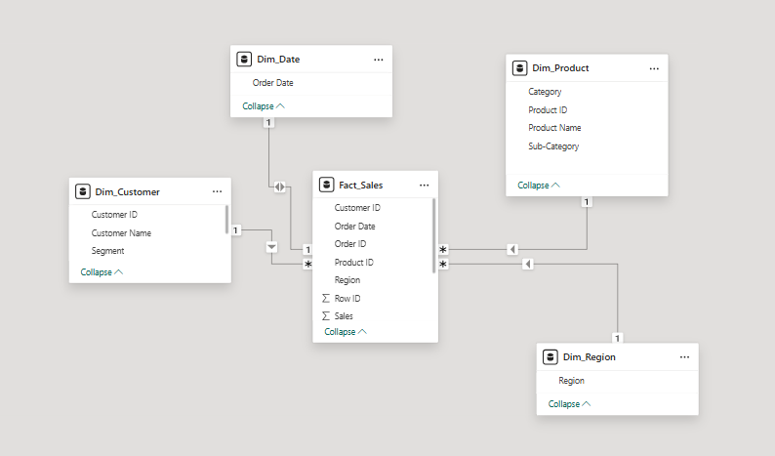
Star Schema Model – The model follows a Star Schema design used for sales analysis. Fact_Sales is the central fact table containing transactional data. The main measure in the fact table is Sales. Fact_Sales includes foreign keys such as Customer ID, Product ID, Order Date, and Region.

Dimension Tables Dim_Date: Used for time-based analysis like sales by date, month, and year. Dim_Customer: Stores customer details such as customer name and segment. Dim_Product: Contains product information including category and sub-category. Dim_Region: Stores geographical information for regional sales analysis.

Relationships All dimension tables are connected to Fact_Sales using one-to-many (1:*) relationships. Dimension tables are on the one (1) side, and Fact_Sales is on the many (*) side.

Star Schema

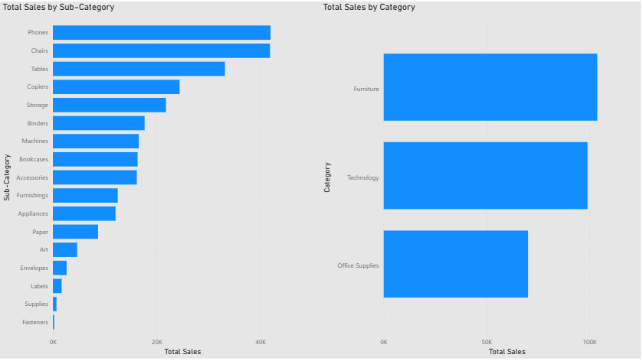
Storyline This chart shows total sales by category and sub-category to identify key revenue contributors. Analysis Technology and Furniture lead overall sales. Phones and Chairs are the top sub-categories, while items like Fasteners and Supplies contribute very little. Result Sales are driven by a few high-performing products; focus on these for growth and review low-selling sub-categories for improvement.

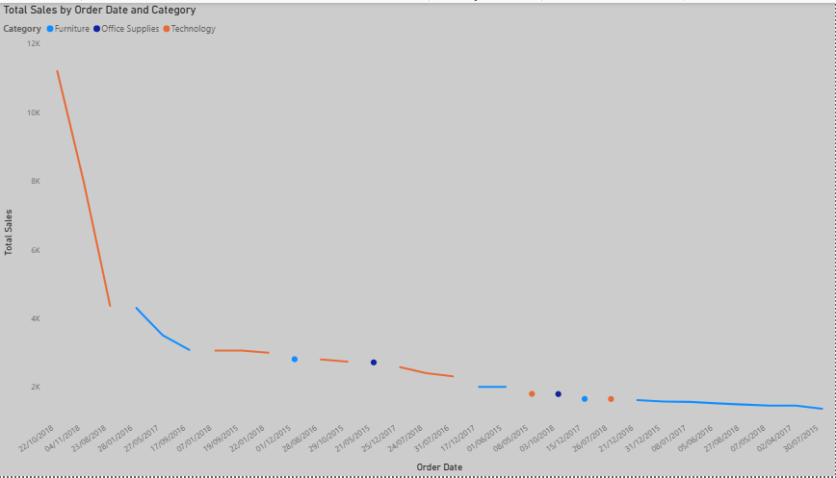
Storyline This line chart shows how total sales change over time (order date) across categories. Analysis Technology starts with the highest sales but shows a sharp decline over time. Furniture and Office Supplies follow similar downward trends with smaller fluctuations. Result Sales peak early and gradually decrease across all categories, indicating seasonal demand or reduced sales activity in later periods.

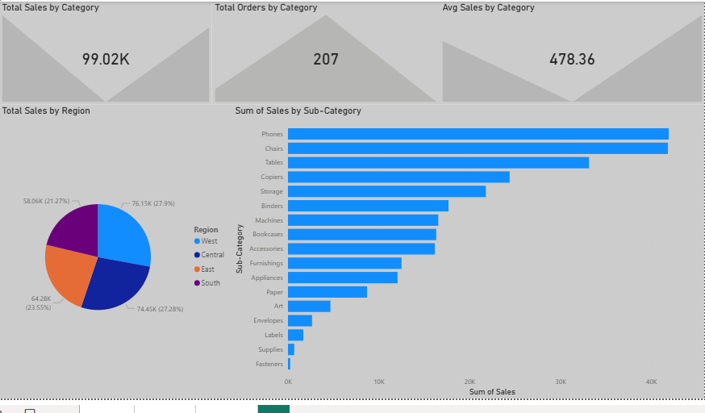
Storyline This dashboard provides a quick sales performance overview by category, region, and sub-category. Analysis Total Sales are around 99K, with 207 total orders and an average sale of ~478. West and Central regions contribute the highest share of sales, while South is the lowest. At the sub-category level, Phones, Chairs, and Tables are the top revenue drivers, whereas Fasteners, Supplies, and Labels contribute minimally. Result Sales are concentrated in a few regions and high-performing sub-categories. Focusing on these key areas can maximize revenue, while low-performing items may need optimization or review.

SNOWFLAKE
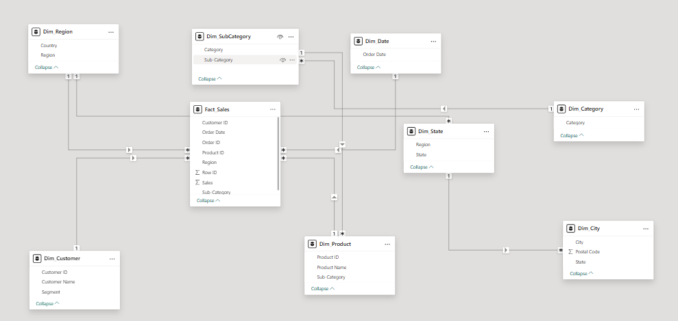
Snowflake Schema – Fact_Sales is the central table containing transactional data and the measure Sales. It connects to core dimensions: Dim_Customer, Dim_Product, Dim_Date, and Dim_Region. Product data is normalized as: Dim_Product → Dim_SubCategory → Dim_Category Location data is normalized as: Dim_City → Dim_State → Dim_Region All relationships are one-to-many (1:*) with single-direction filtering.

Snowflake Schema

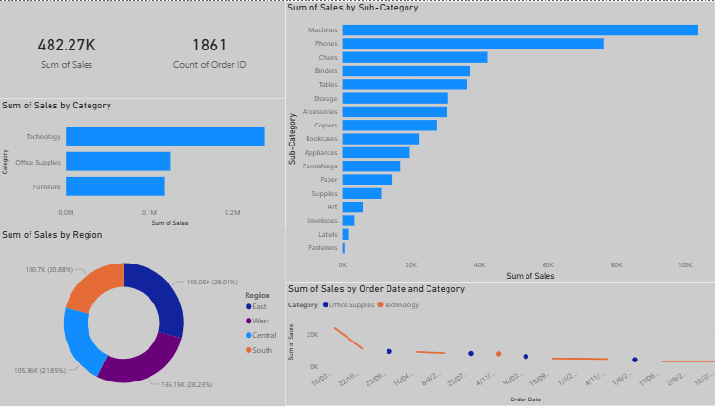
Storyline This dashboard gives an overall view of sales performance across categories, sub-categories, regions, and time. Analysis Total sales are 482.27K from 1,861 orders. Technology leads sales, with Machines and Phones as top sub-categories. Regional sales are fairly balanced, and trends fluctuate over time. Result Sales are driven by Technology and a few key products; focus on these for growth and review low-performing sub-categories for improvement.

SUM-SIM
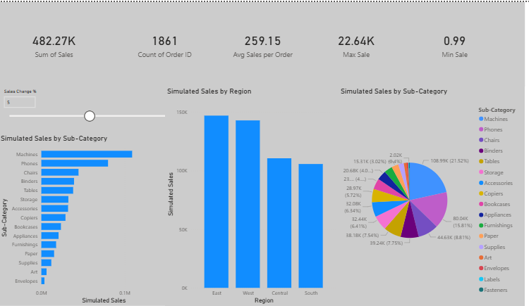
 | Summarization and Simulation for Data Generation

 | Summarization Summarization was performed using aggregate functions on the sales data. Key KPIs such as Total Sales, Total Orders, Average Sales per Order, Maximum Sale, and Minimum Sale were created to provide a high-level overview of business performance. Additional summarized visuals were developed to analyze sales by category, sub-category, region, and time using actual historical data.

 | Simulation A What-If Parameter (Sales Change %) was implemented to simulate changes in sales values. Using this parameter, a Simulated Sales measure dynamically recalculates sales based on the selected percentage. This allows analysis of growth and decline scenarios without modifying the original dataset.

Insights Simulation results show how sales vary across regions and sub-categories under different scenarios. High-performing regions and products remain dominant, while low-performing areas contribute minimally. This approach enhances interactive and scenario-based analysis.

