DataSet
Actual Sales VS Predicted Sales
TV Ad Budget ($) | Radio Ad Budget ($) | Newspaper Ad Budget ($) | Actual Sales ($) | Predicted sales
230.1 | 37.8 | 69.2 | 22.1 | 20.52398609
44.5 | 39.3 | 45.1 | 10.4 | 12.33786566
17.2 | 45.9 | 69.3 | 9.3 | 12.3076815
151.5 | 41.3 | 58.5 | 18.5 | 17.59784084
180.8 | 10.8 | 58.4 | 12.9 | 13.18868331
8.7 | 48.9 | 75 | 7.2 | 12.47835831
57.5 | 32.8 | 23.5 | 11.8 | 11.72977085
120.2 | 19.6 | 11.6 | 13.2 | 12.12296434
8.6 | 2.1 | 1 | 4.8 | 3.727351533
199.8 | 2.6 | 21.2 | 10.6 | 12.55086026
66.1 | 5.8 | 24.2 | 8.6 | 7.032310133
214.7 | 24 | 4 | 17.4 | 17.28514079
23.8 | 35.1 | 65.9 | 9.2 | 10.57713148
97.5 | 7.6 | 7.2 | 9.7 | 8.826311555
204.1 | 32.9 | 46 | 19 | 18.43437795
195.4 | 47.7 | 52.9 | 22.4 | 20.81931104
67.8 | 36.6 | 114 | 12.5 | 12.82366769
281.4 | 39.6 | 55.8 | 24.4 | 23.22496907
69.2 | 20.5 | 18.3 | 11.3 | 9.951693007
147.3 | 23.9 | 19.1 | 14.6 | 14.16608424
218.4 | 27.7 | 53.4 | 18 | 18.1007789
237.4 | 5.1 | 23.5 | 12.5 | 14.74054991
13.2 | 15.9 | 49.6 | 5.6 | 6.489160998
228.3 | 16.9 | 26.2 | 15.5 | 16.54594457
62.3 | 12.6 | 18.3 | 9.7 | 8.146529787
262.9 | 3.5 | 19.5 | 12 | 15.61005043
142.9 | 29.3 | 12.6 | 15 | 14.98952557
240.1 | 16.7 | 22.9 | 15.9 | 17.05168516
248.8 | 27.1 | 22.9 | 18.9 | 19.41054979
70.6 | 16 | 40.8 | 10.5 | 9.144034848
292.9 | 28.3 | 43.2 | 21.4 | 21.63394577
112.9 | 17.4 | 38.6 | 11.9 | 11.34610405
97.2 | 1.5 | 30 | 9.6 | 7.638894216
265.6 | 20 | 0.3 | 17.4 | 18.86428013
95.7 | 1.4 | 7.4 | 9.5 | 7.574841581
290.7 | 4.1 | 8.5 | 12.8 | 17.00683813
266.9 | 43.8 | 5 | 25.4 | 23.40591236
74.7 | 49.4 | 45.7 | 14.7 | 15.62348876
43.1 | 26.7 | 35.1 | 10.1 | 9.908691865
228 | 37.7 | 32 | 21.5 | 20.44762206
202.5 | 22.3 | 31.6 | 16.6 | 16.37767623
177 | 33.4 | 38.7 | 17.1 | 17.29599464
293.6 | 27.7 | 1.8 | 20.7 | 21.59581522
206.9 | 8.4 | 26.4 | 12.9 | 13.96386841
25.1 | 25.7 | 43.3 | 8.5 | 8.887890705
175.1 | 22.5 | 31.5 | 14.9 | 15.16153457
89.7 | 9.9 | 35.7 | 10.6 | 8.873397773
239.9 | 41.5 | 18.5 | 23.2 | 21.72264162
227.2 | 15.8 | 49.9 | 14.8 | 16.26363185
66.9 | 11.7 | 36.8 | 9.7 | 8.168176542
199.8 | 3.1 | 34.6 | 11.4 | 12.63122286
100.4 | 9.6 | 3.6 | 10.7 | 9.339824048
216.4 | 41.7 | 39.6 | 22.6 | 20.66298725
182.6 | 46.2 | 58.7 | 21.2 | 19.94471104
262.7 | 28.8 | 15.9 | 20.2 | 20.37444191
198.9 | 49.4 | 60 | 23.7 | 21.29262214
7.3 | 28.1 | 41.4 | 5.5 | 8.527723213
136.2 | 19.2 | 16.6 | 13.2 | 12.77459927
210.8 | 49.6 | 37.7 | 23.8 | 21.89806358
210.7 | 29.5 | 9.3 | 18.4 | 18.13349857
53.5 | 2 | 21.4 | 8.1 | 5.742166459
261.3 | 42.7 | 54.7 | 24.2 | 22.8906839
239.3 | 15.5 | 27.3 | 15.7 | 16.78427245
102.7 | 29.6 | 8.4 | 14 | 13.21070312
131.1 | 42.8 | 28.9 | 18 | 16.97774679
69 | 9.3 | 0.9 | 9.3 | 7.849056264
31.5 | 24.6 | 2.2 | 9.5 | 9.016042409
139.3 | 14.5 | 10.2 | 13.4 | 12.03701856
237.4 | 27.5 | 11 | 18.9 | 18.97659095
216.8 | 43.9 | 27.2 | 22.3 | 21.10892406
199.1 | 30.6 | 38.7 | 18.3 | 17.77950936
109.8 | 14.3 | 31.7 | 12.4 | 10.62694929
26.8 | 33 | 19.3 | 8.8 | 10.36685957
129.4 | 5.7 | 31.3 | 11 | 9.902993276
213.4 | 24.6 | 13.1 | 17 | 17.32932357
16.9 | 43.7 | 89.4 | 8.7 | 11.85833245
27.5 | 1.6 | 20.7 | 6.9 | 4.477599797
120.5 | 28.5 | 14.2 | 14.2 | 13.81191341
5.4 | 29.9 | 9.4 | 5.3 | 8.813324184
116 | 7.7 | 23.1 | 11 | 9.675314443
76.4 | 26.7 | 22.3 | 11.8 | 11.44593462
239.8 | 4.1 | 36.9 | 12.3 | 14.64795265
75.3 | 20.3 | 32.5 | 11.3 | 10.17841897
68.4 | 44.5 | 35.6 | 13.6 | 14.42185307
213.5 | 43 | 33.8 | 21.7 | 20.78137624
193.2 | 18.4 | 65.7 | 15.2 | 15.1814194
76.3 | 27.5 | 16 | 12 | 11.59871837
110.7 | 40.6 | 63.2 | 16 | 15.59379589
88.3 | 25.5 | 73.4 | 12.9 | 11.71128204
109.8 | 47.8 | 51.4 | 16.7 | 16.92226624
134.3 | 4.9 | 9.3 | 11.2 | 9.999240893
28.6 | 1.5 | 33 | 7.3 | 4.496326747
217.7 | 33.5 | 59 | 19.4 | 19.15640779
250.9 | 36.5 | 72.3 | 22.2 | 21.22758556
107.4 | 14 | 10.9 | 11.5 | 10.48213497
163.3 | 31.6 | 52.9 | 16.9 | 16.3149325
197.6 | 3.5 | 5.9 | 11.7 | 12.63572869
184.9 | 21 | 22 | 15.5 | 15.3370893
289.7 | 42.3 | 51.2 | 25.4 | 24.11861918
135.2 | 41.7 | 45.9 | 17.2 | 16.94036146
222.4 | 4.3 | 49.8 | 11.7 | 13.87597008
296.4 | 36.3 | 100.9 | 23.8 | 23.24249883
280.2 | 10.1 | 21.4 | 14.8 | 17.64410575
187.9 | 17.2 | 17.9 | 14.7 | 14.7622229
238.2 | 34.3 | 5.3 | 20.7 | 20.3011205
137.9 | 46.4 | 59 | 19.2 | 17.93642594
25 | 11 | 29.7 | 7.2 | 6.126032895
90.4 | 0.3 | 23.2 | 8.7 | 7.108513528
13.1 | 0.4 | 25.6 | 5.3 | 3.587269101
255.4 | 26.9 | 5.5 | 19.8 | 19.69294286
225.8 | 8.2 | 56.5 | 13.4 | 14.75988575
241.7 | 38 | 23.2 | 21.8 | 21.14028671
175.7 | 15.4 | 2.4 | 14.1 | 13.88062128
209.6 | 20.6 | 10.7 | 15.9 | 16.40378782
78.2 | 46.8 | 34.5 | 14.6 | 15.30510692
75.1 | 35 | 52.7 | 12.6 | 12.91969993
139.2 | 14.3 | 25.6 | 12.2 | 11.9787587
76.4 | 0.8 | 14.8 | 9.4 | 6.570788377
125.7 | 36.9 | 79.2 | 15.9 | 15.56610469
19.4 | 16 | 22.3 | 6.6 | 6.820078388
141.3 | 26.8 | 46.2 | 15.5 | 14.41011732
18.8 | 21.7 | 50.4 | 7 | 7.838087142
224 | 2.4 | 15.6 | 11.6 | 13.62646875
123.1 | 34.6 | 12.4 | 15.2 | 15.08280209
229.5 | 32.3 | 74.2 | 19.7 | 19.45442474
87.2 | 11.8 | 25.9 | 10.6 | 9.127360612
7.8 | 38.9 | 50.6 | 6.6 | 10.57718479
80.2 | 0 | 9.2 | 8.8 | 6.599679994
220.3 | 49 | 3.2 | 24.7 | 22.25550325
59.6 | 12 | 43.1 | 9.7 | 7.884117396
0.7 | 39.6 | 8.7 | 1.6 | 10.42769774
265.2 | 2.9 | 43 | 12.7 | 15.57781003
8.4 | 27.2 | 2.1 | 5.7 | 8.449160787
219.8 | 33.5 | 45.1 | 19.6 | 19.26693471
36.9 | 38.6 | 65.6 | 10.8 | 11.8368147
48.3 | 47 | 8.5 | 11.6 | 14.0014247
25.6 | 39 | 9.3 | 9.5 | 11.45349702
273.7 | 28.9 | 59.7 | 20.8 | 20.85126386
43 | 25.9 | 20.5 | 9.6 | 9.768438784
184.9 | 43.9 | 1.7 | 20.7 | 19.67548779
73.4 | 17 | 12.9 | 10.9 | 9.489651939
193.7 | 35.4 | 75.6 | 19.2 | 18.39904084
220.5 | 33.2 | 37.9 | 20.1 | 19.2498809
104.6 | 5.7 | 34.4 | 10.4 | 8.764813728
96.2 | 14.8 | 38.9 | 11.4 | 10.0913451
140.3 | 1.9 | 9 | 10.3 | 9.70854999
240.1 | 7.3 | 8.7 | 13.2 | 15.2942354
243.2 | 49 | 44.3 | 25.4 | 23.26087277
38 | 40.3 | 11.9 | 10.9 | 12.26337022
44.7 | 25.8 | 20.6 | 10.1 | 9.827281938
280.7 | 13.9 | 37 | 16.1 | 18.36721725
121 | 8.4 | 48.7 | 11.6 | 10.00954888
197.6 | 23.3 | 14.2 | 16.6 | 16.36001184
171.3 | 39.7 | 37.7 | 19 | 18.22391273
187.8 | 21.1 | 9.5 | 15.6 | 15.50162845
4.1 | 11.6 | 5.7 | 3.2 | 5.307569552
93.9 | 43.5 | 50.5 | 15.3 | 15.38486298
149.8 | 1.3 | 24.3 | 10.1 | 10.01432251
11.7 | 36.9 | 45.2 | 7.3 | 10.38420935
131.7 | 18.4 | 34.6 | 12.9 | 12.39915946
172.5 | 18.1 | 30.7 | 14.4 | 14.2138444
85.7 | 35.8 | 49.3 | 13.3 | 13.55915671
188.4 | 18.1 | 25.6 | 14.9 | 14.94679355
163.5 | 36.8 | 7.4 | 18 | 17.35164745
117.2 | 14.7 | 5.4 | 11.9 | 11.06830577
234.5 | 3.4 | 84.8 | 11.9 | 14.22373308
17.9 | 37.6 | 21.6 | 8 | 10.82440603
206.8 | 5.2 | 19.4 | 12.2 | 13.36325834
215.4 | 23.6 | 57.6 | 17.1 | 17.18615441
284.3 | 10.6 | 6.4 | 15 | 17.94156822
50 | 11.6 | 18.4 | 8.4 | 7.394990826
164.5 | 20.9 | 47.4 | 14.5 | 14.35828511
19.6 | 20.1 | 17 | 7.6 | 7.607703101
168.4 | 7.1 | 12.8 | 11.7 | 11.97095027
222.4 | 3.4 | 13.1 | 11.5 | 13.74436906
276.9 | 48.9 | 41.8 | 27 | 24.78688221
248.4 | 30.2 | 20.3 | 20.2 | 19.97938447
170.2 | 7.8 | 35.2 | 11.7 | 12.16205781
276.7 | 2.3 | 23.7 | 11.8 | 16.01100911
165.6 | 10 | 17.6 | 12.6 | 12.38456633
156.6 | 2.6 | 8.3 | 10.5 | 10.58721104
218.5 | 5.4 | 27.4 | 12.2 | 13.92811081
56.2 | 5.7 | 29.7 | 8.7 | 6.554680885
287.6 | 43 | 71.8 | 26.2 | 24.13311207
253.8 | 21.3 | 30 | 17.6 | 18.53853274
205 | 45.1 | 19.6 | 22.6 | 20.80302215
139.5 | 2.1 | 26.6 | 10.3 | 9.691384397
191.1 | 28.7 | 18.2 | 17.3 | 17.07645373
286 | 13.9 | 3.7 | 15.9 | 18.64431841
18.7 | 12.1 | 23.4 | 6.7 | 6.051634825
39.5 | 41.1 | 5.8 | 10.8 | 12.48916991
75.5 | 10.8 | 6 | 9.9 | 8.424030301
17.2 | 4.1 | 31.6 | 5.9 | 4.466240271
166.8 | 42 | 3.6 | 19.6 | 18.48696936
149.7 | 35.6 | 6 | 17.3 | 16.49531175
38.2 | 3.7 | 13.8 | 7.6 | 5.37035329
94.2 | 4.9 | 8.1 | 9.7 | 8.16532342
177 | 9.3 | 6.4 | 12.8 | 12.78593225
283.6 | 42 | 66.2 | 25.5 | 23.76733342
232.1 | 8.6 | 8.7 | 13.4 | 15.17320722
MEAN :
147.0425 | 23.264 | 30.554 | 14.0225 | 14.022511302
MEDIAN :
149.75 | 22.9 | 25.75 | 12.9 | 13.94598961
MODE :
17.2 | 4.1 | 9.3 | 9.7 | #N/A

 | Measures of Central Tendency

CENTRAL-TENDENCY
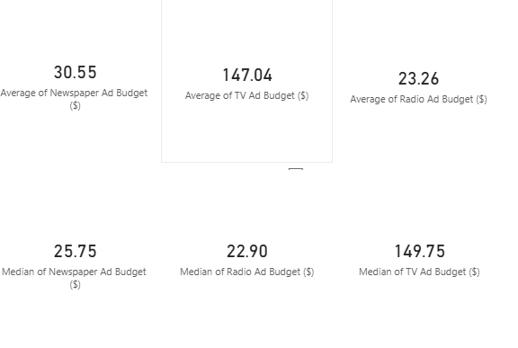
TV Ad Budget ($) |  | Radio Ad Budget ($) |  | Newspaper Ad Budget ($) |  | Actual Sales ($) |  | Predicted sales

Mean | 146.62512563 | Mean | 23.190954774 | Mean | 30.359798995 | Mean | 13.981909548 | Mean | 13.989840574
Standard Error | 6.0869580816 | Standard Error | 1.0525597027 | Standard Error | 1.535383214 | Standard Error | 0.36853748663 | Standard Error | 0.34967708061
Median | 149.7 | Median | 22.5 | Median | 25.6 | Median | 12.9 | Median | 13.92811081
Mode | 17.2 | Mode | 4.1 | Mode | 9.3 | Mode | 9.7 | Mode | #N/A
Standard Deviation | 85.867110576 | Standard Deviation | 14.848181829 | Standard Deviation | 21.659245628 | Standard Deviation | 5.1988610225 | Standard Deviation | 4.9328022543
Sample Variance | 7373.1606786 | Sample Variance | 220.46850363 | Sample Variance | 469.12292117 | Sample Variance | 27.028155931 | Sample Variance | 24.33253808
Kurtosis | -1.2242535495 | Kurtosis | -1.2548365977 | Kurtosis | 0.73119633955 | Kurtosis | -0.37462893518 | Kurtosis | -0.75694501037
Skewness | -0.06006507251 | Skewness | 0.10475048339 | Skewness | 0.91242813987 | Skewness | 0.41858817745 | Skewness | 0.081195691537
Range | 295.7 | Range | 49.6 | Range | 113.7 | Range | 25.4 | Range | 21.199613109
Minimum | 0.7 | Minimum | 0 | Minimum | 0.3 | Minimum | 1.6 | Minimum | 3.587269101
Maximum | 296.4 | Maximum | 49.6 | Maximum | 114 | Maximum | 27 | Maximum | 24.78688221
Sum | 29178.4 | Sum | 4615 | Sum | 6041.6 | Sum | 2782.4 | Sum | 2783.9782743
Count | 199 | Count | 199 | Count | 199 | Count | 199 | Count | 199

LINEAR-REGRESSION
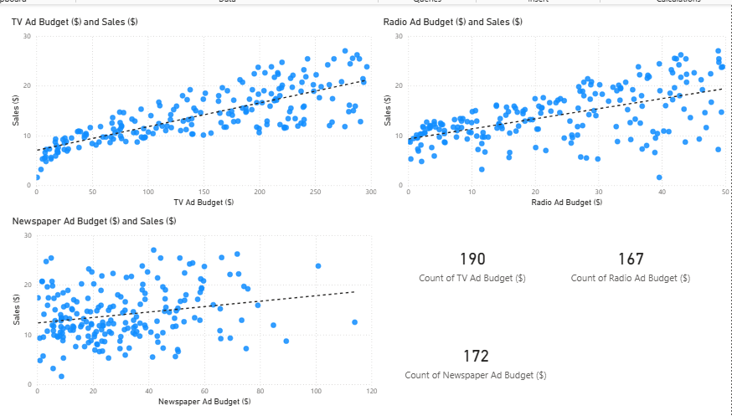
Linear Regression Analysis Using Power BI
The objective of this analysis is to examine the relationship between advertisement budgets (TV, Radio, and Newspaper) and actual sales using Linear Regression in Power BI. The purpose is to identify which advertising medium has the strongest impact on sales.

The dataset containing advertisement budgets and actual sales was imported into Power BI. Scatter plots were created to visualize the relationship between each advertising channel and sales. For each scatter plot: X-axis: Advertisement Budget Y-axis: Actual Sales A linear trend line was added using the Analytics pane. Linear regression helps in understanding how sales change with variation in advertisement spending.

Analysis and Observation TV Advertisement Shows a strong positive relationship with sales. Sales increase significantly as TV budget increases. Strong influence on overall sales performance. Radio Advertisement Shows a moderate positive relationship with sales. Sales increase with radio budget but not as strongly as TV. Moderate impact on sales. Newspaper Advertisement Shows a weak relationship with sales. Data points are highly scattered. Minimal impact on sales compared to TV and Radio.

Tasks
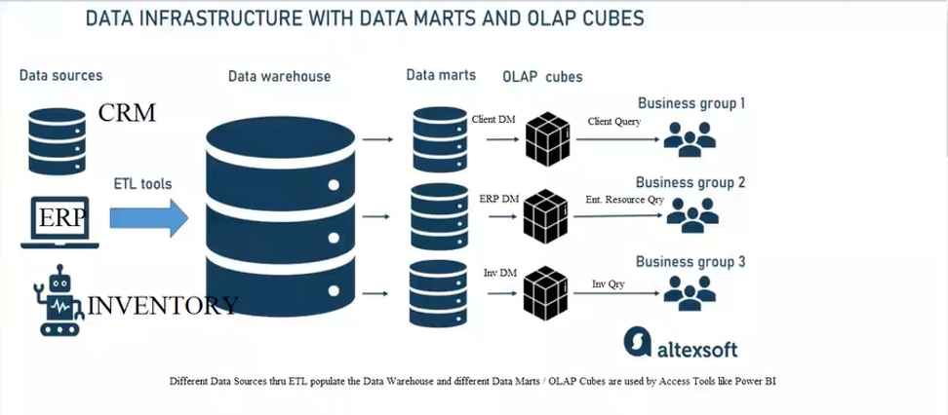

Zomato Data Warehouse
Sales Team
Sales DM

Customer App
Sales Olap

Marketing team

Restaurant Panel
Marketing Olap
Marketing DM

Ops Olap
ops team

Delivery system
operations DM

Difference Between Data Warehouse and Big Data

Basis | Data Warehouse | Big Data
Meaning | Central storage of structured business data | Very large data (structured + unstructured)
Type of Data | Mostly structured (tables, rows, columns) | Structured, semi-structured & unstructured (videos, images, social media)
Data Size | Large but manageable (GB–TB) | Extremely large (TB–PB–EB)
Purpose | Business reporting and analysis | Advanced analytics, prediction, AI
Example | Zomato sales reports | Zomato app logs, GPS tracking, customer reviews, images
Tools Used | SQL, OLAP | Hadoop, Spark, NoSQL
Processing Type | Batch processing | Batch + Real-time processing
Users | Managers & business analysts | Data scientists & ML engineers

