Sheet1
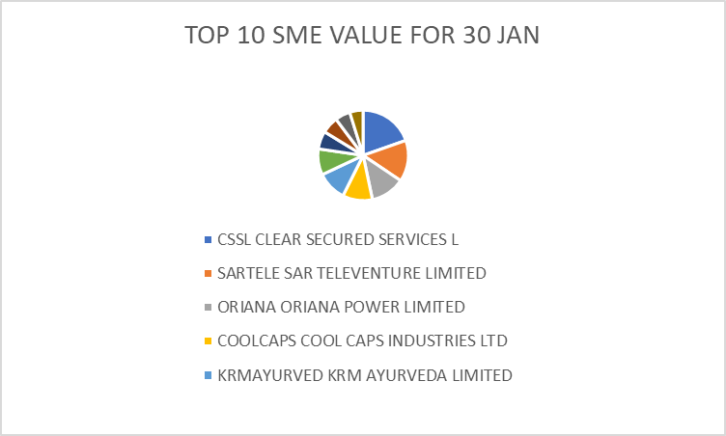
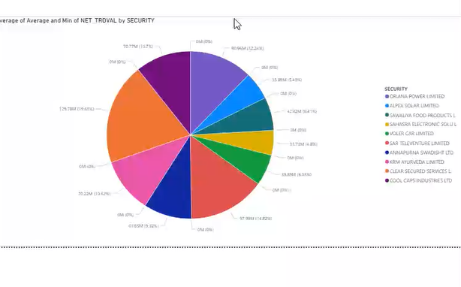
SYMBOL | SECURITY | NET_TRDVAL | AVERAGE | PERCENTAGE
CSSL | CLEAR SECURED SERVICES L | 1.30E+08 | 148.49 | 19.63%
SARTELE | SAR TELEVENTURE LIMITED | 97987400 | 204.17 | 14.82%
ORIANA | ORIANA POWER LIMITED | 80955349 | 1558.51 | 12.24%
COOLCAPS | COOL CAPS INDUSTRIES LTD | 70767938 | 48 | 10.70%
KRMAYURVED | KRM AYURVEDA LIMITED | 70223400 | 177.34 | 10.62%
ANNAPURNA | ANNAPURNA SWADISHT LTD | 61652600 | 197.13 | 9.32%
SAWALIYA | SAWALIYA FOOD PRODUCTS L | 42417960 | 315.92 | 6.41%
VOLERCAR | VOLER CAR LIMITED | 39890960 | 236.63 | 6.03%
ALPEXSOLAR | ALPEX SOLAR LIMITED | 35892950 | 759.99 | 5.43%
SAHASRA | SAHASRA ELECTRONIC SOLU L | 31733360 | 249.08 | 4.80%
 |  | 6.61E+08 | 3895.26 | 100.00%
AVERAGE = (PREV_CL_PR + OPEN_PRICE + HIGH_PRICE + LOW_PRICE + CLOSE_PRICE) / 5 |  |  |  |  |  | STORYLINE : Top 10 SME Stocks by Net Trading Value – 30 Jan 2026

PERCENTAGE = (TOTAL /NET_TRDVAL)*100 |  |  |  |  |  |  | POWERBI :VISUALIZATION

ANALYSIS : The chart represents the Top 10 SME stocks based on Net Trading Value (NET_TRDVAL). CSSL contributes the largest share, showing the highest market activity and liquidity. SARTELE and ORIANA are the next major contributors, forming the top three. Mid-level stocks like COOLCAPS, KRM AYURVEDA, and ANNAPURNA show moderate trading participation. Stocks such as ALPEXSOLAR, VOLERCAR, and SAHASRA have smaller shares, indicating lower trading volume. The slice sizes decrease gradually, showing a clear ranking pattern.

 |  |  |  |  | POWER BI PIE CHART REPRESENTATION FOR TOP 10 SME VALUES OF STOCK

