VIS_01
visualization in Power BI for Discount Rate vs User Rating

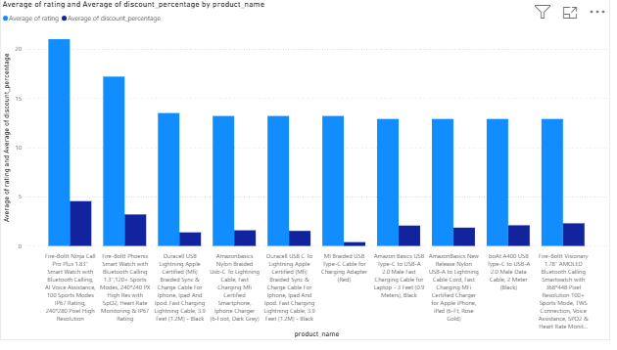

STORYLINE: This visualization compares the average discount percentage and average user rating across products to understand how discounts influence customer satisfaction.

ANALYSIS: The chart shows that products with higher discounts do not always receive higher ratings, while some products with lower discounts still maintain good ratings.

RESULT: Higher discounts do not guarantee higher user ratings; product quality and brand trust play a significant role in customer satisfaction

VIS_02
 | Visualization for Price and Discount Rate (Price > ₹24,999)

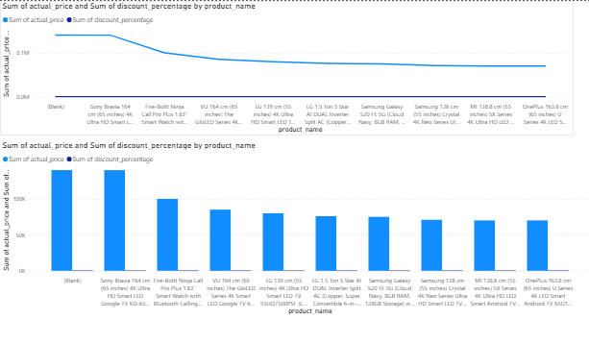
 | Storyline The visualization compares the total actual price and total discount percentage across different TV products to understand which products contribute most to revenue and how discounts influence pricing. Analysis Premium brands like Sony, LG, and Samsung show the highest sum of actual prices. The discount percentage is very low compared to actual price for all products. The declining trend shows that few top products dominate overall revenue. The “(Blank)” category indicates missing or improper product naming in the data. Result Revenue is mainly driven by high-priced premium TVs, not discounts. Discounts have minimal impact on total sales value. Data cleaning is required to remove or fix blank product entries

 | Open Power BI Desktop 1. Click Get Data → Excel/CSV → Load (Optional) Transform Data → remove or fix (Blank) product names Select Line Chart X-axis: product_name Values: actual_price, discount_percentage 2. Select Clustered Column Chart X-axis: product_name Values: actual_price, discount_percentage Sort by actual_price → Descending 3. Turn Data Labels ON Add Chart Title Adjust axis labels & font size

STEPS :

