Analysis Of AI tools
Analysis of AI Tools | How Different AI Tools Help in This Farming Problem

Problem Statement Developing an AI-based system to predict crop yield based on factors like rainfall, temperature, soil quality, and fertilizer usage. | ChatGPT Role in Farming System: Generate Python code for crop yield prediction. Suggest ML models (Linear Regression, Random Forest). Explain feature selection. Help debug errors. Suggest data preprocessing techniques. | Siri (Apple) Role: Farmers can ask: "What is today’s temperature?" "What is rainfall forecast?" Helps with quick voice-based weather queries. | Alexa (Amazon) Role: Smart farm integration. Can connect with IoT devices. Provide weather updates.

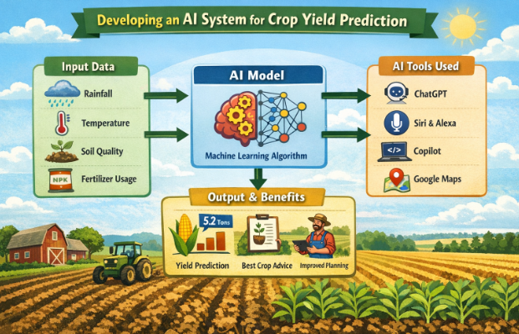
Farmers often face uncertainty in crop production due to: Changing weather conditions Soil fertility variations Improper fertilizer use Climate change The goal is to: Analyze input data (rainfall, temperature, soil nutrients, etc.) Predict expected crop yield Help farmers take better decisions

 |  | Copilot – Microsoft Role: Auto-suggest ML code. Improve productivity. Assist in debugging. | Gemini – Google Role: Generate ML model code. Provide agricultural research insights. Data analysis support.

key Points :
1. ChatGpt - Google Gemini - Microsoft Copilet are Use in alternation for the Code Generation , that will b e used for the Model Training For the Prediction

2. Alexa(Amazon) - Siri(Apple) Can Be used for the Voice Instructions for the farmer

GenAI Vs Age AI Vs AI Agents
Comparison between Gen AI vs AI Agents vs Agentic AI

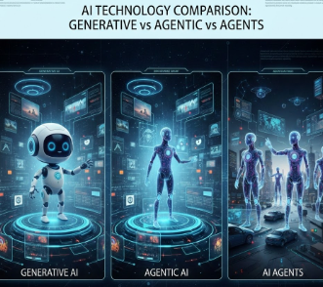
Feature | Generative AI | AI Agents | Agentic AI
Primary Function | Generates new content (text, images, videos, code). | Performs specific predefined tasks automatically. | Plans, reasons and acts independently toward a goal.
Dependency | Works based on trained data. | Depends on predefined rules and APIs. | Uses reasoning, planning and feedback loops.
Tool Access | No real-time access to tools or APIs. | Limited access to tools for specific actions. | Dynamic access to multiple tools and APIs.
Learning Capability | Learns from historical data (not real-time). | No continuous learning; follows instructions. | Continuously adapts to context and outcomes.
Example Use Case | Writing articles, creating designs. | Fetching flight data or sending alerts. | Booking flights based on preferences and constraints.
Autonomy Level | Low | Medium | High
Example Tools/Models | ChatGPT, DALL·E, Midjourney | Customer service bots, automation systems | AutoGPT, Devin AI, Gemini 2.0 with planning capabilities

