Zomato
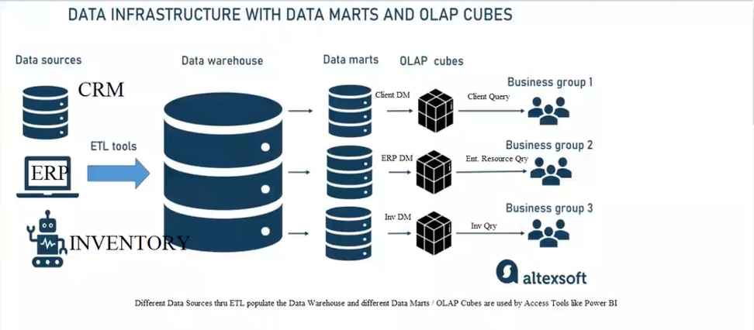
 | Data Sources (Operational Systems) Zomato collects data from multiple operational systems. CRM represents the Customer App (orders, ratings, payment details). ERP represents the Restaurant Panel (menu, billing, order processing). Inventory represents the Delivery System (delivery partner, tracking, delivery time). These systems generate daily transactional data.
Zomato Data Warehouse

Sales DM
Customer App
Sales Olap
Sales Team

Restaurant Panel

Marketing team
 | ETL Process (Extract, Transform, Load) Data is extracted from CRM, ERP, and Inventory systems. Duplicate and incorrect data is removed. Data formats (date, time, location) are standardized. Cleaned data is loaded into the Data Warehouse. ETL ensures data accuracy and consistency.
Marketing Olap
Marketing DM

Ops Olap
ops team
Delivery system
operations DM

 | Data Warehouse (Central Storage) The Zomato Data Warehouse stores integrated and historical data. It contains customer data, order details, restaurant information, and delivery records. It acts as a single source of truth. It supports company-wide analysis and reporting.

DATA INFRASTRUCTURE WITH DATA MARTS AND OLAP CUBES FOR ZOMATO APPLICATIONS

 | Data Marts (Department-wise Storage) Data Marts are subsets of the Data Warehouse. They are created for specific departments. Sales Data Mart Stores revenue, order count, city-wise sales. Used by Sales Team. Marketing Data Mart Stores campaign performance, coupon usage, customer segments. Used by Marketing Team. Operations Data Mart Stores delivery time, late deliveries, partner performance. Used by Operations Team.

 | OLAP Cubes (Analytical Layer) OLAP cubes are built from Data Marts. They allow multidimensional analysis. Sales OLAP Analyzes revenue by time, city, restaurant. Used for sales comparison. Marketing OLAP Analyzes campaign success and customer behavior. Used for marketing strategy. Operations OLAP Analyzes delivery performance and delays. Used to improve efficiency.

 | Business Groups (End Users) Sales Team uses Sales OLAP for revenue decisions. Marketing Team uses Marketing OLAP for campaign planning. Operations Team uses Operations OLAP for delivery optimization. OLAP helps in fast and better decision-making.

