Data
date | Unemployment_Rate
2025 | 15.246
2024 | 15.477
2023 | 15.164
2022 | 15.488
2021 | 12.232
2020 | 13.619
2019 | 12.547
2018 | 10.818
2017 | 9.097
2016 | 7.333
2015 | 7.299
2014 | 7.253
2013 | 7.183
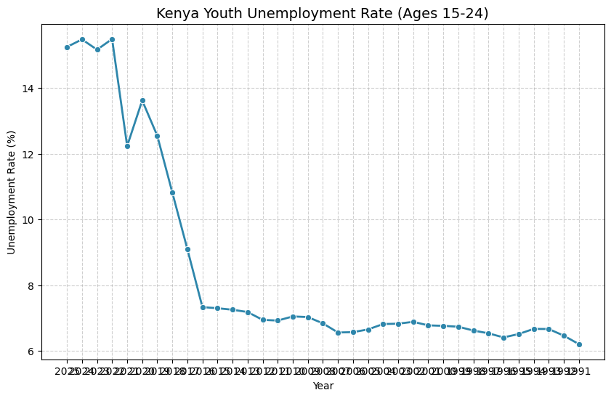
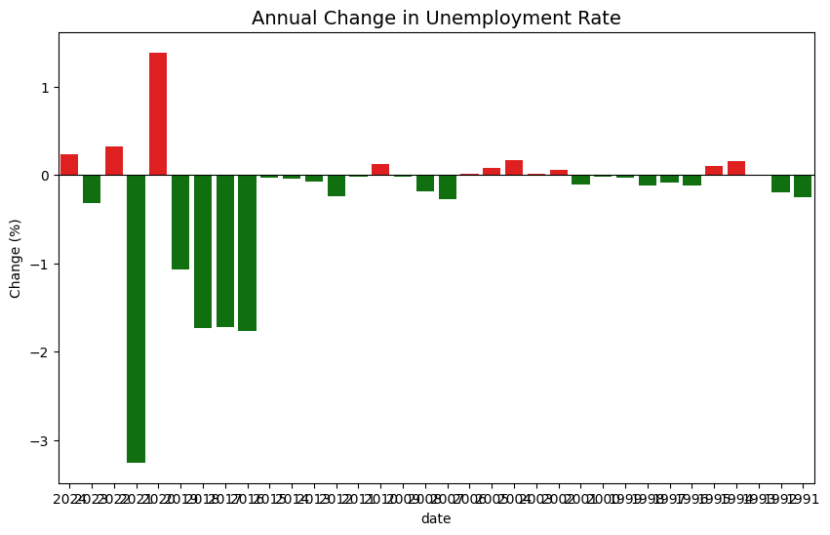
2012 | 6.945
2011 | 6.924
2010 | 7.049
2009 | 7.03
2008 | 6.839
2007 | 6.561
2006 | 6.571
2005 | 6.654
2004 | 6.818
2003 | 6.829
2002 | 6.885
2001 | 6.778
2000 | 6.763
1999 | 6.736
1998 | 6.62
1997 | 6.536
1996 | 6.411
1995 | 6.513
1994 | 6.67
1993 | 6.667
1992 | 6.465
1991 | 6.209

