Assets
 |  | Colors |  | Text Colors
 |  |  | Background |  | Headings
 |  |  | Highlight |  | Labels
 |  |  | Highlight 2 |  | Tables
 |  |  | Chart Color (guages) |  | Color1
 |  |  | Faded |  | Color2
 |  |  |  |  | Color3
 |  |  |  |  | Highlight
TITLE
 |  | SAMPLE TILE
KPI Value
SALES
$21.70 m

COST
$6.68 m

PROFIT
$15.02 m

Maps from | https://github.com/djaiss/mapsicon

Image | Country
 | Australia
 | Canada
 | India
 | New Zealand
 | UK
 | USA

GET COMPLETED DASHBOARD
GET FULL DASHBOARD
Unlock

You can now download the full dashboard file + HD videos when you join the Excel School + Dashboards program. Excel School is my online Excel training program. It covers everything from basics to advanced uses of Excel for data analysis & reporting work. | 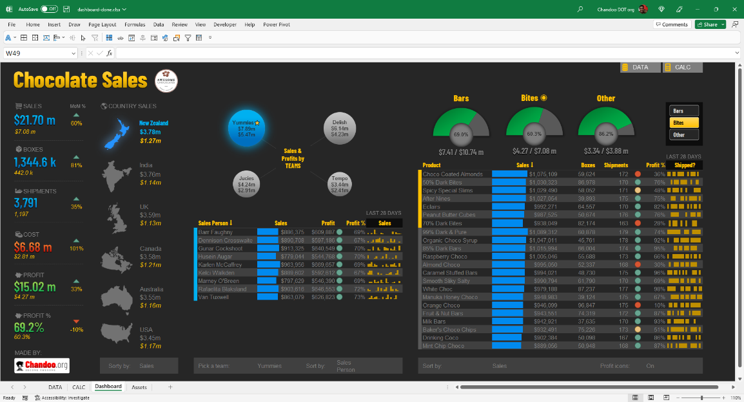
In this program, you will learn:
◉ Power Query for data management
◉ Excel formulas (basic to advanced)
◉ Pivot tables, data model & Power Pivot
◉ Charting, interactive & dynamic charts, combination charts
◉ Formatting, conditional formatting
◉ Using Excel productively
◉ Excel dashboards (including AWESOME Dashboard videos)

Click here to know more & join the class

