Intake management
 |  |  | VS

 |  | Front end |  |  | Back end

 |  |  |  | Back end the form looks different , it has assign supplier. Change assign supplier to --Initiate process
 | Dashboard did not have assign supplier

In the front end the intake form is different |  |  |  | In back end the form is different. It has additional information

 |  |  |  | It should have supplier name

There is no edit category |  |  |  | There is edit category

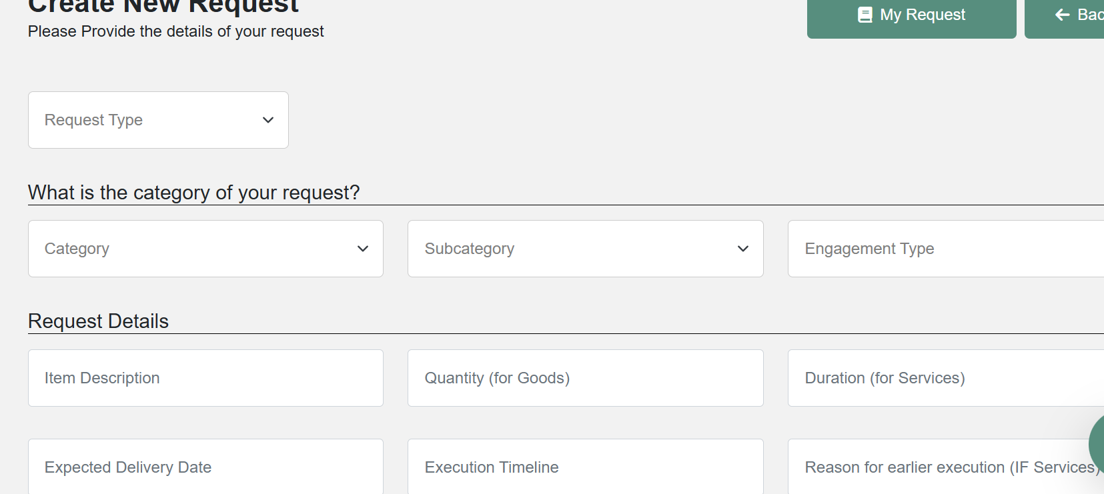
I cannot type here. If I do not have typing option it will not let me write. It does not have edit category, so that I can edit the category
Add magnifying glass rather than drop down

 |  |  |  |  | Lets change expected delivery date to Start date and end date

 |  |  | If I do not fill info properly, I get this. What are the mandatory info? Why the warning msg is not clear

 |  |  | Do you we should remove cost saving opportunity and keep that option to Procurement professional. Have one single form with drop down

Contract template
Front end |  | Back end
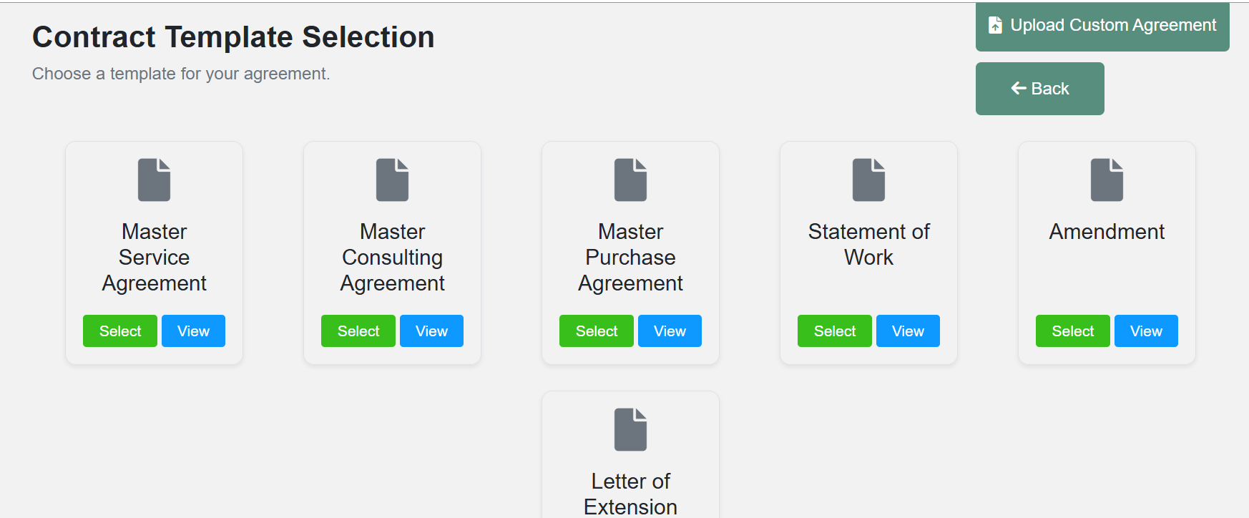
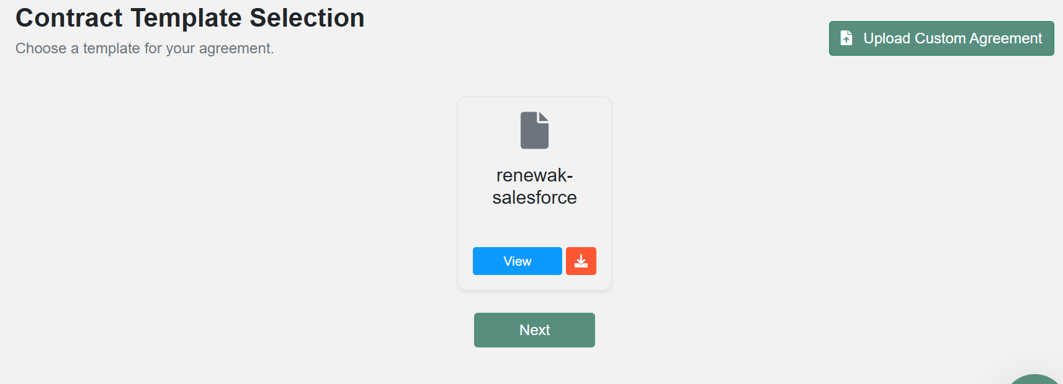

 |  | This is not correct. Here I should have placeholders for for all the contract template
 |  | This salesforce contract should connect with the project it has

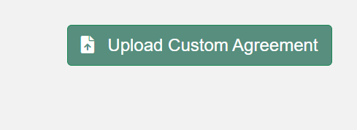
 |  |  | vs

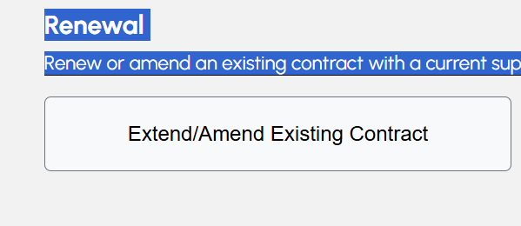

 |  |  | Rather than Extend/amend..lets have SOW/amend

 | Upload | Upload custome agreement

 |  | Add another button here caleed path selection and in that it should have
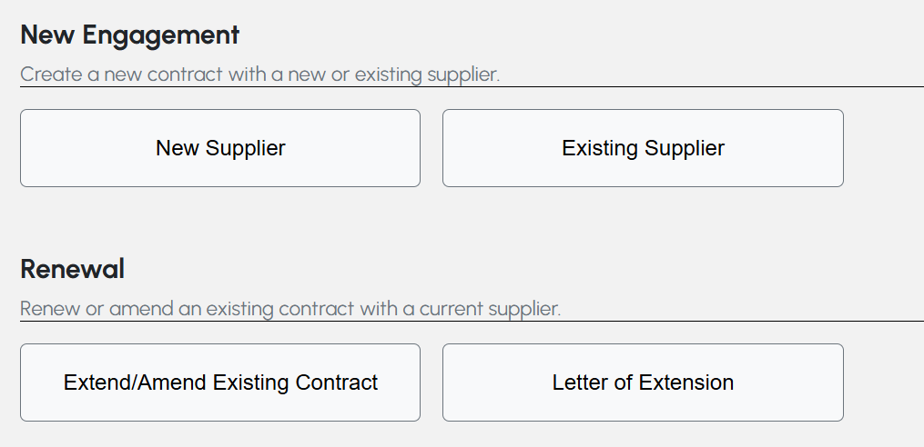

 |  | Change the name from Extend/amend existing contract to ----SOW/amend existing contract

