Intake management
 |  |  |  |  | VS

 |  | Front end |  |  |  |  | Back end
 |  |  |  |  |  |  |  |  |  |  |  |  |  |  | Initiate process- not done (Apr 15)
 |  |  |  |  |  | Back end the form looks different , it has assign supplier. Change assign supplier to --Initiate process |  |  |  |  |  |  |  | - Done
 | Dashboard did not have assign supplier

In the front end the intake form is different |  |  |  |  |  | In back end the form is different. It has additional information |  |  |  |  |  |  |  |  | Form still not done(Apr 15)

 |  |  |  |  |  |  |  |  |  |  |  |  |  |  | Cloud and employee/customer info not done (Apr 15) | - Done
 |  |  |  |  |  | It should have supplier name |  | - Done
 |  |  |  |  |  | Put RFP/CCompetive bid as a check box under supplier info |  |  |  |  | -not done | can be put in additional description
 |  |  |  |  |  | Add RFP under category request |  |  | Not done
 |  |  |  |  |  | Put cloud and customer infor under more info |  |  |  | Done
 |  |  |  |  |  | Do you need to add licenses for an existing product |  |  |  | done
 |  |  |  |  |  | Remove quantity as mandatory field |  |  | Not done
 |  |  |  |  |  | Make Department manual |  | Not done
 |  |  |  |  |  | request..add project name

There is no edit category |  |  |  |  |  | There is edit category

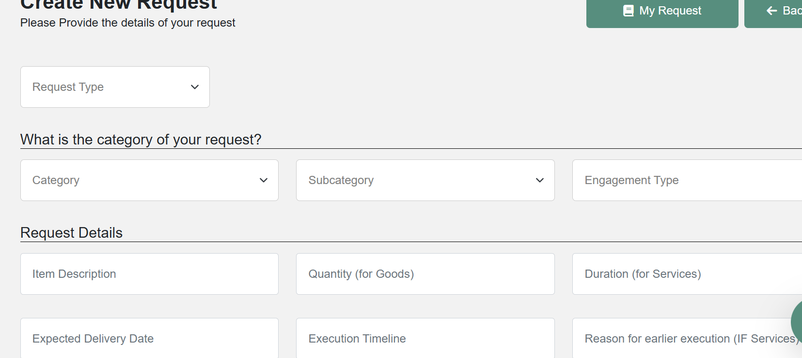
I cannot type here. If I do not have typing option it will not let me write. It does not have edit category, so that I can edit the category
Add magnifying glass rather than drop down

 |  |  |  |  |  |  | Lets change expected delivery date to Start date and end date

 |  |  |  |  | If I do not fill info properly, I get this. What are the mandatory info? Why the warning msg is not clear

 |  |  |  |  | Do you we should remove cost saving opportunity and keep that option to Procurement professional. Have one single form with drop down

 |  |  | For Intake management dashboard--put initiate process in place of Status.
 |  |  | Once the process starts..it should be visible contract dashboard and approval workflow

May 19-

 |  |  |  |  |  |  |  |  |  |  |  |  | Department - new dept cannot be added |  | Do it deom dept management

May-27
 | workflow is not visible when I initiate the proess |  |  | not done
 | Cannot edit the form fully |  |  | not done

Contract template
 | Front end |  |  |  |  | Back end
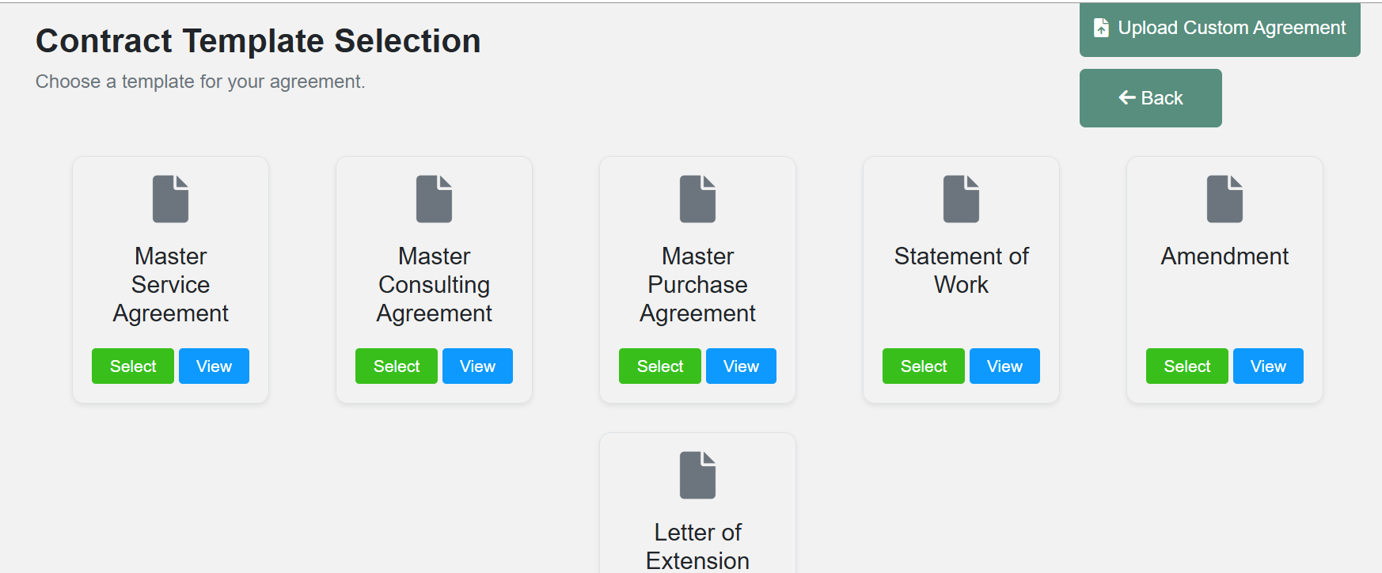
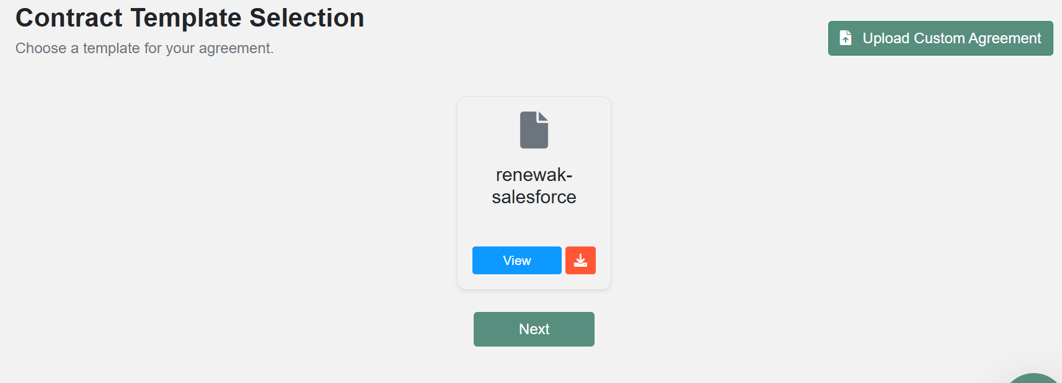

 |  |  |  |  |  | This is not correct. Here I should have placeholders for for all the contract template
Have upload option in each of them (Apr 15 not done yet) |  |  |  |  |  | This salesforce contract should connect with the project it has

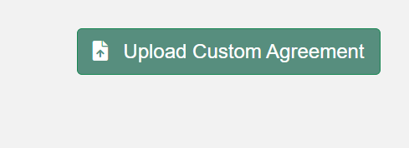
 |  |  |  |  |  |  |  | vs

 | Netlifly link--https://procxa-ai1.netlify.app/
 |  |  |  |  |  |  |  | Have select, update and delete option for upload custom agreement |  |  | Not done
 |  |  |  |  |  |  |  | Which contract id we are talking about | Not done
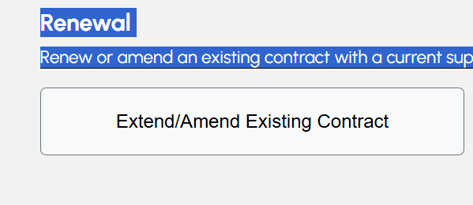

 |  |  |  |  |  |  |  | Rather than Extend/amend..lets have SOW/amend |  | done

 |  | Upload |  |  |  | Upload custome agreement

 |  |  |  |  |  | Add another button here caleed path selection and in that it should have
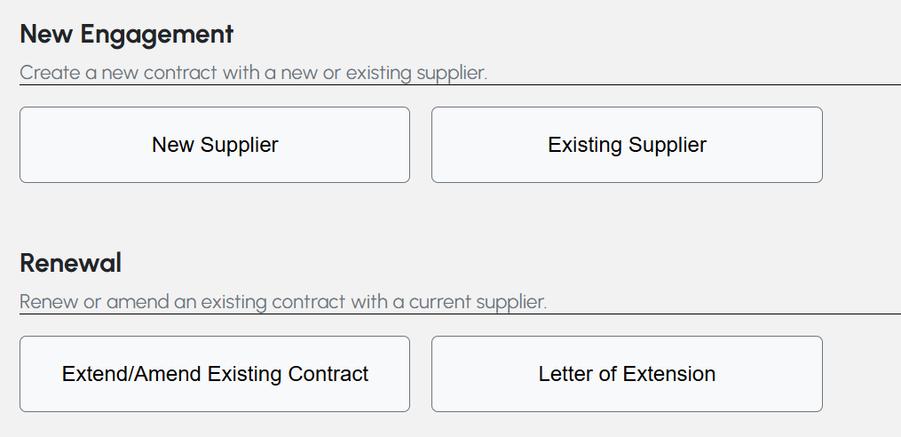

 |  |  |  |  |  | Change the name from Extend/amend existing contract to ----SOW/amend existing contract |  |  | Its not button yet
 |  |  |  |  |  | For existing supplier--put drop down and manual entry

 |  |  |  |  |  | Once initiate process it should be visible in Contract dashboard and in renewal dashboard if it is a renewal

 |  | May 19-
 |  |  |  |  | View, delete, upload, download, select |  | - Not done
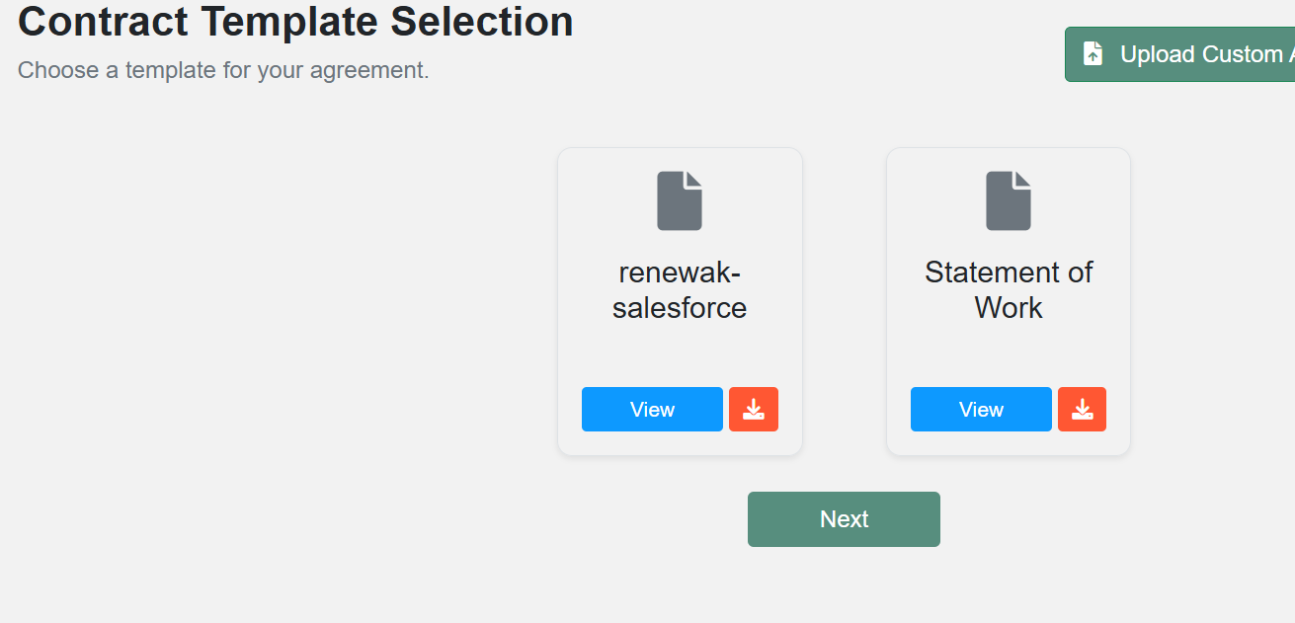

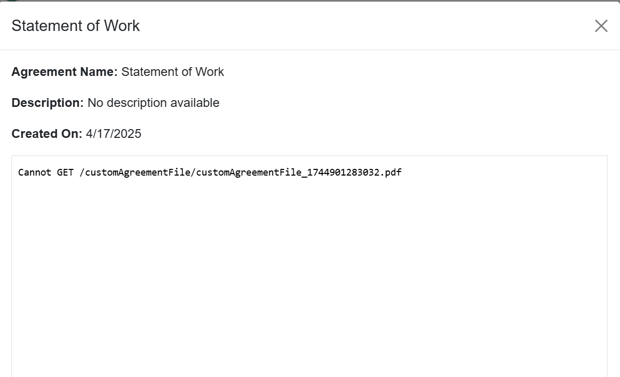

 |  |  | I cannot see the document- Not done

 |  |  |  | Renewal and amendment in renewal dashboard

Cost saving opp.
 |  | Under drop of option ---Add Others and then put description box
 |  | Add column on right hand side of Variable items for more product description
 |  | Keep reduction and avoidance (generally avoidance is future yrs.)

 |  | Remove Ariba- Not done
 |  | Have to connect the savings form with the project ID |  | Not done
 |  | If I add Column- it is going behind- Not done
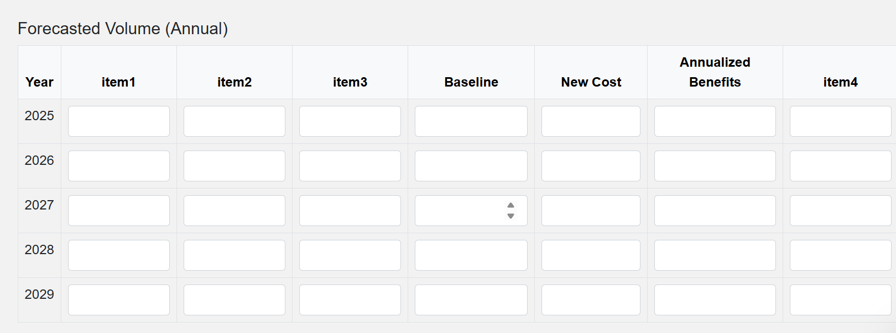

 |  | In type of cost saving put all types and others- Not done
 |  | Have the option of addition and deletion of columns
Historical unit price should be for all line items- Not done

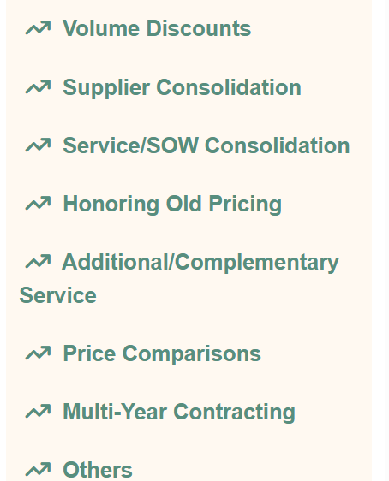
Type of cost saving
drop down with OTHER option with comments

 | Have delete column option as well |  | Not done

 | Baseline- new cost is annualized benefit
 | Total cost item 1+item 2+...
 | Add name , quantity and price

 | dashboard for cost saving

Approval work flow
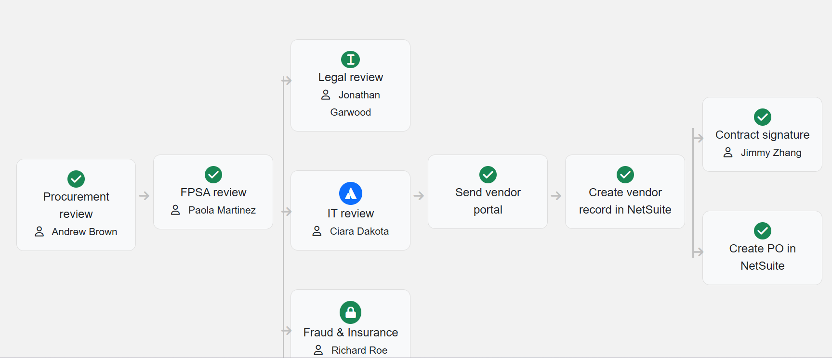
1 | Can add more approvers Horizontally and vertically
2 | Can edit approvers (with email address) |  |  | Not done
3 | Chat/comment option |  | Not done
4 | Keep option to delete and disable
5 | have dashboard for multiple workflows and then |  |  |  | Not done
 | click action button to see the workflow diagram
 | just like contract dashboard
6 | Select contract template type in approval workflow

 | Adding of new workflow is needed
 | Workflow should be connected to the
 | Add permission in department section- Not done
 | Can you show How to add department, I am doing it,
 | its not happening

Have attahment option and do it like sharepoint vertically/simultaneously |  |  |  |  |  | Not done
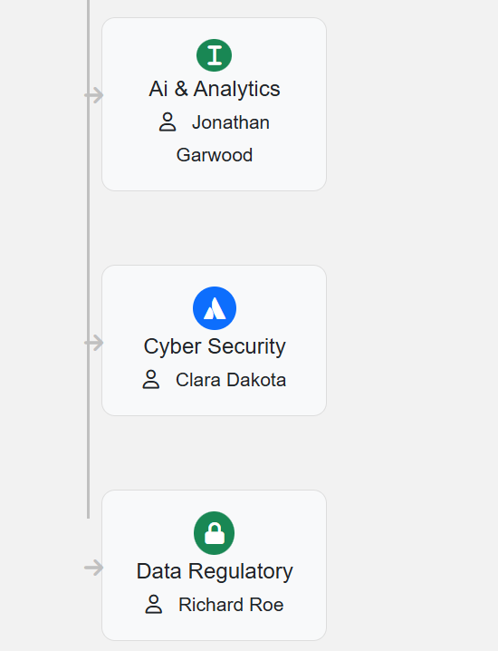

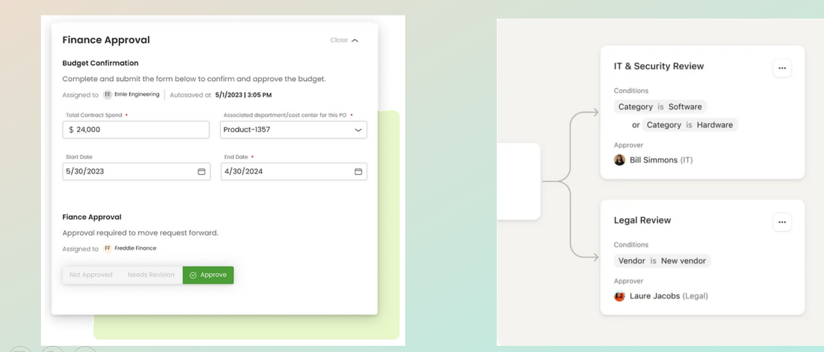
 | Workglow logic

 | Attach contract
 | add a button delete flow
 | have contract view and edit option with the info of the editer

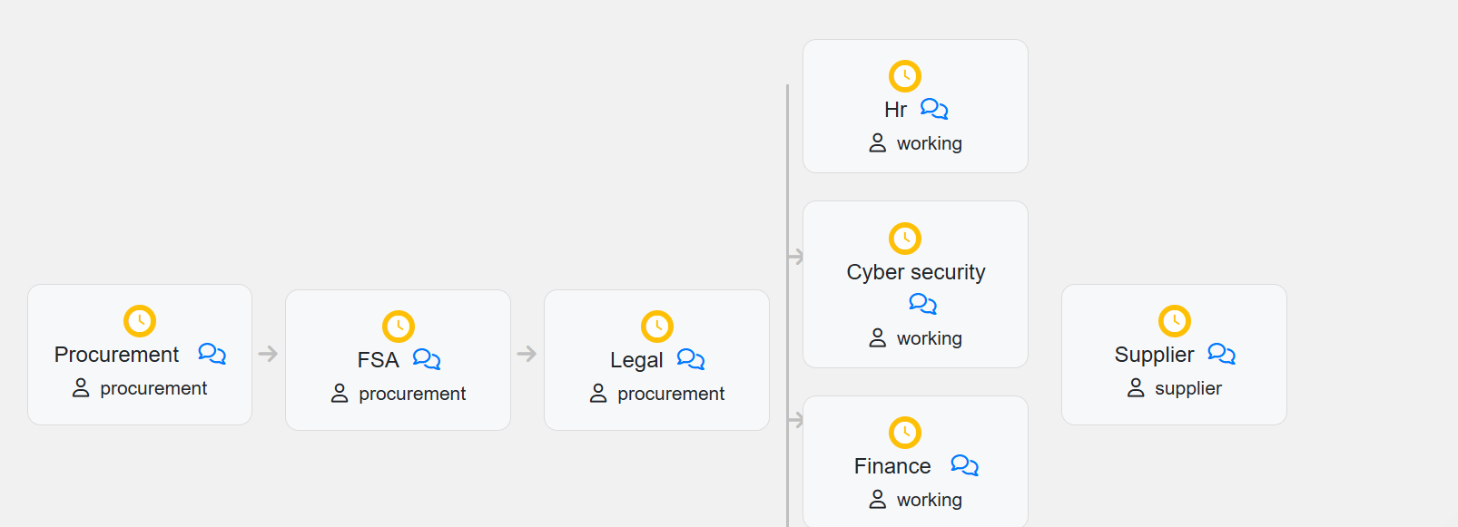
 | put green tick or red crosss or timer for status update

 |  | Name the vertical as Compliance, Legal and Risk (CLR) |  |  |  |  | Not done
 |  | Before that - Pre CLR |  |  |  |  | Not done
 |  | After that Post CLR |  |  |  |  | Not done
 |  | How multiple teams will look into this
 |  | It shud have the contract upload option so that same contract flows thru the approval workflow

Renewal Management
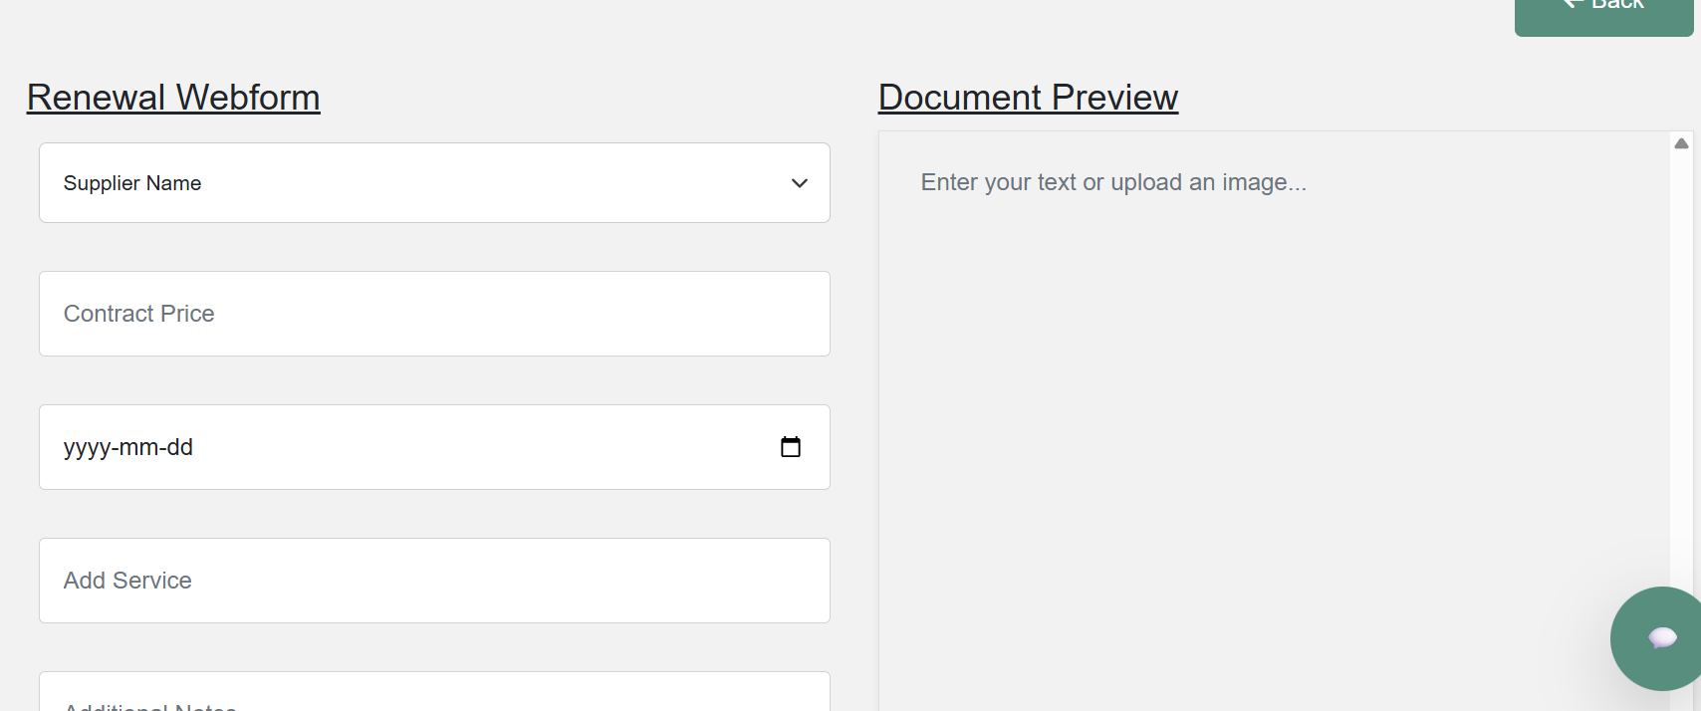

it should have start date and end date
Whatever document I upload it make above mentioned information editable
I am not able to upload the agreement

Contract management
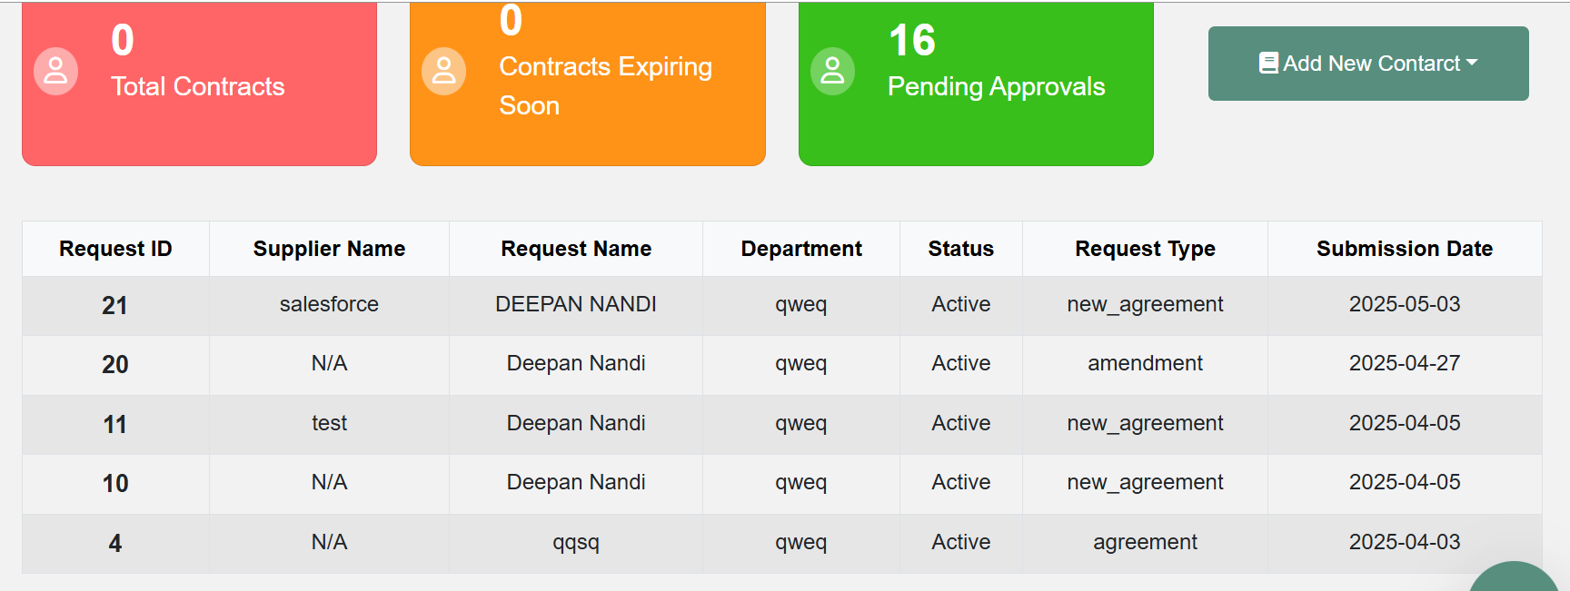
 | In contract dashboard add start date and end date also add renewal notification
 | In this add spend details and this shud be connected to spend analytics

The contract should be uploaded and all the SOW and amendments shud be in hierarchy branches with drag n drop

 | can you explain for what reason this is there?

Spend analytics
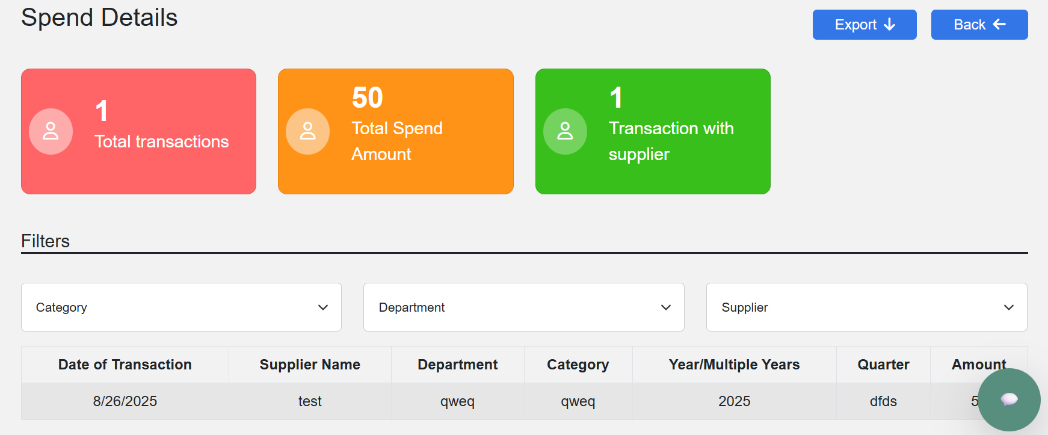
From where this number for spend came?
The filters shud be done based on department, signing authority, category, Start date/end date, reporting year/ month, supplier, spend amount

Agentic AI
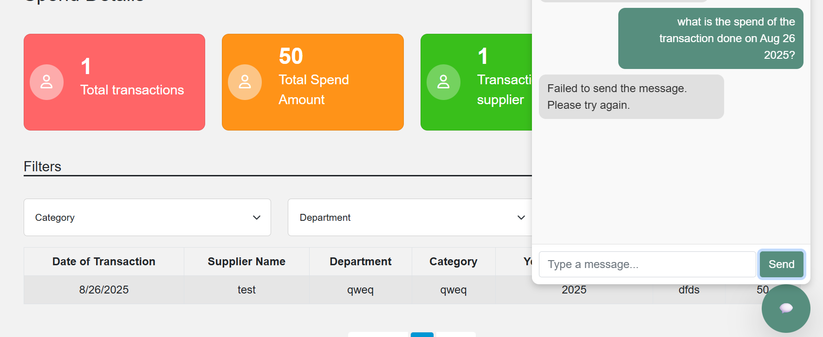
Fix the agentic AI. It is not picking the correct answers

Dashboard the first one
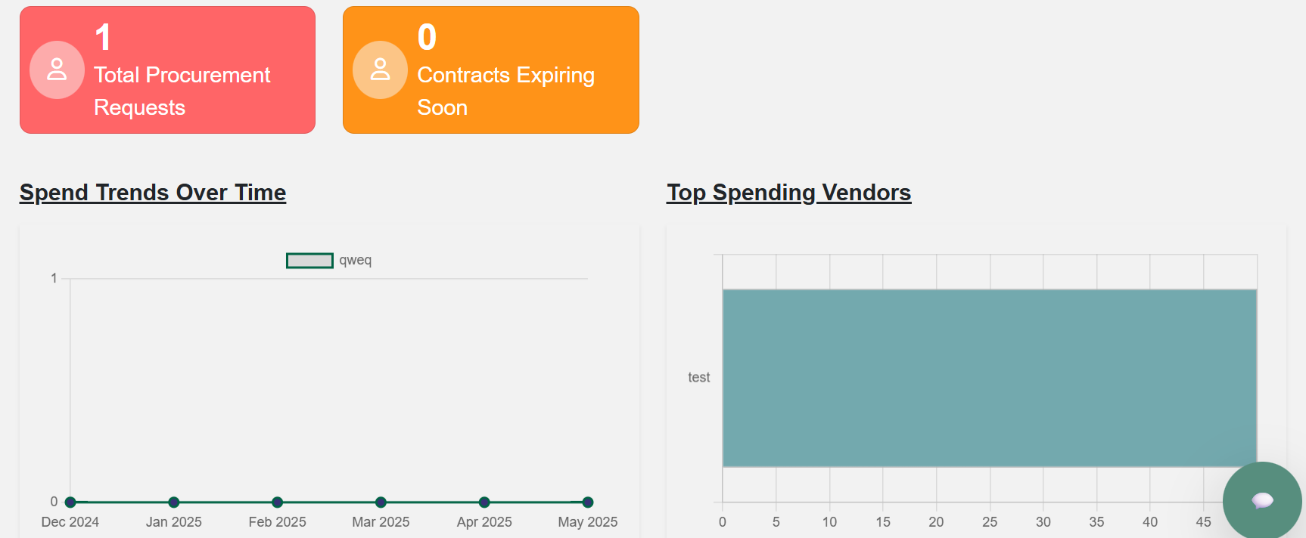
Projects completed
Projects active
Spend dashboard n major categories n year, month, quarter wise
Coming renewals in next 6 months in which department n category n project lead

