CELULAS LACOSECHA CC
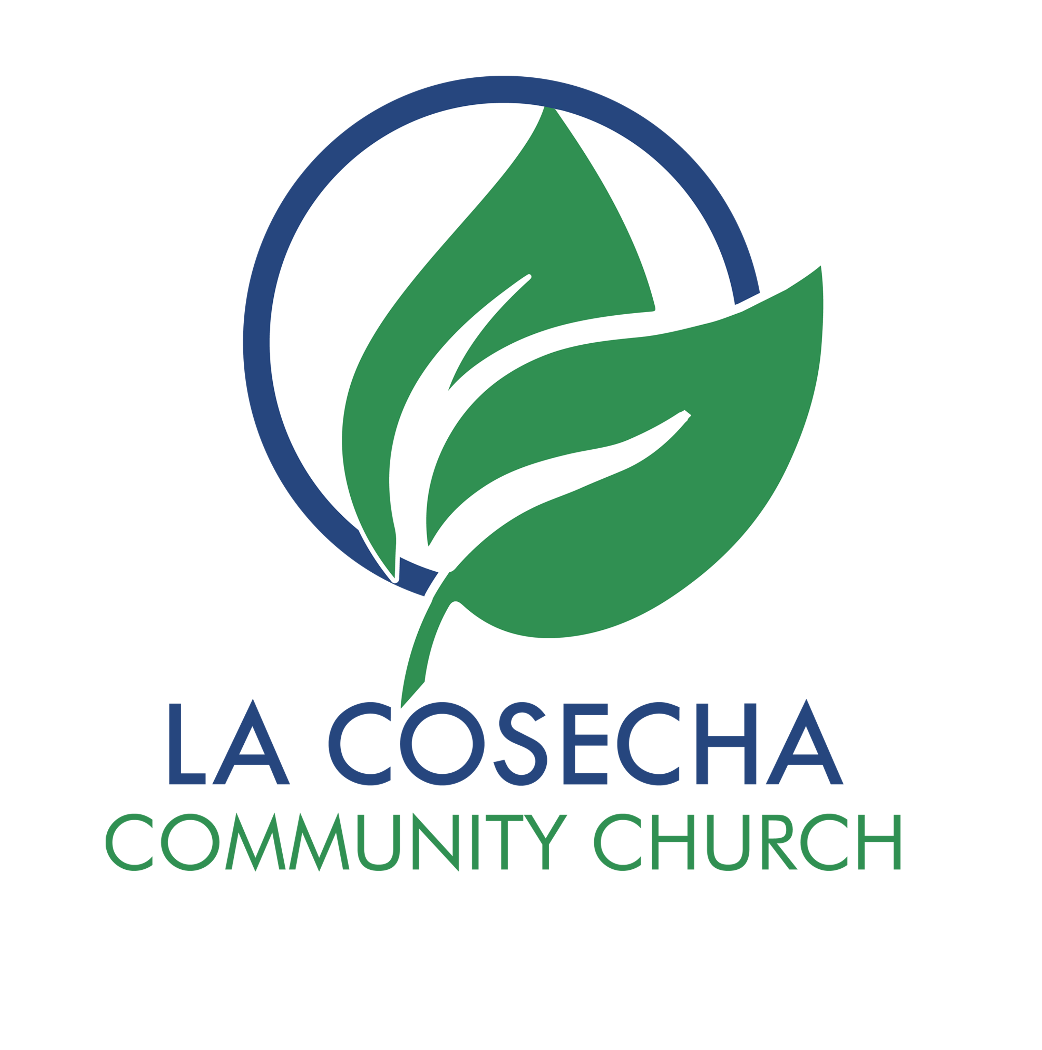
 |  | LA COSECHA COMMUNITY CHURCH
 |  | CELULAS DE CRECIMIENTO POR ZONA

2 0 2 5
# | ZONA | MAESTRO | ASISTENTE | DIRECCION | DIA | HORA | IDIOMA | TELEFONO

1 | Hempstead | Ramon Cordero | Patricia B, Omar R. | La Cosecha, Templo (Sótano) | Martes | 8:00pm | Espanol | (516)468-2951
 |  |  |  | 600 Greenwich St. Hempstead, NY 11550
2 | Hempstead | Silvia Rivera | Ricardo Rivera | Casa del Alfarero | Martes | 7:30pm | Espanol | (516)325-4241
 |  |  |  | 600 Greenwich St. Hempstead, NY 11550
3 | Hempstead | Candy Giron | Candida Hernandez | Casa del Alfarero | Sabado | 17:00:00 | Espanol | (516)451-4552
 |  |  |  | 600 Greenwich St. Hempstead, NY 11550
4 | Hempstead | Kayla Membreno | Julie Castillo | 62 Sunnyside Ave Hempstead NY 11550 | Martes | 20:30:00 | Espanol | (516)642-6434

5 | Hempstead | Cristian Rivera | Jonathan Velasquez | 213 S Franklin St, Hempstead NY 11550 | Sabado | 6:00pm | Espanol | (516)450-2806

6 | Hempstead | P Stanley Tanchez | P Alan Aviles | 43 Villa Court Apt K 10 Hempstead NY 11550 | Martes | 7:30pm | Espanol | (516)255-7229

7 | Hempstead | Saul Carballo | Javendean Naipaul | 44 Ormond St, Hemptead NY 11550 | Martes | 7:30pm | Ingles | (516)469-2659

1 | Uniondale | Leonel Diaz | Wilson Zuniga | Casa de Paz | Martes | 8:00pm | Espanol | (917)513-7314
 |  |  |  | 252 Lawrence St. Uniondale NY 11553
2 | Uniondale | P. Karla Molina | Alejandra Molina | APP Whatsapp | Miercoles | 7:00pm | Espanol | (516)403-3025

3 | Uniondale | P Jackie Castillo | Henry Ramos | 516 Hempstead blvd, Uniondale NY 11553 | Martes | 7:30pm | Espanol | (631)972-3526

4 | Uniondale | Doris Flores | Ken Sternfeld | The Clubhouse 2000 Sutton Court, Uniondale NY | Martes | 7:30pm | Ingles | (516)591-2265

1 | Freeport | Wilber Vanegas | Marina Vanegas | 160 Colonial Ave. Freeport, NY 11520 | Martes | 8:00pm | Espanol | (516)688-5923

2 | Freeport | Mauricio Rodriguez | Lesly Vasquez | 136 N Grove St. Freeport NY 11520 | Martes | 8:00pm | Espanol | (516)808-6228

1 | Baldwin | Eduardo Aguirre | Carmen Aguirre | 701 Glover Pl. Baldwin, NY 11510 | Martes | 7:30pm | Espanol | (516)417-7640

1 | Baldwin | Mayra Velasquez | Ana Gonzales | 2676 Johnson Pl Baldwin NY 11510 | Lunes | 8:00pm | Espanol | (516)444-0769

1 | Baldwin | Luis Miguel Mejia | Cesia Mejia | 633 Arthur ST Baldwin NY | Martes | 8:00pm | Espanol | (516)988-6497

1 | West Hempstead | Fermin Santiago | Daryangel del Cristo | 392 Mulberry Ln. West Hempstead, NY 11552 | Martes | 8:00pm | Espanol | (516)255-7229

2 | West Hempstead | Angelo Palacios | Jacob Batz | 557 Elm St. West Hempstead, NY 11552 | Martes | 8:00pm | Ingles | (516)815-1063

1 | East Meadow | Maria Molina | Nely Molina | 757 Van Buren Ave. East Meadow, NY 11554 | Martes | 7:30pm | Espanol | (516)688-4986

2 | East Meadow | Oscar de Jesus | Bienvenida (Lucy) | 1771 Front St East Meadow, NY 11554 | Martes | 7:30pm | Ingles | (516)262-5940

1 | Franking Square | Jenny Guzman |  | 90 New Hyde Park Rd Franklin Square NY 11010 | Martes | 8:00pm | Espanol | (716)939-9707

1 | Elmont | Mercedes Perez | David Ochoa | 198 Doherty Ave Elmont NY 11003 | Martes | 7:00pm | Espanol | (516)667-8153

1 | Lindenhurst | Maria Corea |  | 198 Doherty Ave Elmont NY 11003 | Martes | 7:45pm | Espanol | (631)312-3462

1 | West Babilon | Alba Quinteros | Yaneth Hernandez | 346 Silver St West Babylon NY 11704 | Miercoles | 7:30pm | Espanol | (631)565-5260

2 | West Babilon | Ricardo Quinteros |  | 840 14th St. West Babylon, NY 11704 | Martes | 8:00pm | Espanol | (516)473-6051

1 | North Babilon | Jonathan Canatarero | Venjamin Rivera | 41 Liberty Ave North Babylon | Martes | 8:00pm | Ingles | (631)839-4106

1 | Mineola | Juan Tejada | Carmen Villaman | 155 Fairfield Ave Mineola NY 11501 | Martes | 7:00pm | Espanol | (516)262-9858

1 | La Cosecha | El Alfarero | Carlos Soto | Planta baja de la Iglesia (reunion general) | Martes | 7:30pm | Bilingue | (516)738-9076

1 | Westbury | Luis Fuentes | Tatina Fuentes | 751 Anna Ave. Westbury NY 11590 | Martes | 7:30pm | Espanol | (516)503-4024

1 | New Hyde Park | Ruben Salazar | Ana Salazar | 133 North 12th St. New Hyde Park NY | Martes | 8:00pm | Espanol | (516)255-7229

1 | NJ | P Tomas Urrutia |  |  | Miercoles | 8:00pm | Espanol | (908)315-6596

2 | NJ | P Tomas Urrutia |  |  | Viernes | 8:00pm | Espanol | (908)315-6596

1 | Upstate NY | Marta | Wendy Morales |  | Miercoles | 7:00pm | Espanol

2 | Upstate NY | Joselyn |  |  | Martes | 8:00pm | Espanol

1 | Zoom | Eduin de los Santos | Wendy Morales |  | Martes | 7:30pm | Ingles

