TH_260623-Now
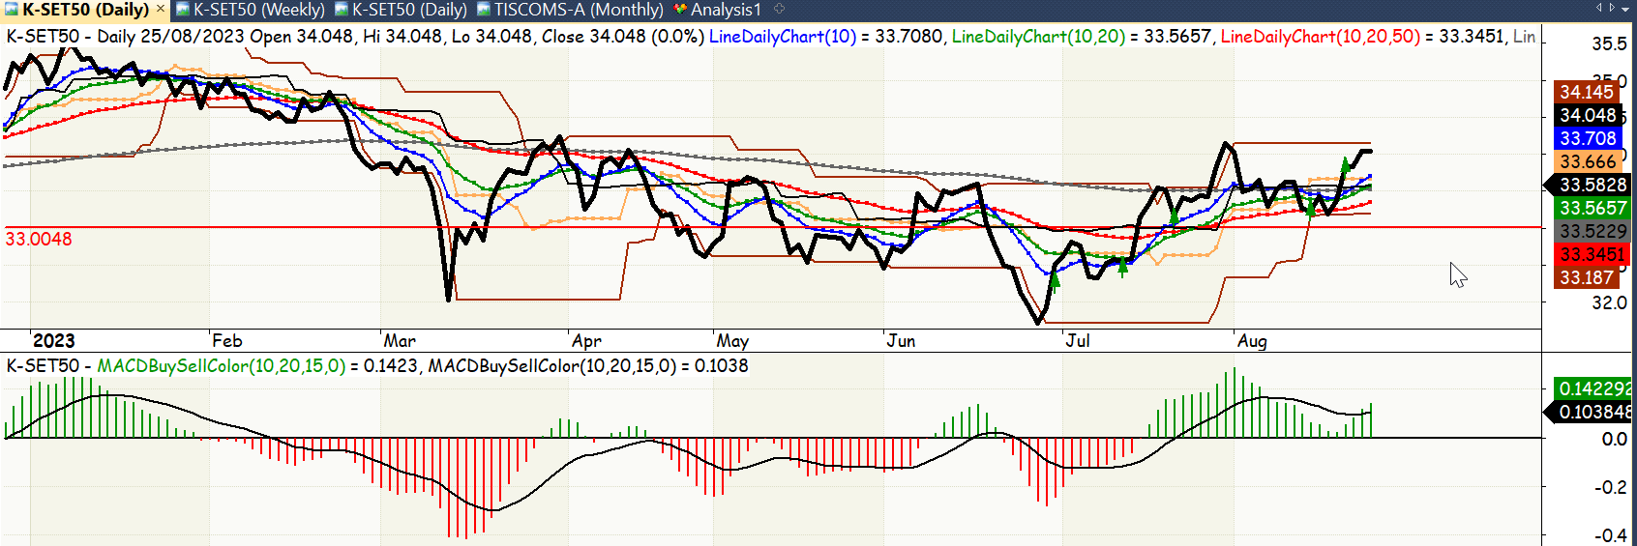
trade_date | portion_pct | action
2023-06-30 | 20 | b
2023-07-14 | 20 | b
2023-07-20 | 20 | b
2023-08-10 | 20 | b
2023-08-22 | 20 | b

